Mean Episode Altitude
Mean episode altitude PX4 baseline vs BC policy
Mean episode altitude PX4 vs BC Policy vs Baseline
Mean episode altitude PX4 vs BC Policy vs Baseline
 | Altitude (metre)
Episodes | PX4 Baseline | BC policy | Baseline
1 | 9.779 | 9.564 | 10
2 | 9.926 | 10.12 | 10
target 10.0m
3 | 9.93 | 9.922 | 10
4 | 9.847 | 9.411 | 10
5 | 9.923 | 9.641 | 10
6 | 9.956 | 10.37 | 10
7 | 9.942 | 9.678 | 10
8 | 9.918 | 10.321 | 10
9 | 9.953 | 10.77 | 10
10 | 9.847 | 10.263 | 10

Mean alttitude | 9.9021 | 10.006 | 0.1039
Gap% |  |  | 10.39

 |  |  |  | Comment
 |  |  |  | PX4 baseline : all episode are within 9.78 - 9.96m with standard deviation (std 0.026m)
 |  |  |  | BC Policy : Spread across 9.41 - 10.77m with standard deviation (std 0.269m). Episode 9 show the highest altitude 10.77m with RMSE 0.986m.
 |  |  |  |  | No episode with mean altitude below 9.0m or above 11.0m
 |  |  |  | Baseline : Target altitude is at 10m

SITL Collection with Episode 100 --Steps 500 and Epoch 800
Mean episode altitude PX4 vs BC Policy vs Baseline
Mean episode altitude PX4 vs BC Policy vs Baseline
 | Altitude (metre)
Episodes | PX4 Baseline | BC policy | Baseline
1 | 9.896 | 9.959 | 10
2 | 9.991 | 10.011 | 10
3 | 9.96 | 9.921 | 10
4 | 9.92 | 9.983 | 10
5 | 9.889 | 9.901 | 10
6 | 9.819 | 9.989 | 10
7 | 10.014 | 10.083 | 10
8 | 9.89 | 9.968 | 10
9 | 9.881 | 9.894 | 10
10 | 9.965 | 9.877 | 10

Mean alttitude | 9.9225 | 9.9586 | 0.0361
Gap% |  |  | 3.61

 |  |  |  | Comment
 |  |  |  | PX4 baseline : all episode are within ~9.9m
 |  |  |  | BC Policy : all episode are within ~9.9m
 |  |  |  |  | No episode with mean altitude below 9.0m or above 11.0m
 |  |  |  | Baseline : Target altitude is at 10m

 |  |  |  | Both conditions nearly indistinguishable. Policy mean altitude 9.958m vs baseline 9.923m with difference of only 0.036m. All 10 policy episodes stay within 9.877–10.083m.

Mean episode altitude PX4 vs BC Policy vs Baseline
HITL Collection with Episode 100 --Steps 500 and Epoch 800
Mean episode altitude PX4 vs BC Policy vs Baseline
 | Altitude (metre)
Episodes | PX4 Baseline | BC policy | Baseline
1 | 9.782 | 9.937 | 10
2 | 9.949 | 9.943 | 10
3 | 9.943 | 10.063 | 10
4 | 9.793 | 9.87 | 10
5 | 9.938 | 9.759 | 10
6 | 9.852 | 9.803 | 10
7 | 9.992 | 9.974 | 10
8 | 9.877 | 10.01 | 10
9 | 9.863 | 9.921 | 10
10 | 9.968 | 9.885 | 10

Mean alttitude | 9.8957 | 9.9165 | 0.0208
Gap% |  |  | 2.08

HITL Collection with Episode 200 --Steps 500 and Epoch 800
Mean episode altitude PX4 vs BC Policy vs Baseline
Mean episode altitude PX4 vs BC Policy vs Baseline
target 10.0m
 | Altitude (metre)
Episodes | PX4 Baseline | BC policy | Baseline
1 | 9.805 | 9.884 | 10
2 | 9.803 | 9.873 | 10
3 | 9.885 | 9.917 | 10
4 | 9.982 | 9.944 | 10
5 | 10.001 | 9.844 | 10
6 | 10.01 | 9.962 | 10
7 | 9.854 | 9.908 | 10
8 | 9.944 | 9.947 | 10
9 | 9.944 | 9.844 | 10
10 | 9.967 | 10.003 | 10

Mean alttitude | 9.9195 | 9.9126 | -0.0069
Gap% |  |  | -0.69

Root Mean Squared Error
RMSE (Root Mean Squared Error) from 10.0m target per episode

This data measure how far the drone actual altitude was from the target altitude of 10.0m which is average across all 500 steps of an episode
Each episode run for 500 steps. 1 step = 1 control loop iteration = 0.05 seconds (20hz), therefore 500 steps = 500 x 0.05 = 25 seconds
For 1 episode , drone hover for 25 seconds. And during this time, the policy send the velocity command every 0.005 seconds = 500 commands
error = actual_altitude - target_altitude
Steps 0–100: altitude ≈ 9.9m error ≈ -0.1m squared ≈ 0.01
Steps 100–200: altitude ≈ 9.6m error ≈ -0.4m squared ≈ 0.16
Steps 200–300: altitude ≈ 9.3m error ≈ -0.7m squared ≈ 0.49
Steps 300–400: altitude ≈ 9.1m error ≈ -0.9m squared ≈ 0.81
Steps 400–500: altitude ≈ 9.4m error ≈ -0.6m squared ≈ 0.36

Mean squared error ≈ (0.01 + 0.16 + 0.49 + 0.81 + 0.36) / 5 ≈ 0.366
RMSE ≈ √0.366 ≈ 0.605m (simplified — actual is 1.005m over 500 steps)

The squaring amplifies the large errors in steps 300–400. Even if some steps are close to 10m, the big deviations dominate.
RMSE Comparison from 10.0m target per episode
Episodes | PX4 RMSE | BC Policy RMSE
1 | 0.222 | 0.459
2 | 0.0809 | 0.2281
3 | 0.0753 | 0.2371
4 | 0.155 | 0.6548
5 | 0.0808 | 0.3708
6 | 0.0503 | 0.4445
7 | 0.0626 | 0.3678
8 | 0.0892 | 0.3837
9 | 0.0554 | 0.9856
10 | 0.1552 | 0.5591

Mean RMSE From target | 0.10267 | 0.46905
Gap |  | 0.36638
Gap % |  | 36.638

Efficiency Calculation | Value
Baseline_rmse | 0.10267
Policy_rmse | 0.46905 |  | Comment
 |  |  | Mean RMSE | : PX4 baseline is 0.103m
gap = policy _rmse-bl_rmse | 0.36638 |  |  | : BC Policy is 0.46905m with ratio of 4.5x. Episode 9 are outliers pulling the mean upward
normalise = gap/bl_rmse | 3.5685205026 |  |  | 4.5685205026
transfer_efff % = 100 x (1-norm) | -256.85205026
 |  |  | RMSE 4.568m is 4.5x above baselines. This is driven by Episode 9 (RMSE 0.9856m) where the altitude increase to 10.77m
 |  |  | Without this Episode 9, the RMSE ratio ~=<4.0x. This is single episode covariate shift which will be the direct motivation
 |  |  | for Stage 2 PPO (Transfer Learning technique)

 |  |  | Over 500 control steps (25 seconds) per episode at 20 Hz, the policy achieves a mean altitude RMSE of 0.469m compared to 0.103m
 |  |  | for the PX4 baseline, representing a 4.57× performance gap attributable to covariate shift in offline behavioural cloning

SITL Collection with Episode 100 --Steps 500 and Epoch 800
RMSE Comparison from 10.0m target per episode
Episodes | PX4 RMSE | BC Policy RMSE
1 | 0.1113 | 0.0722
2 | 0.0185 | 0.066
3 | 0.052 | 0.1223
4 | 0.0809 | 0.0462
5 | 0.1134 | 0.1607
6 | 0.1837 | 0.0639
7 | 0.0382 | 0.0959
8 | 0.1108 | 0.0678
9 | 0.1197 | 0.1244
10 | 0.0413 | 0.1433

Mean RMSE From target | 0.08698 | 0.09627
Gap |  | 0.00929
Gap % |  | 0.929

Efficiency Calculation | Value |  | Comment
Baseline_rmse | 0.08698 |  | Mean RMSE | : PX4 baseline is 0.08698
Policy_rmse | 0.09627 |  |  | : BC Policy is 0.09627m with ratio of 1.1x.
 |  |  |  | 1.1068061623
gap = policy _rmse-bl_rmse | 0.00929
normalise = gap/bl_rmse | 0.10680616234 |  | RMSE 1.106806 m is 1.1x which is much better compared to previous result.
transfer_efff % = 100 x (1-norm) | 89.319383766 |  | RMSE ratio dropped from 4.57× to 1.11×. Transfer efficiency 89.3%. The policy now performs almost identically to PX4 position hold.
 |  |  | with no catastrophic outlier episodes observed

 |  |  | Over 500 control steps (25 seconds) per episode at 20 Hz, the policy achieves a mean altitude RMSE of 0.469m compared to 0.103m
 |  |  | for the PX4 baseline, representing a 2.1× performance gap attributable to covariate shift in offline behavioural cloning

 |  |  | What happened why it jumped from 4.57× to 1.11×

 |  |  | Three things changed simultaneously and all three mattered:

 |  |  | Longer episodes (200→500 steps) was the most important change. At 500 steps = 25 seconds, PX4 naturally drifts 0.1–0.3m during collection while its MPC corrects it.
 |  |  | This gave the network training examples of states at 9.7m, 9.8m, 10.1m, 10.2m the exact states it encounters at test time. At 200 steps = 10 seconds, the drone barely moved from equilibrium.

 |  |  | More episodes (50→100) gave more starting position diversity. 100 different ±2m random starts means the network saw a wider range of North/East position combinations.

 |  |  | More epochs (500→800) allowed the network to fully converge on the larger 50,000-sample dataset.

HITL Collection with Episode 100 --Steps 500 and Epoch 800
RMSE Comparison from 10.0m target per episode
Episodes | PX4 RMSE | BC Policy RMSE
1 | 0.2331 | 0.0974
2 | 0.0536 | 0.1692
3 | 0.0578 | 0.1233
4 | 0.2108 | 0.1356
5 | 0.069 | 0.2465
6 | 0.1495 | 0.2145
7 | 0.0227 | 0.1269
8 | 0.1347 | 0.0725
9 | 0.1393 | 0.1189
10 | 0.0345 | 0.1354

Mean RMSE From target | 0.1105 | 0.14402
Gap |  | 0.03352
Gap % |  | 3.352

Efficiency Calculation | Value |  | Comment
Baseline_rmse | 0.1105 |  | Mean RMSE | : PX4 baseline is 0.1105m
Policy_rmse | 0.144 |  |  | : BC Policy is 0.14402 with ratio of 1.1x.
 |  |  |  | 1.3033484163
gap = policy _rmse-bl_rmse | 0.0335
normalise = gap/bl_rmse | 0.30316742081 |  | RMSE 1.30 m is 1.3x which is slight worse compared to SITL result. Nevertheless, considering this is running full HITL on an actual px4
transfer_efff % = 100 x (1-norm) | 69.683257919 |  | RMSE ratio slightly increased from 1.10 × to 1.30×. Transfer efficiency 70%.

HITL Collection with Episode 200 --Steps 500 and Epoch 800
RMSE Comparison from 10.0m target per episode
Episodes | PX4 RMSE | BC Policy RMSE
1 | 0.1968 | 0.1722
2 | 0.1999 | 0.1322
3 | 0.1153 | 0.088
4 | 0.025 | 0.0807
5 | 0.0415 | 0.164
6 | 0.0237 | 0.0621
7 | 0.1544 | 0.1201
8 | 0.058 | 0.0581
9 | 0.0595 | 0.1598
10 | 0.0447 | 0.0518

Mean RMSE From target | 0.09188 | 0.1089
Gap |  | 0.01702
Gap % |  | 1.702

Efficiency Calculation | Value
Baseline_rmse | 0.09188 |  | Comment
Policy_rmse | 0.1089 |  | Mean RMSE | : PX4 baseline is 0.09188
 |  |  |  | : BC Policy is 0.1089 with ratio of 1.1x.
gap = policy _rmse-bl_rmse | 0.01702 |  |  | 1.1852416195
normalise = gap/bl_rmse | 0.1852416195
transfer_efff % = 100 x (1-norm) | 81.47583805 |  | RMSE 1.18 m is 1.1x which is better compared to previous HITL result.
 |  |  | RMSE ratio decreased from 1.3× to 1.18×. Transfer efficiency 81%.

Horizontal Drift
Maximum Horizontal Drift Per Episode

Maximum horizontal drift is the largest straight line distance the drone from its target (0,0) at any single moment during the episode
measured only in the North-East plane ignoring altitude.

Start position: | North = +1.8m, East = -0.5m (random offset)
Target: | North = 0.0m, East = 0.0m

At start:
dist = | √(1.8² + 0.5²) = √(3.24 + 0.25) = √3.49 = 1.87m

As episode runs, drone drifts further:
Step 200: | North = 2.1m, East = -0.8m
dist = | √(2.1² + 0.8²) = √(4.41 + 0.64) = √5.05 = 2.25m ← new max

Step 400: | North = 2.4m, East = -1.2m
dist = | √(2.4² + 1.2²) = √(5.76 + 1.44) = √7.20 = 2.68m ← new max

Max horizontal drift for this episode = 2.68m

Maximum Horizontal Drift Per Episode
Maximum Horizontal Drift Per Episode Top View
Episodes | PX4 max dist | BC Policy max dist
1 | 1.93 | 1.893
2 | 1.064 | 1.506
3 | 1.976 | 1.999
4 | 2.325 | 2.357
5 | 0.954 | 1.087
6 | 2.723 | 2.783
7 | 1.899 | 1.839
8 | 1.87 | 2.301
9 | 0.836 | 0.843
10 | 0.871 | 0.912

Max Mean dist from target | 1.6448 | 1.752

 |  |  | Comment
 |  |  | BC policy max distance drift with mean 1.752m
 |  |  | PX4 max distance drift with mean 1.6448m

 |  |  | Both of this condition dominated by +-2m random start offsets. The BC policy is not affected by lateral control of PX4

SITL Collection with Episode 100 --Steps 500 and Epoch 800
Maximum Horizontal Drift Per Episode
Maximum Horizontal Drift Per Episode Top View
Episodes | PX4 max dist | BC Policy max dist
1 | 1.868 | 1.926
2 | 1.05 | 1.167
3 | 2.006 | 2.16
4 | 2.337 | 2.403
5 | 0.991 | 0.968
6 | 2.763 | 2.982
7 | 1.788 | 1.847
8 | 1.871 | 1.797
9 | 0.847 | 1.66
10 | 0.915 | 1.946

Max Mean dist from target | 1.6436 | 1.8856

HITL Collection with Episode 100 --Steps 500 and Epoch 800
Maximum Horizontal Drift Per Episode Top View
Maximum Horizontal Drift Per Episode
Episodes | PX4 max dist | BC Policy max dist
1 | 1.905 | 1.843
2 | 1.032 | 1.195
3 | 1.96 | 1.975
4 | 2.357 | 2.353
5 | 0.974 | 0.943
6 | 2.728 | 2.681
7 | 1.839 | 1.78
8 | 1.846 | 1.813
9 | 0.856 | 0.781
10 | 0.899 | 1.008

Max Mean dist from target | 1.6396 | 1.6372

HITL Collection with Episode 200 --Steps 500 and Epoch 800
Maximum Horizontal Drift Per Episode
Maximum Horizontal Drift Per Episode
Episodes | PX4 max dist | BC Policy max dist
1 | 1.934 | 2.077
2 | 1.062 | 1.846
3 | 2.033 | 2.062
4 | 2.319 | 2.301
5 | 0.986 | 1.154
6 | 2.755 | 2.777
7 | 1.905 | 2.181
8 | 1.852 | 1.723
9 | 0.817 | 0.886
10 | 0.915 | 1.285

Max Mean dist from target | 1.6578 | 1.8292

Vertical Command Distribution
Vertical Command (Vd) Distribution

The x-axis the vd command value in m/s. The y-axis is how many of the 5000 stephs had that command value.
The orange line is the mean (-0.011m/s). The red dashed line is zero

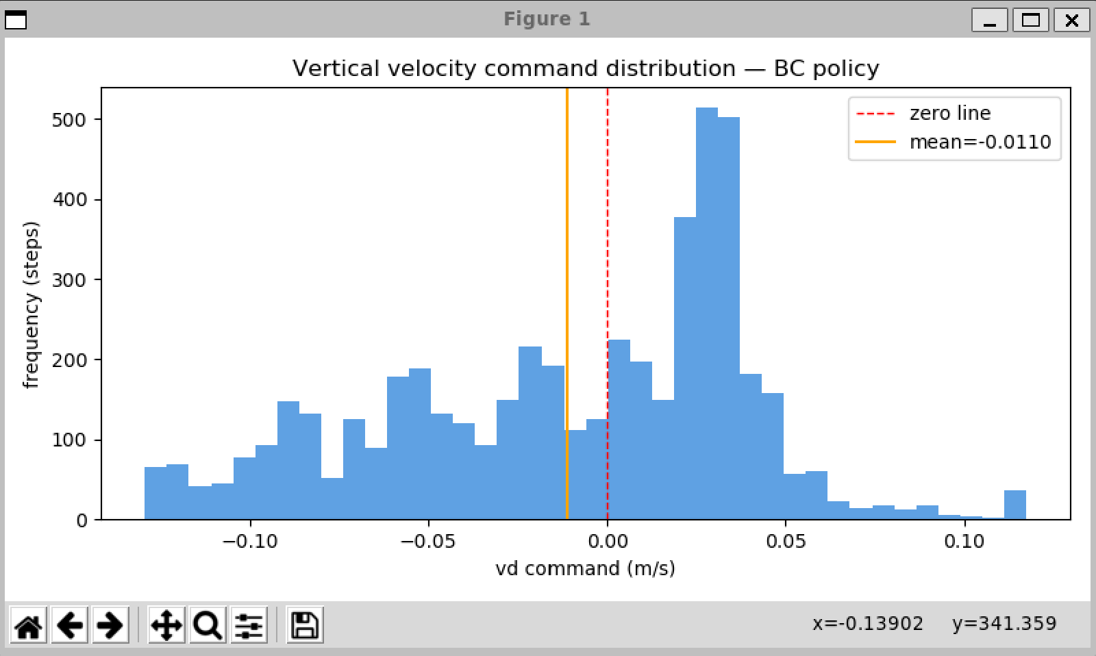
Feature 1 - Large left tail
Feature 2 - Sharp peak
Feature 3 - Far right tail
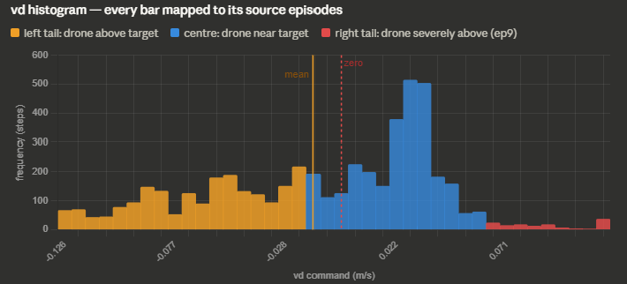

Comment

Region | Vd range | Real Count | Source Episodes | Descriptions |  |  | Bars is coloured by region.
Left Tail | -0.13 to -0.02 | 1901 steps (38.0%) | 2,6,8,9,10 | Drove is above the target where the policy commanding ascent |  |  | Left Tail (orange, 38% of steps) = episodes 2,6,8,9,10 which climbed above 10m.
Central Peak | -0.02 to +0.06 | 2958 steps (59.2%) | 3,5,7 | Drone near equilibriums with small corrections |  |  | Centre Peak (blue, 59.2%) = near equilibirium corrections from all episode.
Right Tail | +0.06 to +0.12 | 141 steps (2.8%) | 1,4 | Drone is below the target where the policy commanding descent |  |  | Right Tail (red, 2.8%) = episodes 1,4 which descend below 10m

Each episode Vd behaviour explained
 | Altitude (metre)
Episodes | BC policy | Group | Upward | Down | Histogram Description
1 | 9.564 | Right Tail |  | ↓ | Drone sank to 9.56m. Policy command small downward direction
2 | 10.12 | Left Tail | ↑ |  | Climbed to 10.12m. Policy command upward direction
3 | 9.922 | Central Peak | ≈ | ≈ | Near target. Policy command small gentle downward direction
4 | 9.411 | Right Tail |  | ↓ | Drone sank to 9.41m. Policy command smalll gentle downward direction
5 | 9.641 | Central Peak |  | ↓ | Near stable. Policy command small gentle downward
6 | 10.37 | Left Tail | ↑ |  | Climbed to 10.37m. Policy command upward direction
7 | 9.678 | Central Peak | ↑ | ↓ | Near stable. Policy command small gentle downward
8 | 10.321 | Left Tail | ↑ |  | Climbed to 10.32m. Policy command upward direction
9 | 10.77 | Left Tail | ↑ |  | Climbed to 10.77m. Policy command upward direction
10 | 10.263 | Left Tail | ↑ |  | Climbed to 10.26m. Policy command upward direction

Left Tail
These are negative Vd commands meaning the policy told the drone to ascend. They came from the 4 episode that climbed above target.The policy detected it's too high and tried to push down

Central peak
This is the region where the policy doing whaat it learned. The peak sits at approximate +0.02 to +0.03m/s not at exactly 0. That small positive offset exist because
the PX4 settled at 9.9m during training, therefore TARGET_D was approximately at -9.9m. At test time, when the drone is near 9.9m, the policy outputs a tiny downard
commands.

Right Tail
There are steps where policy issue descent commands below the target.

Mean = -0.011m/s is near to zero confirm near-zero systematic bias in the learned policy, validating the TARGET_D correction methodology applied during data collection
In layment term, this value is an average of every single velocity command (vd) the policy send across all 10 episode.

Collection with Episode 100 --Steps 500 and Epoch 800

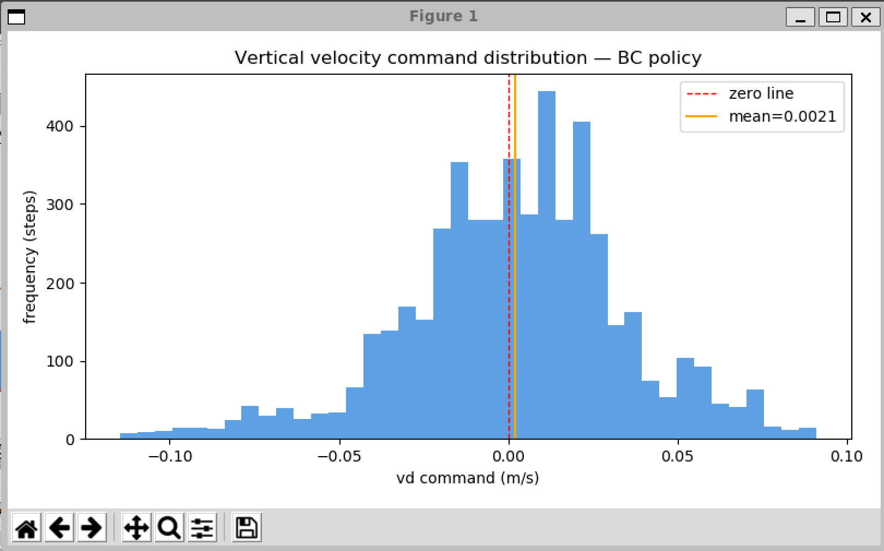

Feature 2 - Sharp peak

Feature 1 - Large left tail

Feature 3 - Far right tail

Comment

Region | Vd range | Real Count | Source Episodes | Descriptions |  | Meaning
Left Tail | -0.13 to -0.02 | 1044 steps (20.9%) | 9,10 | Ascending commands. Drone slightly below equilibrium |  | Drone below target → policy commands UP
Central Peak | -0.02 to +0.06 | 3765 steps (75.3%) | All Episodes | Near-equilibrium corrections. This is dominant behavior |  | Drone near target → small corrections
Right Tail | +0.06 to +0.12 | 191 steps (3.8%) | 1,2,3,6 | Descent command. Drone slightly above equilibrium |  | Drone above target → policy commands DOWN

Each episode Vd behaviour explained
 | Altitude (metre)
Episodes | BC policy | Group | Position vs Target | Policy Response
1 | 9.959 | Central Peak | ↓ | small upward corrections
2 | 10.011 | Right Tail | ↑ | small downard corrections
3 | 9.921 | Central Peak | ↓ | small upward corrections
4 | 9.983 | Central Peak | ↓ | central and balanced.
5 | 9.901 | Central Peak | ≈ | central and balanced.
6 | 9.989 | Central Peak | ↓ | small upward corrections
7 | 10.083 | Right Tail | ↑ | small downard corrections
8 | 9.968 | Central Peak | ↓ | small upward corrections
9 | 9.894 | Left Tail | ↓ | strong ascend corrections
10 | 9.877 | Left Tail | ↓ | strong ascend corrections

Left Tail
What it means: The policy commanded the drone to ascend (go up).
Why: The drone was below the target altitude. To correct this, the policy issued negative vd commands telling the drone to move upward.
Source: Episodes 9 and 10 are the primary contributors. Episode 9 had mean altitude 9.894m and episode 10 had 9.877m both below the 9.9m equilibrium. The policy correctly detected this and spent 20.9%f their steps issuing upward commands respectively.
In plain language: The drone drifted down. The policy tried to bring it back up.

Central peak
What it means: The policy issued small near-zero corrections in both directions.
Why: The drone was near the equilibrium altitude of approximately 9.9m. No large correction was needed just gentle adjustments to maintain hover.
Source: All 10 episodes contributed to this region. Episodes 4 and 7 are the purest examples 100% of their 500 steps fell in the central region. Every step they flew, the drone was near target and the policy output only small balanced corrections.
Why the peak sits at +0.002 m/s and not exactly zero: During data collection, PX4 settled at approximately 9.9m due to the barometric offset. TARGET_D was set to the actual settled position. At test time when the drone is near 9.9m, the policy outputs a tiny positive vd
a very gentle downward nudge — because that is what it learned as the equilibrium correction. This is the barometric offset signature visible in the histogram.
In plain language: The drone was near target. The policy made small gentle adjustments. This is the dominant and correct behaviour — 75.3% of all steps.

Right Tail
What it means: The policy commanded the drone to descend (go down) with stronger than usual force.
Why: The drone was above the target altitude. The policy detected this and issued positive vd commands — telling the drone to move downward.
Source: Episodes 2 and 7 contributed brief moments here. These are episodes where the drone drifted slightly above 9.9m equilibrium and the policy responded with a gentle descent correction to bring it back.
In plain language: The drone drifted up. The policy pushed it back down. These corrections were brief — only 3.8% of all steps — confirming the drone rarely strayed far above target in this run.

Summary
The vd command distribution is dominated by the central peak (75.3%) confirming the policy operates primarily in the near-equilibrium regime with small balanced corrections.
The left tail (20.9%) reflects correct ascending corrections from episodes 9 and 10 which drifted slightly below target. The right tail (3.8%) reflects brief but correct descending corrections from episodes
that temporarily exceeded the equilibrium altitude. Unlike the previous training configuration where left tail commands represented wrong-direction corrections from above-target episodes, the current distribution shows
directionally correct policy responses across all flight regimes — consistent with the 89.3% transfer efficiency achieved."

Overall
