Sheet1
Test Cases | Use Case | Result | Output | Comments
Daily Rewards Updated | No Tasks selected | Keep going! You're making progress! | Pass | Manual testing, need to upgrade to automated for future deliveriables
 | 5 tasks selected | Daily Reward Points: 25 | Pass
 | 10 tasks selected | Daily Reward Points: 50 | Pass
Details button | Selected " Details check" task |  | Pass

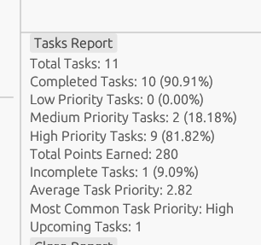
Add task | Entered "Details check" new task | Able to add, was shown in Details button as above | Pass
Editing tasks | Select any task, click on any field to edit, later click on "save changes" button, click on "details" button to view the recent changes | Observed new changes reflected on "details" button click | Pass
Checking task report details | selected one future date as due data, and deselected one out of all completed task |  | Pass

No task select as "completed" status | Deselected the check box per task, need to check task report for reflected changes,challenges section, achievements section to be verified | Task report,challenges, achievements sections updated with relevant/accurate details | Pass
checking Achievement view | selected 5 tasks as completed | Acheivement section progress bar is updated to bronze goal, accordingly Challenges messages updates as well | Pass

