Details
 | Monthly Expenses Templates
 | Free Excel Template by analysistabs.com

Info 4 | Monthly Expenses Templates helps you to check your expenses against your income. You can plan you budget and limit your expenses by analysing your income and expense details

i
Usage 4 | Project Cost Estimation Template helps you to plan a project budget estimates. You can change the default data and formula to meet your needs.

1
Share 4 | Analysistabs ™ is developing Free and Premium l Project Management Templates. Please do not share this downloaded file. Instead, you can share our free template page link with your colleagues and friends, it helps us to create better tools and more templates.

*
Email 4 | Please share your feedback or ask questions, Email: info@analysistabs.com

Project Cost Estimation Template is a Free and lite version of ANALYSISTABS' Project Management Templates. Please feel free to use, modify and share with your coleagues. |  | Please check our Premium Templates Bundle, all you need for effective project planning, management and presentations. Our premium templates are powerfull, easy to customize and unique in style. Please visit analysistabs.com and grab our powerfull templates for nominal cost.

Templates By ANALYSISTABS.For more templates and tools, please visit us: |  |  | https://www.analysistabs.com/
Premium Templates
Visit Our BLOG
ANALYSISTABS.COM

January 2023
Excel Template for Monthly Expenses

 | Name | Your Name Goes Here! |  |  |  | Notes
 | Month | January | Year | 2023 |  | 4 | Enter all your Income details for the given month (both budget and Actual)
 |  |  |  |  |  | 4 | Budget:Income at beginning of the month, Actuals: whenever you are receiving the amount
 |  | Budget | Actual | Difference |  | 4 | Enter all your Expense details for the given month (both budget and Actual)
 | Income | $7,200 | $6,650 | ($550) |  | 4 | Budget:Plan at beginning of the month or before, Actuals: whenever you are spending for it.
 | Expense | $6,830 | $7,805 | ($975) |  | 4 | You can keep an eye on the Summary to check your balance.
 | NET | $370 | -$1,155 | ($1,525) |  | 4 | Do not disturb the formulas
 |  |  |  |  |  | 4 | You can duplicate this worksheet for another month.

Income |  | Budget | %Budget | Actual | Difference
4 | Salary | $3,000.00 | 42% | $2,500.00 | ($500)
4 | Business | $1,200.00 | 17% | $1,000.00 | ($200)
4 | Interest | $1,000.00 | 14% | $1,000.00 | $0
4 | Gifts | $500.00 | 7% | $450.00 | ($50)
4 | Refunds | $300.00 | 4% | $300.00 | $0
4 | Miscellaneous | $1,200.00 | 17% | $1,400.00 | $200
 | TOTAL | $7,200.00 | 100% | $6,650.00 | ($550)

Fixed Expense |  | Budget | %Budget | Actual | Difference
4 | Rent | $500.00 | 7% | $500.00 | $0
4 | Insurance | $800.00 | 11% | $800.00 | $0
4 | Electricity | $200.00 | 3% | $200.00 | $0
4 | Gas | $25.00 | 0% | $25.00 | $0
4 | Oil | $250.00 | 3% | $250.00 | $0
4 | Water | $40.00 | 1% | $40.00 | $0
4 | Phone | $50.00 | 1% | $50.00 | $0
4 | Internet | $50.00 | 1% | $50.00 | $0
4 | Furnishings | $100.00 | 1% | $100.00 | $0
 | TOTAL | $2,015.00 | 28% | $2,015.00 | $0

Variable Expense |  | Budget | %Budget | Actual | Difference
4 | Furnishings | $100.00 | 1% | $100.00 | $0
4 | Utilities | $25.00 | 0% | $25.00 | $0
4 | Repairs | $100.00 | 1% | $150.00 | ($50)
4 | Security | $25.00 | 0% | $0.00 | $25
4 | Home Maintenance | $25.00 | 0% | $25.00 | $0
4 | Garden Maintenance | $40.00 | 1% | $40.00 | $0
4 | Garden supplies | $50.00 | 1% | $50.00 | $0
4 | Other1 | $50.00 | 1% | $50.00 | $0
4 | Other2 | $100.00 | 1% | $100.00 | $0
 | TOTAL | $515.00 | 7% | $540.00 | ($25)

Healthcare |  | Budget | %Budget | Actual | Difference
4 | Item 1 | $2,000.00 | 28% | $3,000.00 | ($1,000)
4 | Item 2 | $1,000.00 | 14% | $800.00 | $200
4 |  |  | 0% |  | $0
4 |  |  | 0% |  | $0
4 |  |  | 0% |  | $0
4 |  |  | 0% |  | $0
4 |  |  | 0% |  | $0
4 |  |  | 0% |  | $0
4 |  |  | 0% |  | $0
 | TOTAL | $3,000.00 | 42% | $3,800.00 | ($800)

Trasportation |  | Budget | %Budget | Actual | Difference
4 | Item 1 | $250.00 | 3% | $100.00 | $150
4 | Item 2 | $1,000.00 | 14% | $1,200.00 | ($200)
4 | Item 3 | $50.00 | 1% | $150.00 | ($100)
4 |  |  | 0% |  | $0
4 |  |  | 0% |  | $0
4 |  |  | 0% |  | $0
4 |  |  | 0% |  | $0
4 |  |  | 0% |  | $0
4 |  |  | 0% |  | $0
 | TOTAL | $1,300.00 | 18% | $1,450.00 | ($150)

Project Management Templates
Ultimate Project Plan Advanced Excel Template
The Most Powerful Project Planning Template on the Market
View Details 4

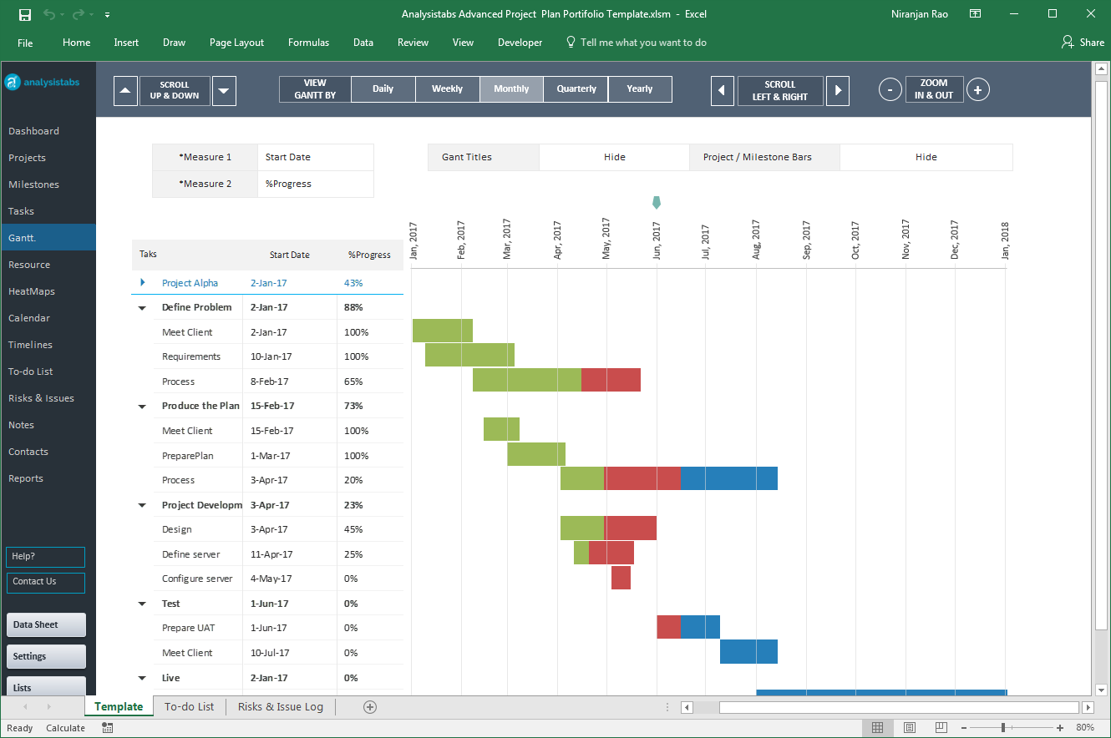

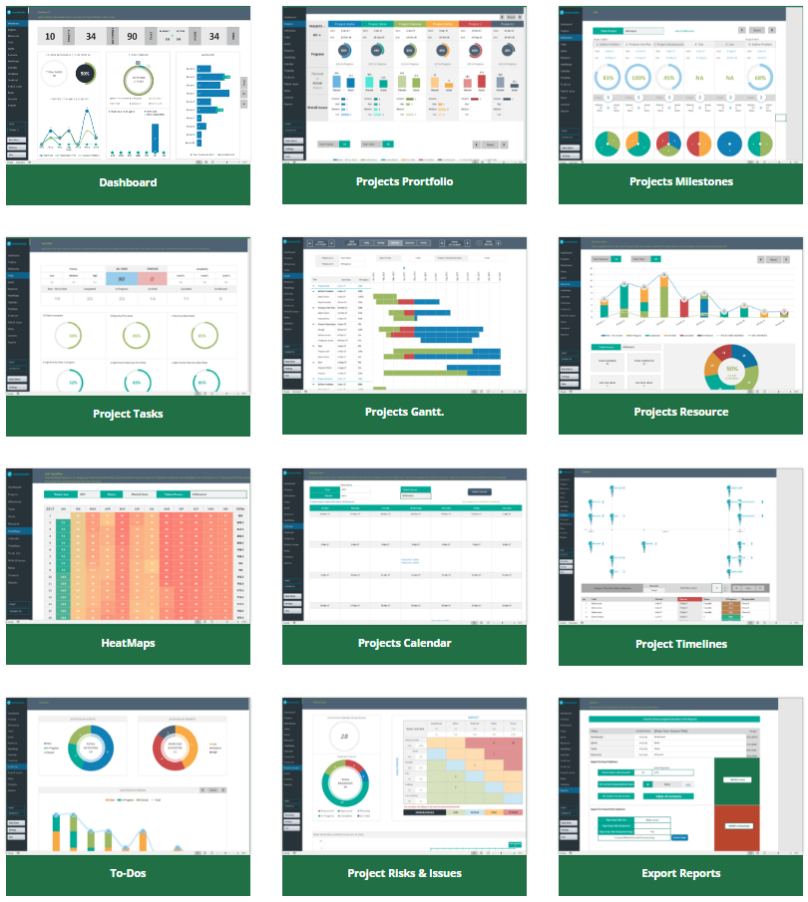

Our Most Popular Project Management Templates
Excel Templates | PowerPoint Templates | MS Word Templates
Browse All Templates4

