双向条形图
年龄段 | 男性 | 女性 | 女性
0-4 | 0.034 | 0.029 | -0.029
5-9 | 0.031 | 0.027 | -0.027
 | 男性 | 女性
0-4 | 0.034 | -0.029
5-9 | 0.031 | -0.027
10-14 | 0.033 | -0.028
15-19 | 0.042 | -0.038
20-24 | 0.051 | -0.047
25-29 | 0.04 | -0.038
30-34 | 0.036 | -0.034
35-39 | 0.044 | -0.043
40-44 | 0.046 | -0.043
45-49 | 0.039 | -0.037
50-54 | 0.031 | -0.028
55-59 | 0.031 | -0.028
60-64 | 0.021 | -0.02
65-69 | 0.015 | -0.014
70-74 | 0.012 | -0.012
75-79 | 0.008 | -0.009
80-84 | 0.004 | -0.005
85-89 | 0.002 | -0.003
90-94 | 0.000001 | -0.001
95-99 | 0.000001 | -0.000001
100+ | 0.000001 | -0.000001
10-14 | 0.033 | 0.028 | -0.028
15-19 | 0.042 | 0.038 | -0.038
20-24 | 0.051 | 0.047 | -0.047
25-29 | 0.04 | 0.038 | -0.038
30-34 | 0.036 | 0.034 | -0.034
35-39 | 0.044 | 0.043 | -0.043
40-44 | 0.046 | 0.043 | -0.043
45-49 | 0.039 | 0.037 | -0.037
50-54 | 0.031 | 0.028 | -0.028
55-59 | 0.031 | 0.028 | -0.028
60-64 | 0.021 | 0.02 | -0.02
65-69 | 0.015 | 0.014 | -0.014
70-74 | 0.012 | 0.012 | -0.012
75-79 | 0.008 | 0.009 | -0.009
80-84 | 0.004 | 0.005 | -0.005
85-89 | 0.002 | 0.003 | -0.003
90-94 | 0.000001 | 0.001 | -0.001
95-99 | 0.000001 | 0.000001 | -0.000001
100+ | 0.000001 | 0.000001 | -0.000001

 |  |  |  | 2010中国人口结构图（年龄金字塔图）
先做出辅助列，然后选中需要的数据来画图
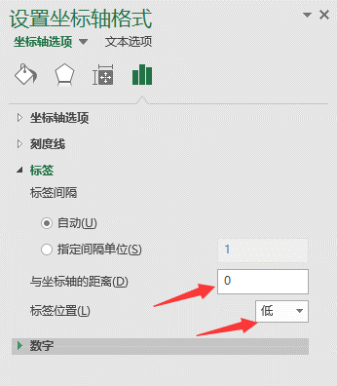
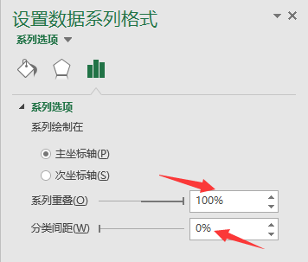
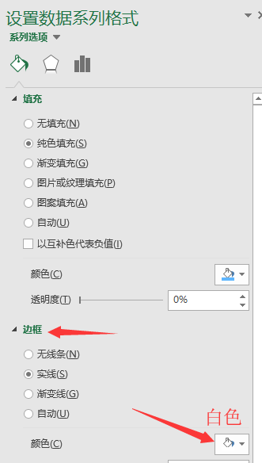
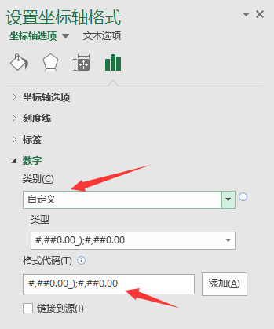

 |  |  |  |  | #,##0.00_);#,##0.00

