Fig 2
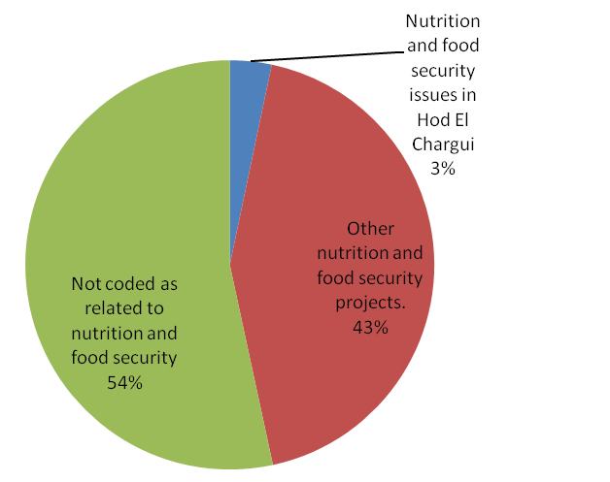
Title: | Figure 2: Recent funding for food security and nutrition in Hodh El Chargui and Assaba
Source: | UN OCHA FTS. Data downloaded 29 July 2015.

 | Sum of USD committed/contributed
 | Food and regional coding | Total
 | Nutrition and food security issues in Hod El Chargui | 1174497
 | Other nutrition and food security projects. | 15500592 | 16675089
 | Not coded as related to nutrition and food security | 19087565
 | Grand Total | 35762654

