Figure 2.1
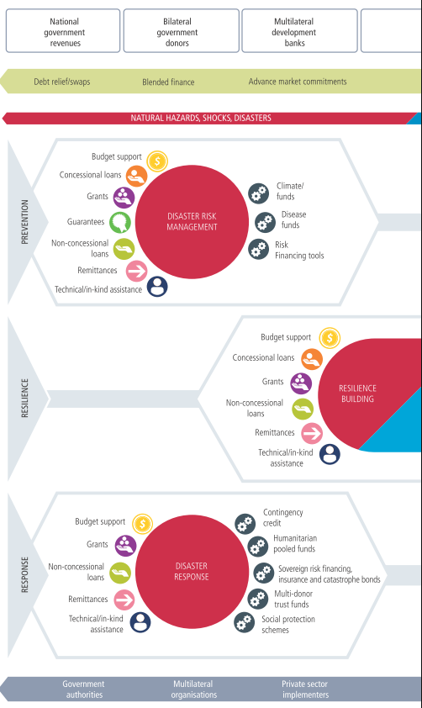
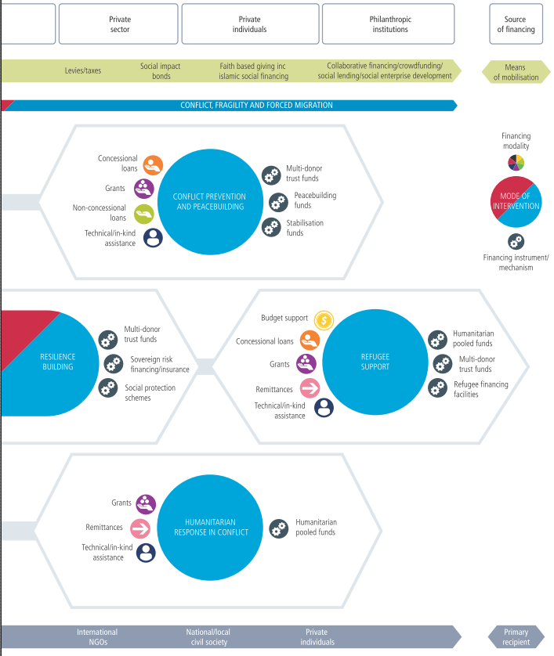
Figure # | 2.1
Title: | Modalities and instruments of financing crisis prevention, resilience and response
Source:
Notes:

Figure 2.2
Figure # | 2.2
Title: | Resource mix in the 20 countries receiving the most international humanitarian assistance, 2014
Source: | Development Initiatives based on OECD Development Assistance Committee, UN Conference on Trade and Development (UNCTAD), World Bank, International Monetary Fund, Stockholm International Peace Research Institute, Office for the Coordination of Humanitarian Affairs Financial Tracking Service and Central Emergency Response Fund data
Notes: | Negative flows for net portfolio equity, short-term debt and FDI have been set to zero at the country level. Recipients data for some resource flows is not available and therefore is excluded from the graph. Data is in constant 2014 prices.

Flow names | Values (US$ million) |  | Resource mix in the 20 countries receiving the most international humanitarian assistance, 2014
ODA gross (less humanitarian assistance) | 34,496.03 | 12.4%
International humanitarian assistance | 13,400.99 | 4.8%
Other official flows gross | 7,131.42 | 2.6%
Peacekeeping | 7,877.83 | 2.8%
Long-term debt (official) | 4,160.32 | 1.5%
Foreign direct investment | 36,259.67 | 13.0%
Long-term debt (commercial) | 97,060.25 | 34.9%
Short-term debt | 2,646.46 | 1.0%
Net portfolio equity | 6,032.47 | 2.2%
Remittances | 69,331.16 | 24.9%

International resources | 278,396.59 | 38.9%
Non-grant government revenue | 436,848.53 | 61.1%

Figure 2.3
Figure # | 2.3
Title: | Resource mix in Yemen and the Democratic Republic of the Congo (DRC), 2014
Source: | Development Initiatives based on OECD Development Assistance Committee, UN Conference on Trade and Development, World Bank, International Monetary Fund, Stockholm International Peace Research Institute, Office for the Coordination of Humanitarian Affairs Financial Tracking Service and Central Emergency Response Fund data
Notes: | Negative flows have been set to zero (foreign direct investment (FDI), long-term official debt, long-term commercial debt, short-term debt, net portfolio equity). Data is not available for peacekeeping and net portfolio equity. Data is in constant 2014 prices.

 | US$ | % | Resource mis in Yemen, 2014
ODA gross (less humanitarian assistance) | 989.69 | 20.7%
International humanitarian assistance | 353.33 | 7.4%
Other official Flows | 6.89 | 0.1%
Peacekeeping | -
Long-term debt (official) | 30.68 | 0.6%
Foreign direct investment | -
Long-term debt (commercial) | -
Short-term debt | 50.00 | 1.0%
Net portfolio equity | -
Remittances | 3,342.50 | 70.0%

International/ Domestic totals to appear in the centre
International resources | 4,773.09 | 31.8%
Non-grant government revenue | 10,247.20 | 68.2%

 |  |  | Resource mix in DRC, 2014
 | US$ | %
ODA gross (less humanitarian assistance) | 2,050.45 | 33.4%
International humanitarian assistance | 529.23 | 8.6%
Other official flows | 20.64 | 0.3%
Peacekeeping | 1,445.30 | 23.6%
Long-term debt (official) | -
Foreign direct investment | 2,063.17 | 33.7%
Long-term debt (commercial) | -
Short-term debt | -
Net portfolio equity | -
Remittances | 22.38 | 0.4%

International/ Domestic totals to appear in the centre
International resources | 6,131.18 | 56.2%
Non-grant government revenue | 4,783.76 | 43.8%

Figure 2.4
Figure # | 2.4
Title: | Number of refugees/asylum seekers hosted against non-grant government revenue for the 20 countries hosting the most refugees and asylum seekers, 2015
Source: | Development Initiatives based on the UN High Commissioner for Refugees (UNHCR), United Nations Relief and Works Agency for Palestine Refugees in the Near East (UNRWA) and International Monetary Fund World (IMF) Economic Outlook (April 2016 version) and IMF article IV reports
Notes: | All revenue data is from the financial year 2015. For five countries (Pakistan, Iran, Ethiopia, Kenya and Uganda) revenue data is based on the financial year 2014/2015. In 10 countries, in-year projections were used and for one (Sudan) a projection for 2015 revenue data was made in late 2014. The number of refugees hosted within Palestine and Syria according to UNRWA data are not included due to lack of available data on non-grant government revenue for Palestine and Syria.

 | Top 20 refugee-hosting countries | Number of refugees and asylum seekers | Non-grant revenue US$ per capita
 | Jordan | 2,806,414.00 | 1,300.87
 | Turkey | 2,753,760.00 | 3,392.85
 | Pakistan | 1,567,604.00 | 208.47
 | Lebanon | 1,535,662.00 | 2,196.69
 | South Africa | 1,217,708.00 | 1,688.94
 | Islamic Rep. of Iran | 979,479.00 | 713.63
 | Ethiopia | 738,217.00 | 103.46
 | Germany | 736,740.00 | 18,289.91
 | Kenya | 593,881.00 | 254.01
 | United States | 559,370.00 | 17,828.53
 | Uganda | 512,966.00 | 78.24
 | Dem. Rep. of the Congo | 384,078.00 | 66.93
 | Chad | 372,438.00 | 101.06
 | Cameroon | 348,346.00 | 214.12
 | France | 336,183.00 | 20,054.39
 | Sweden | 326,566.00 | 24,124.24
 | Sudan | 322,220.00 | 267.73
 | Russia | 316,594.00 | 2,983.39
 | China | 301,729.00 | 2,329.86
 | Iraq | 285,121.00 | 1,440.97

Figure 2.5
Figure # | 2.5
Title: | In-donor refugee-hosting costs reported to the OECD DAC in 2014 and 2015
Source: | Development Initiatives based on OECD Development Assistance Committee data
Notes: | In-donor refugee costs are reported as ODA for all donors and Syrian refugee-hosting costs are reported as humanitarian assistance by Turkey. Data is in constant 2014 prices.

 |  | 2014 | 2015
 | Germany | 0.2 | 3.5
 | Sweden | 1.1 | 2.9
 | Turkey | 2.4 | 2.9
 | Netherlands | 0.9 | 1.6
 | US | 1.2 | 1.2
 | Italy | 0.8 | 1.2
 | Norway | 0.3 | 0.6
 | Switzerland | 0.5 | 0.5
 | Denmark | 0.3 | 0.5
 | France | 0.5 | 0.4
 | UK | 0.2 | 0.4
 | Austria | 0.1 | 0.4
 | Belgium | 0.2 | 0.3
 | Canada | 0.2 | 0.2
 | 18 other donors | 0.1 | 0.2

Figure 2.6
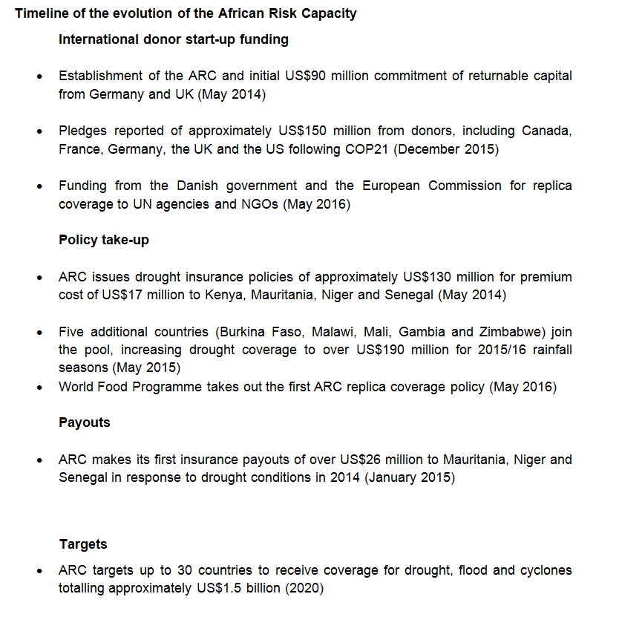
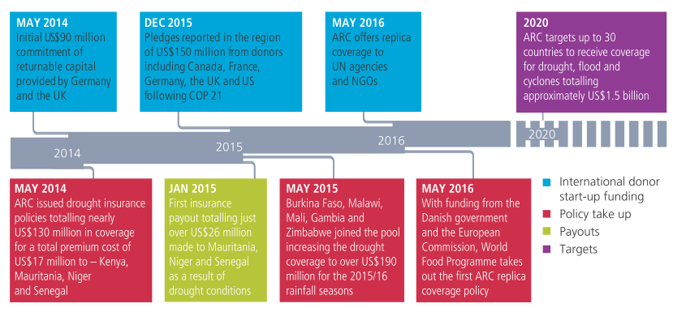
Figure # | 2.6
Title: | Timeline of the evolution of the African Risk Capacity (ARC)
Source: | Africa Risk Capacity, DEVEX and the World Food Programme
Notes: | COP21: 2015 UN Climate Change Conference.

Figure 2.7
Figure # | 2.7
Title: | ODA (excluding official humanitarian assistance) and official humanitarian assistance to developing countries by Fund for Peace category, 2007-2014
Source: | Development Initiatives based on Fund for Peace (FFP) Index and OECD Development Assistance Committee data
Notes: | For each FFP category, aggregate ODA (excluding humanitarian assistance) and official humanitarian assistance flows include the sum of disbursements to developing countries included in each category. FFP categories ‘Sustainable’ and ‘Very sustainable’ have been excluded from the analysis since they include no eligible ODA recipients.
ODA (excluding humanitarian assistance) by Fund for Peace category
 | Very High Alert | High Alert | Alert | High Warning | Warning | Low Warning | Less Stable | Stable | More Stable
2007 | 10954.118105 | 9527.2349623 | 18163.627764 | 24351.058825 | 27369.811482 | 4000.0430897 | 1651.2161143 | 326.85104446 | 134.65995606
2008 | 11722.160145 | 12399.499215 | 17930.546454 | 24797.247127 | 24717.485728 | 5443.0293595 | 544.7478563 | 369.52467748 | 130.39232494
2009 | 2085.4809574 | 21068.737879 | 19966.079391 | 28092.0859 | 21346.064505 | 6348.8937093 | 289.12456266 | 405.76549411 | 106.13523745
2010 | 2351.5047204 | 24270.181858 | 19748.25085 | 27661.207166 | 20907.705876 | 6697.3757124 | 328.79849982 | 359.65002912 | 187.93696229
2011 | 559.88228973 | 21472.035532 | 19616.851426 | 26074.844054 | 26787.446041 | 6053.4623231 | 687.06453523 | 548.97362894 | 0
2012 | 2908.4547637 | 22039.596747 | 17861.583717 | 21525.898079 | 29458.156423 | 6858.1178212 | 635.42471522 | 636.12611489 | 0
2013 | 3877.4436757 | 16848.797196 | 26962.5099 | 24584.12858 | 28378.213682 | 6329.4048829 | 639.18199447 | 426.68492524 | 46.018460992
2014 | 4080.8314522 | 13923.502703 | 22828.824533 | 19794.531415 | 34134.217289 | 5068.2176194 | 529.91150396 | 543.23847614 | 96.702330632
 | ODA (excluding humanitarian assistance), US$ millions
 |  | 2007 | 2008 | 2009 | 2010 | 2011 | 2012 | 2013 | 2014
 | Very high alert | 10,954.12 | 11,722.16 | 2,085.48 | 2,351.50 | 559.88 | 2,908.45 | 3,877.44 | 4,080.83
 | High alert | 9,527.23 | 12,399.50 | 21,068.74 | 24,270.18 | 21,472.04 | 22,039.60 | 16,848.80 | 13,923.50
 | Alert | 18,163.63 | 17,930.55 | 19,966.08 | 19,748.25 | 19,616.85 | 17,861.58 | 26,962.51 | 22,828.82
 | High warning | 24,351.06 | 24,797.25 | 28,092.09 | 27,661.21 | 26,074.84 | 21,525.90 | 24,584.13 | 19,794.53
 | Warning | 27,369.81 | 24,717.49 | 21,346.06 | 20,907.71 | 26,787.45 | 29,458.16 | 28,378.21 | 34,134.22
 | Low aarning | 4,000.04 | 5,443.03 | 6,348.89 | 6,697.38 | 6,053.46 | 6,858.12 | 6,329.40 | 5,068.22
 | Less stable | 1,651.22 | 544.75 | 289.12 | 328.80 | 687.06 | 635.42 | 639.18 | 529.91
 | Stable | 326.85 | 369.52 | 405.77 | 359.65 | 548.97 | 636.13 | 426.68 | 543.24
 | More stable | 134.66 | 130.39 | 106.14 | 187.94 | - | - | 46.02 | 96.70

Official humanitarian assistance by Fund for Peace category
 | Very High Alert | High Alert | Alert | High Warning | Warning | Low Warning | Less Stable | Stable | More Stable
2007 | 2182.0254994 | 1347.3001187 | 1860.4893979 | 787.0711231 | 564.14927255 | 33.819451303 | 11.876276657 | 1.8112815407 | 0.94925594464
2008 | 2984.997189 | 2247.0716258 | 2583.7659928 | 1332.8790668 | 593.29923633 | 37.541331531 | 9.7690706975 | 1.3193065179 | 0.89351506371
2009 | 2575.3433936 | 2950.2630532 | 1970.5857806 | 1882.7556462 | 395.51371132 | 32.692620668 | 7.7216613385 | 4.4201148862 | 1.5671925457
2010 | 1666.6187496 | 4558.0031943 | 1968.1704912 | 1562.470543 | 498.45181456 | 35.392458624 | 8.5989651754 | 2.9691878763 | 39.702267707
2011 | 931.75925727 | 5156.2174681 | 2059.066711 | 1896.2236813 | 671.71602444 | 528.69430688 | 11.463250766 | 11.756036063 | 0
2012 | 947.14147134 | 3471.7276053 | 2292.1510987 | 1865.7408025 | 1060.514513 | 47.103734828 | 10.174568783 | 8.8575001055 | 0
2013 | 2654.2378213 | 2153.2273905 | 3606.7909441 | 2237.2905435 | 1064.6845755 | 61.42089812 | 20.491939534 | 6.5427767633 | 0.5234140078
2014 | 2926.7885478 | 3683.027297 | 1742.6854665 | 2057.7885851 | 2377.172711 | 96.7423806 | 5.6584960407 | 6.1515238635 | 0.307669368
 | Official humanitarian assistance, US$ millions
 |  | 2007 | 2008 | 2009 | 2010 | 2011 | 2012 | 2013 | 2014
 | Very high alert | 2,182.03 | 2,985.00 | 2,575.34 | 1,666.62 | 931.76 | 947.14 | 2,654.24 | 2,926.79
 | High alert | 1,347.30 | 2,247.07 | 2,950.26 | 4,558.00 | 5,156.22 | 3,471.73 | 2,153.23 | 3,683.03
 | Alert | 1,860.49 | 2,583.77 | 1,970.59 | 1,968.17 | 2,059.07 | 2,292.15 | 3,606.79 | 1,742.69
 | High warning | 787.07 | 1,332.88 | 1,882.76 | 1,562.47 | 1,896.22 | 1,865.74 | 2,237.29 | 2,057.79
 | Warning | 564.15 | 593.30 | 395.51 | 498.45 | 671.72 | 1,060.51 | 1,064.68 | 2,377.17
 | Low warning | 33.82 | 37.54 | 32.69 | 35.39 | 528.69 | 47.10 | 61.42 | 96.74
 | Less stable | 11.88 | 9.77 | 7.72 | 8.60 | 11.46 | 10.17 | 20.49 | 5.66
 | Stable | 1.81 | 1.32 | 4.42 | 2.97 | 11.76 | 8.86 | 6.54 | 6.15
 | More stable | 0.95 | 0.89 | 1.57 | 39.70 | - | - | 0.52 | 0.31

Figure 2.8
Figure # | 2.8
Title: | ODA to Sierra Leone 2005–2014, showing investments in health-related interventions and emergency response before and during the Ebola virus disease outbreak
Source: | Development Initiatives based on OECD Development Assistance Committee (DAC) data
Notes: | Total official development assistance (ODA) to the specified categories is derived from data reported against a number of relevant OECD DAC Creditor Reporting System (CRS) purpose codes. Figures for emergency response represent only that reported as ODA to the CRS. Data is in 2014 constant prices.

 |  | 2005 | 2006 | 2007 | 2008 | 2009 | 2010 | 2011 | 2012 | 2013 | 2014
 | ODA to specific diseases | 10.84 | 11.48 | 11.46 | 20.36 | 19.34 | 34.19 | 30.52 | 20.73 | 26.90 | 36.30
 | ODA to health systems strengthening | 22.42 | 12.38 | 14.57 | 15.01 | 9.16 | 5.76 | 8.08 | 13.69 | 10.08 | 14.10
 | ODA to infectious disease control | 2.16 | 4.02 | 4.26 | 1.14 | 5.30 | 1.57 | 0.25 | 0.19 | 0.20 | 66.47
 | ODA to all other health | 6.85 | 10.56 | 14.36 | 19.75 | 36.07 | 51.24 | 29.08 | 39.88 | 56.74 | 48.37
 | Emergency-response humanitarian aid | 28.01 | 16.01 | 3.84 | 7.41 | 4.14 | 5.34 | 11.06 | 14.53 | 8.58 | 343.50
 | Total ODA to all sectors (excluding debt relief) | 377.70 | 335.79 | 327.36 | 390.13 | 446.46 | 471.68 | 406.13 | 452.61 | 432.71 | 929.33

 | ODA to specific diseases | ODA to health systems strengthening | ODA to infectious disease control | ODA to all other health | Emergency response humanitarian aid | ODA to all sectors (excl. debt relief)
2005 | 10.84285 | 22.415733 | 2.155119 | 6.851132 | 28.009828 | 377.695608
2006 | 11.48071 | 12.383145 | 4.020977 | 10.564126 | 16.006179 | 335.793958
2007 | 11.460107 | 14.568621 | 4.263288 | 14.364947 | 3.836769 | 327.355084
2008 | 20.364948 | 15.007998 | 1.142461 | 19.751164 | 7.411425 | 390.126553
2009 | 19.339721 | 9.164787 | 5.301412 | 36.067632 | 4.144789 | 446.459395
2010 | 34.189667 | 5.759801 | 1.574738 | 51.243656 | 5.337092 | 471.682688
2011 | 30.524128 | 8.075892 | 0.252378 | 29.082557 | 11.055808 | 406.125787
2012 | 20.726556 | 13.6889 | 0.186742 | 39.875071 | 14.526498 | 452.607654
2013 | 26.900557 | 10.083183 | 0.195375 | 56.737677 | 8.579285 | 432.714418
2014 | 36.301302 | 14.10237 | 66.467176 | 48.365508 | 343.502492 | 929.32813

