Fig. 5.2
Title: | Figure 5.2: International humanitarian assistance and humanitarian-related contributions to eight UN agencies, 2011–2016
Sources: | Development Initiatives based on annual reports and data provided bilaterally by UN agencies.
Notes: | The calculation comprises earmarked and unearmarked humanitarian assistance and humanitarian-related contributions given to Food and Agricultural Organization (FAO), International Organisation for Migration (IOM), UN OCHA, UNHCR, UNICEF, UN Relief and Works Agency for Palestinian Refugees in the Near East (UNRWA), World Food Programme (WFP) and World Health Organization (WHO). WFP figures represent total allocations to humanitarian operations as funding cannot be disaggregated by humanitarian and non-humanitarian contributions; further funding may be in the pipeline, but not yet recorded against humanitarian programmes. 2016 data for all agencies is preliminary and may be revised. The data used in this analysis differs from data used in Figure 5.1. Data is in constant 2015 prices.

 | Values are in constant US$ billions
 | Agency | 2011 | 2012 | 2013 | 2014 | 2015 | 2016
 | FAO | 0.32 | 0.35 | 0.33 | 0.34 | 0.35 | 0.36
 | IOM | 0.65 | 0.56 | 0.55 | 0.78 | 0.87 | 0.98
 | UN OCHA | 0.19 | 0.20 | 0.20 | 0.21 | 0.24 | 0.26
 | WFP | 2.82 | 3.08 | 3.20 | 3.73 | 4.09 | 4.44
 | WHO | 0.20 | 0.22 | 0.13 | 0.46 | 0.52 | 0.89
 | UNHCR | 1.92 | 2.14 | 2.73 | 3.08 | 3.41 | 3.88
 | UNICEF | 0.85 | 0.75 | 1.20 | 1.42 | 1.78 | 1.61
 | UNRWA | 0.88 | 0.84 | 1.10 | 1.20 | 1.25 | 1.24

Fig. 5.3
Title: | Figure 5.3: International humanitarian assistance channelled directly to NGOs, by category, 2016
Source: | Development Initiatives based on UN OCHA FTS data.
Notes: | Figure shows humanitarian assistance to each category of non-governmental organisation (NGO) as a percentage of the total humanitarian assistance channelled through NGOs; it does not show funding channelled to categories of NGOs as a percentage of total international humanitarian assistance. Circles are scaled by percentage. For definitions of different NGO types and details of our methodology, see Methodology and definitions. Data is in current prices.

 | International NGOs | Southern international NGOs | National NGOs | Internationally affiliated NGOs | Local NGOs | Undefined
1 | 7 | 5 | 4 | 3 | 2 | 1
 | Values are in US$ millions
 | NGO category | 2016 funding | % of total to NGOs 2016
 | Undefined | 509 | 11.7%
 | Local NGOs | 7 | 0.2%
 | Internationally affiliated NGOs | 13 | 0.3%
 | National NGOs | 59 | 1.4%
 | Southern international NGOs | 69 | 1.6%
 | International NGOs | 3,682 | 84.9%
 | Total | 4,339 | 100.0%

Fig. 5.4
Title: | Figure 5.4: Direct funding to local and national responders reported to UN OCHA FTS, 2016
Source: | Development Initiatives based on UN OCHA FTS data.
Notes: | RCRC: International Red Cross and Red Crescent Movement. Government authorities in Greece, Bulgaria and Bahamas are counted as national responders since they received international humanitarian assistance in 2016. RCRC National Societies that received international humanitarian assistance to respond to domestic crises are included. For organisation coding methodology, see Methodology and definitions. Data is in current prices.

International responders | 22,591
Southern international NGOs | 69
Internationally affiliated NGOs | 13
Local NGOs | 7
Local government | 0
RCRC national societies | 20
National NGOs | 59
National government | 359
 | Organisation type | US$ millions
 | International responders | 22,591
 | Southern international NGOs | 69
 | Internationally affiliated NGOs | 13

 | Local NGOs | 7
 | Local government | 0.04
 | RCRC national societies | 20 | National and local responders | 445
 | National NGOs | 59
 | National government | 359

Fig. 5.6
Title: | Figure 5.6: Total funding to UN-managed humanitarian pooled funds, 2007–2016
Sources: | Development Initiatives based on UN OCHA FTS and UN CERF data.
Notes: | CBPF: country-based pooled funds – including emergency response funds and common humanitarian funds. Annual figures include carry-over from the previous year. Data is in constant 2015 prices.

 | Values are in constant US$ millions
 |  | 2007 | 2008 | 2009 | 2010 | 2011 | 2012 | 2013 | 2014 | 2015 | 2016
 | CERF | 351 | 394 | 367 | 393 | 397 | 374 | 413 | 413 | 403 | 432
 | CBPFs | 283 | 379 | 366 | 481 | 492 | 496 | 456 | 528 | 759 | 755
 | Total | 634 | 774 | 733 | 873 | 889 | 870 | 869 | 941 | 1,162 | 1,187

Fig. 5.7
Title: | Figure 5.7: First- and second-level recipients of CERF funding, 2015
Source: | Development Initiatives based on UN CERF data.
Notes: | INGO: international non-governmental organisation. NNGO: national non-governmental organisation. RCRC: International Red Cross Red Crescent Movement. UN agencies include: Food and Agriculture Organization (FAO), International Organization for Migration (IOM), UNHCR, UNICEF, UN Population Fund (UNFPA), World Food Programme (WFP) and World Health Organization (WHO). 'Other UN agencies' includes: UN Development Programme, UN Office for Project Services, UN Relief and Works Agency for Palestine Refugees in the Near East, UN Women. The UN agencies’ own classification of organisations, collated by CERF, is used for this analysis and differs from DI’s methodology used in Figures 5.3 and 5.4. Data is in current prices.

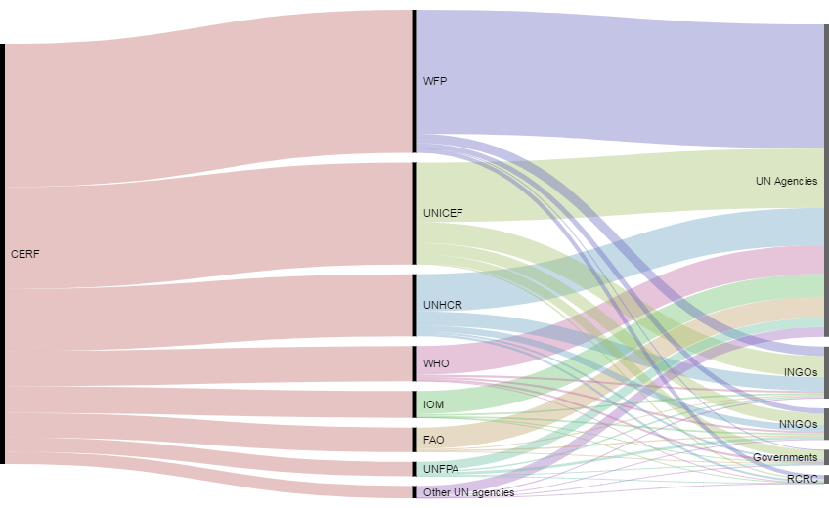
 | Values are in current US$
 | UN Agency | Sub-grants of 2015 CERF grants by organisation type |  |  |  |  | CERF grants grand total
 |  | Government | INGO | NNGO | RCRC | Sub-grant total
 | FAO | 764,086 | 1,226,592 | 1,525,643 | 0 | 3,516,321 | 27,402,155
 | IOM | 77,697 | 2,049,250 | 1,955,298 | 216,117 | 4,298,362 | 29,892,963
 | UNFPA | 966,742 | 1,804,280 | 3,129,862 | 150,992 | 6,051,876 | 16,086,989
 | UNHCR | 2,254,739 | 15,715,045 | 7,176,100 | 2,622,572 | 27,768,456 | 69,409,676
 | UNICEF | 9,677,468 | 23,385,869 | 12,808,466 | 1,644,469 | 47,516,272 | 113,909,255
 | WFP | 696,529 | 10,481,242 | 5,568,869 | 4,456,275 | 21,202,915 | 159,928,948
 | WHO | 2,371,977 | 2,224,707 | 2,271,617 | 484,241 | 7,352,542 | 39,377,647
 | Other UN agencies | 435,254 | 1,293,120 | 835,842 | 111,967 | 2,676,183 | 13,642,375
 | Total | 17,244,492 | 58,180,105 | 35,271,697 | 9,686,633 | 120,382,927 | 469,650,008

Fig. 5.8
Title: | Figure 5.8: UN-managed humanitarian country-based pooled funding by recipient type, 2012–2016
Source: | Development Initiatives based on UN OCHA’s FTS data and Country-based pooled fund (CBPF) Grant Management System.
Notes: | RCRC: International Red Cross and Red Crescent Movement. ‘Other’ includes: think tanks, academic and research institutions; national governments; foundations; unspecified organisations. Coding of organisations in receipt of funding from Turkey CBPF in 2016 is based on definitions used by CBPF Grant Management System. 'UN agencies and other multilateral organisations' includes the International Organization for Migration, which became a UN organisation in 2016. Data is in constant 2015 prices.

 | Values are in constant US$ millions
 | Recipient Codename | 2012 | 2013 | 2014 | 2015 | 2016 | NGOs | 2016
 | NGOs | 182 | 183 | 196 | 281 | 412 | All other NGOs | 307
 | Other | 9 | 14 | 8 | 12 | 15 | Local/national NGOs | 105
 | RCRC | 2 | 2 | 2 | 3 | 5
 | UN agencies and other multilateral organisations | 161 | 135 | 174 | 196 | 249
 | Private organisations and corporations | 5 | 4 | 3 | 3 | 0
 | Total | 359 | 337 | 383 | 494 | 681

Fig. 5.9
Title: | Figure 5.9: Earmarked and unearmarked international humanitarian assistance and humanitarian-related contributions to eight UN agencies, 2011–2016
Sources: | Development Initiatives based on annual reports and data provided bilaterally by UN agencies.
Notes: | The calculation comprises earmarked and unearmarked humanitarian assistance and humanitarian-related contributions given to UN OCHA, UNHCR, UN Relief and Works Agency for Palestinian Refugees in the Near East, World Food Programme, UNICEF, Food and Agricultural Organization (FAO), International Organisation for Migration (IOM) and World Health Organization. The data used in this analysis differs from data used in Figure 5.1. WFP figures represent total allocations to humanitarian operations as funding cannot be disaggregated by humanitarian and non-humanitarian contributions; further funding may be in the pipeline, but not yet recorded against humanitarian programmes. FAO data for 2011 and IOM data for 2016 are captured entirely as earmarked since a breakdown of earmarked and unearmarked funding is not available for those years. 2016 data for all agencies is preliminary and may be revised. Data is in constant 2015 prices.

 | Values are in constant US$ billions
 | Funding | 2011 | 2012 | 2013 | 2014 | 2015 | 2016
 | Unearmarked funding | 1.4 | 1.5 | 1.5 | 1.6 | 1.86 | 1.90
 | Earmarked funding | 6.4 | 6.6 | 8.0 | 9.6 | 10.6 | 11.8
 | Unearmarked funding % of total | 18% | 18% | 16% | 14% | 15% | 14%

Fig. 5.10
Title: | Figure 5.10: Type of cash-based programming by organisation type, 2015
Source: | Development Initiatives based on data supplied by agencies operating cash and voucher programmes.
Notes: | RCRC: International Red Cross and Red Crescent Movement. This data is partial and only represents organisations where an accurate breakdown is possible. UN agency funding includes data from the World Food Programme and UNHCR only. This figure excludes a US$3 million contribution directly implemented by a government agency. This analysis was initially published in a Development Initiatives/Overseas Development Institute report, but has been supplemented with additional data and subsequently amended.

 | Organisation type | Cash | Vouchers
 | RCRC | 96% | 4%
 | NGOs | 86% | 14%
 | UN agencies | 45% | 55%

Fig. 5.11
Title: | Figure 5.11: Ten countries receiving the most funding for humanitarian cash-based programming, 2015 and 2016
Source: | Development Initiatives based on UN OCHA FTS data.
Notes: | DRC: Democratic Republic of the Congo. This does not include analysis on projects reported as containing a partial cash element. This analysis was initially published in a Development Initiatives/Overseas Development Institute report but has been supplemented with additional data and subsequently amended.

2015
2016
 | 2015 |  | 2016
 | Destination country | % of total | Destination country | % of total
 | Syria | 34% | Yemen | 33%
 | Palestine | 15% | Syria | 12%
 | Lebanon | 15% | Lebanon | 9%
 | Jordan | 8% | Palestine | 7%
 | Yemen | 4% | Iraq | 5%
 | Sierra Leone | 4% | Zimbabwe | 3%
 | Iraq | 3% | Jordan | 3%
 | Liberia | 3% | Uganda | 2%
 | DRC | 2% | Greece | 2%
 | Haiti | 2% | Malawi | 1%
 | Other recipients | 10% | Other recipients | 23%
 | Total | 100% | Total | 100%

