Figure 7.1
Figure # | 7.1
Title: | WFP's cash and voucher programming (total transfer values to beneficiaries by region), 2009–2015
Source | World Food Programme (WFP)
Notes: | Data is broken down by WFP regional bureau and consists of combined cash and voucher transfer value to beneficiaries only, excluding additional costs. Data is in current prices.

WFP Regional Bureaux by year | 2009 | 2010 | 2011 | 2012 | 2013 | 2014 | 2015
Middle East, North Africa, Eastern Europe and Central Asia | 2.9 | 13.0 | 36.5 | 54.6 | 361.6 | 687.4 | 489.0
Eastern and Central Africa | 0.0 | 0.1 | 13.8 | 22.7 | 32.1 | 51.7 | 60.6
West Africa | 3.6 | 6.6 | 13.8 | 64.5 | 53.8 | 47.6 | 51.4
Asia and the Pacific | 3.1 | 29.5 | 19.7 | 26.8 | 21.2 | 21.2 | 27.6
Southern Africa | 0.8 | 7.0 | 6.7 | 14.1 | 31.4 | 24.3 | 27.0
Latin American and the Caribbean | 0.0 | 3.7 | 30.1 | 1.2 | 6.9 | 11.9 | 25.0
Total | 10.3 | 59.9 | 120.6 | 183.9 | 507.0 | 844.0 | 680.5

Figure 7.2
Figure # | 7.2
Title: | Earmarked and unearmarked international humanitarian assistance from governments to six UN agencies, 2010–2014
Source: | Development Initiatives based on OECD Development Assistance Committee (DAC), UN Office for the Coordination of Humanitarian Affairs (OCHA) Financial Tracking Service, UN Central Emergency Response Fund data
Notes: | The calculation is composed of earmarked and unearmarked humanitarian assistance given by governments to the UN High Commissioner for Refugees, UN Relief and Works Agency for Palestine Refugees in the Near East, World Food Programme, UNICEF, Food and Agriculture Organization (FAO) and UN OCHA. Unearmarked humanitarian contributions for FAO and UN OCHA from DAC governments are not included for 2010 due to a lack of available data. See Methodology and definitions for more details. Data is in constant 2014 prices.

 | US$ billion
 |  | 2010 | 2011 | 2012 | 2013 | 2014
 | Unearmarked funding | 1.1 | 1.4 | 1.4 | 1.4 | 1.5
 | Earmarked funding | 4.5 | 4.8 | 4.4 | 6.2 | 7.4
 | Unearmarked funding as % of total | 20% | 22% | 24% | 18% | 16%

Figure 7.3
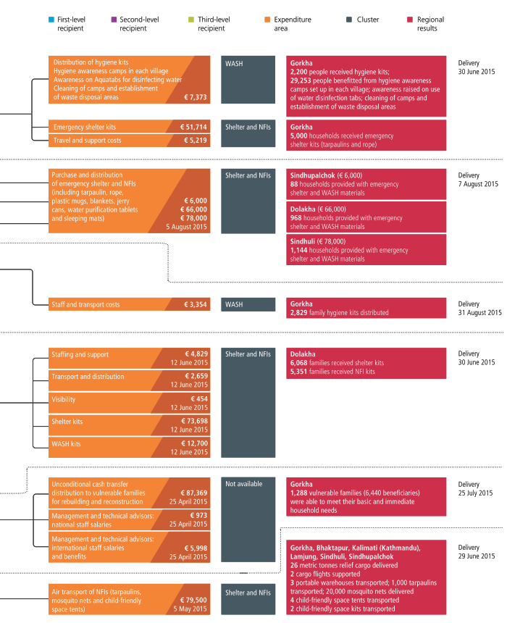
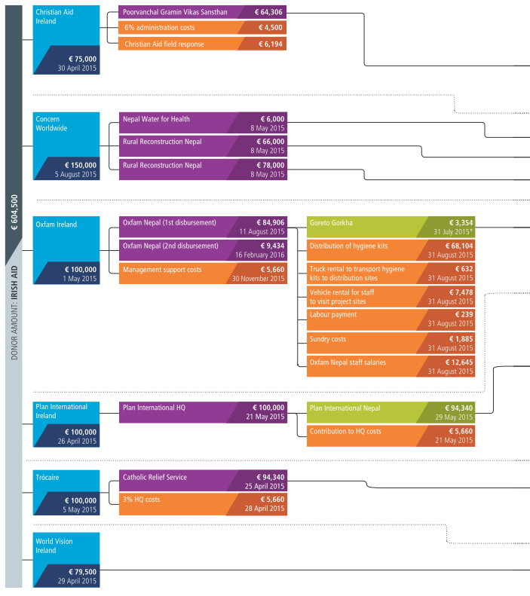
Figure # | 7.3
Title: | Irish Aid funding in response to the April 2015 Nepal earthquake
Source: | Development Initiatives based on International Aid Transparency Initiative (IATI) Standard data and data provided by Irish Aid, Christian Aid Ireland, Concern Worldwide, Oxfam Ireland, Plan International Ireland, Trócaire and World Vision Ireland
Notes: | HQ: head quarters; NFI: non-food items; WASH: water, sanitation and hygiene. *Funds released to Goreto Gorkha by Oxfam Nepal before funding was received from Oxfam Ireland; results and clusters disaggregated by district where possible.

