Figure 1
Disability-inclusive ODA: Aid data on donors, channels, recipients
Overall disability-relevant aid
Figure 1
Title: | Aid projects targeting persons with disabilities made up less than 2% of all international aid between 2014 and 2018
Source: | Development Initiatives based on OECD DAC CRS.
Notes: | Disability-relevant aid projects were identified using the DI keyword approach.
Geographical information: | Global
Author: | Dan Walton

Year | Principal disability component | Significant disability component
2014 | 0.1% | 1.3%
2015 | 0.1% | 1.1%
2016 | 0.1% | 1.3%
2017 | 0.2% | 1.5%
2018 | 0.2% | 1.8%

Figure 2
Disability-inclusive ODA: Aid data on donors, channels, recipients
Disability-inclusive aid
Figure 2
Title: | Aid to disability-inclusive projects was just under US$1 billion in 2018
Source: | Development Initiatives based on OECD DAC CRS.
Notes: | Disability-inclusive aid projects were identified using the DI keyword approach.
Geographical information: | Global
Author: | Dan Walton

Year | (US$ billions)
 | Other disability relevant support | Disability inclusive
2014 | 1.7 | 0.5
2015 | 1.6 | 0.5
2016 | 2.1 | 0.6
2017 | 2.5 | 0.7
2018 | 2.7 | 0.9

Figure 3
Disability-inclusive ODA: Aid data on donors, channels, recipients
Findings from the DAC marker
Figure 2
Title: | In 2018, 9% of DAC-marked disability aid used disability-inclusive keywords in project titles and descriptions
Source: | Development Initiatives based on OECD DAC CRS.
Notes:
Geographical information: | Global
Author: | Dan Walton

US$ billions
Marked 'non-targeted' in DAC | Not marked in DAC | Contains inclusion keywords | No inclusion keywords
82.68 | 139.64 | 0.36 | 3.95

Figure 4
Disability-inclusive ODA: Aid data on donors, channels, recipients
Breakdown of disability-inclusive aid by CRPD sub-purpose
Figure 4
Title: | Aid projects that target a mixture of areas make up almost half of all disability-inclusive aid
Source: | Development Initiatives based on OECD DAC CRS.
Notes: | Disability-inclusive aid projects were identified using the DI keyword approach.
Geographical information: | Global
Author: | Dan Walton

 | US$ billions
 | 2014 | 2015 | 2016 | 2017 | 2018
Education | 0.1 | 0.1 | 0.0 | 0.1 | 0.1
Employment | 0.0 | 0.0 | 0.0 | 0.0 | 0.1
Family support | 0.0 | 0.0 | 0.0 | 0.0 | 0.0
Self-advocacy and rights | 0.1 | 0.1 | 0.1 | 0.2 | 0.2
Mixed | 0.2 | 0.2 | 0.3 | 0.4 | 0.4
Other | 0.1 | 0.1 | 0.1 | 0.1 | 0.2

Figure 5
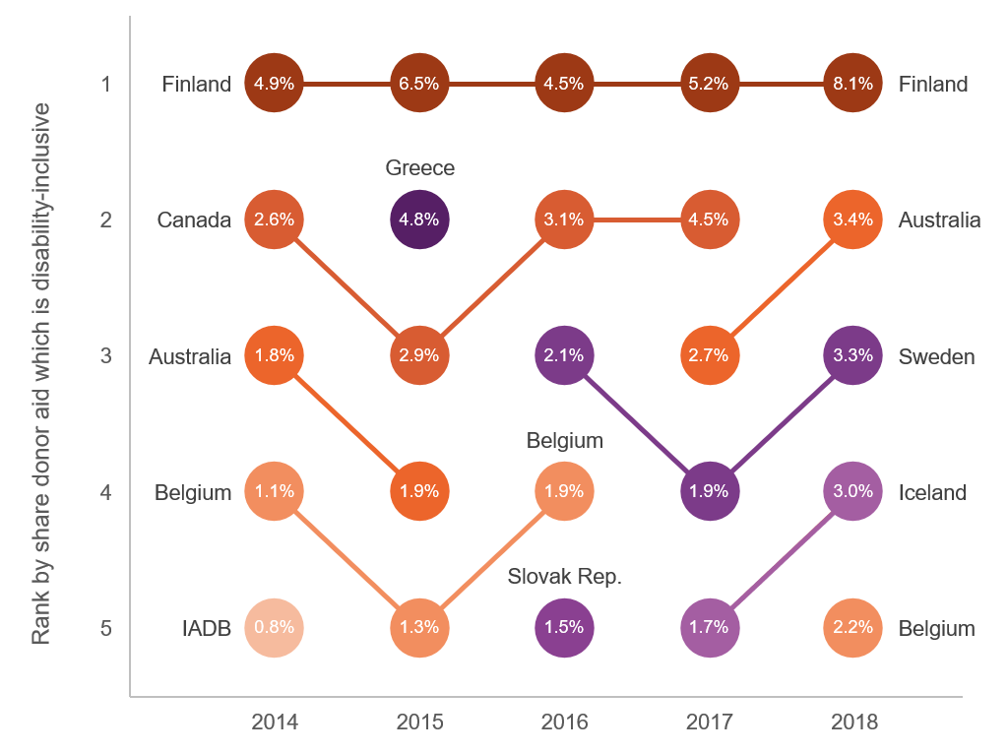
Disability-inclusive ODA: Aid data on donors, channels, recipients
Donors
Figure 5
Title: | On average, the five most disability-inclusion focused donors contribute just 3% of their total ODA to inclusive projects
Source: | Development Initiatives based on OECD DAC CRS.
Notes: | Disability-inclusive aid projects were identified using the DI keyword approach.
Geographical information: | Global
Author: | Dan Walton

 | 2014 |  | 2015 |  | 2016 |  | 2017 |  | 2018
Rank | Donor | Share donor aid | Donor | Share donor aid | Donor | Share donor aid | Donor | Share donor aid | Donor | Share donor aid
1 | Finland | 4.9% | Finland | 6.5% | Finland | 4.5% | Finland | 5.2% | Finland | 8.1%
2 | Canada | 2.6% | Greece | 4.8% | Canada | 3.1% | Canada | 4.5% | Australia | 3.4%
3 | Australia | 1.8% | Canada | 2.9% | Sweden | 2.1% | Australia | 2.7% | Sweden | 3.3%
4 | Belgium | 1.1% | Australia | 1.9% | Belgium | 1.9% | Sweden | 1.9% | Iceland | 3.0%
5 | Inter-American Development Bank | 0.8% | Belgium | 1.3% | Slovak Republic | 1.5% | Iceland | 1.7% | Belgium | 2.2%

Figure 6
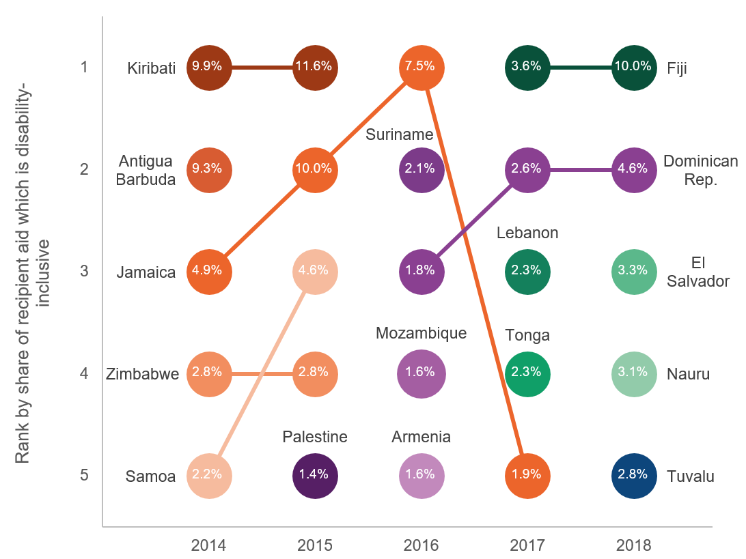
Disability-inclusive ODA: Aid data on donors, channels, recipients
Recipients
Figure 6
Title: | Major recipients of disability-inclusive aid tend to be small island states, but there is little consistency over the past 5 years
Source: | Development Initiatives based on OECD DAC CRS.
Notes: | Disability-inclusive aid projects were identified using the DI keyword approach.
Geographical information: | Global
Author: | Dan Walton

 | 2014 |  | 2015 |  | 2016 |  | 2017 |  | 2018
Rank | Recipient | Share recipient aid | Recipient | Share recipient aid | Recipient | Share recipient aid | Recipient | Share recipient aid | Recipient | Share recipient aid
1 | Kiribati | 9.9% | Kiribati | 11.6% | Jamaica | 7.5% | Fiji | 3.6% | Fiji | 10.0%
2 | Antigua and Barbuda | 9.3% | Jamaica | 10.0% | Suriname | 2.1% | Dominican Republic | 2.6% | Dominican Republic | 4.6%
3 | Jamaica | 4.9% | Samoa | 4.6% | Dominican Republic | 1.8% | Lebanon | 2.3% | El Salvador | 3.3%
4 | Zimbabwe | 2.8% | Zimbabwe | 2.8% | Mozambique | 1.6% | Tonga | 2.3% | Eswatini | 3.1%
5 | Samoa | 2.2% | West Bank and Gaza Strip | 1.4% | Armenia | 1.6% | Jamaica | 1.9% | Tuvalu | 2.8%

Figure 7
Disability-inclusive ODA: Aid data on donors, channels, recipients
Relevance to gender equality
Figure 7
Title: | Disability-inclusive projects are increasingly overlapping with gender-equality-relevant aid
Source: | Development Initiatives based on OECD DAC CRS.
Notes: | Disability-inclusive aid projects were identified using the DI keyword approach.
Geographical information: | Global
Author: | Dan Walton

 | Share of disability-inclusive aid
Year | Principal gender component | Significant gender component | No gender component | Not screened
2014 | 7% | 55% | 33% | 5%
2015 | 10% | 56% | 32% | 2%
2016 | 15% | 58% | 26% | 1%
2017 | 17% | 55% | 27% | 1%
2018 | 32% | 49% | 19% | 0%

Figure 8
Disability-inclusive ODA: Aid data on donors, channels, recipients
Channels of delivery
Figure 8
Title: | International and donor-based NGOs have channelled the majority of disability-inclusive aid since 2014
Source: | Development Initiatives based on OECD DAC CRS.
Notes: | Disability-inclusive aid projects were identified using the DI keyword approach.
Long description:
Geographical information: | Global
Author: | Dan Walton

Channel type | Channel | Share of disability-inclusive aid
NGO | International NGO | 35%
 | Donor-country-based NGO | 34%
 | Developing-country-based NGO | 8%
 | Other NGO | 1%
Non-NGO | Donor government | 5%
 | Recipient government | 4%
 | Other non-NGO channel | 13%

