Figure 2.6
Global Humanitarian Assistance Report 2023
Chapter 2: | Characteristics of crisis: Need and funding
Figure 2.6: | The numbers of forcibly displaced people across the globe increased by almost 20% between 2021 and 2022, to more than 100 million people
Descriptive title: | 20 countries with the largest forcibly displaced populations, 2021–2022
Sources: | Development Initiatives based on United Nations High Commissioner for Refugees (UNHCR), UN Relief Works Agency for Palestine Refugees in the Near East (UNRWA), Index For Risk Management (INFORM) and Internal Displacement Monitoring Centre (IDMC) data.
Notes: | DRC = Democratic Republic of the Congo. The 20 countries are selected based on the size of displaced populations that were hosted in 2022. 'Displaced population' includes refugees and people in refugee-like situations, internally displaced persons (IDPs), asylum seekers and other displaced populations of concern to UNHCR. Other displaced populations of concern to UNHCR includes Venezuelans displaced abroad. IDP figures refer to those forcibly displaced by conflict and exclude those internally displaced due to climate or natural disaster. Data is organised according to UNHCR's definitions of country/territory of asylum. According to data provided by UNRWA, registered Palestine refugees are included as refugees for Jordan, Lebanon, Syria and Palestine. UNHCR data represents 2022 mid-year figures, and UNRWA data for 2022 is based on internal estimates.

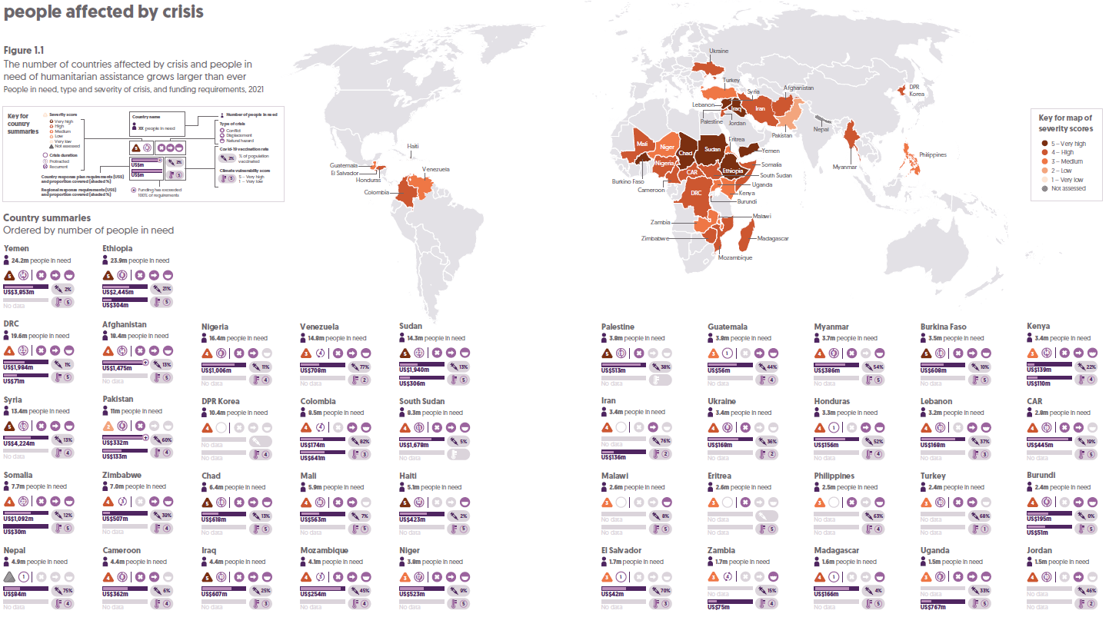
 | Rank 2022 | Host country | Year | Refugees (incl. refugee-like situations) | Internally displaced persons | Asylum-seekers | Venezuelans displaced abroad | Total displaced population
 | 1 | Syria | 2022 | 0.69 | 6.87 | 0.01 | - | 7.6
 |  |  | 2021 | 0.59 | 6.66 | 0.01 | - | 7.3

 | 2 | Colombia | 2022 | 0.00 | 4.77 | 0.03 | 2.48 | 7.3
 |  |  | 2021 | 0.00 | 5.24 | 0.03 | 1.84 | 7.1

 | 3 | DRC | 2022 | 0.52 | 5.69 | 0.00 | - | 6.2
 |  |  | 2021 | 0.52 | 5.34 | 0.00 | - | 5.9

 | 4 | Ukraine | 2022 | 0.00 | 5.91 | 0.00 | - | 5.9
 |  |  | 2021 | 0.00 | 0.85 | 0.00 | - | 0.9

 | 5 | Turkey | 2022 | 3.67 | 1.10 | 0.29 | - | 5.1
 |  |  | 2021 | 3.76 | 1.10 | 0.30 | - | 5.2

 | 6 | Ethiopia | 2022 | 0.87 | 3.85 | 0.00 | - | 4.7
 |  |  | 2021 | 0.82 | 3.59 | 0.00 | - | 4.4

 | 7 | Sudan | 2022 | 1.11 | 3.55 | 0.03 | - | 4.7
 |  |  | 2021 | 1.10 | 3.18 | 0.03 | - | 4.3

 | 8 | Yemen | 2022 | 0.08 | 4.52 | 0.01 | - | 4.6
 |  |  | 2021 | 0.09 | 4.29 | 0.01 | - | 4.4

 | 9 | Afghanistan | 2022 | 0.05 | 4.39 | 0.00 | - | 4.4
 |  |  | 2021 | 0.07 | 4.31 | 0.00 | - | 4.4

 | 10 | Somalia | 2022 | 0.02 | 3.86 | 0.02 | - | 3.9
 |  |  | 2021 | 0.01 | 2.97 | 0.02 | - | 3.0

 | 11 | Nigeria | 2022 | 0.08 | 3.65 | 0.00 | - | 3.7
 |  |  | 2021 | 0.08 | 3.23 | 0.00 | - | 3.3

 | 12 | Jordan | 2022 | 3.26 | - | 0.05 | - | 3.3
 |  |  | 2021 | 3.05 | - | 0.05 | - | 3.1

 | 13 | Palestine | 2022 | 2.88 | 0.01 | - | - | 2.9
 |  |  | 2021 | 2.40 | 0.01 | - | - | 2.4

 | 14 | Germany | 2022 | 2.23 | - | 0.24 | - | 2.5
 |  |  | 2021 | 1.26 | - | 0.25 | - | 1.5

 | 15 | Burkina Faso | 2022 | 0.03 | 1.88 | 0.01 | - | 1.9
 |  |  | 2021 | 0.03 | 1.58 | 0.01 | - | 1.6

 | 16 | South Sudan | 2022 | 0.34 | 1.47 | 0.00 | - | 1.8
 |  |  | 2021 | 0.33 | 1.37 | 0.00 | - | 1.7

 | 17 | United States | 2022 | 0.35 | - | 1.44 | - | 1.8
 |  |  | 2021 | 0.34 | - | 1.30 | - | 1.6

 | 18 | Peru | 2022 | 0.01 | 0.07 | 0.54 | 0.95 | 1.6
 |  |  | 2021 | 0.01 | 0.06 | 0.54 | 0.79 | 1.4

 | 19 | Uganda | 2022 | 1.49 | 0.00 | 0.04 | - | 1.5
 |  |  | 2021 | 1.53 | 0.00 | 0.04 | - | 1.6

 | 20 | Myanmar | 2022 | - | 1.50 | - | - | 1.5
 |  |  | 2021 | - | 0.65 | - | - | 0.6

