Figure 1
Vulnerability and resilience: How does Uganda’s data ecosystem inform social protection systems?
Figure 1 | Official data sources and data systems by type of source/system
Source: | Source: Development Initiatives, 2023.
Geographical information: | Uganda
Author: | Moses Owori

Quantitative | 96%
Qualitative | 4%

Figure 2
Vulnerability and resilience: How does Uganda’s data ecosystem inform social protection systems?
Figure 2: | Non-official data sources and data systems by type of source/system
Source: | Source: Development Initiatives, 2023.
Geographical information: | Uganda
Author: | Moses Owori

Quantitative | 39%
Qualitative | 61%

Figure 3
Vulnerability and resilience: How does Uganda’s data ecosystem inform social protection systems?
Figure 3. | Types of disaggregation by number of data sources/systems
Source: | Development Initiatives, 2023
Geographical information: | Uganda
Author: | Moses Owori

Type of disaggregation | Number of data systems
Ethnicity | 4
Disability | 23
Age | 37
Gender | 47

Figure 4
Vulnerability and resilience: How does Uganda’s data ecosystem inform social protection systems?
Figure 4. | Number of data sources/systems by geographic disaggregation and type
Source: | Development Initiatives, 2023
Geographical information: | Uganda
Author: | Moses Owori

Source: Development Initiatives, 2023.
Geographic dissaggregation
 | Number of official systems | Number of non-official systems
Sub-county | 4 | 11
District | 6 | 6
Regional | 7 | 3
Sub-regional | 10 | 0
Municipality | 2 | 4
National | 2 | 0
Facility | 1 | 0
Local councils | 0 | 1

Figure 5
Vulnerability and resilience: How does Uganda’s data ecosystem inform social protection systems?
Figure 5. | Number of datasets published per year
Source: | Development Initiatives, 2023
Geographical information: | Uganda
Author: | Moses Owori

Year | 2016 | 2017 | 2018 | 2019 | 2020 | 2021 | 2022
Number of datasets published | 4 | 3 | 5 | 7 | 17 | 9 | 3

Figure 6
Vulnerability and resilience: How does Uganda’s data ecosystem inform social protection systems?
Figure 6. | Mode of data collection by percentage of sources/systems
Source: | Development Initiatives, 2023
Geographical information: | Uganda
Author: | Moses Owori

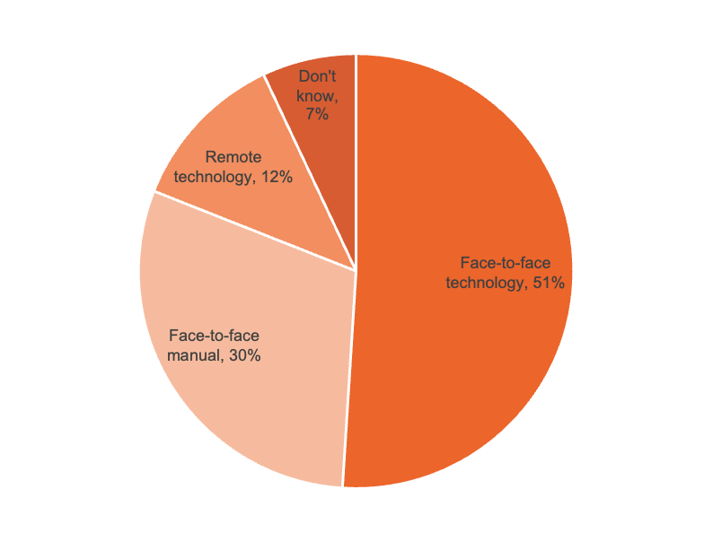

63 specified modes

Mode of data collection
Don't know | 17
Face-to-face technology | 34
Face-to-face manual | 7
Remote technology | 5
Unspecified | 35
 | 98

