Figure 2
Donors at the triple nexus: Lessons from Sweden
Chapter 3 - Programme and allocation cycle
Figure 2
Title: | Sweden’s official development assistance to its top 20 country recipients of humanitarian assistance (humanitarian assistance, conflict peace and security and other official development assistance), 2008–2017
Source: | Development Initiatives based on Organisation for Economic Co-operation and Development (OECD) Creditor Reporting System (CRS).
Notes: | The 20 recipient countries that received the largest gross disbursements of official humanitarian assistance from Sweden over the period 2008–2017.
Long description: | Stacked bar chart showing levels of humanitarian, development and conflict, peace and security spending in crisis-affected states, giving an indication of which might be fertile for making substantive connections.
Geographical information: | Global
Author: | Matthew Price

 | Rank | 1 | 2 | 3 | 4 | 5 | 6 | 7 | 8 | 9 | 10 | 11 | 12 | 13 | 14 | 15 | 16 | 17 | 18 | 19 | 20
 | Country | DRC | Somalia | Sudan | West Bank and Gaza Strip | Syrian Arab Republic | South Sudan | Afghanistan | Iraq | Yemen | Ethiopia | Pakistan | Kenya | CAR | Haiti | Chad | Myanmar | Nigeria | Mali | Niger | Uganda
 | HA | 308.49 | 247.73 | 219.57 | 183.38 | 174.22 | 171.63 | 168.44 | 158.70 | 144.33 | 141.20 | 130.68 | 103.28 | 94.59 | 91.34 | 82.76 | 67.79 | 60.23 | 58.02 | 57.19 | 54.94
 | CPS | 95.59 | 50.26 | 52.60 | 43.75 | 7.98 | 51.34 | 43.82 | 24.42 | 0.05 | 1.83 | 0.10 | 25.01 | 1.90 | 4.39 | 1.88 | 16.98 | 0.10 | 10.67 | 0.81 | 4.07
 | ODA (non-HA/CPS) | 356.84 | 202.99 | 115.12 | 363.48 | 55.40 | 64.37 | 777.26 | 113.96 | 22.44 | 258.85 | 29.78 | 493.34 | 0.99 | 4.09 | 0.59 | 133.97 | 4.36 | 241.29 | 1.24 | 372.72
 | Total | 760.91 | 500.98 | 387.29 | 590.61 | 237.60 | 287.34 | 989.52 | 297.08 | 166.83 | 401.87 | 160.55 | 621.63 | 97.48 | 99.82 | 85.23 | 218.73 | 64.69 | 309.98 | 59.24 | 431.73

Figure 3
Donors at the triple nexus: Lessons from Sweden
Chapter 3 - Programme and allocation cycle
Figure 2
Title: | Channels of delivery of Swedish official development assistance to its 20 largest humanitarian recipients, 2017
Source: | Development Initiatives based on Organisation for Economic Co-operation and Development (OECD) Creditor Reporting System (CRS).
Notes: | The twenty recipient countries that received the largest gross disbursements of official humanitarian assistance from Sweden in 2017. Data in US$ million, current prices.
Long description: | Sankey diagram showing the largest shares of humanitarian assistance and developmental ODA going to multilateral organisations.
Geographical information: | Global
Author: | Sophie Hanna
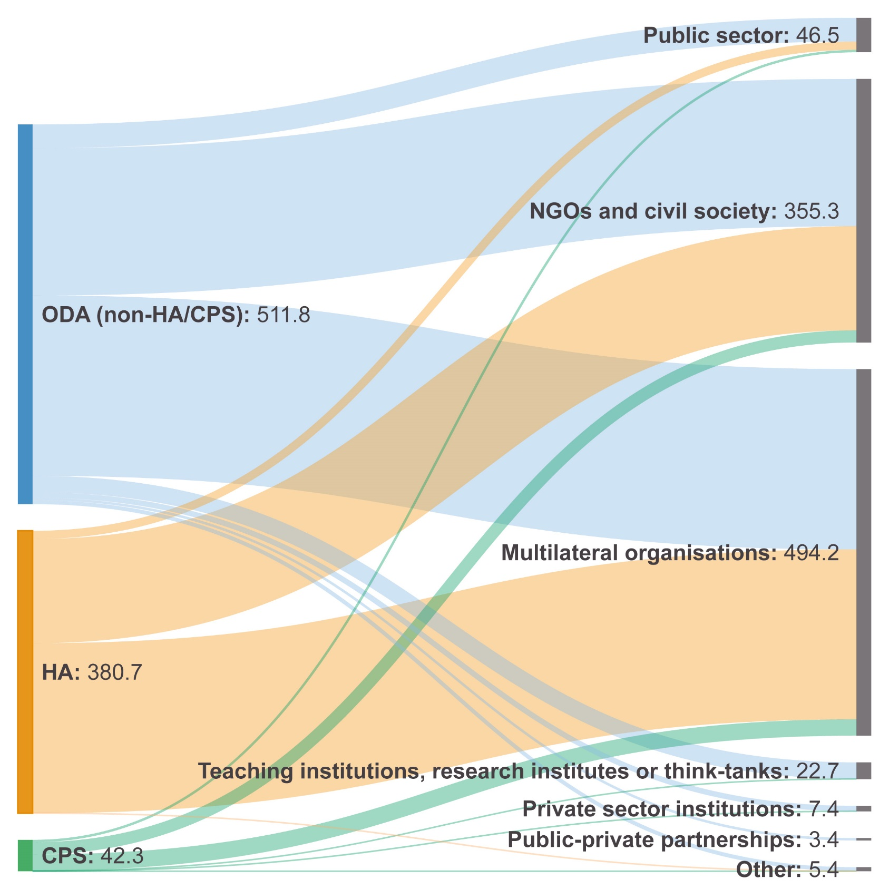
 | From | Value | To
 | ODA (non-HA/CPS) | 32.1 | Public sector
 |  | 198.5 | NGOs and civil society
 |  | 243.1 | Multilateral organisations
 |  | 22.2 | Teaching institutions, research institutes or think-tanks
 |  | 7.3 | Private sector institutions
 |  | 5.3 | Other
 |  | 3.4 | Public-private partnerships
 | Total ODA (non-HA/CPS) | 511.8
 | HA | 11.2 | Public sector
 |  | 140.4 | NGOs and civil society
 |  | 229.1 | Multilateral organisations
 |  | - | Teaching institutions, research institutes or think-tanks
 |  | - | Private sector institutions
 |  | 0.0 | Other
 |  | - | Public-private partnerships
 | Total HA | 380.7
 | CPS | 3.2 | Public sector
 |  | 16.4 | NGOs and civil society
 |  | 22.0 | Multilateral organisations
 |  | 0.5 | Teaching institutions, research institutes or think-tanks
 |  | 0.1 | Private sector institutions
 |  | 0.1 | Other
 |  | - | Public-private partnerships
 | Total CPS | 42.3

