Figure 1
final ODA data for 2018
what does the data tell us?
Figure 1
Title | Official Development Assistance, 2009-2018
 | Headline volumes continue to fall, though excluding in-donor refugee costs they show a marginal increase since 2016
Source: | Development Initiatives, based on OECD DAC data
Notes: | IDRC = in-donor refugee costs.
Geographical information: | Global
Author: | Cecilia Caio, Duncan Knox, Rob Tew, Lewis Sternberg

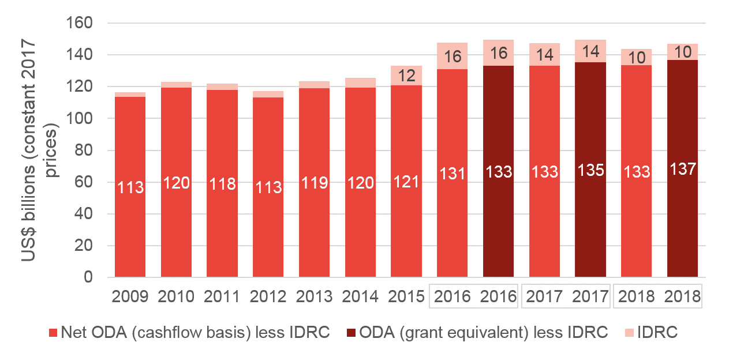
 |  | Aid type | 2009 | 2010 | 2011 | 2012 | 2013 | 2014 | 2015 | 2016 | 2017 | 2018
 |  | Net ODA (cashflow basis) | 116519.77016 | 122889.53413 | 121876.10539 | 117311.41541 | 123496.44652 | 125475.89328 | 133233.5405 | 147554.80236 | 147168.81 | 143724.6192
 |  | IDRC | 3118.097683 | 3321.414091 | 3942.138359 | 4000.295404 | 4351.77866 | 5950.489521 | 12428.044775 | 16416.428959 | 14111.63 | 10246.281398
 |  | Net ODA (cashflow basis) less IDRC | 113401.67248 | 119568.12003 | 117933.96703 | 113311.12 | 119144.66786 | 119525.40376 | 120805.49572 | 131138.3734 | 133057.18 | 133478.3378
 |  | ODA (grant equivalent) |  |  |  |  |  |  |  | 149551.00671 | 149365 | 147138.2467

Figure 2
final ODA data for 2018
what does the data tell us?
Figure 2
Title | Share of ODA leaving donor countries, 2010-2018
 | In 2018, 86% of ODA left donor countries, up from 82% in 2016
Source: | Development Initiatives, based on OECD DAC data
Notes:
Geographical information: | Global
Author: | Cecilia Caio, Duncan Knox, Rob Tew, Lewis Sternberg
 | ODA leaving donor countries
2010 | 0.84709645429
2011 | 0.84697895049
2012 | 0.85404289566
2013 | 0.85100320329
2014 | 0.87195292523
2015 | 0.83757468751
2016 | 0.81554151519
2017 | 0.84020186354
2018 | 0.86063798274
 |  |  | 2010 | 2011 | 2012 | 2013 | 2014 | 2015 | 2016 | 2017 | 2018
 |  | ODA leaving donor countries | 85% | 85% | 85% | 85% | 87% | 84% | 82% | 84% | 86%

Figure 3
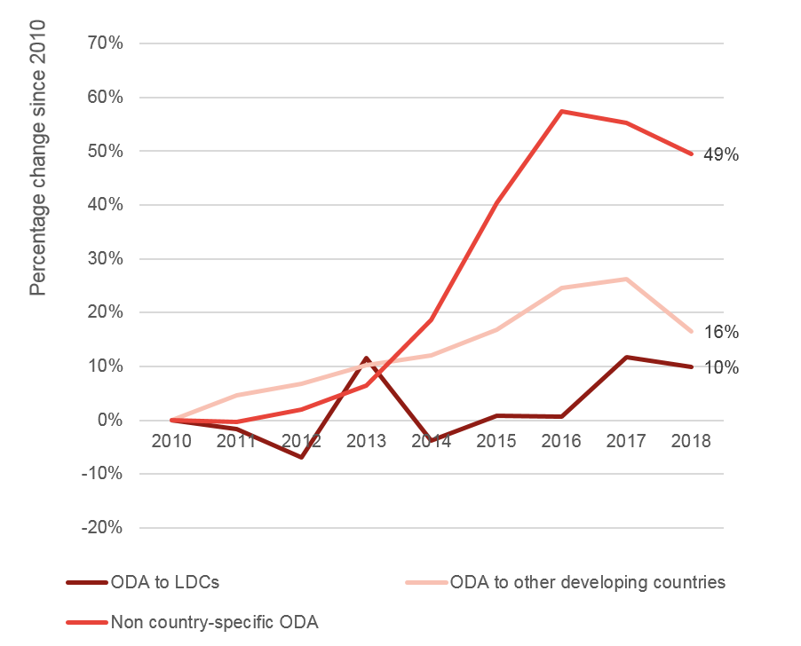
final ODA data for 2018
what does the data tell us?
Figure 3
Title | ODA to LDCs, other developing countries and that is non-country specific, 2010-2018
 | ODA to LDCs has fallen, but at a relatively slow rate
Source: | Development Initiatives based, on OECD DAC data
Notes: | LDC = less developed country.
Geographical information: | Global
Author: | Cecilia Caio, Duncan Knox, Rob Tew, Lewis Sternberg

 |  |  | Percent change from 2010
 |  |  | 2010 | 2011 | 2012 | 2013 | 2014 | 2015 | 2016 | 2017 | 2018
 |  | ODA to LDCs | 0% | -2% | -7% | 11% | -4% | 1% | 1% | 12% | 10%
 |  | ODA to other developing countries | 0% | 5% | 7% | 10% | 12% | 17% | 25% | 26% | 16%
 |  | Non country-specific ODA | 0% | 0% | 2% | 7% | 19% | 40% | 57% | 55% | 49%

Figure 4
final ODA data for 2018
what does the data tell us?
Figure 4
Title | ODA grants, ODA Loans and Humanitarian assistance to LDCs, 2010-2018
 | Figure 4: In LDCs, donors have switched some ODA from grants to loans
Source: | Development Initiatives based, on OECD DAC data
Notes: | LDC = less developed country.
Geographical information: | Global
Author: | Cecilia Caio, Duncan Knox, Rob Tew, Lewis Sternberg
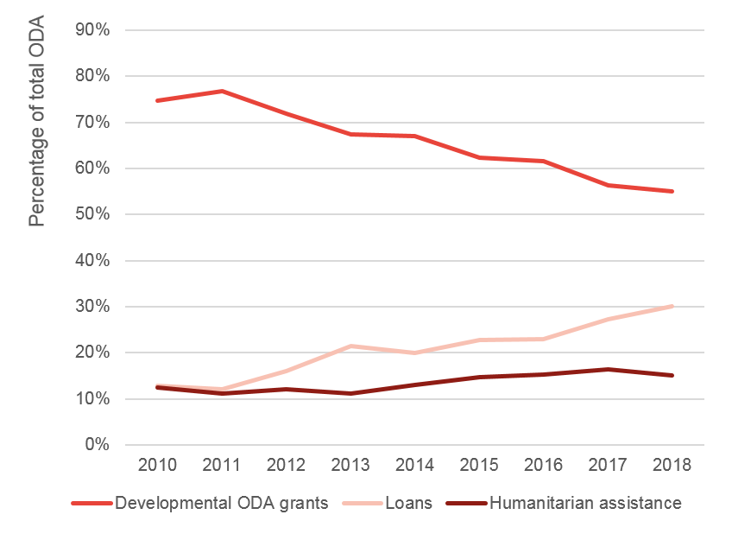

 |  |  | 2010 | 2011 | 2012 | 2013 | 2014 | 2015 | 2016 | 2017 | 2018
 |  | Developmental ODA grants | 75% | 77% | 72% | 67% | 67% | 62% | 62% | 56% | 55%
 |  | Loans | 13% | 12% | 16% | 21% | 20% | 23% | 23% | 27% | 30%
 |  | Humanitarian assistance | 12% | 11% | 12% | 11% | 13% | 15% | 15% | 16% | 15%

Figure 5
final ODA data for 2018
what does the data tell us?
Figure 5 | ODA by type of focus on gender (primary, partial or no focus), 2018
Messaging/active title | Figure 5: 8% of ODA goes to projects with a primary focus on gender in 2018
Source: | Development Initiatives, based on OECD DAC data
Notes:
Geographical information: | DAC Donors
Author: | Cecilia Caio, Duncan Knox, Rob Tew, Lewis Sternberg

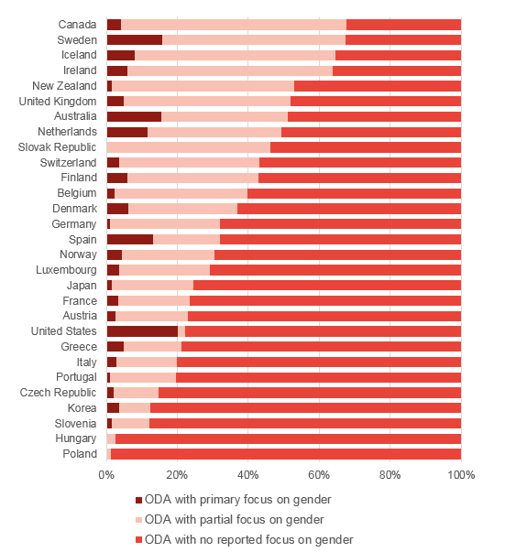
 |  | Donor | ODA with primary focus on gender | ODA with partial focus on gender | ODA with no reported focus on gender
 |  | Poland | 0.2% | 1.0% | 98.7%
 |  | Hungary | 0.0% | 2.5% | 97.5%
 |  | Slovenia | 1.6% | 10.6% | 87.8%
 |  | Korea | 3.6% | 8.9% | 87.6%
 |  | Czech Republic | 2.1% | 12.7% | 85.2%
 |  | Portugal | 1.0% | 18.6% | 80.3%
 |  | Italy | 2.9% | 17.1% | 80.0%
 |  | Greece | 4.8% | 16.5% | 78.7%
 |  | United States | 20.1% | 2.0% | 77.8%
 |  | Austria | 2.5% | 20.4% | 77.1%
 |  | France | 3.3% | 20.1% | 76.6%
 |  | Japan | 1.6% | 23.0% | 75.4%
 |  | Luxembourg | 3.6% | 25.5% | 70.9%
 |  | Norway | 4.5% | 25.9% | 69.6%
 |  | Spain | 13.2% | 18.8% | 67.9%
 |  | Germany | 1.1% | 30.9% | 67.9%
 |  | Denmark | 6.3% | 30.7% | 63.0%
 |  | Belgium | 2.4% | 37.3% | 60.3%
 |  | Finland | 5.8% | 37.0% | 57.1%
 |  | Switzerland | 3.6% | 39.5% | 56.9%
 |  | Slovak Republic | 0.0% | 46.2% | 53.8%
 |  | Netherlands | 11.6% | 37.8% | 50.6%
 |  | Australia | 15.4% | 35.6% | 49.0%
 |  | United Kingdom | 4.8% | 47.1% | 48.1%
 |  | New Zealand | 1.5% | 51.3% | 47.1%
 |  | Ireland | 6.0% | 57.8% | 36.3%
 |  | Iceland | 7.9% | 56.7% | 35.4%
 |  | Sweden | 15.8% | 51.7% | 32.6%
 |  | Canada | 4.2% | 63.5% | 32.3%
 |  | Total | 8.4% | 24.8% | 66.9%

Figure 6
final ODA data for 2018
what does the data tell us?
Figure 6
Descriptive title | ODA by type of focus on climate change (primary, partial or no focus), 2018
Messaging/active title | Figure 6: 6.6% of 2018 ODA goes to projects with a principal focus on climate change
Source: | Development Initiatives, based on OECD DAC data
Notes:
Geographical information: | DAC Donors
Author: | Cecilia Caio, Duncan Knox, Rob Tew, Lewis Sternberg

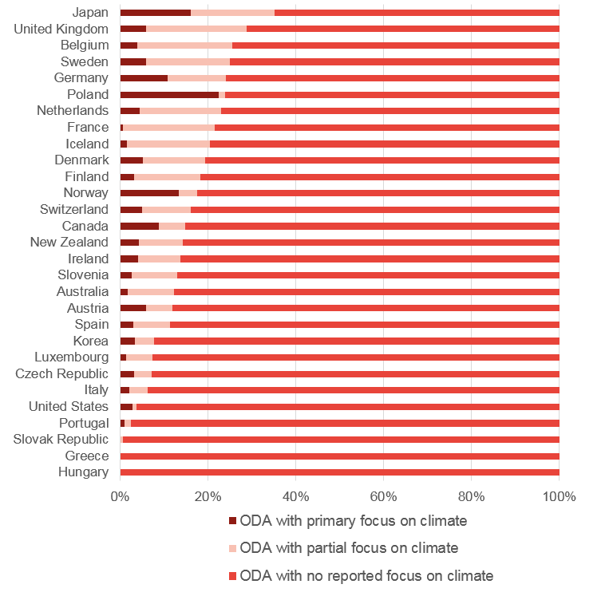
 |  | Donor | ODA with primary focus on climate | ODA with partial focus on climate | ODA with no reported focus on climate
 |  | Hungary | 0.0% | 0.0% | 100.0%
 |  | Greece | 0.0% | 0.0% | 100.0%
 |  | Slovak Republic | 0.0% | 0.5% | 99.5%
 |  | Portugal | 1.0% | 1.5% | 97.5%
 |  | United States | 2.8% | 0.8% | 96.3%
 |  | Italy | 2.0% | 4.3% | 93.7%
 |  | Czech Republic | 3.1% | 4.0% | 92.8%
 |  | Luxembourg | 1.3% | 6.1% | 92.6%
 |  | Korea | 3.3% | 4.4% | 92.3%
 |  | Spain | 3.0% | 8.5% | 88.6%
 |  | Austria | 5.9% | 6.0% | 88.0%
 |  | Australia | 1.6% | 10.6% | 87.7%
 |  | Slovenia | 2.6% | 10.4% | 87.0%
 |  | Ireland | 4.0% | 9.8% | 86.2%
 |  | New Zealand | 4.3% | 10.0% | 85.7%
 |  | Canada | 8.9% | 5.8% | 85.3%
 |  | Switzerland | 5.0% | 11.2% | 83.8%
 |  | Norway | 13.3% | 4.2% | 82.5%
 |  | Finland | 3.1% | 15.1% | 81.8%
 |  | Denmark | 5.2% | 14.2% | 80.6%
 |  | Iceland | 1.5% | 18.9% | 79.6%
 |  | France | 0.6% | 21.0% | 78.5%
 |  | Netherlands | 4.5% | 18.6% | 77.0%
 |  | Poland | 22.5% | 1.4% | 76.1%
 |  | Germany | 10.7% | 13.4% | 75.9%
 |  | Sweden | 5.9% | 19.1% | 75.0%
 |  | Belgium | 3.9% | 21.7% | 74.4%
 |  | United Kingdom | 5.8% | 23.0% | 71.2%
 |  | Japan | 16.0% | 19.2% | 64.8%
 |  | Total | 6.6% | 11.7% | 81.6%

Figure 7
final ODA data for 2018
what does the data tell us?
Figure 7
Title | Percent change in share of total ODA by sector, 2010–2018
 | The infrastructure and banking sectors are receiving an increasing share of total ODA, while the proportions going to human capital sectors are decreasing
Source: | Development Initiatives, based on OECD DAC data
Notes:
Geographical information: | Global
Author: | Cecilia Caio, Duncan Knox, Rob Tew, Lewis Sternberg

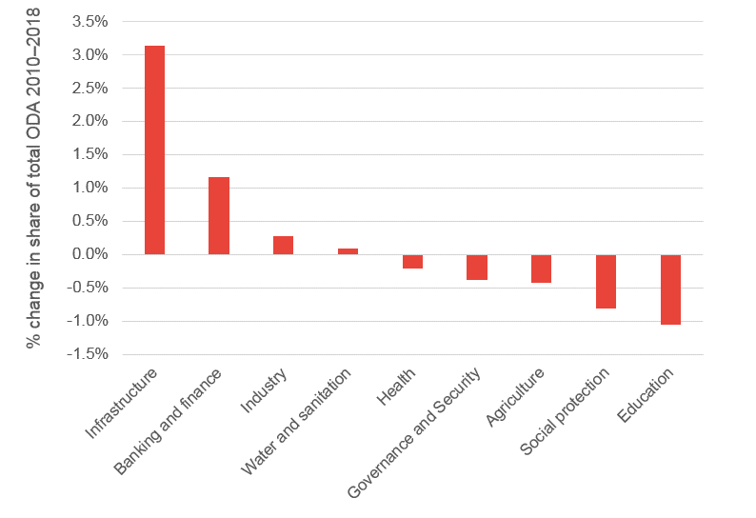
 |  | Sector | % change in total ODA
 |  | Infrastructure | 3.1%
 |  | Banking and finance | 1.2%
 |  | Industry | 0.3%
 |  | Water and sanitation | 0.1%
 |  | Health | -0.2%
 |  | Governance and Security | -0.4%
 |  | Agriculture | -0.4%
 |  | Social protection | -0.8%
 |  | Education | -1.1%

Figure 8
final ODA data for 2018
what does the data tell us?
Figure 8
Title | Private Sector Instrument ODA by donor, 2018
 | ODA disbursed through private sector instruments totalled US$2.9 billion
Source: | Development Initiatives, based on OECD DAC data
Notes: | The institutional approach measures the ODA-eligible share of inflows to development finance institutions (DFIs) and the instrument approach measures the grant equivalent total of individual private sector instrument flows to partner countries. Data is in constant 2018 prices.
Geographical information: | DAC Donors
Author: | Cecilia Caio, Duncan Knox, Rob Tew, Lewis Sternberg

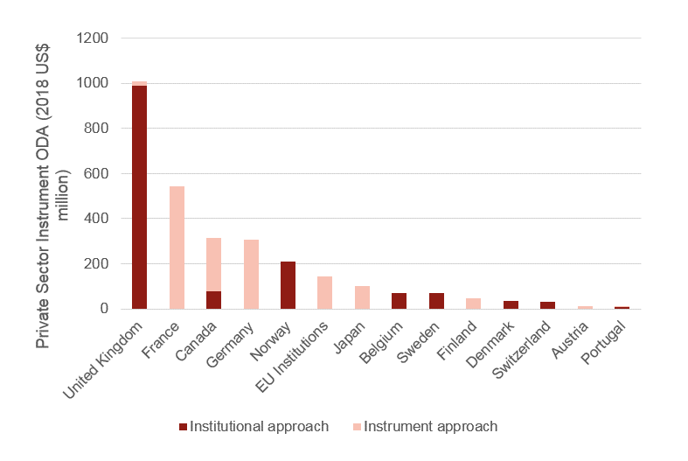
 |  |  | Institutional approach | Instrument approach | Total
 |  | United Kingdom | 989.73 | 19.27 | 1009
 |  | France |  | 542.51 | 542.51
 |  | Canada | 77.15 | 237.69 | 314.84
 |  | Germany |  | 306.39 | 306.39
 |  | Norway | 209.9 |  | 209.9
 |  | EU Institutions |  | 143.26 | 143.26
 |  | Japan |  | 100.73 | 100.73
 |  | Belgium | 70.81 |  | 70.81
 |  | Sweden | 69.04 |  | 69.04
 |  | Finland |  | 47.35 | 47.35
 |  | Denmark | 35.41 |  | 35.41
 |  | Switzerland | 30.68 |  | 30.68
 |  | Austria |  | 13.31 | 13.31
 |  | Portugal | 9.33 | 3.08 | 12.41

