Figure 1
Financing humanitarian needs amid the Covid-19 pandemic
Figure 1
20 largest recipient countries of international humanitarian grants for Covid-19 pandemic response, 1 October 2020
Countries experiencing protracted crisis are receiving the largest volumes of humanitarian grants for Covid-19 pandemic response
Source: | Development Initiatives based on UN Office for the Coordination of Humanitarian Affairs’ (OCHA's) Financial Tracking Service (FTS).
Notes: | CAR = Central African Republic; DRC = Democratic Republic of the Congo. Protracted crisis countries are defined as those with at least five consecutive years of UN-coordinated humanitarian appeals or refugee response plans as of the year of analysis. As per the FTS glossary, commitments are contractual funding obligations between donor and recipient organisations that might not yet be transferred at all or in full. Disbursements reflect funds already transferred to recipients. Data is in current prices. Data was downloaded from FTS on 1 October 2020. The figure includes all international humanitarian assistance on FTS that is reported to be relevant to the Covid-19 pandemic response, both inside and outside of the Global Humanitarian Response Plan.
Long description: | This stacked bar chart shows the twenty largest recipient countries of international humanitarian grants for Covid-19 pandemic response ranked by volume of funding and with information on whether this funding is committed or disbursed. Yemen (with US$224 million) and Syria (with US$206 million) are the two largest recipient countries.
Geographical information: | Global
Author: | Niklas Rieger

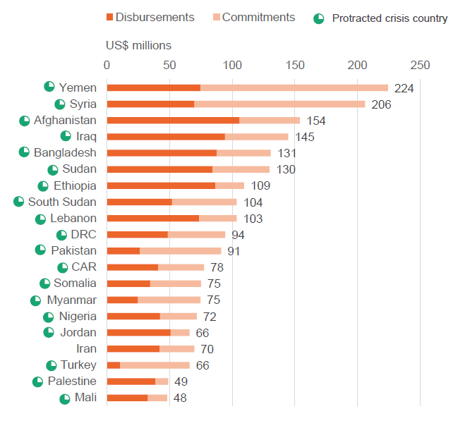
Country name | Protracted crisis country | Commitments (US$ millions) | Disbursements (US$ millions) | Total funding (US$ millions)
Yemen | Yes | 149 | 75 | 224
Syria | Yes | 136 | 70 | 206
Afghanistan | Yes | 48 | 106 | 154
Iraq | Yes | 50 | 94 | 145
Bangladesh | Yes | 43 | 88 | 131
Sudan | Yes | 45 | 84 | 130
Ethiopia | Yes | 23 | 86 | 109
South Sudan | Yes | 52 | 52 | 104
Lebanon | Yes | 30 | 74 | 103
DRC | Yes | 46 | 49 | 94
Pakistan | Yes | 65 | 27 | 91
CAR | Yes | 37 | 41 | 78
Somalia | Yes | 40 | 35 | 75
Myanmar | Yes | 50 | 25 | 75
Nigeria | Yes | 29 | 43 | 72
Jordan | Yes | 15 | 51 | 66
Iran | No | 28 | 42 | 70
Turkey | Yes | 56 | 11 | 66
Palestine | Yes | 10 | 39 | 49
Mali | Yes | 15 | 33 | 48

Figure 2
Financing humanitarian needs amid the Covid-19 pandemic
Figure 2
Requirements met for Covid-19 pandemic response, compared with other humanitarian needs, 1 October 2020
Coverage of appeal targets varies widely – with the majority of countries having a lower proportion of requirements met for Covid-19 pandemic response than for other humanitarian needs
Source: | Development Initiatives based on UN OCHA’s FTS and UN High Commissioner for Refugees (UNHCR) data.
Notes: | CAR = Central African Republic; DRC = Democratic Republic of the Congo. Countries are ranked by requirements for respective response plans for Covid-19. Data was downloaded on 1 October 2020 and is in current prices.
Long description: | This clustered bar chart shows the twenty countries with the largest volumes of requirements for Covid-19 pandemic response and how well those requirements are met compared with requirements for other humanitarian needs. Only four of the twenty countries had a higher proportion of requirements met for the Covid-19 pandemic response than for other humanitarian needs.
Geographical information: | Global
Author: | Daniele Milani
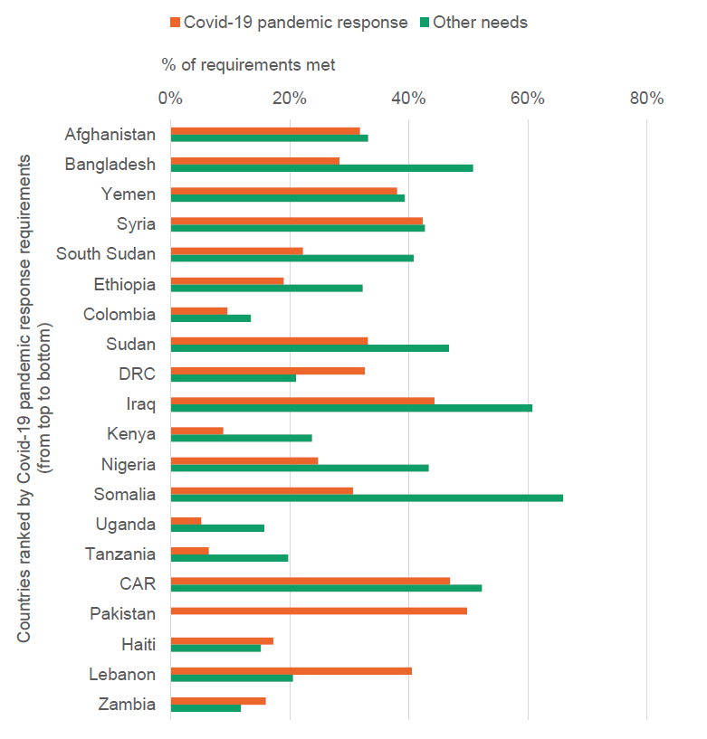
Ranking by Covid-19 pandemic response requirements | Destination location name | Response plan component | Coverage
1 | Afghanistan | Covid-19 pandemic response | 32%
 |  | Other needs | 33%
2 | Bangladesh | Covid-19 pandemic response | 28%
 |  | Other needs | 51%
3 | Yemen | Covid-19 pandemic response | 38%
 |  | Other needs | 39%
4 | Syria | Covid-19 pandemic response | 42%
 |  | Other needs | 43%
5 | South Sudan | Covid-19 pandemic response | 22%
 |  | Other needs | 41%
6 | Ethiopia | Covid-19 pandemic response | 19%
 |  | Other needs | 32%
7 | Colombia | Covid-19 pandemic response | 10%
 |  | Other needs | 13%
8 | Sudan | Covid-19 pandemic response | 33%
 |  | Other needs | 47%
9 | DRC | Covid-19 pandemic response | 33%
 |  | Other needs | 21%
10 | Iraq | Covid-19 pandemic response | 44%
 |  | Other needs | 61%
11 | Kenya | Covid-19 pandemic response | 9%
 |  | Other needs | 24%
12 | Nigeria | Covid-19 pandemic response | 25%
 |  | Other needs | 43%
13 | Somalia | Covid-19 pandemic response | 31%
 |  | Other needs | 66%
14 | Uganda | Covid-19 pandemic response | 5%
 |  | Other needs | 16%
15 | Tanzania | Covid-19 pandemic response | 6%
 |  | Other needs | 20%
16 | CAR | Covid-19 pandemic response | 47%
 |  | Other needs | 52%
17 | Pakistan | Covid-19 pandemic response | 50%
 |  | Other needs
18 | Haiti | Covid-19 pandemic response | 17%
 |  | Other needs | 15%
19 | Lebanon | Covid-19 pandemic response | 40%
 |  | Other needs | 21%
20 | Zambia | Covid-19 pandemic response | 16%
 |  | Other needs | 12%

Figure 3
Financing humanitarian needs amid the Covid-19 pandemic
Figure 3
20 largest donors of international humanitarian grants for Covid-19 pandemic response, 1 October 2020
Humanitarian grant funding patterns for Covid-19 pandemic response broadly reflect funding for other humanitarian crises
Source: | Development Initiatives based on UN OCHA's FTS.
Notes: | AfDB = African Development Bank; IsDB = Islamic Development Bank; UAE = United Arab Emirates; WHO = World Health Organisation. Data was downloaded on 1 October 2020. The figure includes all international humanitarian assistance on FTS that is reported to be relevant to the Covid-19 pandemic response, both inside and outside of the Global Humanitarian Response Plan. Data is in current prices.
Long description: | This stacked bar chart shows the twenty largest donors of international humanitarian grants for the Covid-19 pandemic response ranked by volume of funding and with information on whether this funding is committed or disbursed. Five donors account for just under two thirds of all humanitarian funding to the Covid-19 pandemic response.
Geographical information: | Global
Author: | Niklas Rieger

 | (US$ millions)
Donor name | Commitments | Disbursements | Total funding
US | 271 | 683 | 953
Germany | 562 | 143 | 704
Japan | 290 | 363 | 653
EU institutions | 503 | 41 | 544
UK | 234 | 192 | 426
UAE | 18 | 243 | 260
Saudi Arabia | 162 | 6 | 168
Denmark | 64 | 40 | 103
Canada | 11 | 54 | 66
Switzerland | 50 | 13 | 63
Kuwait | 0 | 60 | 60
Australia | 31 | 26 | 58
Norway | 18 | 31 | 49
Korea | 5 | 30 | 35
World Bank | 91 | 78 | 169
WHO Solidarity Response Fund | 103 | 30 | 133
CERF | 27 | 97 | 125
Private donors | 3 | 47 | 50
AfDB | 12 | 24 | 36
IsDB | 32 | 0 | 32

