Fig 1 - Global totals by crisis
Title | Totals of food-insecure people by country crisis status
Source | Development Initiatives based on Integrated Food Security Phase Classification (IPC) / Cadre Harmonisé (CH), United Nations (UN) Office for the Coordination of Humanitarian Affairs (OCHA), and World Food Programme (WFP).
Notes | Data combines IPC/CH assessments of phase 3+ food insecurity and UN-coordinated humanitarian needs assessments of populations facing food insecurity, which are not directly comparable. 2022 data is preliminary, based on projections and humanitarian needs assessments.

 |  |  | 2019 | 2020 | 2021 | 2022*
 |  | Protracted crisis | 108.3 | 149.7 | 167.0 | 221.2
 |  | New or recurrent crisis | 19.1 | 17.4 | 37.0 | 18.0
 |  | Not in crisis | 18.8 | 23.0 | 20.2 | 38.8
 |  | Recurrent crisis | 12.6 | 14.9 | 15.1 | 11.7
 |  | New in crisis | 6.5 | 2.5 | 21.8 | 6.2

Fig 2 - Global depth by cr
Title | Depth of food insecurity by country crisis status
Source | Development Initiatives based on Integrated Food Security Phase Classification (IPC) / Cadre Harmonisé (CH).
Notes | Data is only for populations with comparable data every year 2019-2022. 2022 data is preliminary, based on projections. Bubbles are scaled according to total population in food insecurity (phase 3+). Depth is calculated based on a modified Foster-Greer-Thorbecke (α = 1) index across the food-insecure assessed population using a critical threshold of phase 3.

 |  | Weighted population gap |  |  |  | Assessed population |  |  |  | Depth
 |  | 2019 | 2020 | 2021 | 2022 | 2019 | 2020 | 2021 | 2022 | 2019 | 2020 | 2021 | 2022*
 | Global | 50,804,233 | 63,713,000 | 80,634,718 | 88,612,198 | 778,504,979 | 847,381,346 | 917,470,752 | 968,841,726 | 6.5% | 7.5% | 8.8% | 9.1%
 | Protracted crisis | 36,080,640 | 46,526,224 | 60,698,495 | 67,895,334 | 461,390,146 | 533,397,409 | 582,688,933 | 654,906,422 | 7.8% | 8.7% | 10.4% | 10.4%
 | New or recurrent crisis | 3,607,623 | 4,659,523 | 5,639,916 | 5,593,089 | 71,330,058 | 69,605,996 | 74,546,142 | 73,550,919 | 5.1% | 6.7% | 7.6% | 7.6%
 | Not in crisis | 7,508,347 | 7,867,731 | 8,656,391 | 9,530,687 | 174,454,717 | 174,771,945 | 185,689,535 | 166,833,466 | 4.3% | 4.5% | 4.7% | 5.7%
 | Recurrent crisis | 2,975,603 | 3,786,860 | 4,714,588 | 4,318,921 | 56,595,996 | 51,928,040 | 56,868,186 | 54,233,454 | 5.3% | 7.3% | 8.3% | 8.0%
 | New in crisis | 632,020 | 872,663 | 925,328 | 1,274,167 | 14,734,062 | 17,677,956 | 17,677,956 | 19,317,465 | 4.3% | 4.9% | 5.2% | 6.6%

Fig 3 - Country totals
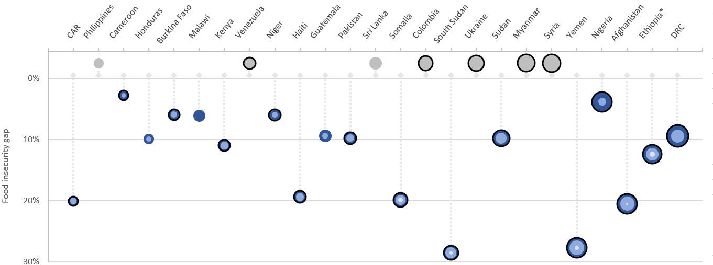
Title | Totals and depths of food insecurity of the 25 largest food insecure populations 2022
Source | Development Initiatives based on Integrated Food Security Phase Classification (IPC) / Cadre Harmonisé (CH), United Nations (UN) Office for the Coordination of Humanitarian Affairs (OCHA), and World Food Programme (WFP).
Notes | *Data for Ethiopia is from 2021. Data for totals combines IPC/CH assessments of phase 3+ food insecurity and UN-coordinated humanitarian needs assessments of populations facing food insecurity, which are not directly comparable. 2022 data is preliminary, based on projections. Not all populations have data for every year. Bubbles are scaled according to total population in food insecurity (phase 3+). Depth is calculated based on a modified Foster-Greer-Thorbecke (α = 1) index across the food-insecure assessed population using a critical threshold of phase 3.

 |  | Country | People in Phase 3 (millions) | People in Phase 4 (millions) | People in Phase 5 (millions) | No phase data available (millions) | Totals (millions) | Assessed populations (millions) | Food insecurity gap (%) | Crisis situation (crisis, protracted crisis, recurrent crisis)
 |  | DRC | 20.5 | 5.4 | - | - | 25.9 | 105 | 10.00 | PC
 |  | Ethiopia* | - | - | - | 20.4 | 20.4 | 20 | - | PC
 |  | Afghanistan | 13.0 | 6.6 | 0.0 | - | 19.7 | 42 | 21.00 | PC
 |  | Nigeria | 18.3 | 1.2 | - | - | 19.5 | 159 | 4.00 | PC
 |  | Yemen | 11.7 | 7.1 | 0.2 | - | 19.0 | 31 | 28.00 | PC
 |  | Syria | - | - | - | 13.9 | 13.9 | 14 | - | PC
 |  | Myanmar | - | - | - | 13.2 | 13.2 | 13 | - | PC
 |  | Sudan | 8.5 | 3.1 | - | - | 11.7 | 48 | 10.00 | PC
 |  | Ukraine | - | - | - | 9.3 | 9.3 | 9 | - | PC
 |  | South Sudan | 4.8 | 2.9 | 0.1 | - | 7.7 | 12 | 29.00 | PC
 |  | Colombia | - | - | - | 7.7 | 7.7 | 8 | - | PC
 |  | Somalia | 4.7 | 2.1 | 0.2 | - | 7.1 | 16 | 20.00 | PC
 |  | Sri Lanka | - | - | - | 4.9 | 4.9 | 5 | - | 0
 |  | Pakistan | 3.7 | 1.0 | - | - | 4.7 | 19 | 10.00 | PC
 |  | Guatemala | 4.0 | 0.6 | - | - | 4.6 | 17 | 10.00 | RC
 |  | Haiti | 3.2 | 1.3 | - | - | 4.6 | 10 | 20.00 | PC
 |  | Niger | 4.0 | 0.4 | - | - | 4.4 | 25 | 6.00 | PC
 |  | Venezuela | - | - | - | 4.3 | 4.3 | 4 | - | PC
 |  | Kenya | 3.0 | 1.1 | - | - | 4.1 | 15 | 11.00 | PC
 |  | Malawi | 3.8 | - | - | - | 3.8 | 19 | 7.00 | C
 |  | Burkina Faso | 2.8 | 0.6 | - | - | 3.5 | 21 | 6.00 | PC
 |  | Honduras | 2.3 | 0.4 | - | - | 2.6 | 10 | 10.00 | RC
 |  | Cameroon | 2.2 | 0.2 | - | - | 2.4 | 27 | 3.00 | PC
 |  | Philippines | - | - | - | 2.4 | 2.4 | 2 | - | C
 |  | CAR | 1.7 | 0.7 | - | - | 2.4 | 5 | 21.00 | PC

Fig 4 - Country change
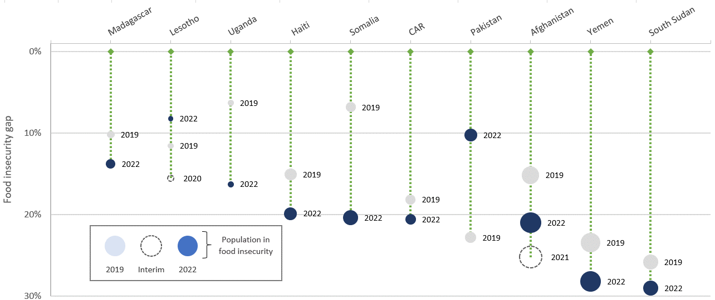
Title | Change in the depth of food insecurity of the 10 largest food insecure populations 2019-2022
Source | Development Initiatives based on Integrated Food Security Phase Classification (IPC) / Cadre Harmonisé (CH).
Notes | 2022 data is preliminary, based on projections. Not all populations have data for every year. Bubbles are scaled according to total population in food insecurity (phase 3+). Depth is calculated based on a modified Foster-Greer-Thorbecke (α = 1) index across the food-insecure assessed population using a critical threshold of phase 3.

 |  |  | People in Phase 3+ (millions) | Food insecurity gap (%) | People in Phase 3+ (millions) | Food insecurity gap (%) | People in Phase 3+ (millions) | Food insecurity gap (%) | People in Phase 3+ (millions) | Food insecurity gap (%) | Maximum food insecurity gap (%)
 |  | Country | 2019 |  | 2020 |  | 2021 |  | 2022 |  | All
 |  | South Sudan | 7.0 | 26.00 | 6.5 | 23.00 | 7.2 | 27.00 | 7.7 | 29.00 | 29.00
 |  | Yemen | 15.9 | 23.00 | 13.5 | 19.00 | 16.1 | 24.00 | 19.0 | 28.00 | 28.00
 |  | Afghanistan | 11.3 | 15.00 | 13.2 | 19.00 | 22.8 | 25.00 | 19.7 | 21.00 | 25.00
 |  | Pakistan | 3.1 | 23.00 | 1.2 | 11.00 | 4.7 | 10.00 | 4.7 | 10.00 | 23.00
 |  | CAR | 2.1 | 18.00 | 2.4 | 23.00 | 2.3 | 20.00 | 2.4 | 21.00 | 23.00
 |  | Somalia | 2.1 | 7.00 | 2.1 | 7.00 | 3.5 | 9.00 | 7.1 | 20.00 | 20.00
 |  | Haiti | 3.7 | 15.00 | 4.1 | 17.00 | 4.4 | 19.00 | 4.6 | 20.00 | 20.00
 |  | Uganda | 0.5 | 6.00 | 2.6 | 9.00 | 0.4 | 12.00 | 0.5 | 16.00 | 16.00
 |  | Lesotho | 0.4 | 12.00 | 0.6 | 16.00 | 0.3 | 8.00 | 0.3 | 8.00 | 16.00
 |  | Madagascar | 0.9 | 10.00 | 1.1 | 11.00 | 1.6 | 15.00 | 1.9 | 14.00 | 15.00

