4.2
Title: | Figure 4.2 Humanitarian-related contributions to nine UN agencies, 2013–2017
Source: | Development Initiatives based on data provided bilaterally by UN agencies.
Notes: | The calculations comprise humanitarian and humanitarian-related contributions given to the Food and Agriculture Organization (FAO), International Organization for Migration (IOM), UN Development Programme (UNDP), UN High Commissioner for Refugees (UNHCR), UN International Children’s Emergency Fund (UNICEF), UN OCHA, UN Relief and Works Agency for Palestinian Refugees in the Near East (UNRWA), World Food Programme (WFP) and the World Health Organization (WHO). UNDP data is not included for 2013. For all agencies, 2017 data is preliminary and may be revised. The data used in this analysis differs from data used in Figure 4.1. Data is in constant 2016 prices.
 | WFP | UNHCR | UNICEF | UNRWA | IOM | UNDP | WHO | FAO | UN OCHA
2013 | 3.20 | 2.63 | 1.20 | 1.10 | 0.55 |  | 0.13 | 0.33 | 0.21
2014 | 3.73 | 2.96 | 1.39 | 1.19 | 0.78 | 0.25 | 0.47 | 0.34 | 0.21
2015 | 4.07 | 3.35 | 1.71 | 1.24 | 0.87 | 0.33 | 0.52 | 0.35 | 0.24
2016 | 4.51 | 3.90 | 1.90 | 1.24 | 1.00 | 0.40 | 0.57 | 0.36 | 0.26
2017 | 5.21 | 3.74 | 1.93 | 1.09 | 0.71 | 0.67 | 0.55 | 0.50 | 0.23
 | US$ billions | 2013 | 2014 | 2015 | 2016 | 2017
 | WFP | 3.20 | 3.73 | 4.07 | 4.51 | 5.21
 | UNHCR | 2.63 | 2.96 | 3.35 | 3.90 | 3.74
 | UNICEF | 1.20 | 1.39 | 1.71 | 1.90 | 1.93
 | UNRWA | 1.10 | 1.19 | 1.24 | 1.24 | 1.09
 | IOM | 0.55 | 0.78 | 0.87 | 1.00 | 0.71
 | UNDP |  | 0.25 | 0.33 | 0.40 | 0.67
 | WHO | 0.13 | 0.47 | 0.52 | 0.57 | 0.55
 | FAO | 0.33 | 0.34 | 0.35 | 0.36 | 0.50
 | UN OCHA | 0.21 | 0.21 | 0.24 | 0.26 | 0.23

4.3
Title: | Figure 4.3 Total funding to UN-managed humanitarian pooled funds, 2008–2017
Sources: | Development Initiatives based on UN OCHA FTS and UN CERF data.
Notes: | CBPFs: country-based pooled funds. Data is in constant 2016 prices.

 | US$ millions | 2008 | 2009 | 2010 | 2011 | 2012 | 2013 | 2014 | 2015 | 2016 | 2017
 | CERF | 380 | 354 | 380 | 380 | 358 | 396 | 397 | 391 | 426 | 505
 | CBPFs | 319 | 346 | 315 | 426 | 416 | 308 | 452 | 592 | 724 | 796
 | Total | 699 | 701 | 695 | 806 | 774 | 704 | 849 | 983 | 1,151 | 1,301

4.4
Title: | Figure 4.4: UN-managed humanitarian country-based pooled funding by recipient type, 2013–2017
Source: | Development Initiatives based on UN OCHA FTS data and UN OCHA's Country-based pooled fund (CBPF) Grant Management System (GMS).
Notes: | RCRC: International Red Cross and Red Crescent Movement. ‘Other’ includes: national governments; foundations; unspecified organisations; think tanks, academia and research institutions. Coding of organisations in receipt of funding from Turkey’s CBPF in 2016 and 2017 is based on definitions used by CBPF GMS. For DI’s organisation coding methodology, see our online Methodology and definitions. Data is in constant 2016 prices.

 | US$ millions | 2013 | 2014 | 2015 | 2016 | 2017 | US$ millions | 2016 | 2017
 | NGOs | 188 | 197 | 311 | 416 | 432 | All other NGOs | 312 | 304
 | UN Multi and other multilateral organisations | 135 | 174 | 222 | 254 | 195 | Local/national NGOs | 104 | 128
 | RCRC | 1.5 | 2.4 | 2.7 | 7.6 | 10 | Grand Total | 416 | 432
 | Other | 10 | 9 | 10 | 16 | 9
 | Private organisations and corporations | 2 | 2 | 2 | 0 | 1
 | Totals | 337 | 384 | 547 | 694 | 647

4.6
Title: | Figure 4.6 International humanitarian assistance channelled directly to NGOs, by category, 2016 and 2017
Source: | Development Initiatives based on UN OCHA FTS data.
Notes: | Figure shows humanitarian assistance to each category of non-governmental organisation (NGO) as a percentage of the total humanitarian assistance channelled through NGOs as reported to FTS only; it does not show funding channelled to categories of NGOs as a percentage of total international humanitarian assistance. Circles are scaled by percentage. For definitions of different NGO types and details of our methodology, see our online Methodology and definitions.

 | % of total direct funding to NGOs | 2016 | 2017
 | Local NGOs | 0.1% | 0.3%
 | National NGOs | 1.6% | 2.4%
 | Internationally affilliated NGOs | 0.7% | 0.5%
 | Southern international NGOs | 1.7% | 1.9%
 | International NGOs | 85% | 94%
 | Undefined | 11% | 1.2%
 | International NGOs | National NGOs | Southern international NGOs | Internationally affilliated NGOs | Local NGOs | Undefined
1 | 7 | 5 | 4 | 3 | 2 | 1
 | International NGOs | National NGOs | Southern international NGOs | Internationally affilliated NGOs | Local NGOs | Undefined
1 | 7 | 5 | 4 | 3 | 2 | 1

4.7
Title: | Figure 4.7 Direct funding to local and national responders reporting to UN OCHA FTS, 2017
Source: | Development Initiatives based on UN OCHA FTS data.
Notes: | RCRC: International Red Cross and Red Crescent Movement. Government authorities in Bahamas and Greece are counted as national responders since they received international humanitarian assistance in 2017. RCRC National Societies that received international humanitarian assistance to respond to domestic crises are included. For organisation coding methodology, see our online Methodology and definitions.

 | Graph 2 | US$ millions | % of direct funding
 | International responders | 20,052 | 97%
 | Southern international NGOs | 61 | 0.3%
 | Internationally affiliated NGOs | 18 | 0.1%
 | Local NGOs | 8.3 | 0.04%
 | RCRC National Societies | 6.8 | 0.03%
 | National NGOs | 76 | 0.4%
 | National governments | 509 | 2.5%
 | National research institutions | 1.3 | 0.01%
 | National foundations | 0.8 | 0.004%
 | National private sector corporations | 0.9 | 0.004%
 | Local and national responders | 603 | 2.9%
 | Total | 20,734 | 100%

Notes: RCRC: Red Cross and Red Crescent. Government authorities in Greece, Bulgaria and Bahamas are counted as national responders since they received international humanitarian assistance in 2017. RCRC National Societies that received international humanitarian assistance to respond to domestic crises are included. Other includes: foundations, academia/think/research, private sector, organisations which are all international and that cannot clearly be categorised and those that are unspecified. National/local responders are subtracted from the RCRC, NGOs and Governments pieces of the pie. National NGOs include "National NGOs" and "Local/National NGOs". CBPF has been included as a separate category, following FTS UN OCHA records. For organisation coding methodology, see Methodology and definitions.

4.8
Title: | Figure 4.8 Earmarked and unearmarked international humanitarian assistance and humanitarian-related contributions to nine UN agencies, 2013–2017
Source: | Development Initiatives based on data provided bilaterally by UN agencies.
Notes: | The calculations comprise earmarked and unearmarked humanitarian and humanitarian-related contributions given to the Food and Agriculture Organization (FAO), International Organization for Migration (IOM), UN Development Programme (UNDP), UN High Commissioner for Refugees (UNHCR), UN International Children’s Emergency Fund (UNICEF), UN OCHA, UN Relief and Works Agency for Palestinian Refugees in the Near East (UNRWA), World Food Programme (WFP) and the World Health Organization (WHO). 2017 data for all agencies is preliminary and may be revised. The data used in this analysis differs from data used in Figure 4.1. Data for WHO in 2013 is captured as entirely earmarked since a breakdown of earmarked and unearmarked funding is not available for those years. UNDP data is not included for 2013. Data is in constant 2016 prices.

 | US$ millions | 2013 | 2014 | 2015 | 2016 | 2017
 | Unearmarked funding | 2.0 | 2.1 | 2.6 | 2.7 | 2.6
 | Earmarked funding | 7.3 | 9.2 | 10.1 | 11.5 | 12.0
 | Unearmarked funding as % of total | 22% | 19% | 20% | 19% | 18%

4.9
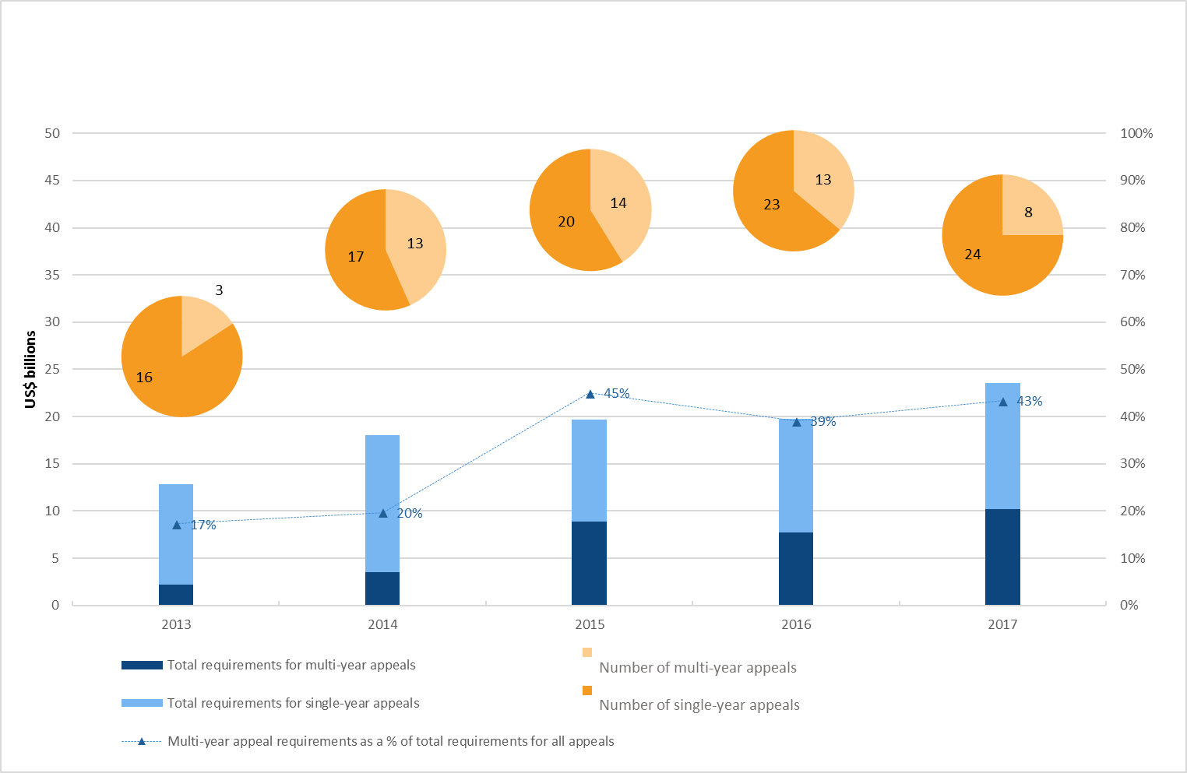
Title: | Figure 4.9 Number and requirements of single- and multi-year appeals, 2013–2017
Sources: | UN OCHA FTS and appeal documents.
Notes: | Data is in current prices.

 | Requirements of appeals by type (US$ billions)
 |  | Total requirements for multi-year appeals | Total requirements for single-year appeals | Total | Multi-year appeal requirements as a % of total requirements for all appeals
 | 2013 | 2.2 | 10.6 | 12.8 | 17%
 | 2014 | 3.5 | 14.5 | 18.0 | 20%
 | 2015 | 8.8 | 10.8 | 19.7 | 45%
 | 2016 | 7.7 | 12.0 | 19.7 | 39%
 | 2017 | 10.2 | 13.4 | 23.6 | 43%

 | Number of Appeals by type
 |  | Number of multi-year appeals | Number of single-year appeals | Total
 | 2013 | 3 | 16 | 19
 | 2014 | 13 | 17 | 30
 | 2015 | 14 | 20 | 34
 | 2016 | 13 | 23 | 36
 | 2017 | 8 | 24 | 32

4.10
Title: | Figure 4.10 Cash-transfer programming in Somalia as reported to FTS, 2017
Sources: | Development Initiatives based on UN OCHA FTS data.
Notes: | CTP: Cash-transfer programming. 'CTP (FTS)' captures all 2017 flows to Somalia with CTP reported as funding modality to UN OCHA FTS. The other two CTP categories shown in the graph are additional flows identified through a word search and flow-by-flow sense checks. Data is in current prices.

 | Modality | US$ millions | % of total
 | Other humanitarian assistance | 1,029 | 83%
 | CTP as part of mixed modality | 79 | 6.4%
 | CTP (full) | 27 | 2.2%
 | CTP (FTS) | 108 | 8.7%
 | Total | 1,244 | 100%

