Fig. 1.1
Global Humanitarian Assistance Report 2019
Title: | Figure 1.1: Proportion of global population, of people in poverty and of people in extreme poverty who live in 22 countries with recurrent humanitarian appeals
Source: | Development Initiatives based on World Bank PovcalNet, World Development Indicators, International Monetary Fund World Economic Outlook and various national survey sources.
Notes: | People living in poverty are defined as living on less than $3.20 a day; people living in extreme poverty are defined as living on less than $1.90 a day. The appeals considered in this analysis are UN-coordinated country response plans.

 | Number of people (millions) | $1.90 poverty line | $3.20 poverty line | Global population
 | Countries with recurrent appeals (2018) | 231.4 | 375.9 | 666.9
 | Other countries | 465.4 | 1,433.6 | 6,546.5
 | Total | 696.8 | 1,809.5 | 7,213.5

Global population
People in poverty ($3.20)
People in extreme poverty ($1.90)

Fig. 1.3
Title: | Figure 1.3: 20 countries with the largest forcibly displaced populations, 2018
Source: | Development Initiatives based on UNHCR, UN Relief and Works Agency for Palestine Refugees in the Near East (UNRWA) and Internal Displacement Monitoring Centre (IDMC) data.
Notes: | The 20 countries are selected based on the size of displaced populations that were hosted in 2018. ‘Displaced population’ includes refugees and people in refugee-like situations, internally displaced persons (IDPs) and asylum seekers. IDP figures include a total number of IDPs at the end of 2018 as reported by the IDMC. Data is organised according to UNHCR’s definitions of country/territory of asylum. According to data provided by UNRWA, registered Palestine refugees are included as refugees for Jordan, Lebanon and Syria, and as IDPs for Palestine.

 |  |  |  |  | Millions
 | Rank | Country ID | Country name | Year | Refugees (including people refugee-like situations) | Internally displaced persons | Asylum seekers | Displaced population
 | 1 | SY | Syria | 2018 | 0.6 | 6.1 | 0.0 | 6.7
 |  |  |  | 2017 | 0.6 | 6.8 | 0.0 | 7.4
 | 2 | CO | Colombia | 2018 | 0.0 | 5.8 | 0.0 | 5.8
 |  |  |  | 2017 | 0.0 | 6.5 | 0.0 | 6.5
 | 3 | TR | Turkey | 2018 | 3.7 | 1.1 | 0.3 | 5.1
 |  |  |  | 2017 | 3.5 | 1.1 | 0.3 | 4.9
 | 4 | CD | DRC | 2018 | 0.5 | 3.1 | 0.0 | 3.6
 |  |  |  | 2017 | 0.5 | 4.5 | 0.0 | 5.0
 | 5 | SD | Sudan | 2018 | 1.1 | 2.1 | 0.0 | 3.2
 |  |  |  | 2017 | 0.9 | 2.1 | 0.0 | 3.0
 | 6 | ET | Ethiopia | 2018 | 0.9 | 2.1 | 0.0 | 3.0
 |  |  |  | 2017 | 0.9 | 1.1 | 0.0 | 2.0
 | 7 | JO | Jordan | 2018 | 3.0 | - | 0.1 | 3.0
 |  |  |  | 2017 | 2.9 | - | 0.0 | 2.9
 | 8 | SO | Somalia | 2018 | 0.0 | 2.6 | 0.0 | 2.7
 |  |  |  | 2017 | 0.0 | 0.8 | 0.0 | 0.9
 | 9 | AF | Afghanistan | 2018 | 0.1 | 2.6 | 0.0 | 2.7
 |  |  |  | 2017 | 0.1 | 1.3 | 0.0 | 1.4
 | 10 | YE | Yemen | 2018 | 0.3 | 2.3 | 0.0 | 2.6
 |  |  |  | 2017 | 0.3 | 2.0 | 0.0 | 2.3
 | 11 | PS | Palestine | 2018 | - | 2.3 | - | 2.3
 |  |  |  | 2017 | - | 2.2 | - | 2.2
 | 12 | IQ | Iraq | 2018 | 0.3 | 2.0 | 0.0 | 2.3
 |  |  |  | 2017 | 0.3 | 2.6 | 0.0 | 2.9
 | 13 | NG | Nigeria | 2018 | 0.0 | 2.2 | 0.0 | 2.3
 |  |  |  | 2017 | 0.0 | 1.7 | 0.0 | 1.7
 | 14 | SS | South Sudan | 2018 | 0.3 | 1.9 | 0.0 | 2.2
 |  |  |  | 2017 | 0.3 | 1.9 | 0.0 | 2.2
 | 15 | PK | Pakistan | 2018 | 1.4 | 0.1 | 0.0 | 1.5
 |  |  |  | 2017 | 1.4 | 0.2 | 0.0 | 1.6
 | 16 | LB | Lebanon | 2018 | 1.4 | 0.0 | 0.0 | 1.5
 |  |  |  | 2017 | 1.5 | 0.0 | 0.0 | 1.5
 | 17 | DE | Germany | 2018 | 1.1 | - | 0.4 | 1.4
 |  |  |  | 2017 | 1.0 | - | 0.4 | 1.4
 | 18 | BD | Bangladesh | 2018 | 0.9 | 0.4 | 0.0 | 1.3
 |  |  |  | 2017 | 0.9 | 0.4 | 0.0 | 1.4
 | 19 | UG | Uganda | 2018 | 1.2 | 0.0 | 0.0 | 1.2
 |  |  |  | 2017 | 1.4 | 0.0 | 0.0 | 1.4
 | 20 | CM | Cameroon | 2018 | 0.4 | 0.7 | 0.0 | 1.1
 |  |  |  | 2017 | 0.3 | 0.2 | 0.0 | 0.6

Fig. 1.4
Title: | Figure 1.4: Regions of origin for refugees and asylum seekers, 2009–2018
Source: | Development Initiatives based on UNHCR and UN Relief and Works Agency for Palestine Refugees in the Near East.
Notes: | Organisation for Economic Co-operation and Development (OECD) country naming has been used for regions, except the Middle East and North of Sahara, which have been combined. ‘Others’ includes the combined total for regions where the number of refugees (including people in refugee-like situations) and asylum seekers was below 600,000 per year: North and Central America, South America, Oceania, stateless people and those with unknown regions of origin.

 | Number of people (millions) | 2 | 3 | 4 | 5 | 6 | 7 | 8 | 9 | 10 | 11
 | Region of origin | 2009 | 2010 | 2011 | 2012 | 2013 | 2014 | 2015 | 2016 | 2017 | 2018
 | Europe | 0.7 | 0.7 | 0.7 | 0.7 | 0.4 | 0.6 | 0.8 | 0.6 | 0.5 | 0.5
 | Far East Asia | 0.6 | 0.6 | 0.6 | 0.6 | 0.6 | 0.6 | 0.7 | 0.7 | 0.7 | 0.7
 | Middle East & North of Sahara | 5.1 | 5.0 | 4.8 | 4.9 | 6.4 | 7.9 | 9.3 | 10.0 | 10.9 | 11.3
 | South and Central Asia | 3.8 | 3.9 | 3.5 | 3.5 | 3.6 | 3.9 | 4.1 | 3.9 | 4.8 | 4.8
 | South of Sahara | 2.9 | 3.0 | 3.7 | 3.9 | 4.1 | 5.0 | 5.9 | 6.7 | 8.1 | 8.1
 | Others | 1.3 | 1.0 | 1.0 | 0.9 | 0.9 | 1.1 | 1.9 | 1.2 | 1.2 | 1.7
 |  | 14.3 | 14.3 | 14.2 | 14.4 | 15.9 | 19.3 | 22.5 | 23.1 | 26.3 | 27.1

Fig. 1.5
Title: | Figure 1.5: 20 largest countries of origin for refugees and asylum seekers by bordering and non-bordering hosting countries, 2018
Source: | Development Initiatives based on UNHCR, UN Releif and Works Agency for Palestine Refguees in the Near East (UNRWA) and World Factbook CIA data.
Notes: | CAR: Central African Republic. The 20 origin countries are selected based on the number of refugee and asylum seekers in 2018. Data is organised according to UNHCR’s definitions of country/territory of asylum and origin country. According to data provided by UNRWA, Palestinian-registered refugees are included as refugees for Jordan, Lebanon and Syria. Bordering countries are countries that share a geographical border with a particular country.

 |  | Country of origin | Refugees and asylum seekers | Bordering countries | Bordering countries | Refugees and asylum seekers
 |  | Syrian Arab Rep. | 5.5 | Bordering countries | Bordering countries | 18.6
 |  | Syrian Arab Rep. | 1.3 | Non-bordering countries | Other countries | 5.4
 |  | Palestinian | 2.9 | Bordering countries
 |  | Palestinian | 0.5 | Non-bordering countries
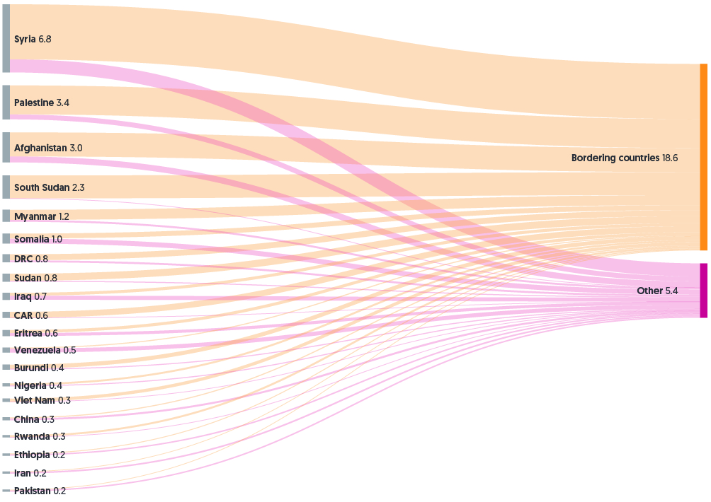
 |  | Afghanistan | 2.4 | Bordering countries
 |  | Afghanistan | 0.6 | Non-bordering countries
 |  | South Sudan | 2.3 | Bordering countries
 |  | South Sudan | 0.02 | Non-Bordering countries
 |  | Myanmar | 1.0 | Bordering countries
 |  | Myanmar | 0.2 | Non-Bordering countries
 |  | Somalia | 0.5 | Bordering countries
 |  | Somalia | 0.5 | Non-Bordering countries
 |  | Dem. Rep. of the Congo | 0.6 | Bordering countries
 |  | Dem. Rep. of the Congo | 0.2 | Non-Bordering countries
 |  | Sudan | 0.7 | Bordering countries
 |  | Sudan | 0.1 | Non-Bordering countries
 |  | Iraq | 0.3 | Bordering countries
 |  | Iraq | 0.4 | Non-Bordering countries
 |  | Central African Rep. | 0.6 | Bordering countries
 |  | Central African Rep. | 0.01 | Non-Bordering countries
 |  | Eritrea | 0.3 | Bordering countries
 |  | Eritrea | 0.3 | Non-Bordering countries
 |  | Venezuela (Bolivarian Republic of) | 0.1 | Bordering countries
 |  | Venezuela (Bolivarian Republic of) | 0.4 | Non-Bordering countries
 |  | Burundi | 0.4 | Bordering countries
 |  | Burundi | 0.1 | Non-Bordering countries
 |  | Nigeria | 0.2 | Bordering countries
 |  | Nigeria | 0.1 | Non-Bordering countries
 |  | Viet Nam | 0.32 | Bordering countries
 |  | Viet Nam | 0.02 | Non-Bordering countries
 |  | China | 0.1 | Bordering countries
 |  | China | 0.2 | Non-Bordering countries
 |  | Rwanda | 0.2 | Bordering countries
 |  | Rwanda | 0.03 | Non-Bordering countries
 |  | Ethiopia | 0.08 | Bordering countries
 |  | Ethiopia | 0.15 | Non-Bordering countries
 |  | Iran (Islamic Rep. of) | 0.05 | Bordering countries
 |  | Iran (Islamic Rep. of) | 0.16 | Non-Bordering countries
 |  | Pakistan | 0.07 | Bordering countries
 |  | Pakistan | 0.14 | Non-Bordering countries
 |  | Total | 24.0 | -

Fig. 1.7
Title: | Figure 1.7: 20 largest recipients of international humanitarian assistance by income group, 2008–2017
Sources: | Development Initiatives based on OECD DAC, UN OCHA’s FTS, UN Central Emergency Response Fund (CERF) and World Bank data.
Notes: | HIC: high income country; LIC: low income country; LMIC: lower middle income country; UMIC: upper middle income country. The countries’ income groups are according to the classification of World Bank income groups for any given year. Income groups therefore might change year-on-year for the same recipient. The top 20 recipients of international humanitarian assistance are also for each given year and hence vary year-on-year. Data is in constant 2017 prices.

 | Income group | 2008 | 2009 | 2010 | 2011 | 2012 | 2013 | 2014 | 2015 | 2016 | 2017
 | LIC | 4.6 | 3.9 | 5.8 | 4.4 | 4.2 | 3.4 | 4.4 | 4.4 | 3.9 | 9.0
 | LMIC | 3.4 | 4.5 | 4.3 | 4.2 | 2.9 | 5.7 | 4.8 | 6.2 | 7.6 | 2.8
 | UMIC | 0.2 | 0.2 | 0.3 | 0.7 | 0.9 | 1.2 | 2.6 | 3.0 | 3.0 | 3.3
 | HIC | - | - | - | 0.7 | - | - | - | - | 0.5 | 0.3
 | Total | 8.2 | 8.6 | 10.4 | 10.1 | 8.0 | 10.3 | 11.8 | 13.7 | 15.0 | 15.4

