Figure 1.1
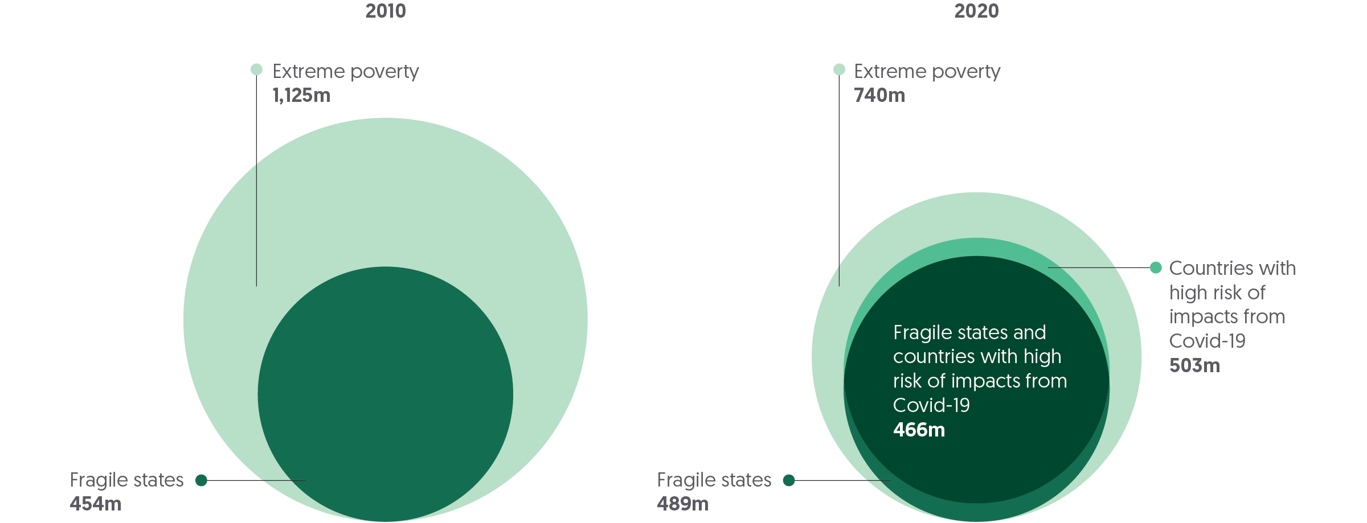
Global Humanitarian Assistance Report 2021
Chapter 1: People and crisis
Figure 1.1
People living in extreme poverty are increasingly concentrated in fragile countries at high risk from the impacts of Covid-19
Number of people living in extreme poverty in fragile states and/or countries with high risk of impacts from Covid-19, 2010 vs 2020
Source: | Development Initiatives based on World Bank PovcalNet, national sources, INFORM Index for COVID Risk and OECD.
Notes: | Fragile states are 52 countries classified as 'fragile' or 'extremely fragile' in 2016, 2018 and 2020 by OECD States of Fragility reports. People living in extreme poverty are defined as living on less than $1.90 a day (2011 PPP).
Geographical information: | Global
Author: | Dan Walton

 | People living in extreme poverty in fragile states and/or countries with high risk of impacts from Covid-19 | Year | Number of people
 | People living in extreme poverty | 2010 | 1,125,011,931
 | People living in extreme poverty in fragile states | 2010 | 454,365,520
 | People living in extreme poverty | 2020 | 740,288,342
 | People living in extreme poverty in fragile states | 2020 | 489,404,339
 | People living in extreme poverty in countries at high risk of impacts from Covid-19 | 2020 | 503,379,190
 | People living in extreme poverty in fragile states and countries at high risk of impacts from Covid-19 | 2020 | 466,482,008

Figure 1.2
Global Humanitarian Assistance Report 2021
Chapter 1: People and crisis
Figure 1.2
Acute food insecurity disproportionately impacts the poorest
Percentage of people living in poverty and extreme poverty in places where there is food insecurity
Source: | Development Initiatives based on Integrated Food Security Phase Classification (IPC), demographic health surveys, UNICEF multiple indicator cluster surveys, World Bank PovcalNet and national sources.
Notes: | Acute food insecurity score based on average mapped phase for subnational regions analysed by IPC, 2019–2021. Food insecurity phase and poverty data are aggregated to the lowest common administrative subnational level with representative data; where no representative subnational poverty data exists at any level, the national average is used; where subnational data does not align exactly, the closest match is used. Subnational poverty data is estimated using the approach described by the P20 initiative.
Geographical information: | Global
Author: | Dan Walton

 |  | People living in extreme poverty | People living in poverty | People living above the poverty line
 | Places where IPC has observed crisis/emergency/famine levels of food insecurity | 62% | 20% | 19%
 | Places where IPC has observed stressed/minimal levels of food insecurity | 47% | 24% | 28%
 | Rest of world (areas without observed food insecurity) | 7% | 14% | 79%

Figure 1.4
Global Humanitarian Assistance Report 2021
Chapter 1: People and crisis
Figure 1.4
The number of forcibly displaced people grew for the ninth consecutive year
20 countries with the largest forcibly displaced populations and risk of impacts from Covid-19, 2019 and 2020
Source: | Development Initiatives based on data from UN High Commissioner for Refugees (UNHCR), UN Relief and Works Agency for Palestine Refugees in the Near East (UNRWA), Index for Risk Management (INFORM) and Internal Displacement Monitoring Centre (IDMC).
Notes: | The 20 countries are selected based on the size of displaced populations hosted in 2020. 'Displaced population' includes refugees and people in refugee-like situations, internally displaced persons (IDPs), asylum seekers and other displaced populations of concern to UNHCR. Other displaced populations of concern to UNHCR include Venezuelans displaced abroad. IDP figures refer to those forcibly displaced by conflict, and exclude those internally displaced due to climate or natural disaster. Data is organised according to UNHCR's definitions of country/territory of asylum. According to data provided by UNRWA, registered Palestine refugees are included as refugees for Jordan, Lebanon, Syria and Palestine. UNHCR data represents 2020 mid-year figures, and UNRWA data for 2020 is based on internal estimation.
Geographical information: | Global
Author: | Kirsty Lazer
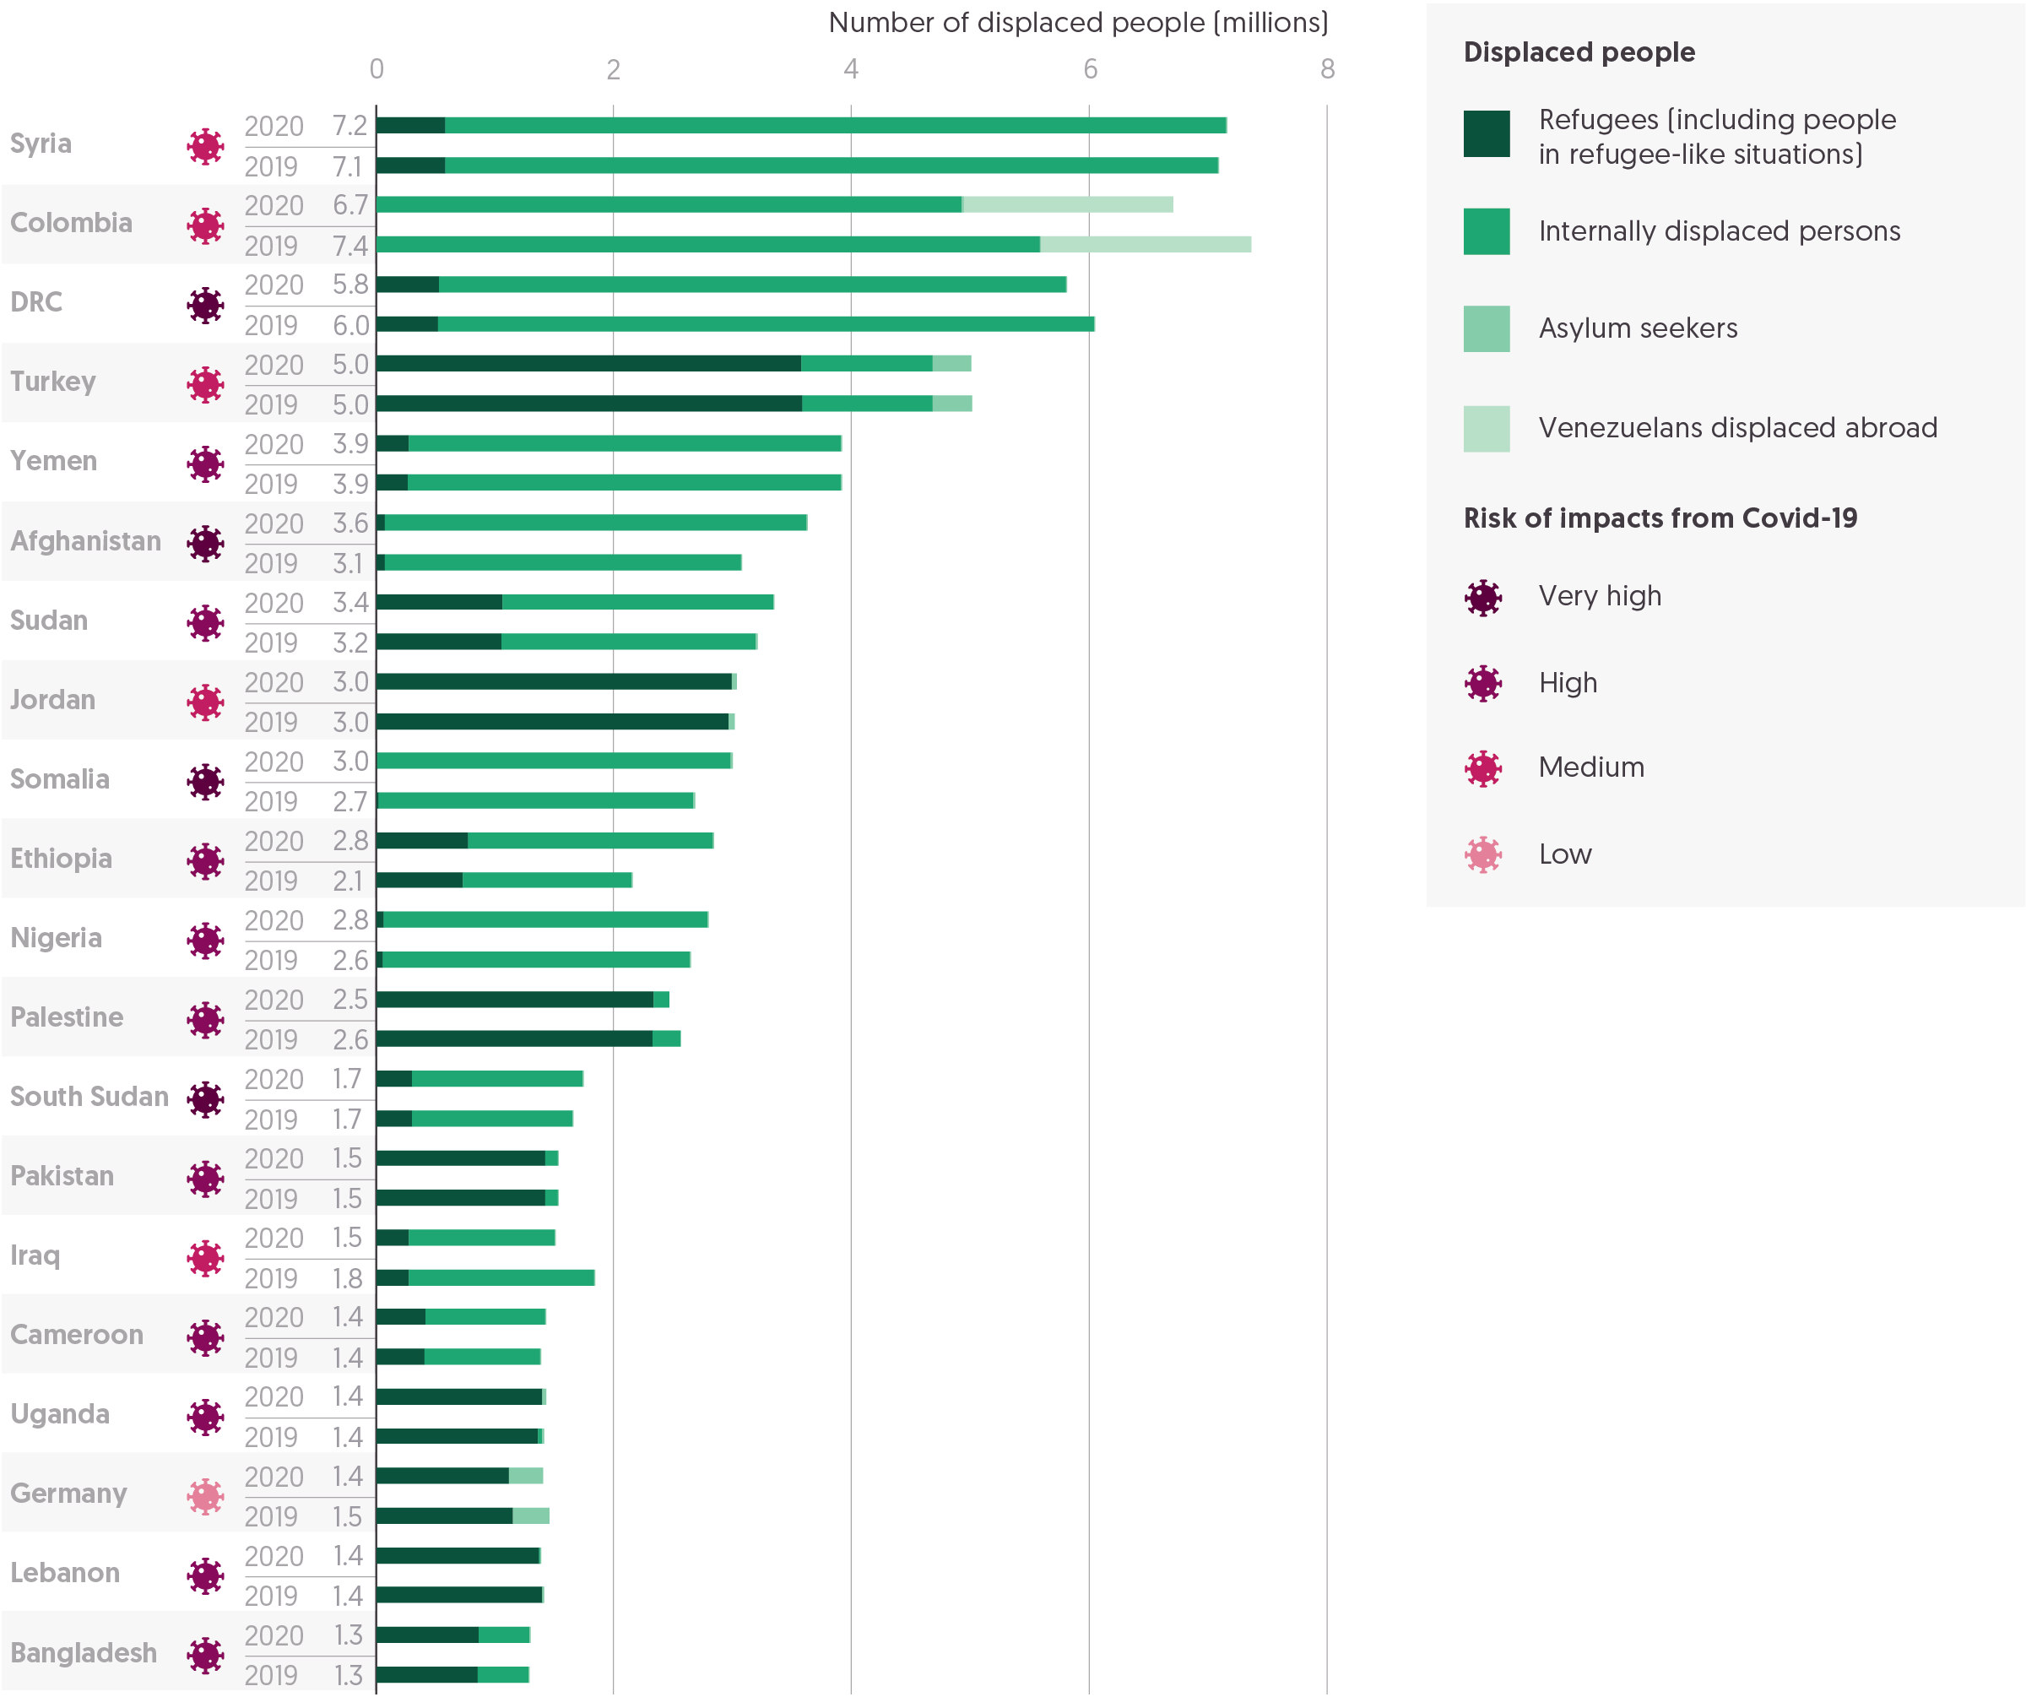

 | Rank | ISO | Country | Risk of impacts from Covid-19 | Year | Refugees (including people in refugee-like situations) (millions) | Internally displaced persons (millions) | Asylum seekers (millions) | Venezuelans displaced abroad (millions) | Total displaced population (millions)
 | 1 | SYR | Syria | Medium | 2020 | 0.6 | 6.6 | 0.0 | - | 7.2
 |  |  |  |  | 2019 | 0.6 | 6.5 | 0.0 | - | 7.1
 | 2 | COL | Colombia | Medium | 2020 | 0.0 | 4.9 | 0.0 | 1.8 | 6.7
 |  |  |  |  | 2019 | 0.0 | 5.6 | 0.0 | 1.8 | 7.4
 | 3 | COD | DRC | Very high | 2020 | 0.5 | 5.3 | 0.0 | - | 5.8
 |  |  |  |  | 2019 | 0.5 | 5.5 | 0.0 | - | 6.0
 | 4 | TUR | Turkey | Medium | 2020 | 3.6 | 1.1 | 0.3 | - | 5.0
 |  |  |  |  | 2019 | 3.6 | 1.1 | 0.3 | - | 5.0
 | 5 | YEM | Yemen | High | 2020 | 0.3 | 3.6 | 0.0 | - | 3.9
 |  |  |  |  | 2019 | 0.3 | 3.6 | 0.0 | - | 3.9
 | 6 | AFG | Afghanistan | Very high | 2020 | 0.1 | 3.5 | 0.0 | - | 3.6
 |  |  |  |  | 2019 | 0.1 | 3.0 | 0.0 | - | 3.1
 | 7 | SDN | Sudan | High | 2020 | 1.1 | 2.3 | 0.0 | - | 3.4
 |  |  |  |  | 2019 | 1.1 | 2.1 | 0.0 | - | 3.2
 | 8 | JOR | Jordan | Medium | 2020 | 3.0 | - | 0.1 | - | 3.0
 |  |  |  |  | 2019 | 3.0 | - | 0.1 | - | 3.0
 | 9 | SOM | Somalia | Very high | 2020 | 0.0 | 3.0 | 0.0 | - | 3.0
 |  |  |  |  | 2019 | 0.0 | 2.6 | 0.0 | - | 2.7
 | 10 | ETH | Ethiopia | High | 2020 | 0.8 | 2.1 | 0.0 | - | 2.8
 |  |  |  |  | 2019 | 0.7 | 1.4 | 0.0 | - | 2.1
 | 11 | NGA | Nigeria | High | 2020 | 0.1 | 2.7 | 0.0 | - | 2.8
 |  |  |  |  | 2019 | 0.1 | 2.6 | 0.0 | - | 2.6
 | 12 | PSE | Palestine | High | 2020 | 2.3 | 0.1 | - | - | 2.5
 |  |  |  |  | 2019 | 2.3 | 0.2 | - | - | 2.6
 | 13 | SSD | South Sudan | Very high | 2020 | 0.3 | 1.4 | 0.0 | - | 1.7
 |  |  |  |  | 2019 | 0.3 | 1.4 | 0.0 | - | 1.7
 | 14 | PAK | Pakistan | High | 2020 | 1.4 | 0.1 | 0.0 | - | 1.5
 |  |  |  |  | 2019 | 1.4 | 0.1 | 0.0 | - | 1.5
 | 15 | IRQ | Iraq | Medium | 2020 | 0.3 | 1.2 | 0.0 | - | 1.5
 |  |  |  |  | 2019 | 0.3 | 1.6 | 0.0 | - | 1.8
 | 16 | CMR | Cameroon | High | 2020 | 0.4 | 1.0 | 0.0 | - | 1.4
 |  |  |  |  | 2019 | 0.4 | 1.0 | 0.0 | - | 1.4
 | 17 | UGA | Uganda | High | 2020 | 1.4 | 0.0 | 0.0 | - | 1.4
 |  |  |  |  | 2019 | 1.4 | 0.0 | 0.0 | - | 1.4
 | 18 | DEU | Germany | Low | 2020 | 1.1 | - | 0.3 | - | 1.4
 |  |  |  |  | 2019 | 1.1 | - | 0.3 | - | 1.5
 | 19 | LBN | Lebanon | High | 2020 | 1.4 | 0.0 | 0.0 | - | 1.4
 |  |  |  |  | 2019 | 1.4 | 0.0 | 0.0 | - | 1.4
 | 20 | BGD | Bangladesh | High | 2020 | 0.9 | 0.4 | 0.0 | - | 1.3
 |  |  |  |  | 2019 | 0.9 | 0.4 | 0.0 | - | 1.3

Figure 2.1
Global Humanitarian Assistance Report 2021
Chapter 2: Humanitarian and wider crisis financing
Figure 2.1
International humanitarian assistance fails to increase for a second year, despite escalating levels of need in 2020
International humanitarian assistance, 2016–2020
Source: | Development Initiatives based on Organisation for Economic Co-operation and Development (OECD) Development Assistance Committee (DAC), UN Office for the Coordination of Humanitarian Affairs (OCHA) Financial Tracking Service, UN Central Emergency Response Fund (CERF) and our unique dataset for private contributions.
Notes: | Figures for 2020 are preliminary estimates. Totals for previous years differ from those reported in previous Global Humanitarian Assistance reports due to deflation and updated data and methodology (see our online ‘Methodology and definitions’, Chapter 5). Data is in constant 2019 prices.
Geographical information: | Global
Author: | Kirsty Lazer

 |  | 2016 | 2017 | 2018 | 2019 | 2020
 | Governments and EU institutions (US$ billions) | 21.84 | 22.68 | 25.10 | 24.07 | 24.15
 | Private (US$ billions) | 5.22 | 5.60 | 6.20 | 6.77 | 6.75
 | Total (US$ billions) | 27.1 | 28.3 | 31.3 | 30.8 | 30.9

 | Governments and EU institutions | Private
2016 | 21.837565925 | 5.2192090425
2017 | 22.681448447 | 5.5969299382
2018 | 25.099906748 | 6.2022075657
2019 | 24.065461481 | 6.7732302822
2020 | 24.148087851 | 6.7459952625

Figure 2.2
Global Humanitarian Assistance Report 2021
Chapter 2: Humanitarian and wider crisis financing
Figure 2.2
The appeals funding gap grew faster than ever in 2020 as Covid-19 response requirements increased overall need
Funding and unmet requirements, UN-coordinated appeals, 2011–2020
Source: | Development Initiatives based on UN OCHA FTS and UNHCR data.
Notes: | Data from 2012 onwards includes regional response plans for Afghanistan, Burundi, CAR, DRC, Nigeria, South Sudan, Syria and Yemen, as well as Regional Refugee and Migrant Response Plans for Europe and for Refugees and Migrants from Venezuela coordinated and tracked by UNHCR. Data is in current prices and was last updated on 27 April 2021. Totals for 2020 include Syria Regional Refugee and Resilience Plan updates as of 21 February 2021. Totals for Covid-19 response include funding reported under the Covid-19 Global Humanitarian Response Plan and intersectoral plans with a Covid-19 component, and exclude funding for Covid-19 response reported outside an appeal plan.
Geographical information: | Global
Author: | Carina Chicet

 |  | 2011 | 2012 | 2013 | 2014 | 2015 | 2016 | 2017 | 2018 | 2019 | 2020
 | Funding for Covid-19 response (US$ billions) |  |  |  |  |  |  |  |  |  | 3.8
 | Other funding (US$ billions) | 5.9 | 6.4 | 8.5 | 12.6 | 11.0 | 13.4 | 16.4 | 17.4 | 19.3 | 16.2
 | Unmet requirements for Covid-19 response (US$ billions) |  |  |  |  |  |  |  |  |  | 5.7
 | Other unmet requirements (US$ billions) | 3.5 | 4.1 | 4.6 | 8.0 | 9.3 | 8.9 | 10.9 | 11.7 | 11.1 | 13.1
 | Total requirements (US$ billions) | 9.5 | 10.5 | 13.2 | 20.6 | 20.4 | 22.3 | 27.3 | 29.1 | 30.4 | 38.8
 | % of requirements met | 63% | 61% | 65% | 61% | 54% | 60% | 60% | 60% | 64% | 52%

Percentage of total requirements met
 | % of requirements met
2011 | 0.62696428698
2012 | 0.60824635935
2013 | 0.64733400085
2014 | 0.61217093896
2015 | 0.54177404897
2016 | 0.59976631189
2017 | 0.60053684205
2018 | 0.5992812001
2019 | 0.63547843568
2020 | 0.51554159632
Volumes of funding compared to requirements
 | Other funding | Funding for Covid-19 response | Other unmet requirements | Unmet requirements for Covid-19 response | Total requirements
2011 | 5.930523477 |  | 3.528585439 |  | 9.459108916
2012 | 6.383921788 |  | 4.111696788 |  | 10.495618576
2013 | 8.530779122 |  | 4.647547848 |  | 13.17832697
2014 | 12.590019075 |  | 7.976163136 |  | 20.566182211
2015 | 11.029017666 |  | 9.328210014 |  | 20.35722768
2016 | 13.355384701 |  | 8.912262608 |  | 22.267647309
2017 | 16.387176388 |  | 10.900369089 |  | 27.287545477
2018 | 17.425467055 |  | 11.651812613 |  | 29.077279668
2019 | 19.318467039 |  | 11.081411154 |  | 30.399878193
2020 | 16.191841904 | 3.786069772 | 13.058181061 | 5.715216214 | 38.751308951

Figure 2.3
Global Humanitarian Assistance Report 2021
Chapter 2: Humanitarian and wider crisis financing
Figure 2.3
Lending from multilateral development banks to countries in humanitarian crisis is increasing
ODA from multilateral development banks to the 20 largest recipients of humanitarian assistance, 2010–2019
Source: | Development Initiatives based on OECD DAC CRS.
Notes: | Data is in constant 2019 prices. Humanitarian assistance ODA is that reported under the CRS purpose codes: 720 Emergency response; 730 Reconstruction, relief and rehabilitation; and 740 Disaster prevention and preparedness. The top 20 recipients of humanitarian assistance vary each year. Totals include ODA grants and ODA loans from multilateral development banks that report their funding to the OECD DAC CRS.
Geographical information: | Global
Author: | Dan Walton

 | Loans | Grants | Total
2010 | 3.3858565652 | 2.2793307327 | 5.6651872979
2011 | 2.716432849 | 1.6580747892 | 4.3745076382
2012 | 2.1154806577 | 1.421409721 | 3.5368903788
2013 | 3.7653814085 | 1.7151675031 | 5.4805489116
2014 | 4.0958136275 | 1.3241227501 | 5.4199363777
2015 | 4.6300457541 | 1.121181617 | 5.7512273711
2016 | 4.9356603565 | 1.0623847133 | 5.9980450698
2017 | 7.7941525559 | 0.84846707882 | 8.6426196348
2018 | 8.037119974 | 0.76697608781 | 8.8040960618
2019 | 9.3184799266 | 1.4302317523 | 10.748711679
 | Year | ODA loans (US$ billions) | ODA grants (US$ billions) | Total (US$ billions)
 | 2010 | 3.4 | 2.3 | 5.7
 | 2011 | 2.7 | 1.7 | 4.4
 | 2012 | 2.1 | 1.4 | 3.5
 | 2013 | 3.8 | 1.7 | 5.5
 | 2014 | 4.1 | 1.3 | 5.4
 | 2015 | 4.6 | 1.1 | 5.8
 | 2016 | 4.9 | 1.1 | 6.0
 | 2017 | 7.8 | 0.8 | 8.6
 | 2018 | 8.0 | 0.8 | 8.8
 | 2019 | 9.3 | 1.4 | 10.7

Figure 2.4
Global Humanitarian Assistance Report 2021
Chapter 2: Humanitarian and wider crisis financing
Figure 2.4
Countries most at risk of natural hazards received more ODA focused on disaster risk reduction in 2020 than those at lower risk, but volumes remain low and vary significantly between recipients
ODA with a primary focus on disaster risk reduction (DRR) by risk of exposure to natural hazards, 2019
Source: | Development Initiatives based on OECD Development Assistance Committee (DAC) Creditor Reporting System (CRS) and INFORM Index for Risk Management.
Notes: | Data is in constant 2019 prices. ODA totals are calculated from CRS 2019 projects under the DRR purpose code, marked as 'principal focus' with the DRR marker, or identified by a tailored keyword search. Figures include country-allocable ODA only. ODA refers to total gross bilateral ODA as recorded in the CRS. Countries are grouped by INFORM exposure to natural hazards indicator, with countries scored 6.9 or higher grouped as 'Very high', countries between 4.7 and 6.8 grouped as 'High', countries between 2.8 and 4.6 grouped as 'Medium', and countries scored 2.7 or lower grouped as 'Low'. In 2019, 12 countries were identified as ‘Very high’, 48 as ‘High’, 63 as ‘Medium’ and 13 as ‘Low’.
Geographical information: | Global
Author: | Dan Walton

 | Risk of exposure to natural hazards | ODA with primary focus on DRR to country recipients (US$ millions) | ODA with primary focus on DRR as % of ODA to country recipients
 | Very high | 756 | 2.5%
 | High | 585 | 1.1%
 | Medium | 511 | 0.9%
 | Low | 13 | 0.8%
ODA with primary focus on DRR to country recipients
 | ODA with primary focus on DRR to country recipients (US$ millions)
Very high | 756.20751836
High | 584.70542988
Medium | 510.97486343
Low | 13.173933534
ODA with primary focus on DRR as % of ODA to country recipients
 | ODA with primary focus on DRR as % of ODA to country recipients
Very high | 0.025391621739
High | 0.010518277337
Medium | 0.0085382824911
Low | 0.0082122680534

Figure 3.1
Global Humanitarian Assistance Report 2021
Chapter 3: Donors and recipients of humanitarian and wider crisis financing
Figure 3.1
Most government donors increased contributions in 2020 but reductions from key donors drove an overall drop in public funding
20 largest public donors of humanitarian assistance in 2020 and percentage change from 2019
Source: | Development Initiatives based on OCED Development Assistance Committee (DAC), UN OCHA Financial Tracking Service and UN Central Emergency Response Fund data.
Notes: | 2020 data for OECD DAC is preliminary. Data is in constant 2019 prices. ‘Public donors’ refers to governments and EU institutions. Contributions of EU member states include an imputed amount of their expenditure (see our online ‘Methodology and definitions’, Chapter 5). *EU institutions are also included separately for comparison and are shaded differently to distinguish from government donors. **Turkey is shaded differently because the humanitarian assistance it voluntarily reports to the DAC is largely expenditure on hosting Syrian refugees within Turkey, and so not strictly comparable with the international humanitarian assistance from other donors in this figure. ***Preliminary figures for Australia have only been partially reported to the OECD DAC for 2020 and will be revised upwards in final reporting at the end of 2021.
Geographical information: | Global
Author: | Carina Chicet

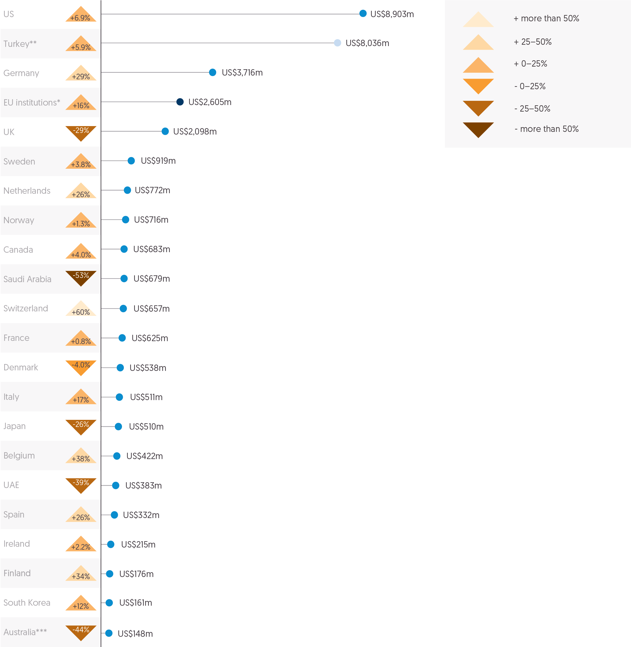
 | Country | 2019 (US$ millions) | 2020 (US$ millions) | % change, 2019–2020
 | US | 8,326 | 8,903 | 6.9%
 | Turkey** | 7,587 | 8,036 | 5.9%
 | Germany | 2,891 | 3,716 | 29%
 | EU institutions* | 2,247 | 2,605 | 16%
 | UK | 2,950 | 2,098 | -29%
 | Sweden | 886 | 919 | 3.8%
 | Netherlands | 613 | 772 | 26%
 | Norway | 707 | 716 | 1.3%
 | Canada | 657 | 683 | 4.0%
 | Saudi Arabia | 1,444 | 679 | -53%
 | Switzerland | 410 | 657 | 60%
 | France | 620 | 625 | 0.8%
 | Denmark | 560 | 538 | -4.0%
 | Italy | 438 | 511 | 17%
 | Japan | 687 | 510 | -26%
 | Belgium | 305 | 422 | 38%
 | UAE | 625 | 383 | -39%
 | Spain | 263 | 332 | 26%
 | Ireland | 210 | 215 | 2.2%
 | Finland | 131 | 176 | 34%
 | Korea | 144 | 161 | 12%
 | Australia*** | 262 | 148 | -44%

Figure 3.2
Global Humanitarian Assistance Report 2021
Chapter 3: Donors and recipients of humanitarian and wider crisis financing
Figure 3.2
Eight donors provided more than 0.1% of GNI as international humanitarian assistance in 2020
20 donors providing the most humanitarian assistance as percentage of GNI, 2020
Source: | Development Initiatives based on OECD DAC, UN OCHA FTS, UN CERF, World Bank World Development Indicators and International Monetary Fund World Economic Outlook data.
Notes: | GNI data for 2020 has been estimated using historical data on GNI and real GDP growth rates for 2020. 2020 data for OECD DAC is preliminary. Data is in constant 2019 prices. *Turkey is shaded differently because the humanitarian assistance it voluntarily reports to the DAC is largely expenditure on hosting Syrian refugees within Turkey, and so not strictly comparable with the international humanitarian assistance from other donors in this figure.
Geographical information: | Global
Author: | Carina Chicet

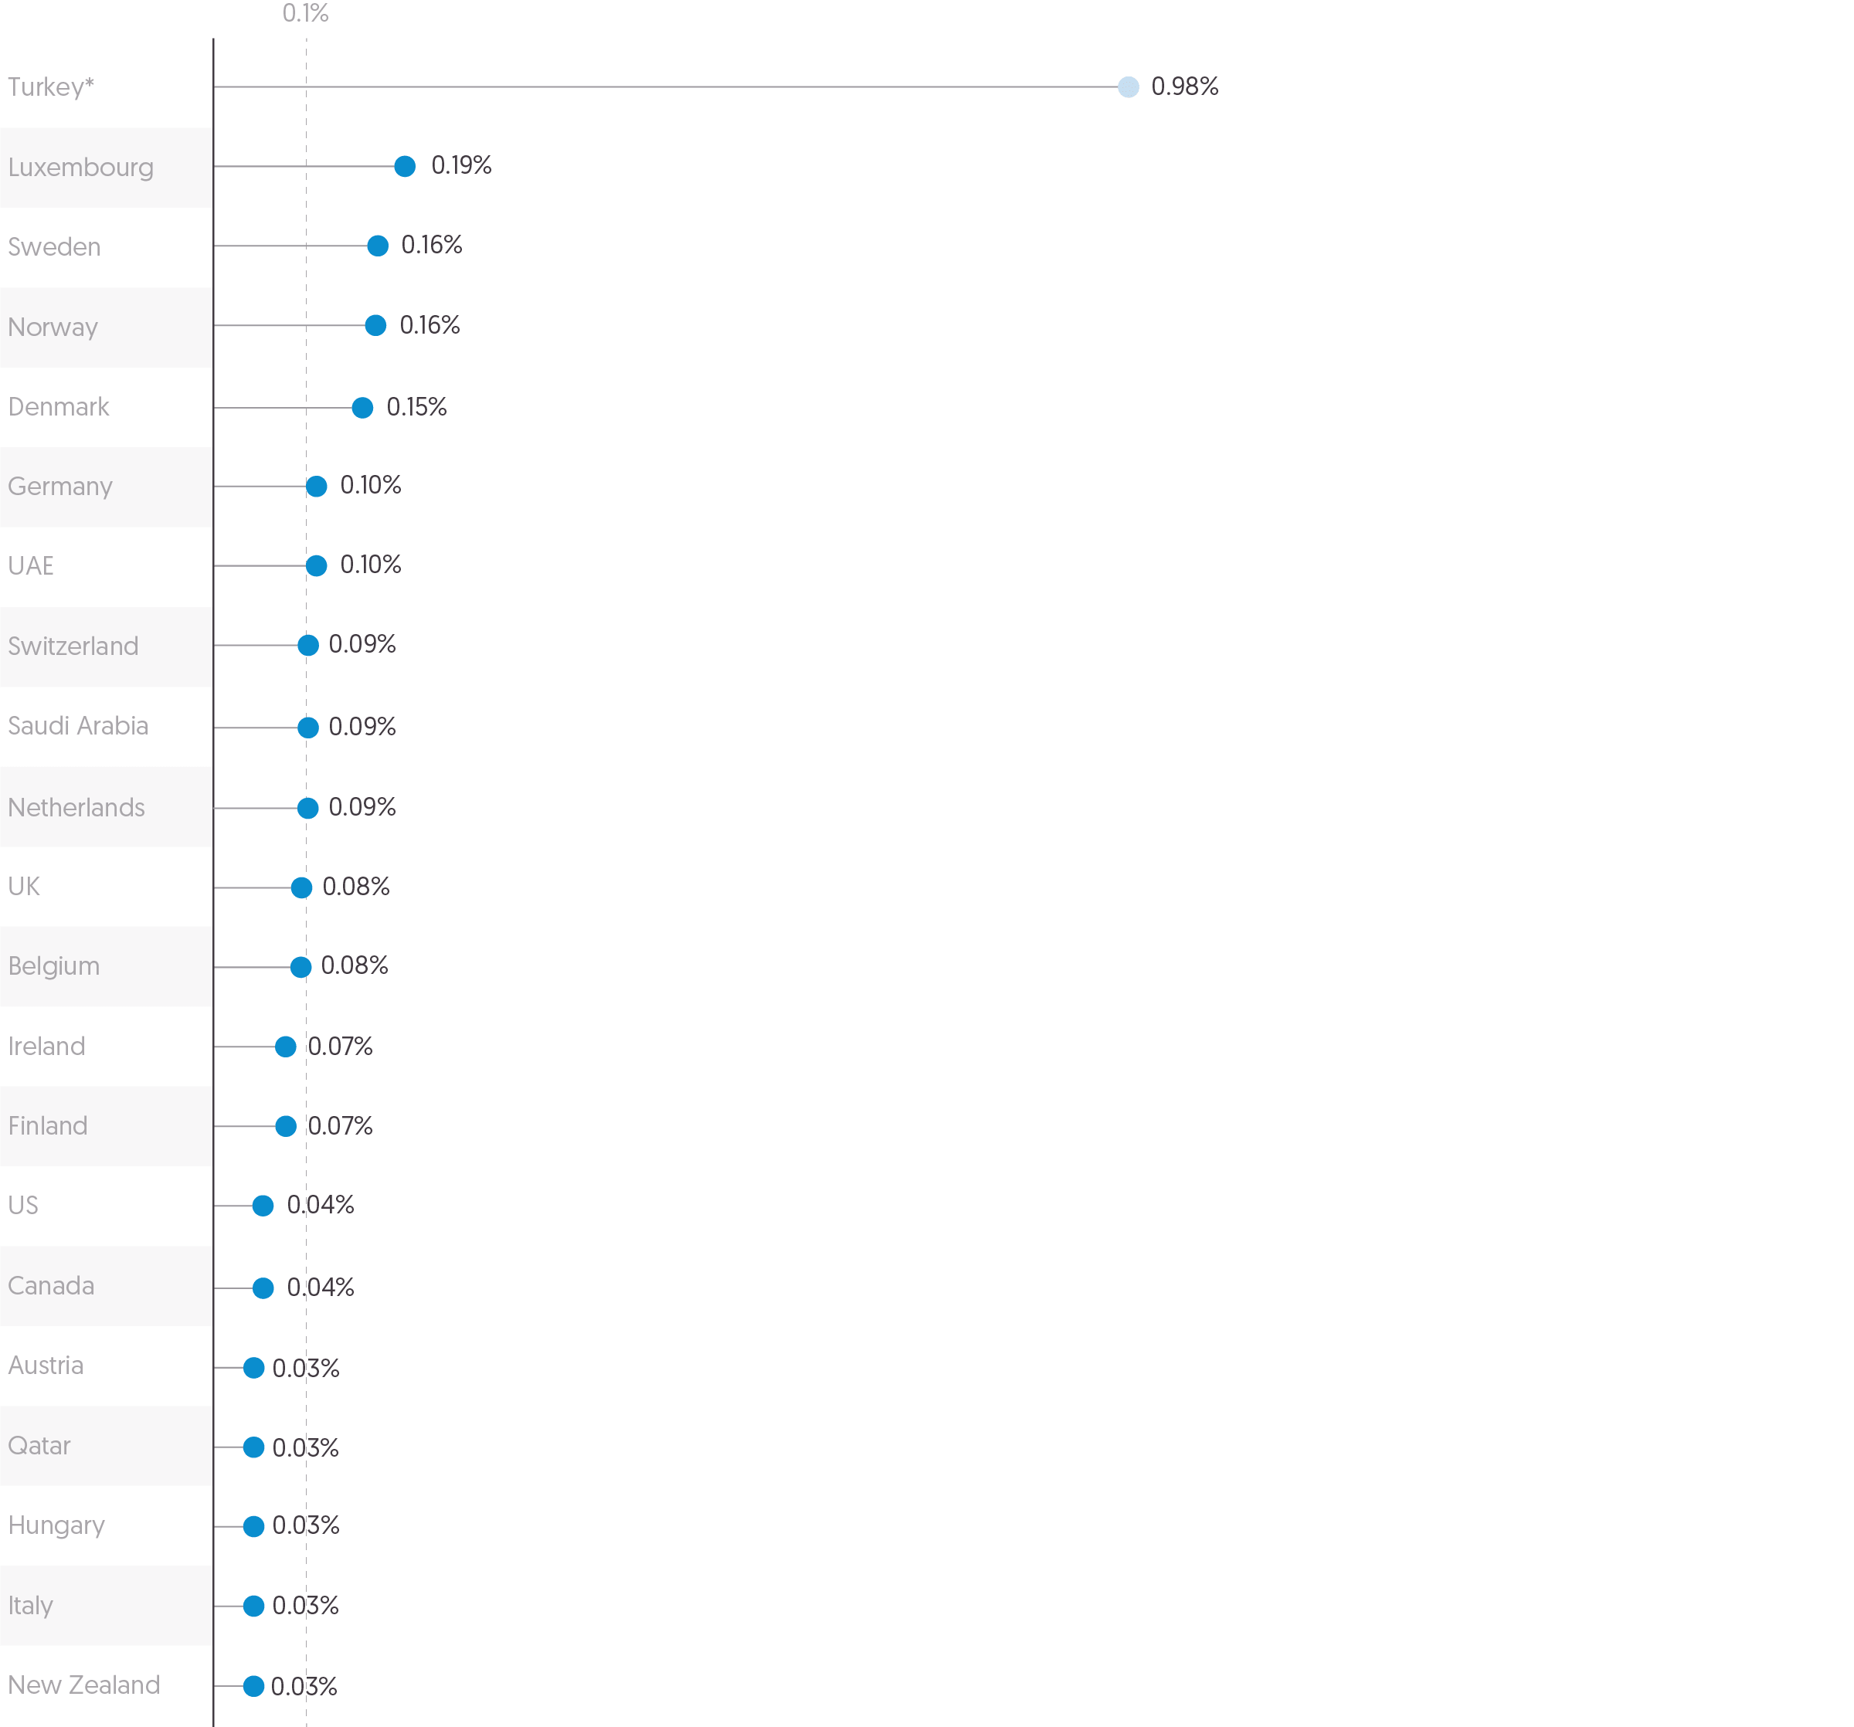
 | Country | 2019 | 2020 | % change, 2019–2020
 | Turkey* | 0.94% | 0.98% | 0.04%
 | Luxembourg | 0.17% | 0.19% | 0.03%
 | Sweden | 0.15% | 0.16% | 0.01%
 | Norway | 0.16% | 0.16% | 0.00%
 | Denmark | 0.15% | 0.15% | 0.00%
 | Germany | 0.07% | 0.10% | 0.03%
 | UAE | 0.15% | 0.10% | -0.05%
 | Switzerland | 0.06% | 0.09% | 0.04%
 | Saudi Arabia | 0.18% | 0.09% | -0.09%
 | Netherlands | 0.07% | 0.09% | 0.02%
 | UK | 0.10% | 0.08% | -0.02%
 | Belgium | 0.06% | 0.08% | 0.03%
 | Ireland | 0.07% | 0.07% | 0.00%
 | Finland | 0.05% | 0.07% | 0.02%
 | US | 0.04% | 0.04% | 0.00%
 | Canada | 0.04% | 0.04% | 0.00%
 | Austria | 0.02% | 0.03% | 0.01%
 | Qatar | 0.03% | 0.03% | 0.00%
 | Hungary | 0.02% | 0.03% | 0.01%
 | Italy | 0.02% | 0.03% | 0.01%
 | New Zealand | 0.02% | 0.03% | 0.00%

Figure 3.3
Global Humanitarian Assistance Report 2021
Chapter 3: Donors and recipients of humanitarian and wider crisis financing
Figure 3.3
The proportion of total private funding coming from individuals continues to grow
Sources of private international humanitarian assistance, 2015–2019
Source: | Development Initiatives based on GHA's unique dataset of private contributions.
Notes: | Data is in constant 2019 prices.
Geographical information: | Global
Author: | Elle Crossley

 | Year(s) | Individuals (US$ billions) | Trusts and foundations (US$ billions) | Companies and corporations (US$ billions) | National societies (US$ billions) | Other (US$ billions) | Total (US$ billions)
 | 2015 | 4.1 | 0.4 | 0.4 | 0.7 | 0.4 | 6.0
 | 2016 | 3.2 | 0.4 | 0.3 | 0.9 | 0.4 | 5.2
 | 2017 | 3.6 | 0.4 | 0.2 | 0.9 | 0.4 | 5.6
 | 2018 | 4.2 | 0.6 | 0.4 | 0.7 | 0.3 | 6.2
 | 2019 | 5.0 | 0.5 | 0.4 | 0.4 | 0.4 | 6.8
 | 2015–2019 | 20.3 | 2.4 | 1.7 | 3.5 | 2.0 | 29.8

 | Year(s) | Individuals | Trusts and foundations | Companies and corporations | National societies | Other | Total
 | 2015 | 68.3% | 7.0% | 6.1% | 11.4% | 7.3% | 100%
 | 2016 | 60.5% | 8.3% | 5.7% | 17.8% | 7.7% | 100%
 | 2017 | 65.2% | 6.7% | 3.8% | 16.4% | 8.0% | 100%
 | 2018 | 68.3% | 9.9% | 5.9% | 10.9% | 5.0% | 100%
 | 2019 | 74.3% | 7.6% | 6.1% | 5.8% | 6.2% | 100%
 | 2015–2019 | 68.0% | 8.0% | 5.6% | 11.8% | 6.6% | 100%

 | Total | Individuals | Foundations | Companies and corporations | National societies | Other
2015 | 6.025075693 | 4.1122774384 | 0.42174179459 | 0.36496144055 | 0.68438689712 | 0.44170812238
2016 | 5.2192090425 | 3.1559827263 | 0.43269703155 | 0.29684617667 | 0.93141332919 | 0.40226977885
2017 | 5.5969299382 | 3.6484201378 | 0.37293039514 | 0.21258744282 | 0.91668769421 | 0.44630426824
2018 | 6.2022075657 | 4.2384006992 | 0.61478508618 | 0.36590839736 | 0.6746044381 | 0.30850894485
2019 | 6.7732302822 | 5.0350190223 | 0.51330455983 | 0.41566212063 | 0.39125046848 | 0.41799411094
2015-2019 | 29.816652522 | 20.266768772 | 2.3991442068 | 1.6589486158 | 3.5211384646 | 1.9706524625

Figure 3.4
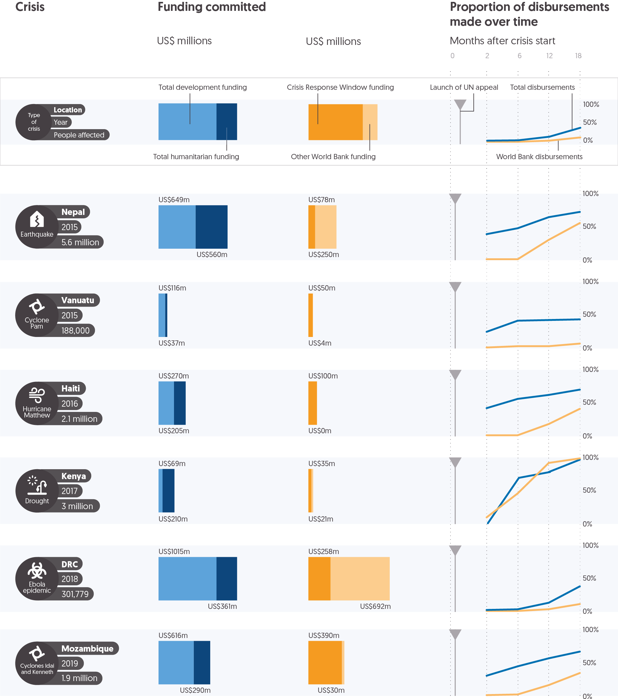
Global Humanitarian Assistance Report 2021
Chapter 3: Donors and recipients of humanitarian and wider crisis financing
Figure 3.4
The World Bank plays an important role in financing crisis responses
Case studies for World Bank crisis response
Source: | Centre for Disaster Protection and Development Initiatives, 2021. Funding disasters: tracking global humanitarian and development funding for response to natural hazards. Available at: https://www.disasterprotection.org/publications. Icons by UN OCHA.
Notes: | Data is for the 18 months after crisis onset. The number of people impacted is taken from EM-DAT, the international disasters database (www.emdat.be/), except for Democratic Republic of Congo (DRC), as the number of people affected was not available. The number of people vaccinated in DRC has instead been used here as a proxy measure of people at risk. Data is in current US$ prices.
Geographical information: | Global
Author: | Fran Girling

 | Type of crisis | Country | Year of crisis start | Number of people impacted | Launch of UN emergency appeal | Total development funding committed (US$ millions) | Total humanitarian funding committed (US$ millions) | Total World Bank funding committed (US$ millions) | Crisis Response Window funding committed (US$ millions) | Proportion of total disbursements made within 2 months | Proportion of total disbursements made within 6 months | Proportion of total disbursements made within 12 months | Proportion of total disbursements made within 18 months | Proportion of World Bank disbursements made within 2 months | Proportion of World Bank disbursements made within 6 months | Proportion of World Bank disbursements made within 12 months | Proportion of World Bank disbursements made within 18 months
 | Cyclone Pam | Vanuatu | 2015 | 188,000 | 2015-03-24 | 116 | 37 | 54 | 50 | 24% | 41% | 42% | 43% | 0% | 2% | 2% | 6%
 | Earthquake | Nepal | 2015 | 5,642,150 | 2015-04-29 | 649 | 560 | 328 | 78 | 39% | 48% | 65% | 73% | 0% | 0% | 30% | 56%
 | Hurricane Matthew | Haiti | 2016 | 2,100,439 | 2016-10-10 | 270 | 205 | 100 | 100 | 41% | 55% | 61% | 69% | 0% | 0% | 17% | 40%
 | Drought | Kenya | 2017 | 3,000,000 | 2017-03-15 | 69 | 210 | 56 | 35 | 9% | 46% | 93% | 100% | 0% | 70% | 79% | 98%
 | Ebola epidemic | DRC | 2018 | 301,779 | 2018-05-27 | 1015 | 361 | 950 | 258 | 3% | 4% | 14% | 39% | 0% | 0% | 3% | 12%
 | Cyclones Idai and Kenneth | Mozambique | 2019 | 1,901,594 | 2019-03-24 | 616 | 290 | 420 | 390 | 29% | 43% | 55% | 65% | 0% | 1% | 15% | 33%

Figure 3.6
Global Humanitarian Assistance Report 2021
Chapter 3: Donors and recipients of humanitarian and wider crisis financing
Figure 3.6
Between 2011 and 2018 the Crisis Response Window committed US$3.0 billion to crisis responses, of which over a third was to countries experiencing protracted crises
World Bank Crisis Response Window, commitments by year and type of crisis, 2011–2018
Source: | Centre for Disaster Protection.
Notes: | Data is based on CRW funding between 2011 and 2018. Data is in current US$ prices. Data relates to CRW responses to 4 public health emergencies, 14 droughts, 5 economic shocks, 7 tropical storms and 7 floods.
Geographical information: | Global
Author: | Fran Girling
Total commitments each year
 | Amount (US$ millions)
2011 | 256800000
2012 | 228200000
2013 | 201400000
2014 | 678120000
2015 | 334500000
2016 | 449900000
2017 | 824000000
2018 | 70000000

 | Year | Volume committed (US$ millions)
 | 2011 | 257
 | 2012 | 228
 | 2013 | 201
 | 2014 | 678
 | 2015 | 335
 | 2016 | 450
 | 2017 | 824
 | 2018 | 70

 | Type of crisis | Volume committed (US$ millions) between 2011 and 2018
 | Public health emergency | 620
 | Drought | 740
 | Economic shock | 222
 | Earthquake | 808
 | Tropical storm | 255
 | Flood | 398

Figure 3.7
Global Humanitarian Assistance Report 2021
Chapter 3: Donors and recipients of humanitarian and wider crisis financing
Figure 3.7
Most of the largest recipients received less humanitarian assistance for needs unrelated to Covid-19 in 2020 than they did in 2019
10 largest recipients of international humanitarian assistance, 2019–2020
Source: | Development Initiatives based on UN Office for the Coordination of Humanitarian Affairs Financial Tracking Service (FTS) data.
Notes: | Data is in constant 2019 prices and includes country-allocable amounts only. Funding for the Covid-19 response is based on DI's coding of FTS data aligned with destination emergency name, plan name and global cluster name on FTS.
Geographical information: | Global
Author: | Kirsty Lazer

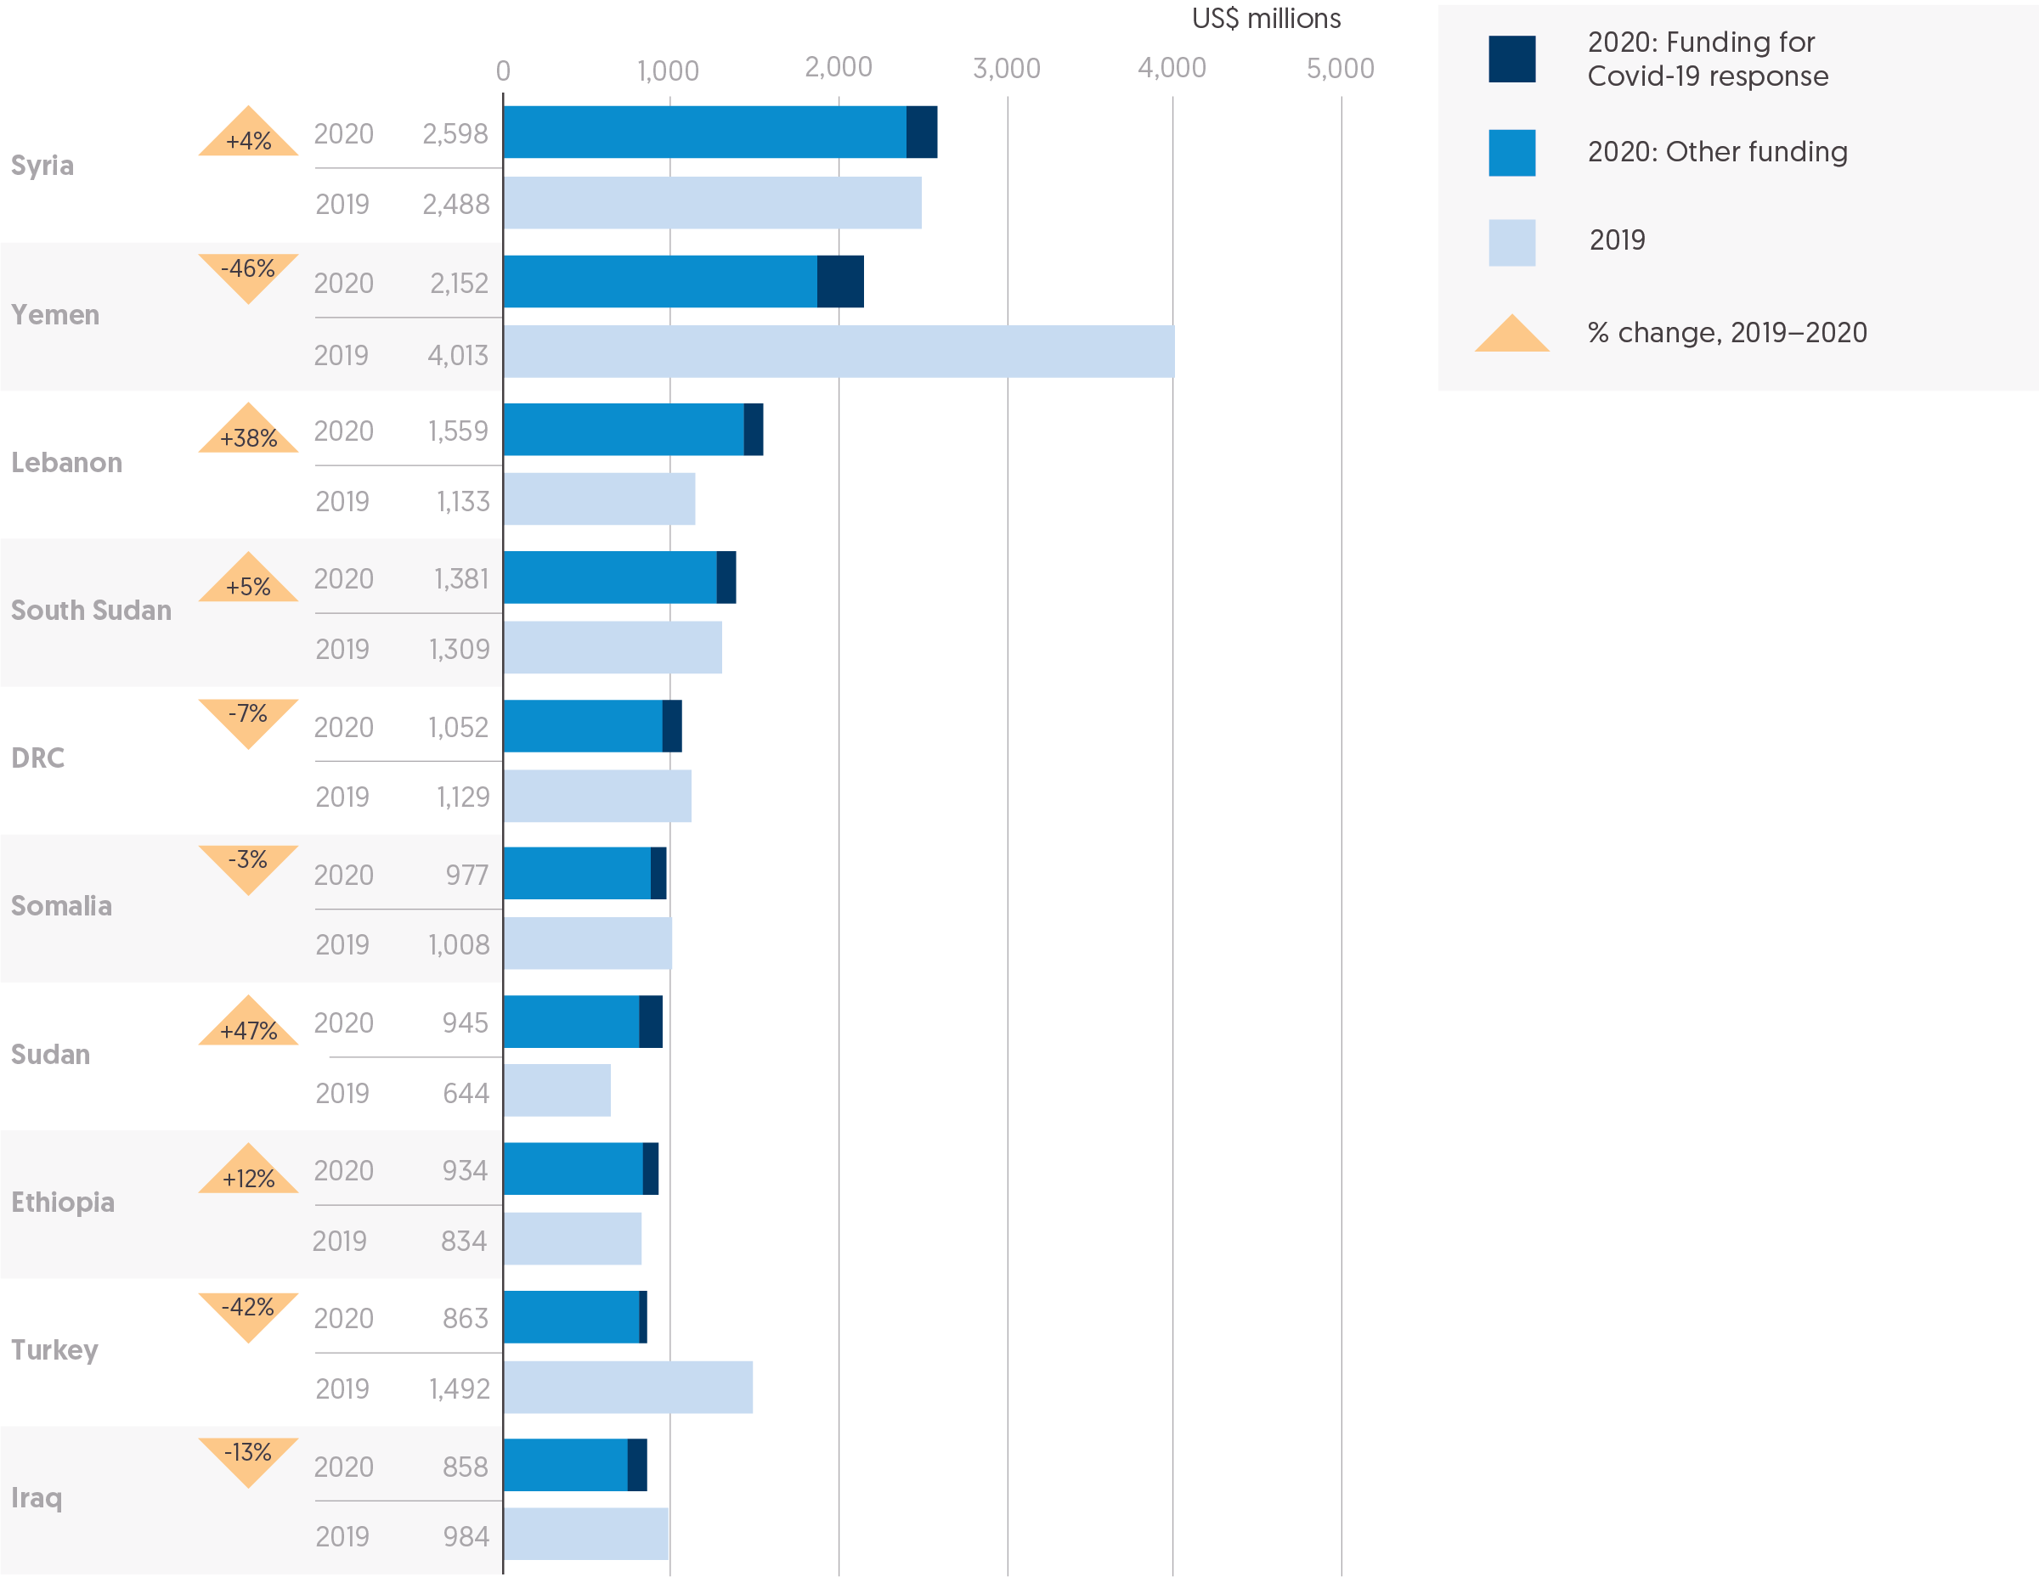
 | Rank | Country | 2019 | 2020: Funding for Covid-19 response (US$ millions) | 2020: Other funding (US$ millions) | 2020 total (US$ millions) | % change, 2019–2020
 | 1 | Syria | 2,488 | 183 | 2,416 | 2,598 | 4%
 | 2 | Yemen | 4,013 | 270 | 1,883 | 2,152 | -46%
 | 3 | Lebanon | 1,133 | 130 | 1,429 | 1,559 | 38%
 | 4 | South Sudan | 1,309 | 109 | 1,272 | 1,381 | 5%
 | 5 | DRC | 1,129 | 118 | 935 | 1,052 | -7%
 | 6 | Somalia | 1,008 | 90 | 886 | 977 | -3%
 | 7 | Sudan | 644 | 129 | 816 | 945 | 47%
 | 8 | Ethiopia | 834 | 108 | 827 | 934 | 12%
 | 9 | Turkey | 1,492 | 62 | 801 | 863 | -42%
 | 10 | Iraq | 984 | 122 | 737 | 858 | -13%

Figure 4.1
Global Humanitarian Assistance Report 2021
Chapter 4: Funding for effectiveness and efficiency
Figure 4.1
Most public assistance goes to multilateral organisations, while most private assistance goes to NGOs
Channels of delivery of international humanitarian assistance, 2019
Source: | Development Initiatives based on Organisation for Economic Co-operation and Development (OECD) Development Assistance Committee (DAC), UN Office for the Coordination of Humanitarian Affairs (OCHA) Financial Tracking Service (FTS) and UN Central Emergency Response Fund (CERF) data and Development Initiatives' unique dataset for private contributions.
Notes: | RCRC = International Red Cross and Red Crescent Movement. Our first-level recipient data from government sources and EU institutions uses OECD DAC Creditor Reporting System (CRS), CERF and UN OCHA FTS data. The figures in our calculations for total humanitarian assistance from OECD DAC donors use data from OECD DAC Tables 1, 2a, and 'Members' total use of the multilateral system', so totals may differ. 'Public sector' refers to both the OECD definition and reporting to the FTS. OECD DAC CRS codes 'other', 'not reported', 'public–private partnerships', 'private sector institutions' and 'teaching institutions, research institutes or think tanks' are merged to 'other'. Data is in constant 2019 prices.
Geographical information: | Global
Author: | Elle Crossley

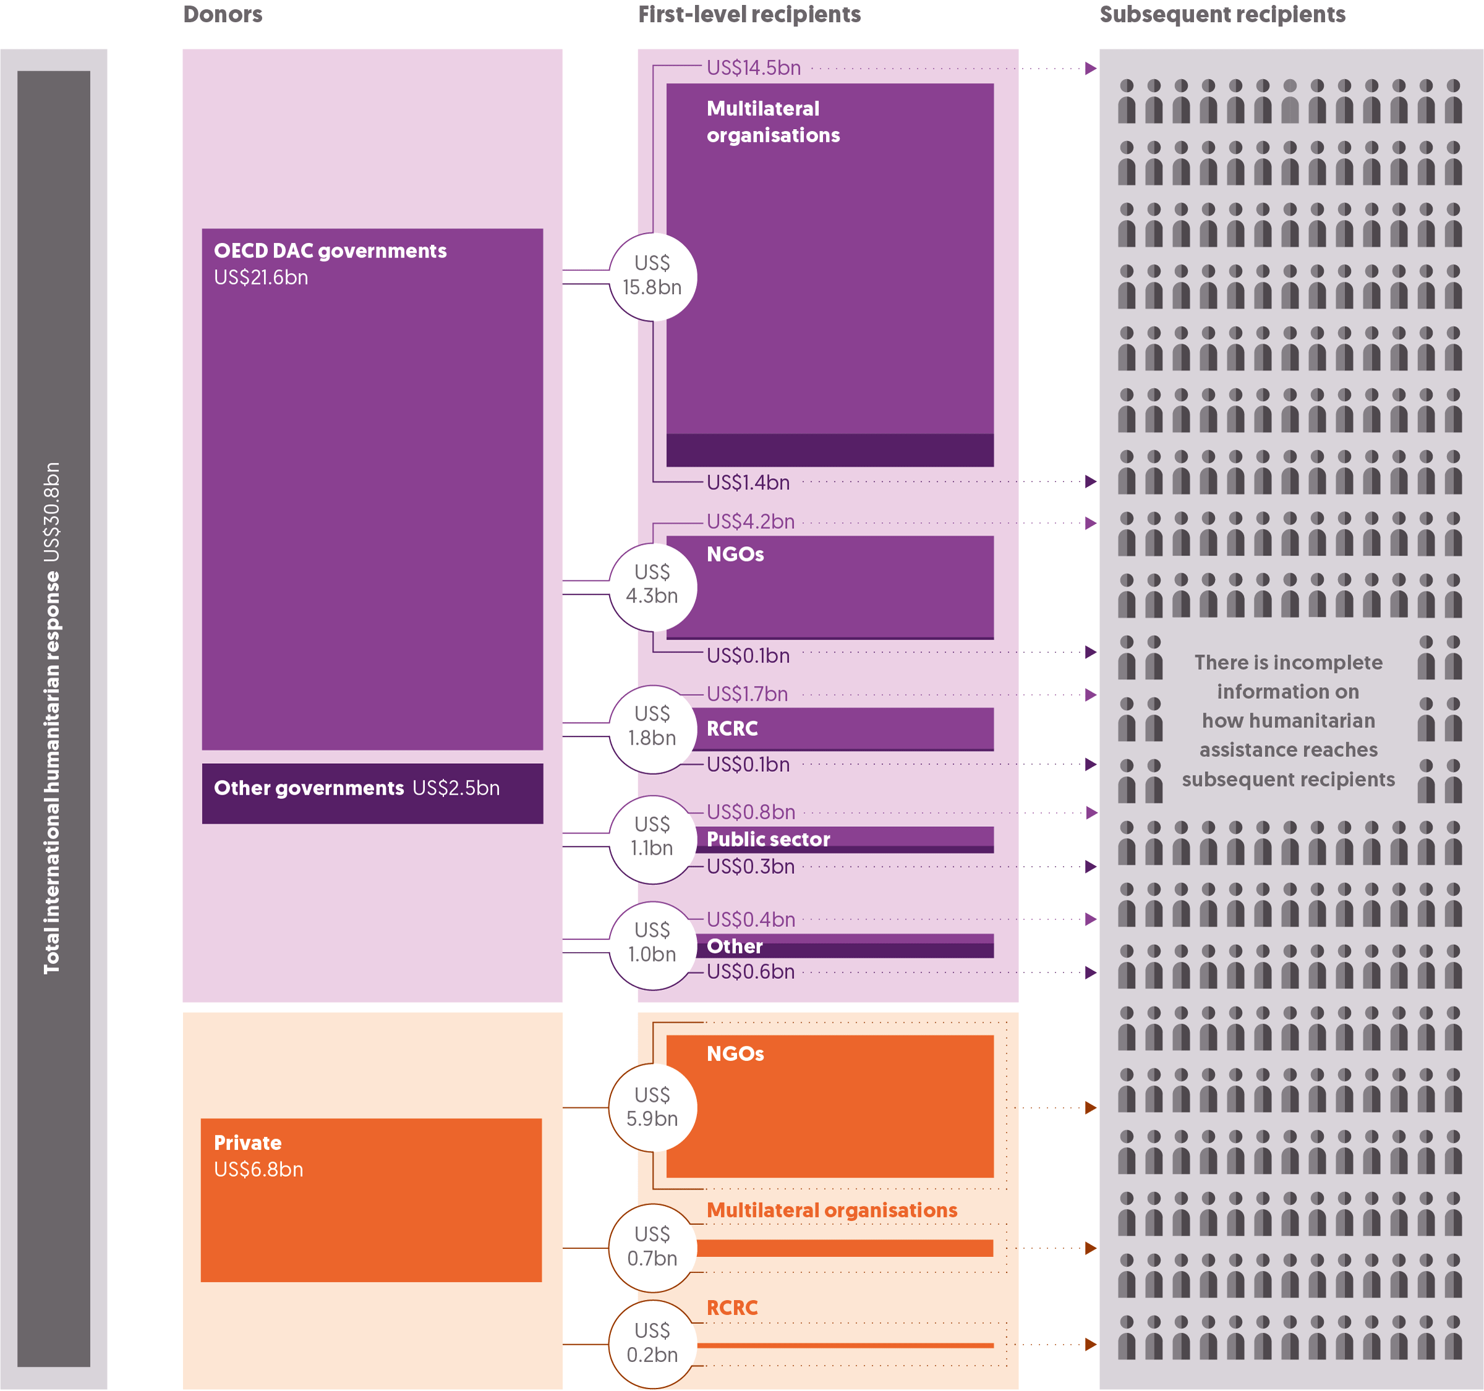
 | Donor | First-level recipient | Volume (US$ billions)
 | OECD DAC governments | Multilateral organisations | 14.5
 | OECD DAC governments | NGOs | 4.2
 | OECD DAC governments | RCRC | 1.7
 | OECD DAC governments | Public sector | 0.8
 | OECD DAC governments | Other | 0.4
 | OECD DAC governments | Total | 21.6
 | Other governments | Multilateral organisations | 1.4
 | Other governments | NGOs | 0.1
 | Other governments | RCRC | 0.1
 | Other governments | Public sector | 0.3
 | Other governments | Other | 0.6
 | Other governments | Total | 2.5
 | Private | Multilateral organisations | 0.7
 | Private | NGOs | 5.9
 | Private | RCRC | 0.2
 | Private | Total | 6.8

Figure 4.2
Global Humanitarian Assistance Report 2021
Chapter 4: Funding for effectiveness and efficiency
Figure 4.2
The volume and proportion of direct funding to local and national actors recovered in 2020 but remains far below global targets
Direct funding to local and national actors reporting to UN OCHA FTS, 2016–2020
Source: | Development Initiatives based on UN OCHA FTS data.
Notes: | National societies refers to National Red Cross and Red Crescent societies. RCRC national societies that received international humanitarian assistance to respond to domestic crises are included in local and national actors. Data is in constant 2019 prices. For organisation-coding methodology, see our online 'Methodology and definitions' (Chapter 5).
Geographical information: | Global
Author: | Elle Crossley

 |  | 2016 | 2017 | 2018 | 2019 | 2020
 | National governments (US$ millions) | 529 | 491 | 686 | 324 | 624
 | Local and national NGOs (US$ millions) | 65 | 125 | 110 | 109 | 103
 | National societies (US$ millions) | 22 | 9 | 11 | 15 | 29
 | Total funding to local and national actors (US$ millions) | 615 | 625 | 807 | 448 | 756
 | Direct funding to local and national actors as a % of total funding | 2.8% | 3.0% | 3.6% | 2.1% | 3.1%
Direct funding to local and national actors as % of total funding
 | Direct funding to local and national actors as % of total funding
2016 | 0.028277185959
2017 | 0.029940979111
2018 | 0.036471057767
2019 | 0.021205952322
2020 | 0.030885163054
Direct funding to local and national actors
 | National governments | Local and national NGOs | National societies
2016 | 528.71262185 | 64.688998349 | 21.880158636
2017 | 491.45183659 | 125.10386732 | 8.8221078976
2018 | 686.14202263 | 109.66931832 | 10.950544376
2019 | 323.60862547 | 108.90025466 | 15.014321189
2020 | 623.89228815 | 102.98041284 | 29.157160141

Figure 4.3
Global Humanitarian Assistance Report 2021
Chapter 4: Funding for effectiveness and efficiency
Figure 4.3
Funding to UN pooled funds falls in 2020
Total funding to UN-managed humanitarian pooled funds, 2011−2020
Source: | Development Initiatives based on UN OCHA's CBPF Grant Management System and UN CERF data.
Notes: | CBPFs = country-based pooled funds; CERF = Central Emergency Response Fund. CBPFs consist of funding from emergency response funds and common humanitarian funds. Total international humanitarian assistance used to calculate the share of pooled funding is total assistance from public donors excluding assistance from private sources. Annual figures include carry-overs from the previous year. Total international humanitarian assistance used to calculate the share of pooled funding includes only total assistance from public donors, excluding assistance from private sources. Data is in constant 2019 prices.
Geographical information: | Global
Author: | Kirsty Lazer

 | Fund type | 2011 | 2012 | 2013 | 2014 | 2015 | 2016 | 2017 | 2018 | 2019 | 2020
 | CERF (US$ millions) | 394 | 370 | 410 | 410 | 405 | 440 | 520 | 535 | 831 | 610
 | CBPFs (US$ millions) | 473 | 464 | 419 | 541 | 620 | 753 | 868 | 967 | 946 | 853
 | Total (US$ millions) | 867 | 834 | 829 | 951 | 1,025 | 1,193 | 1,388 | 1,502 | 1,777 | 1,463
 | Pooled funds as a % of total international humanitarian assistance | 6.4% | 6.8% | 5.7% | 5.3% | 5.1% | 5.5% | 6.1% | 6.0% | 7.4% | 6.1%
Volumes of funding to CBPFs and CERF
 | CERF | CBPFs | Total
2011 | 393.85985975 | 473.17016812 | 867.03002787
2012 | 370.08819247 | 463.70922371 | 833.79741618
2013 | 409.5808758 | 419.35632457 | 828.93720036
2014 | 409.98233595 | 540.57651513 | 950.55885109
2015 | 405.102002 | 620.1869744 | 1025.2889764
2016 | 439.77563507 | 753.19872261 | 1192.9743577
2017 | 520.34771755 | 868.14762599 | 1388.4953435
2018 | 534.52907123 | 967.09317645 | 1501.6222477
2019 | 831.379331 | 945.69321849 | 1777.0725495
2020 | 610.20990041 | 853.11470274 | 1463.3246031

Pooled funds as a percentage of total international humanitarian assistance
 | Pooled funds as a percentage of total international humanitarian assistance
2011 | 0.063721754334
2012 | 0.068198599739
2013 | 0.057070162251
2014 | 0.052537678654
2015 | 0.051309994627
2016 | 0.054629456495
2017 | 0.061217225468
2018 | 0.059825809822
2019 | 0.073843277465
2020 | 0.060597949293

Figure 4.4
Global Humanitarian Assistance Report 2021
Chapter 4: Funding for effectiveness and efficiency
Figure 4.4
The proportion of funding from CBPFs to national organisations continues to grow despite overall decrease in volume of CBPF allocations
UN-managed country-based pooled funds by recipient type, 2016–2020
Source: | Development Initiatives based on UN OCHA's CBPF Grant Management System.
Notes: | CBPF = Country-based pooled fund; RCRC = Red Cross Red Crescent societies. ‘Net allocations’ includes funds provided to humanitarian organisations either as a primary recipient or as a sub-grantee (as some organisations may sub-grant part of their funding budget to another organisation). ‘Indirect funding’ refers to funding granted to national actors as a sub-grant (for example, from international NGOs). ‘National actors’ includes funding to national NGOs, governments and others as well as private contractors. ‘National actors’ may also include local ones. The organisation classifications in this figure are from CBPFs and may differ from DI’s organisation-coding (see our online ‘Methodology and definitions’, Chapter 5). Data is in constant 2019 prices.
Geographical information: | Global
Author: | Kirsty Lazer

 |  | 2016 | 2017 | 2018 | 2019 | 2020 |  | 2016 | 2017 | 2018 | 2019 | 2020
 | International NGOs (US$ millions) | 342 | 313 | 356 | 459 | 377 | Direct funding to national NGOs (US$ millions) | 141 | 170 | 211 | 255 | 236
 | RCRC (US$ millions) | 9 | 9 | 11 | 11 | 19 | Indirect to funding national NGOs (US$ millions) | 33 | 37 | 30 | 64 | 63
 | UN agencies (US$ millions) | 228 | 193 | 236 | 222 | 193 | Indirect funding to other national actors (US$ millions) | 10 | 7 | 8 | 18 | 8
 | National actors (US$ millions) | 184 | 214 | 249 | 336 | 307 | Allocations to national actors (US$ millions) | 184 | 214 | 249 | 336 | 307
 | Net allocations from CBPFs (US$ millions) | 764 | 728 | 852 | 1028 | 897
 | Funding to national actors as % of total funding | 24% | 29% | 29% | 33% | 34%

Net allocations from CBPFs by recipient type
 | National actors | RCRC | International NGOs | UN agencies | Total | Funding to national actors as % of total funding
2016 | 184.43948461 | 9.2807336081 | 342.02348709 | 228.06570835 | 763.80941366 | 0.24147317553
2017 | 213.6970712 | 8.6380528943 | 312.80463422 | 192.54721802 | 727.68697633 | 0.29366620285
2018 | 248.98711016 | 10.916780703 | 355.9979802 | 235.91735438 | 851.81922543 | 0.29230041155
2019 | 336.12605098 | 11.30224072 | 459.34818902 | 221.6460613 | 1028.422542 | 0.32683652608
2020 | 306.83185798 | 19.376257357 | 377.40541009 | 193.36696375 | 896.98048918 | 0.34207194213

Allocations to national actors
 | Direct funding to national NGOs | Indirect to funding national NGOs | Indirect funding to other national actors | Total
2016 | 140.70600933 | 33.31980391 | 10.413671374 | 184.43948461
2017 | 170.4014154 | 36.593127441 | 6.7025283633 | 213.6970712
2018 | 211.02361469 | 29.716871055 | 8.2466244122 | 248.98711016
2019 | 254.69849611 | 63.92344044 | 17.50411443 | 336.12605098
2020 | 235.84955368 | 63.027054159 | 7.9552501422 | 306.83185798

Figure 4.5
Global Humanitarian Assistance Report 2021
Chapter 4: Funding for effectiveness and efficiency
Figure 4.5
Unearmarked funding increased significantly by volume in 2020, although as a proportion of total funding it remained below 2016 levels
Proportion of resources received by UN agencies reported as earmarked and unearmarked, 2016–2020
Source: | Development Initiatives based on data provided bilaterally by UN agencies.
Notes: | The calculations comprise earmarked and unearmarked humanitarian and humanitarian-related contributions given to the Food and Agriculture Organization (FAO), International Organization for Migration (IOM), UN Development Programme (UNDP), UN OCHA, UN High Commissioner for Refugees (UNHCR), UN International Children's Emergency Fund (UNICEF), UN Relief and Works Agency for Palestine Refugees in the Near East (UNRWA), the World Food Programme (WFP), and the World Health Organization (WHO). 2020 data for IOM and UNDP is not available at the time of writing so values included are estimates. Data is in constant 2019 prices.
Geographical information: | Global
Author: | Elle Crossley

 |  | 2016 | 2017 | 2018 | 2019 | 2020
 | Earmarked funding (US$ billions) | 11.9 | 12.6 | 13.9 | 15.7 | 16.8
 | Unearmarked funding (US$ billions) | 2.8 | 2.8 | 2.9 | 2.6 | 3.3
 | Total (US$ billions) | 14.7 | 15.4 | 16.8 | 18.2 | 20.2
 | Unearmarked funding as a % of total | 19% | 18% | 17% | 14% | 17%

Total funding to nine UN agencies
 | Unearmarked funding | Earmarked funding | Total
2016 | 2.804865467 | 11.915052296 | 14.719917763
2017 | 2.7752966567 | 12.587091559 | 15.362388215
2018 | 2.8709579186 | 13.897821012 | 16.768778931
2019 | 2.5562485498 | 15.657047704 | 18.213296253
2020 | 3.3399663526 | 16.821865161 | 20.161831513
Unearmarked funding as a % of total
2016 | 0.1905489903
2017 | 0.1806552873
2018 | 0.17120852571
2019 | 0.14035068195
2020 | 0.16565788432

Figure 4.6
Global Humanitarian Assistance Report 2021
Chapter 4: Funding for effectiveness and efficiency
Figure 4.6
Donors have increased the proportion of assistance provided as multi-year funding since 2016, despite a reduction in 2020
Multi-year humanitarian funding as a proportion of overall funding provided by donors, 2016–2020
Source: | Development Initiatives (DI) based on data provided bilaterally and from the International Aid Transparency Initiative (IATI). Data was collected directly from government donors and the EU between April and August 2019 for the years 2016 to 2018, and during May 2021 for the years 2019 and 2020.
Notes: | Data for 2020 is preliminary for some donors. The definition applied to multi-year funding is in line with that of Grand Bargain workstream on enhanced quality funding; it includes funding agreements that span 24 months or longer for all years shown in the graph. Data from 2016 to 2018 includes 10 government donors and the EU. Eight of these governments also provided data for 2019 and 2020, with seven additional Grand Bargain member states also providing data for those years that had not provided data for previous years. Data on funding for between 12 and 24 months was only requested for 2019 and 2020 and not all donors were able to provide this breakdown; where this breakdown was not provided, funding is captured as single-year.
Geographical information: | Global
Author: | Niklas Rieger

 | Year | Multi-year funding | Funding for between 12 and 24 months | Single-year funding
 | 2016 | 27% |  | 73%
 | 2017 | 30% |  | 70%
 | 2018 | 34% |  | 66%
 | 2019 | 50% | 23% | 27%
 | 2020 | 42% | 27% | 32%

 | Multi-year funding | Funding for between 12 and 24 months | Single-year funding
2016 | 0.26827728007 |  | 0.73172271993
2017 | 0.29665080389 |  | 0.70334919611
2018 | 0.33619454514 |  | 0.66380545486
2019 | 0.5001000928 | 0.23196792369 | 0.26793198351
2020 | 0.4166907474 | 0.26619625232 | 0.31711300028

Figure 4.7
Global Humanitarian Assistance Report 2021
Chapter 4: Funding for effectiveness and efficiency
Figure 4.7
Growth in volumes of humanitarian cash and voucher assistance continued in 2020
Total funding for humanitarian cash and voucher assistance, 2015–2020
Source: | Development Initiatives based on data collected with the help of the Cash Learning Partnership from implementing partners and on UN OCHA FTS data.
Notes: | CVA = cash and voucher assistance; RCRC = International Red Cross and Red Crescent Movement. Data for 2020 is preliminary as data for some organisations has not yet been provided or is based on estimations. Double counting of CVA programmes that are sub-granted from one implementing partner to another is avoided where data on this is available. Programming costs are estimates for organisations that provided only the amount transferred to beneficiaries. Data is not available for all included organisations across all years. For instance, the RCRC started to systematically track CVA only in 2017. Data is in current prices.
Geographical information: | Global
Author: | Niklas Rieger

 |  | 2015 | 2015 | 2016 | 2016 | 2017 | 2017 | 2018 | 2018 | 2019 | 2019 | 2020 | 2020
 |  | Transfer value (US$ billions) | Total programming costs (US$ billions) | Transfer value (US$ billions) | Total programming costs (US$ billions) | Transfer value (US$ billions) | Total programming costs (US$ billions) | Transfer value (US$ billions) | Total programming costs (US$ billions) | Transfer value (US$ billions) | Total programming costs (US$ billions) | Transfer value (US$ billions) | Total programming costs (US$ billions)
 | NGOs | 0.4 | 0.5 | 0.6 | 0.7 | 0.7 | 0.9 | 0.7 | 0.9 | 0.8 | 1.0 | 1.2 | 1.5
 | RCRC | 0.1 | 0.1 | 0.1 | 0.1 | 0.8 | 1.0 | 0.7 | 1.0 | 0.8 | 1.1 | 0.9 | 1.1
 | UN agencies | 1.0 | 1.4 | 1.6 | 2.0 | 1.7 | 2.2 | 2.1 | 2.8 | 2.7 | 3.5 | 2.9 | 3.7
 | Other | 0.002 | 0.004 | 0.003 | 0.004 | 0.07 | 0.10 | 0.009 | 0.012 | 0.001 | 0.002 | - | -
 | Total | 1.5 | 2.0 | 2.2 | 2.8 | 3.2 | 4.3 | 3.6 | 4.7 | 4.3 | 5.6 | 5.0 | 6.3

 | NGOs | RCRC | UN agencies | Other | Total
2015 Transfer value | 0.40773387014 | 0.063271597215 | 1.003620406 | 0.002202664714 | 1.4768285381
2015 Total programming costs | 0.54063085865 | 0.10222131621 | 1.3890244703 | 0.00390815 | 2.0357847952
2016 Transfer value | 0.55306689633 | 0.058321533022 | 1.568 | 0.0026344611169 | 2.1820228905
2016 Total programming costs | 0.72828547285 | 0.094342218031 | 1.9838158476 | 0.0044374459836 | 2.8108809845
2017 Transfer value | 0.68237341121 | 0.78002029359 | 1.7140394355 | 0.072782850519 | 3.2492159908
2017 Total programming costs | 0.93346785736 | 1.02288392 | 2.2477150801 | 0.095444193 | 4.2995110505
2018 Transfer value | 0.66345719105 | 0.72945659703 | 2.1492097244 | 0.0089921274545 | 3.55111564
2018 Total programming costs | 0.86537872369 | 0.95657693722 | 2.818378042 | 0.011791876 | 4.6521255789
2019 Transfer value | 0.80083783337 | 0.8470326813 | 2.6912909625 | 0.0012371440195 | 4.3403986212
2019 Total programming costs | 1.0161982699 | 1.1025380825 | 3.5031125042 | 0.001586542 | 5.6234353985
2020 Transfer value | 1.2310102277 | 0.89072377701 | 2.8942567238 | 0 | 5.0159907285
2020 Total programming costs | 1.4894003594 | 1.1412596932 | 3.7083309394 | 0 | 6.338990992

