Figure 1
How are aid budgets changing due to the Covid-19 crisis?
Key facts
Figure 1
Title | Total commitments reported to IATI by selected bilateral and multilateral donors in the first five months of 2019 and 2020
Source: | Development Initiatives based on IATI
Notes:
Long description: | Bilateral aid commitments reported to IATI in the first five months of 2020 (US$16.9 billion) are lower than expected and a third less than that of the same period in 2019 (US$23.9 billion). Unlike bilateral donors, multilateral donors have increased their commitments published through IATI in the first five months of 2020 (US$48.8 billion) compared with the same period in 2019 (US$28.7 billion) and what would be expected without the crisis.
Geographical information: | Global
Author: | Dean Breed and Lewis Sternberg

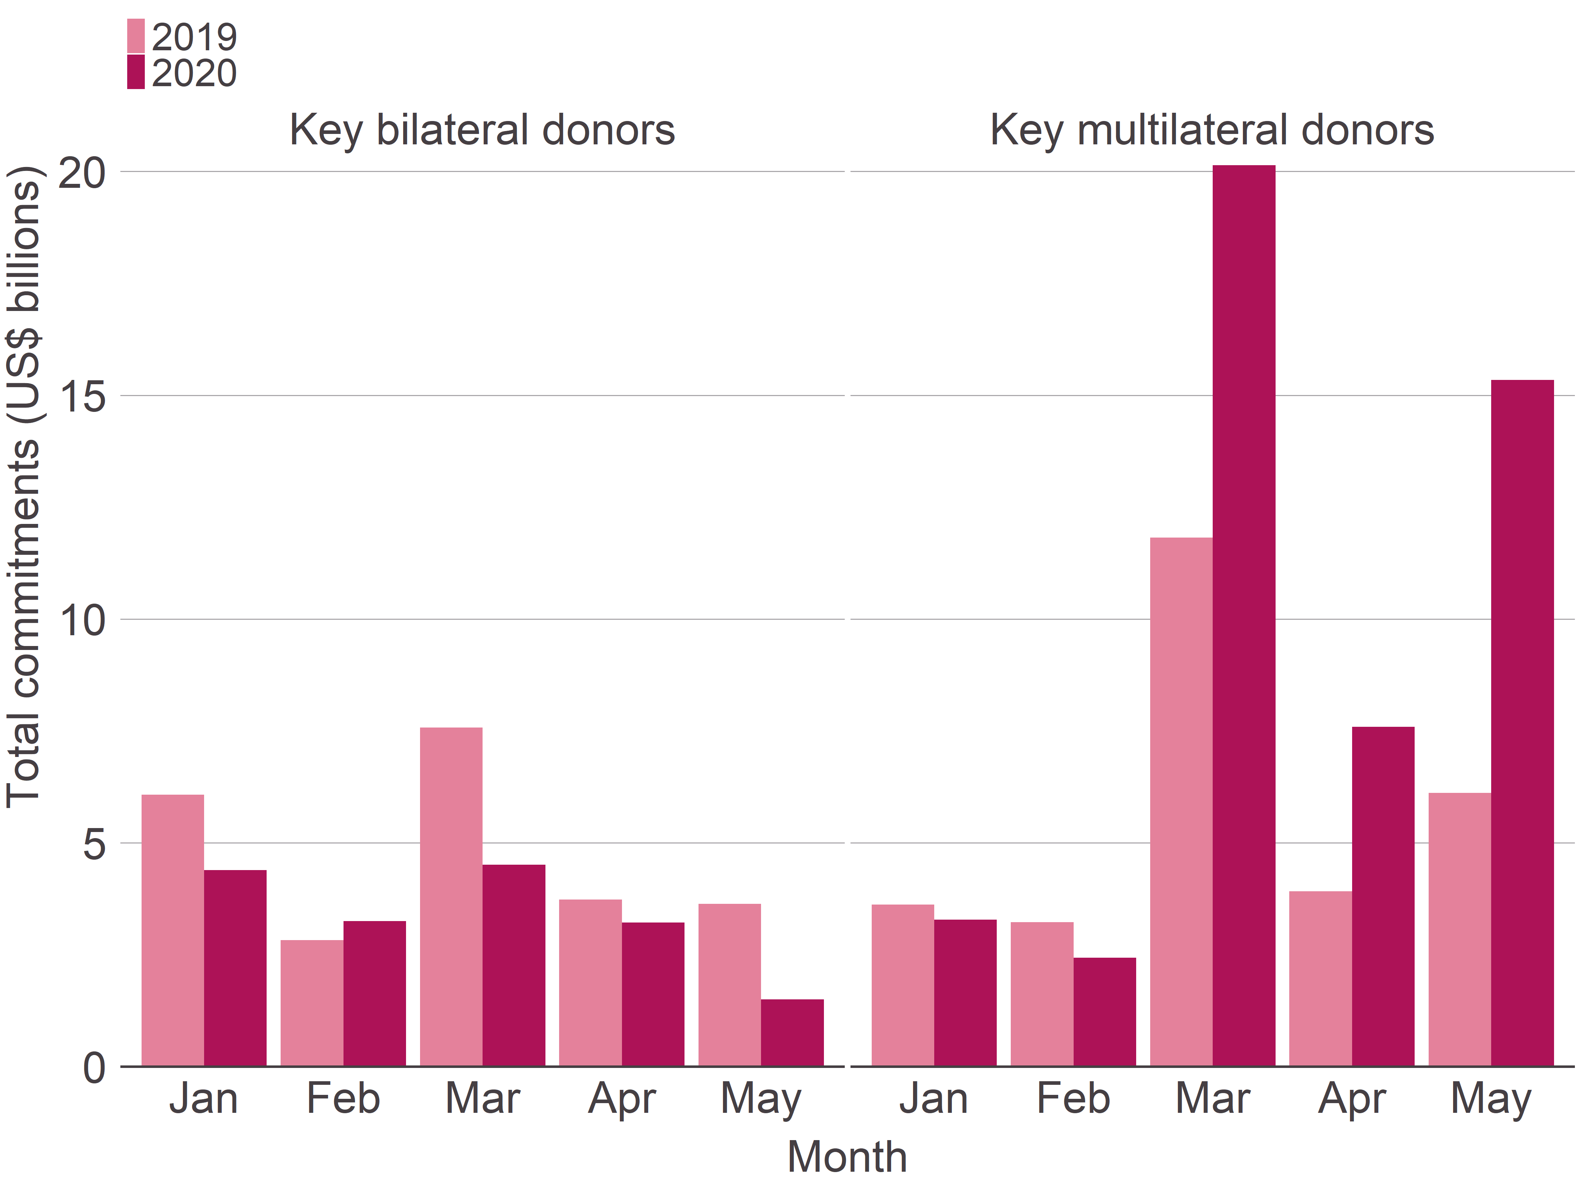
Month | Year | Total commitments (US$ billions) | Donor type
January | 2019 | 6.1 | Key bilateral donors
February | 2019 | 2.8 | Key bilateral donors
March | 2019 | 7.6 | Key bilateral donors
April | 2019 | 3.7 | Key bilateral donors
May | 2019 | 3.6 | Key bilateral donors
January | 2020 | 4.4 | Key bilateral donors
February | 2020 | 3.2 | Key bilateral donors
March | 2020 | 4.5 | Key bilateral donors
April | 2020 | 3.2 | Key bilateral donors
May | 2020 | 1.5 | Key bilateral donors
January | 2019 | 3.6 | Key multilateral donors
February | 2019 | 3.2 | Key multilateral donors
March | 2019 | 11.8 | Key multilateral donors
April | 2019 | 3.9 | Key multilateral donors
May | 2019 | 6.1 | Key multilateral donors
January | 2020 | 3.3 | Key multilateral donors
February | 2020 | 2.4 | Key multilateral donors
March | 2020 | 20.1 | Key multilateral donors
April | 2020 | 7.6 | Key multilateral donors
May | 2020 | 15.3 | Key multilateral donors

Figure 2
How are aid budgets changing due to the Covid-19 crisis?
Key facts
Figure 2
Title | Total health commitments reported to IATI by selected bilateral and multilateral donors in the first five months of 2019 and 2020
Source: | Development Initiatives based on IATI
Notes:
Long description: | There is a large spike in commitments to the health sector in May 2020. This mainly due to key multilateral donors publishing US$4.1 billion worth of commitments to the sector; the total commitments to the health sector published to IATI in May 2020 (US$4.3 billion) is greater than that of the May 2019 (US$1.0 billion). The next largest month of commitments in 2020 is in March (US$1.7 billion); again, this is largely from key multilateral donors.
Geographical information: | Global
Author: | Dean Breed and Lewis Sternberg

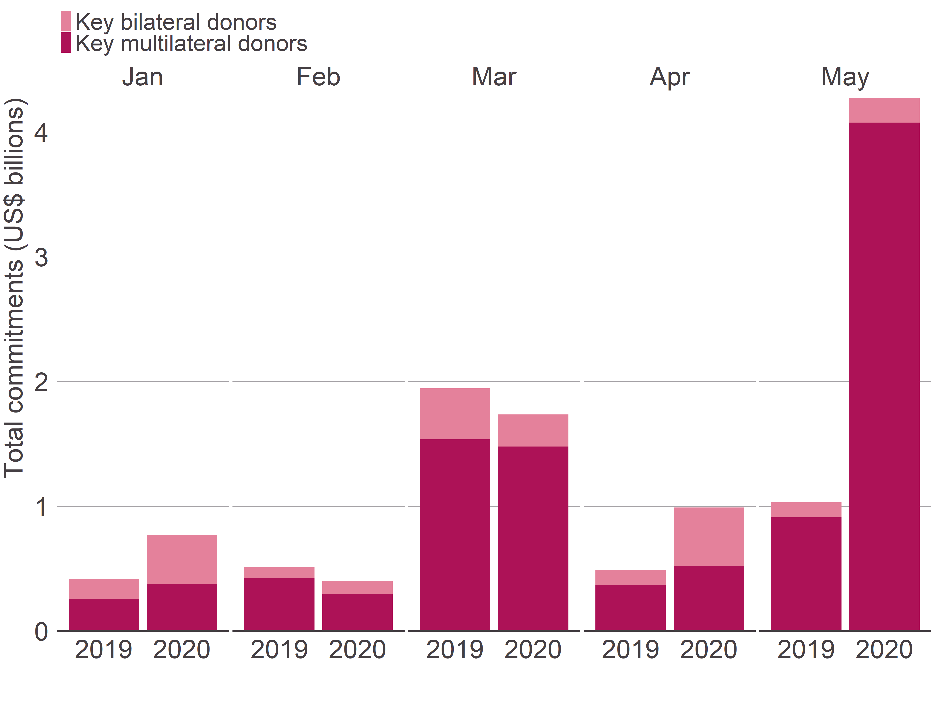
Month | Year | Total commitments (US$ billions) | Donor type
January | 2019 | 0.2 | Key bilateral donors
January | 2019 | 0.3 | Key multilateral donors
January | 2020 | 0.4 | Key bilateral donors
January | 2020 | 0.4 | Key multilateral donors
February | 2019 | 0.1 | Key bilateral donors
February | 2019 | 0.4 | Key multilateral donors
February | 2020 | 0.1 | Key bilateral donors
February | 2020 | 0.3 | Key multilateral donors
March | 2019 | 0.4 | Key bilateral donors
March | 2019 | 1.5 | Key multilateral donors
March | 2020 | 0.3 | Key bilateral donors
March | 2020 | 1.5 | Key multilateral donors
April | 2019 | 0.1 | Key bilateral donors
April | 2019 | 0.4 | Key multilateral donors
April | 2020 | 0.5 | Key bilateral donors
April | 2020 | 0.5 | Key multilateral donors
May | 2019 | 0.1 | Key bilateral donors
May | 2019 | 0.9 | Key multilateral donors
May | 2020 | 0.2 | Key bilateral donors
May | 2020 | 4.1 | Key multilateral donors

Figure 3
How are aid budgets changing due to the Covid-19 crisis?
Key facts
Figure 3
Title | Total water and sanitation commitments reported to IATI by selected bilateral and multilateral donors in the first five months of 2019 and 2020
Source: | Development Initiatives based on IATI
Notes:
Long description: | Commitments published to IATI in the water and sanitation sector see a large spike in March 2020 (US$3.1 billion), mainly due to commitments by key multilateral donors (US$3.0 billion). The level in March 2020 is much higher than in March 2019 (US$0.8 billion). In all other months in both 2019 and 2020 (up to and including May 2020) commitments are less than US$0.5 billion.
Geographical information: | Global
Author: | Dean Breed and Lewis Sternberg

Month | Year | Total commitments (US$ billions) | Donor type
January | 2019 | 0.1 | Key bilateral donors
January | 2019 | 0.3 | Key multilateral donors
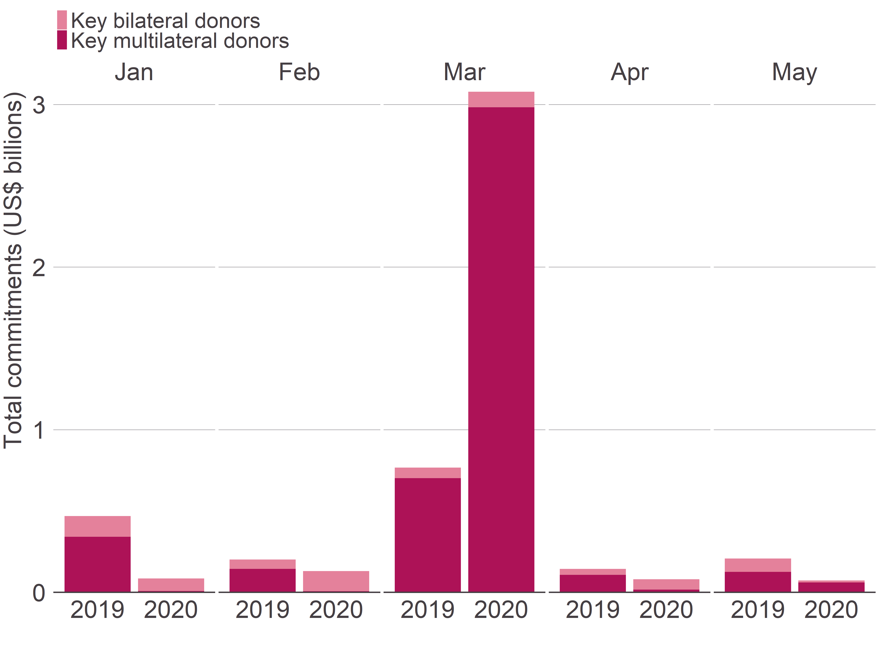
January | 2020 | 0.1 | Key bilateral donors
January | 2020 | 0.0 | Key multilateral donors
February | 2019 | 0.1 | Key bilateral donors
February | 2019 | 0.1 | Key multilateral donors
February | 2020 | 0.1 | Key bilateral donors
February | 2020 | 0.0 | Key multilateral donors
March | 2019 | 0.1 | Key bilateral donors
March | 2019 | 0.7 | Key multilateral donors
March | 2020 | 0.1 | Key bilateral donors
March | 2020 | 3.0 | Key multilateral donors
April | 2019 | 0.0 | Key bilateral donors
April | 2019 | 0.1 | Key multilateral donors
April | 2020 | 0.1 | Key bilateral donors
April | 2020 | 0.0 | Key multilateral donors
May | 2019 | 0.1 | Key bilateral donors
May | 2019 | 0.1 | Key multilateral donors
May | 2020 | 0.0 | Key bilateral donors
May | 2020 | 0.1 | Key multilateral donors

January
February
March
April
May

Figure 4
How are aid budgets changing due to the Covid-19 crisis?
Global analysis
Figure 4
Title | Total commitments reported to IATI by selected bilateral donors
Source: | Development Initiatives based on IATI
Notes: | The error bars denote the 90% confidence interval for commitment value from the selected multilateral donors in 2020. Where the actual value is outside this range, this is considered a statistically significant change.
Long description: | Bilateral aid commitments reported to IATI in the first five months of 2020 are lower than expected and a third less than the same period in 2019. In particular, in March, the actual value of commitments (US$4.5 billion) was significantly lower than the expected value (US$8.5 billion).
Geographical information: | Global
Author: | Dean Breed and Lewis Sternberg

Month | Variable | Total commitments (US$ billions)
January | Expected | 6.7
January | CI - UL | 9.9
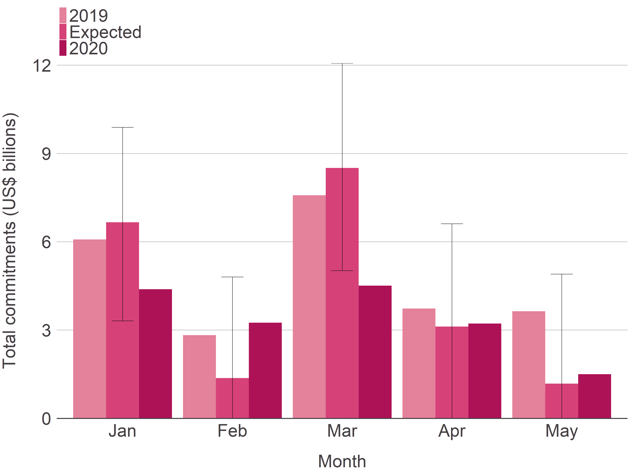
January | CI - LL | 3.3
January | 2019 | 6.1
January | 2020 | 4.4
February | Expected | 1.4
February | CI - UL | 4.8
February | CI - LL | 0.0
February | 2019 | 2.8
February | 2020 | 3.2
March | Expected | 8.5
March | CI - UL | 12.1
March | CI - LL | 5.0
March | 2019 | 7.6
March | 2020 | 4.5
April | Expected | 3.1
April | CI - UL | 6.6
April | CI - LL | 0.0
April | 2019 | 3.7
April | 2020 | 3.2
May | Expected | 1.2
May | CI - UL | 4.9
May | CI - LL | 0.0
May | 2019 | 3.6
May | 2020 | 1.5

Figure 5
How are aid budgets changing due to the Covid-19 crisis?
Global analysis
Figure 5
Title | Total commitments reported to IATI by selected multilateral donors
Source: | Development Initiatives based on IATI
Notes: | The error bars denote the 90% confidence interval for commitment value from the selected multilateral donors in 2020. Where the actual value is outside this range, this is considered a statistically significant change.
Long description: | Actual commitments are greater in early 2020 compared with what would be expected without the crisis. In particular, commitments in March and May 2020, US$20.1 billion and US$15.3 billion respectively, are significantly greater than expected.
Geographical information: | Global
Author: | Dean Breed and Lewis Sternberg

Month | Variable | Total commitments (US$ billions)
January | Expected | 4.3
January | CI - UL | 8.7
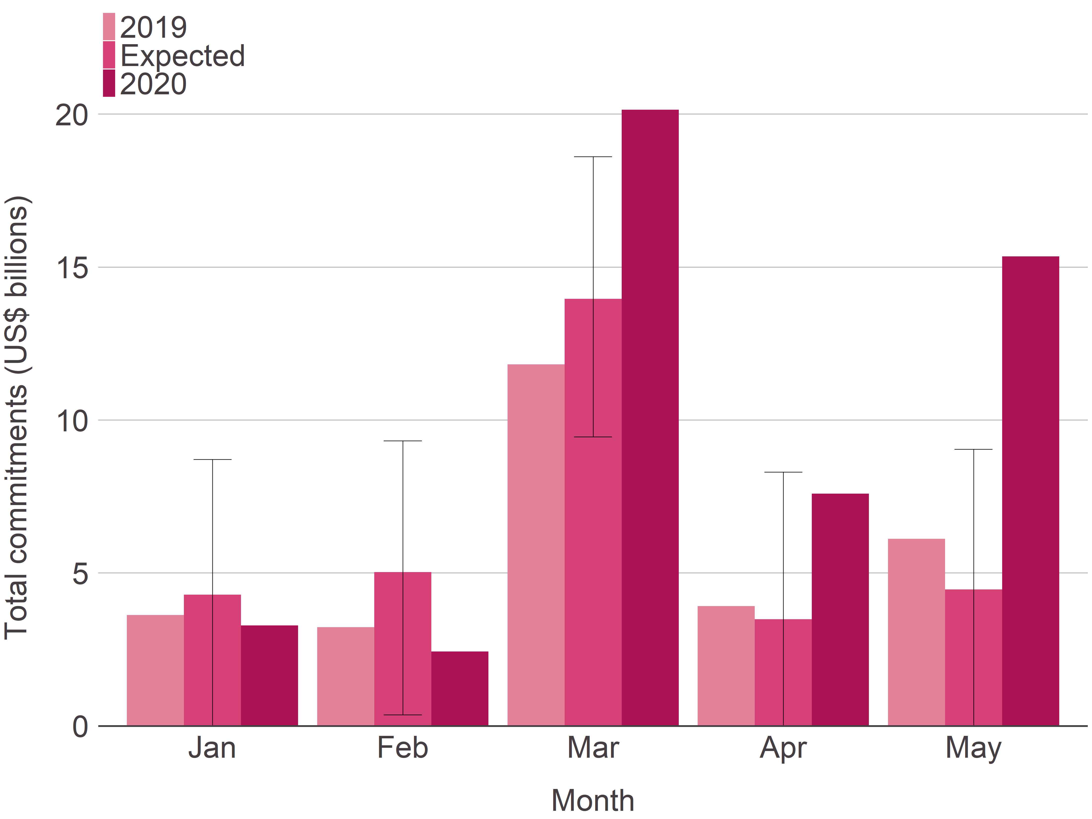
January | CI - LL | 0.0
January | 2019 | 3.6
January | 2020 | 3.3
February | Expected | 5.0
February | CI - UL | 9.3
February | CI - LL | 0.4
February | 2019 | 3.2
February | 2020 | 2.4
March | Expected | 14.0
March | CI - UL | 18.6
March | CI - LL | 9.5
March | 2019 | 11.8
March | 2020 | 20.1
April | Expected | 3.5
April | CI - UL | 8.3
April | CI - LL | 0.0
April | 2019 | 3.9
April | 2020 | 7.6
May | Expected | 4.5
May | CI - UL | 9.0
May | CI - LL | 0.0
May | 2019 | 6.1
May | 2020 | 15.3

Figure 6
How are aid budgets changing due to the Covid-19 crisis?
Sector analysis
Figure 6
Title | Monthly health commitments by key multilateral donors as a proportion of total commitments with annual trend line, 2015–2020
Source: | Development Initiatives based on IATI
Notes: | Annual trend line is a calendar year average.
Long description: | The proportion of aid to the health sector by key multilateral donors in the first five months of 2020 is roughly the same as in previous years. There are spikes - in April and July 2015, and August 2016 - where health aid represents 15% or more of total commitments.
Geographical information: | Global
Author: | Dean Breed and Lewis Sternberg

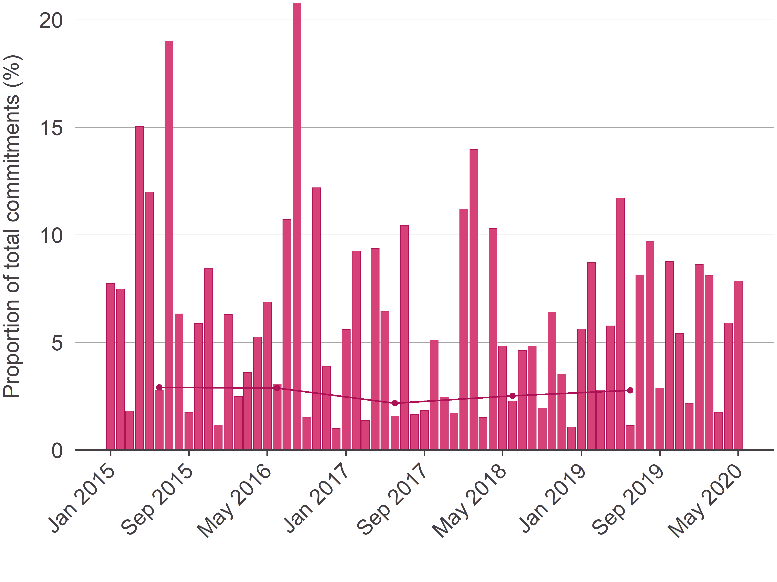
Month | Year | Proportion of total commitments (%) | Yearly average
January | 2015 | 7.7%
February | 2015 | 7.5%
March | 2015 | 1.8%
April | 2015 | 15.0%
May | 2015 | 12.0%
June | 2015 | 2.8% | 2.9%
July | 2015 | 19.0%
August | 2015 | 6.3%
September | 2015 | 1.8%
October | 2015 | 5.9%
November | 2015 | 8.4%
December | 2015 | 1.2%
January | 2016 | 6.3%
February | 2016 | 2.5%
March | 2016 | 3.6%
April | 2016 | 5.3%
May | 2016 | 6.9%
June | 2016 | 3.1% | 2.9%
July | 2016 | 10.7%
August | 2016 | 20.8%
September | 2016 | 1.5%
October | 2016 | 12.2%
November | 2016 | 3.9%
December | 2016 | 1.0%
January | 2017 | 5.6%
February | 2017 | 9.2%
March | 2017 | 1.4%
April | 2017 | 9.4%
May | 2017 | 6.5%
June | 2017 | 1.6% | 2.2%
July | 2017 | 10.4%
August | 2017 | 1.6%
September | 2017 | 1.8%
October | 2017 | 5.1%
November | 2017 | 2.5%
December | 2017 | 1.7%
January | 2018 | 11.2%
February | 2018 | 14.0%
March | 2018 | 1.5%
April | 2018 | 10.3%
May | 2018 | 4.8%
June | 2018 | 2.3% | 2.5%
July | 2018 | 4.6%
August | 2018 | 4.8%
September | 2018 | 2.0%
October | 2018 | 6.4%
November | 2018 | 3.5%
December | 2018 | 1.1%
January | 2019 | 5.6%
February | 2019 | 8.7%
March | 2019 | 2.8%
April | 2019 | 5.8%
May | 2019 | 11.7%
June | 2019 | 1.1% | 2.8%
July | 2019 | 8.1%
August | 2019 | 9.7%
September | 2019 | 2.9%
October | 2019 | 8.8%
November | 2019 | 5.4%
December | 2019 | 2.2%
January | 2020 | 8.6%
February | 2020 | 8.1%
March | 2020 | 1.8%
April | 2020 | 5.9%
May | 2020 | 7.9%

Figure 7
How are aid budgets changing due to the Covid-19 crisis?
Sector analysis
Figure 7
Title | Monthly water and sanitation commitments by key multilateral donors as a proportion of total commitments with annual trend line, 2015–2020
Source: | Development Initiatives based on IATI
Notes: | Annual trend line is a calendar year average.
Long description: | In the first five months of 2020 the proportion of aid going to water and sanitation is roughly the same as in the same period in 2019. There are large fluctuations monthly. Water and sanitation aid as a proportion of total commitments peaks in February 2018 at 15.8%.
Geographical information: | Global
Author: | Dean Breed and Lewis Sternberg

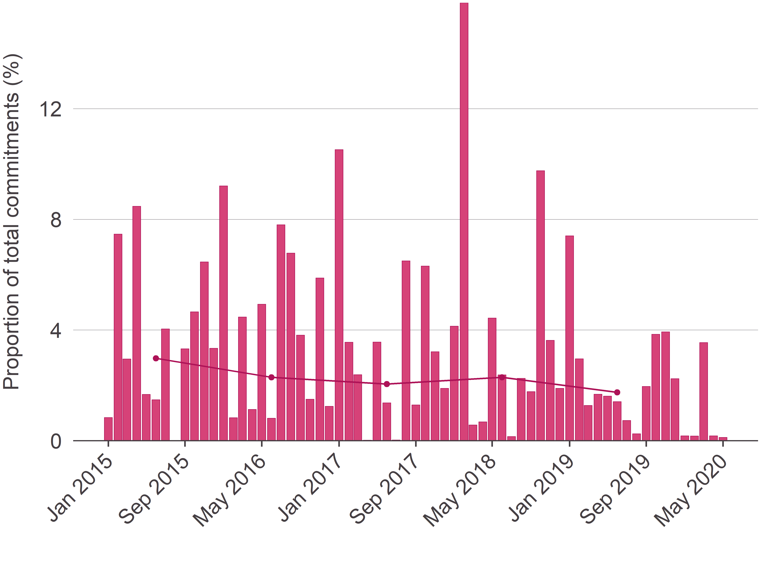
Month | Year | Proportion of total commitments (%) | Yearly average
January | 2015 | 0.8%
February | 2015 | 7.5%
March | 2015 | 3.0%
April | 2015 | 8.5%
May | 2015 | 1.7%
June | 2015 | 1.5% | 3.0%
July | 2015 | 4.0%
August | 2015 | 0.0%
September | 2015 | 3.3%
October | 2015 | 4.7%
November | 2015 | 6.5%
December | 2015 | 3.3%
January | 2016 | 9.2%
February | 2016 | 0.8%
March | 2016 | 4.5%
April | 2016 | 1.1%
May | 2016 | 4.9%
June | 2016 | 0.8% | 2.3%
July | 2016 | 7.8%
August | 2016 | 6.8%
September | 2016 | 3.8%
October | 2016 | 1.5%
November | 2016 | 5.9%
December | 2016 | 1.2%
January | 2017 | 10.5%
February | 2017 | 3.6%
March | 2017 | 2.4%
April | 2017 | 0.0%
May | 2017 | 3.6%
June | 2017 | 1.4% | 2.0%
July | 2017 | 0.0%
August | 2017 | 6.5%
September | 2017 | 1.3%
October | 2017 | 6.3%
November | 2017 | 3.2%
December | 2017 | 1.9%
January | 2018 | 4.1%
February | 2018 | 15.8%
March | 2018 | 0.6%
April | 2018 | 0.7%
May | 2018 | 4.4%
June | 2018 | 2.4% | 2.3%
July | 2018 | 0.1%
August | 2018 | 2.3%
September | 2018 | 1.8%
October | 2018 | 9.8%
November | 2018 | 3.6%
December | 2018 | 1.9%
January | 2019 | 7.4%
February | 2019 | 3.0%
March | 2019 | 1.3%
April | 2019 | 1.7%
May | 2019 | 1.6%
June | 2019 | 1.4% | 1.7%
July | 2019 | 0.7%
August | 2019 | 0.2%
September | 2019 | 2.0%
October | 2019 | 3.8%
November | 2019 | 3.9%
December | 2019 | 2.2%
January | 2020 | 0.2%
February | 2020 | 0.2%
March | 2020 | 3.5%
April | 2020 | 0.2%
May | 2020 | 0.1%

Figure 8
How are aid budgets changing due to the Covid-19 crisis?
Donor analysis
Figure 8
Title | Commitments published to IATI by the World Bank between January and May, by year
Source: | Development Initiatives based on IATI
Notes:
Long description: | The World Bank has tripled its commitments published to IATI in the first five months of 2020 compared with the same period in 2019, representing a six year peak (US$23.6 billion). In all years previous to 2020 total commitments have stayed roughly same, peaking in 2017 at US$12.2 billion.
Geographical information: | Global
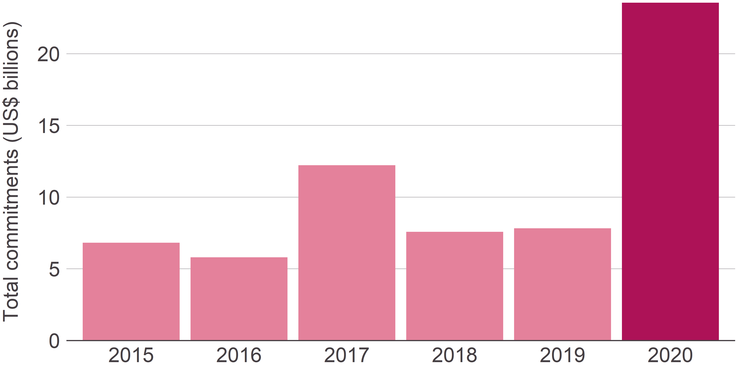
Author: | Dean Breed and Lewis Sternberg

Year | Total commitments (US$ billions)
2015 | 6.8
2016 | 5.8
2017 | 12.2
2018 | 7.6
2019 | 7.8
2020 | 23.6

Figure 9
How are aid budgets changing due to the Covid-19 crisis?
Donor analysis
Figure 9
Title | Commitments published to IATI by the Global Fund between January and May, by year
Source: | Development Initiatives based on IATI
Notes:
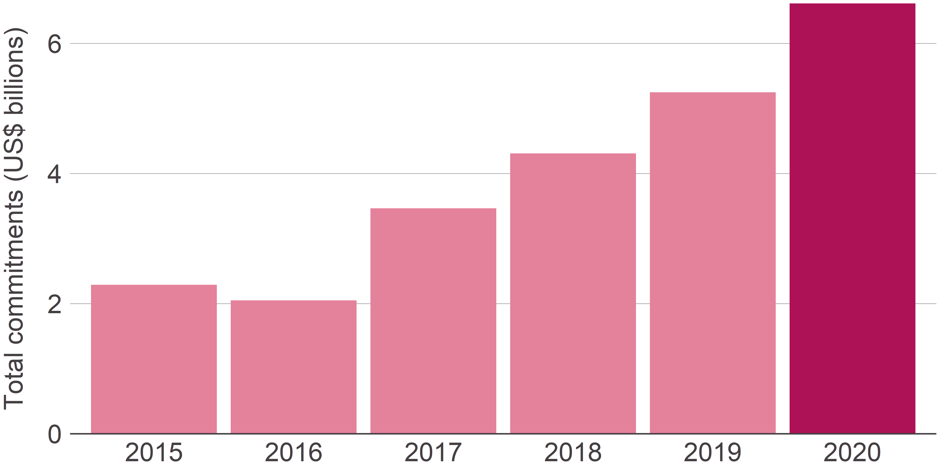
Long description: | Commitments by the Global Fund have largely increased year-on-year between 2015 and 2020. 2020 represents a six year peak for commitments published to IATI by the Global Fund between January and May (US$6.6 billion).
Geographical information: | Global
Author: | Dean Breed and Lewis Sternberg

Year | Total commitments (US$ billions)
2015 | 2.3
2016 | 2.1
2017 | 3.5
2018 | 4.3
2019 | 5.2
2020 | 6.6

Figure 10
How are aid budgets changing due to the Covid-19 crisis?
Donor analysis
Figure 10
Title | Commitments published to IATI by UN OCHA CBPFs between January and May, by year
Source: | Development Initiatives based on IATI
Notes:
Long description: | There is a decrease in the value of commitments published to IATI between January and May by UN OCHA CBPFs between 2019 and 2020; 2020 levels are roughly similar to those in 2017.
Geographical information: | Global
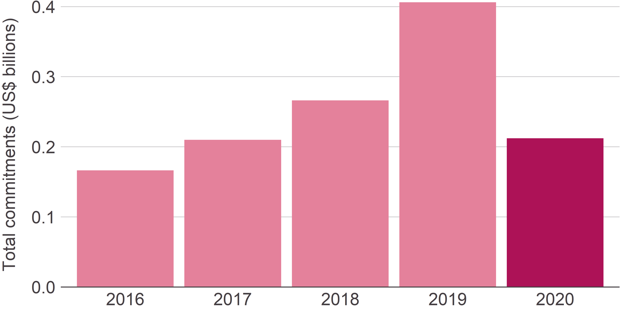
Author: | Dean Breed and Lewis Sternberg

Year | Total commitments (US$ billions)
2016 | 0.2
2017 | 0.2
2018 | 0.3
2019 | 0.4
2020 | 0.2

Figure 11
How are aid budgets changing due to the Covid-19 crisis?
Donor analysis
Figure 11
Title | Commitments published to IATI by DFID between January and May, by year
Source: | Development Initiatives based on IATI
Notes:
Long description: | Commitments published to IATI by DFID between January and May reached a six year minimum in 2020 (US$1.1 billion). This is more than half of the six year peak in 2017 (US$2.8 billion).
Geographical information: | Global
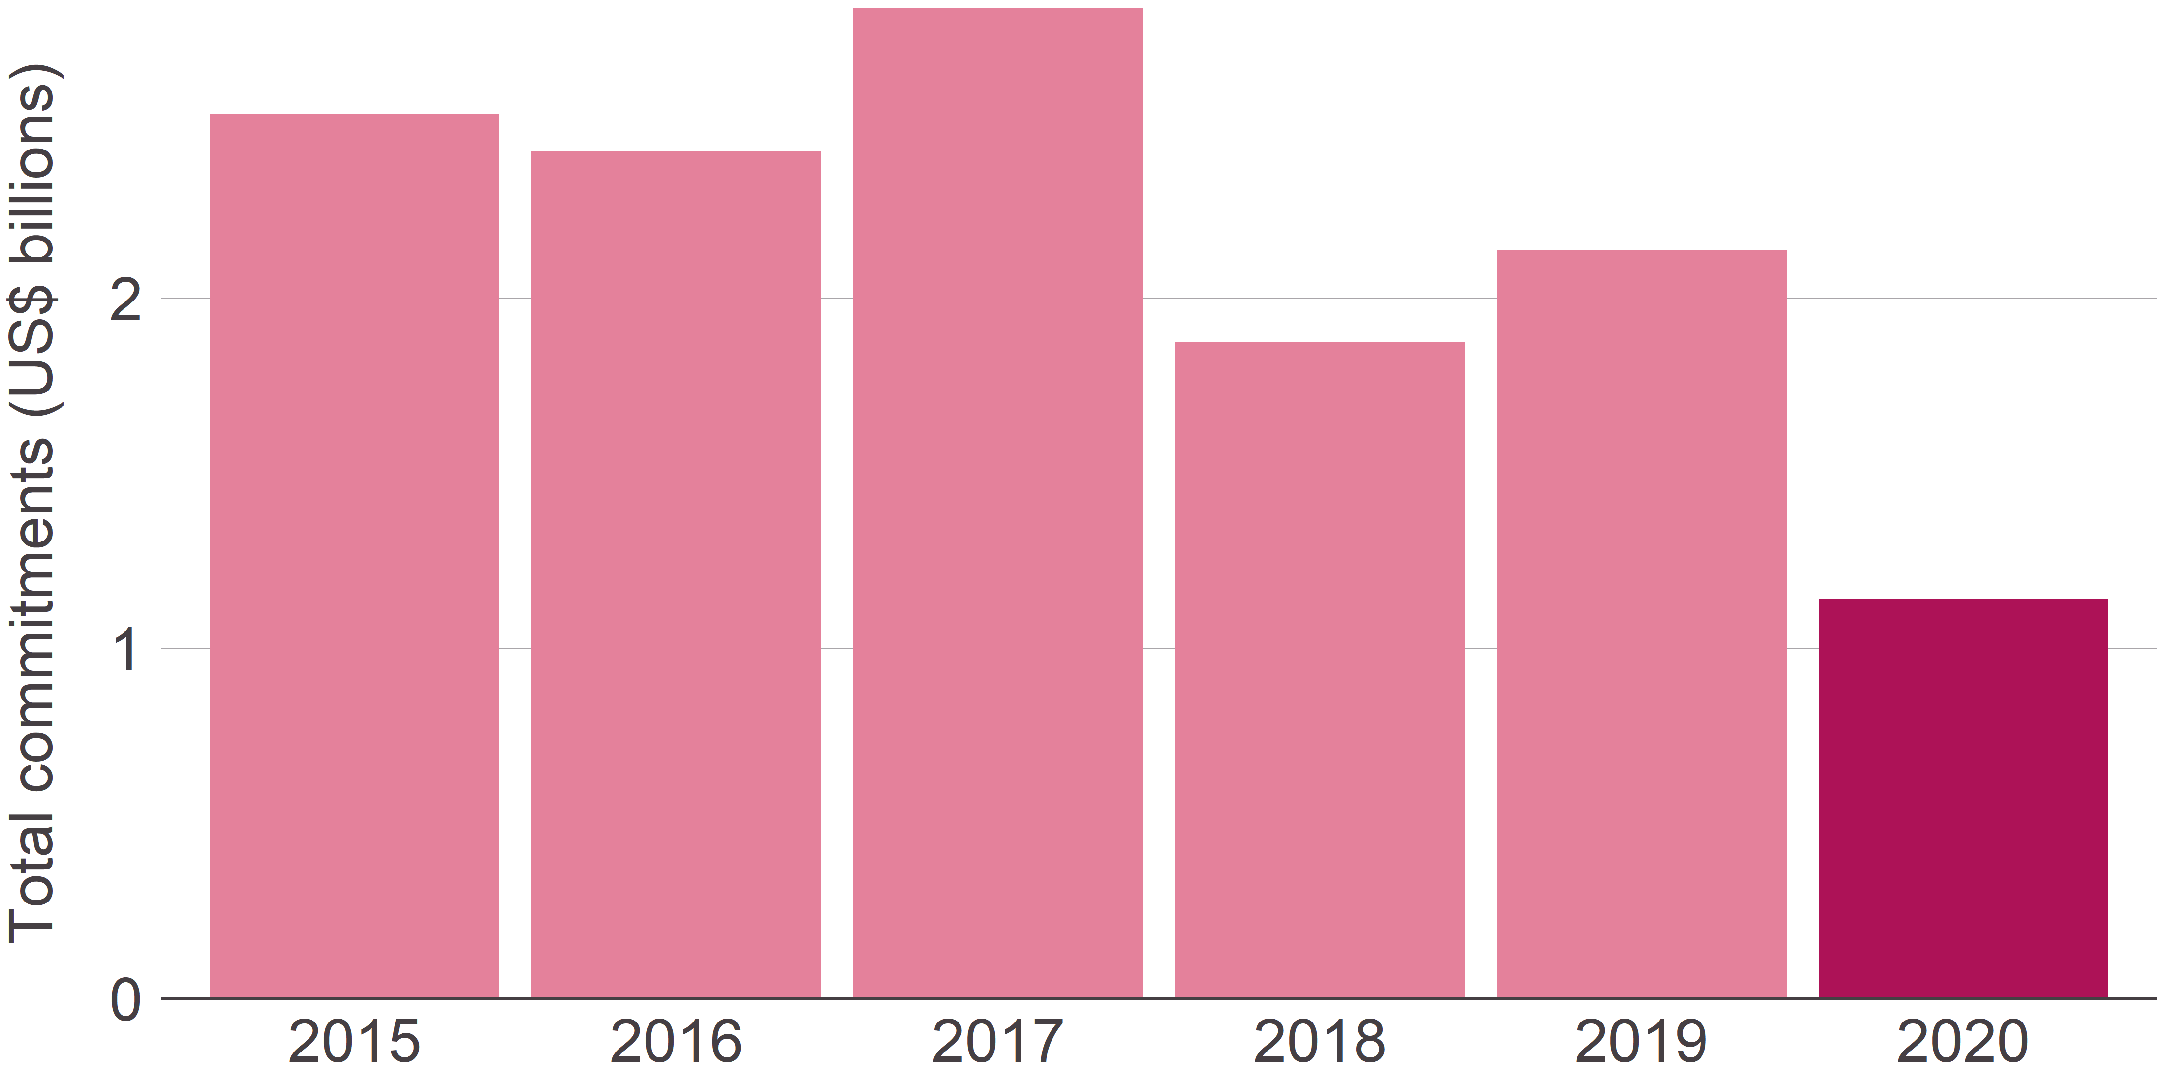
Author: | Dean Breed and Lewis Sternberg

Year | Total commitments (US$ billions)
2015 | 2.5
2016 | 2.4
2017 | 2.8
2018 | 1.9
2019 | 2.1
2020 | 1.1

