Figure 2
How is Covid impacting people living in poverty worldwide?
Figure 2 | Income for the poorest 20% globally and the rest of the population, and the consumption floor
Source: | Development Initiatives based on the World Bank's PovcalNet and the International Monetary Fund's World Economic Outlook.
Geographical information: | Global
Author: | Zach Christensen

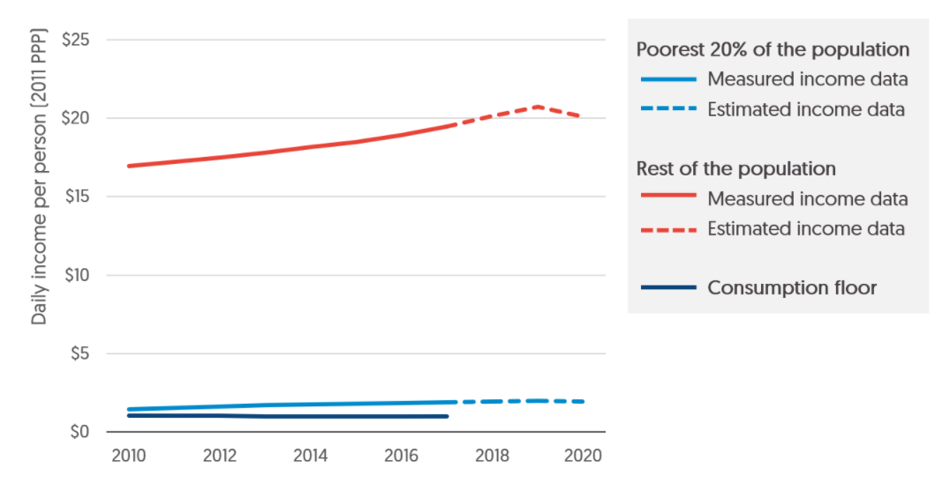
Year | global consumption floor | P20 average | Restave | P20 projected | Rest projected | Total wealth | Share of income
2020 |  |  |  | 1.947510415 | 20.112055811 | 82.395733658 | 0.023636058914
2019 |  |  |  | 2.0083431283 | 20.740278857
2018 |  |  |  | 1.9517805286 | 20.156153528
2017 | 0.9788723089 | 1.88434 | 19.459691181
2016 | 0.99071432193 | 1.83975 | 18.917894122
2015 | 1.0075338819 | 1.804205 | 18.484841974
2014 | 1.0109877995 | 1.7590925 | 18.158239195
2013 | 1.0149357076 | 1.710915 | 17.789955028
2012 | 1.0347556316 | 1.626729 | 17.464525142
2011 | 1.0295282438 | 1.534403 | 17.206407464
2010 | 1.0367063437 | 1.4697 | 16.953659189

