Figure 1
Title: | Figure 1: Commercial long-term debt was consistently the largest annual source of finance between 2011-2021 and was on average six times greater than ODA
Descriptive Title: | Trends in major international financial flows, 2011-2021
Source: | Development Initiatives based on Organisation for Economic Co-operation and Development (OECD), UN Conference on Trade and Development (UNCTAD), UN World Tourism Organization (UNWTO), World Bank and World Bank-KNOMAD, June 2023.
Note: | FDI = foreign direct investment; ODA = official development assistance, OOF = other official flows. Other sources of International Finance consists of: export credits, official long-term debt, development cooperation from other government providers and private development assistance. This chart includes estimates for inbound tourism expenditure for the year 2021. For a definition on each flow, please see Annex 1.

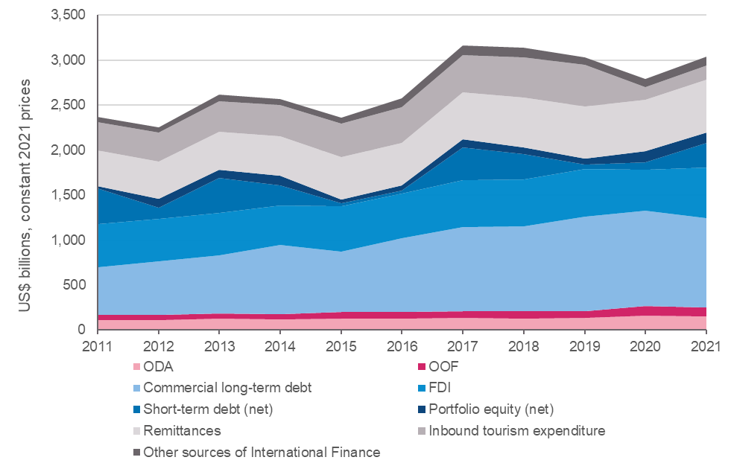

Financial Flow Category | Financial Flow | 2011 | 2012 | 2013 | 2014 | 2015 | 2016 | 2017 | 2018 | 2019 | 2020 | 2021
Official | ODA | 113,937,960,000 | 112,956,780,000 | 123,681,850,000 | 117,659,000,000 | 123,128,370,000 | 127,981,820,000 | 134,612,020,000 | 129,232,170,000 | 132,586,100,000 | 159,609,900,000 | 148,169,320,000
Official | Other Official Flows | 56,700,620,000 | 54,322,460,000 | 59,480,810,000 | 56,571,480,000 | 77,129,630,000 | 72,114,020,000 | 74,888,390,000 | 79,403,720,000 | 81,173,340,000 | 105,497,900,000 | 99,600,830,000
Commercial | Commercial Long-Term Debt | 526,312,825,627 | 596,950,487,528 | 648,826,407,909 | 772,752,681,699 | 668,683,257,511 | 818,790,081,867 | 936,407,856,266 | 943,854,474,542 | 1,048,145,903,030 | 1,060,210,245,212 | 997,871,561,240
Commercial | FDI | 480,584,975,161 | 467,532,651,335 | 467,011,799,705 | 440,758,847,065 | 504,831,252,740 | 498,440,611,956 | 522,937,527,243 | 524,133,516,629 | 528,111,663,956 | 454,501,962,291 | 559,009,128,156
Commercial | Short-Term Debt (net) | 396,865,047,796 | 126,712,699,447 | 390,386,435,897 | 221,941,716,089 | 32,074,302,634 | 32,217,215,914 | 365,391,267,412 | 276,497,573,254 | 49,523,360,555 | 88,867,229,092 | 278,595,793,000
Commercial | Portfolio Equity (net) | 24,945,044,855 | 101,514,296,902 | 89,003,969,425 | 105,636,536,294 | 45,351,052,933 | 58,078,420,526 | 89,778,996,602 | 74,170,579,604 | 69,674,065,398 | 120,854,601,151 | 109,248,342,853
Private | Remittances | 398,542,320,640 | 413,129,330,999 | 424,156,920,909 | 441,787,046,190 | 468,164,847,777 | 475,495,328,191 | 515,790,586,731 | 555,134,223,311 | 574,672,620,236 | 567,934,131,250 | 588,330,266,776
Private | Inbound Tourism Expenditure | 311,581,198,463 | 325,683,363,168 | 341,347,672,603 | 348,750,961,536 | 373,614,768,436 | 389,805,316,982 | 418,059,255,512 | 451,661,190,079 | 461,981,401,067 | 145,330,128,816 | 162,978,334,189
 | Other sources of International Finance | 61,474,988,311 | 58,131,956,366 | 75,340,291,788 | 65,785,935,429 | 68,729,369,715 | 101,638,891,602 | 103,391,778,733 | 104,725,517,140 | 82,424,132,839 | 84,521,247,878 | 99,203,978,871
 | Total | 2,370,944,980,853 | 2,256,934,025,745 | 2,619,236,158,237 | 2,571,644,204,301 | 2,361,706,851,747 | 2,574,561,707,038 | 3,161,257,678,499 | 3,138,812,964,558 | 3,028,292,587,081 | 2,787,327,345,689 | 3,043,007,555,085
Other sources of International Finance:
Official | Development Cooperation from other Government Providers | 2,319,720,000 | 3,166,100,000 | 8,646,500,000 | 8,984,540,000 | 11,001,650,000 | 14,862,530,000 | 16,333,240,000 | 21,172,680,000 | 16,412,070,000 | 15,383,100,000 | 16,934,760,000
Official | Official Long-Term Debt | 27,170,681,192 | 30,135,156,228 | 39,655,575,633 | 40,565,575,143 | 35,664,177,918 | 48,347,043,113 | 53,264,552,580 | 47,675,092,103 | 42,795,403,029 | 43,736,917,537 | 37,740,167,208
Official | Export Credits | 30,870,030,000 | 23,831,010,000 | 25,939,990,000 | 15,078,680,000 | 20,686,180,000 | 37,012,350,000 | 29,858,020,000 | 31,778,790,000 | 18,651,400,000 | 20,733,450,000 | 39,880,740,000
Private | Private Development Assistance | 1,114,557,119 | 999,690,138 | 1,098,226,155 | 1,157,140,286 | 1,377,361,797 | 1,416,968,489 | 3,935,966,153 | 4,098,955,037 | 4,565,259,810 | 4,667,780,341 | 4,648,311,663
 | Total | 2,370,944,980,853 | 2,256,934,025,745 | 2,619,236,158,237 | 2,571,644,204,301 | 2,361,706,851,747 | 2,574,561,707,038 | 3,161,257,678,499 | 3,138,812,964,558 | 3,028,292,587,081 | 2,787,327,345,689 | 3,043,007,555,085

Figure 2
Title: | Figure 2: ODA was an important source of finance to ODA-eligible countries in Oceania and sub-Saharan Africa
Descriptive Title: | Major international financial flows by geographic region, 2021
Source: | Development Initiatives based on Organisation for Economic Co-operation and Development (OECD), UN Conference on Trade and Development (UNCTAD), UN World Tourism Organization (UNWTO), World Bank and World Bank-KNOMAD, June 2023.
Notes: | FDI = foreign direct investment; ODA = official development assistance, OOF = other official flows. Other sources of International Finance consists of: export credits, official long-term debt, development cooperation from other government providers and private development assistance. This chart includes estimates for inbound tourism expenditure for the year 2021. For a definition on each flow, please see Annex 1. The geographic regional categories displayed in this chart follow those listed in the OECD DAC2a table, available at: https://stats.oecd.org/. Only the 142 countries which were eligible to receive ODA in 2021 are included in this chart.

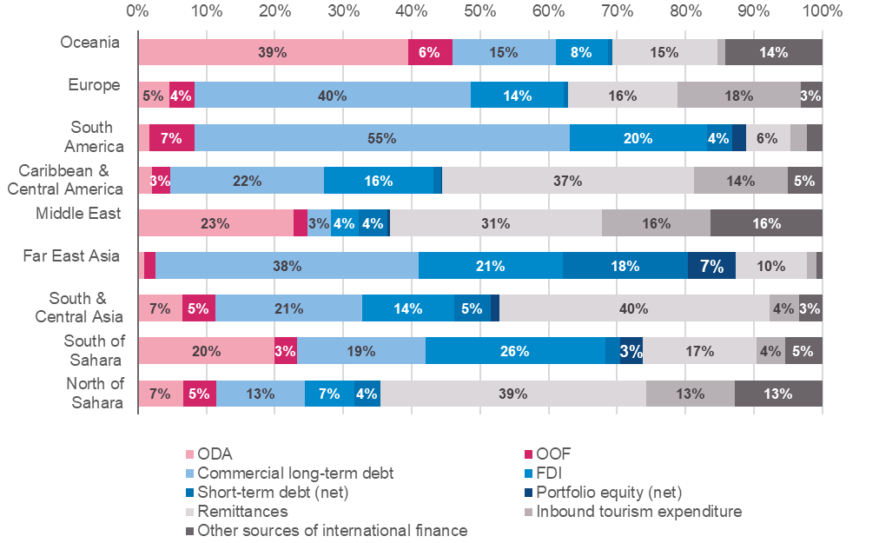

Financial Flow Category | Financial Flow | North of Sahara | South of Sahara | South & Central Asia | Far East Asia | Middle East | Caribbean & Central America | South America | Europe | Oceania | Total | North of Sahara | South of Sahara | South & Central Asia | Far East Asia | Middle East | Caribbean & Central America | South America | Europe | Oceania | Total
Official | ODA | 7,987,630,000 | 59,764,910,000 | 29,671,720,000 | 11,773,170,000 | 14,291,090,000 | 5,805,290,000 | 6,052,120,000 | 9,721,660,000 | 3,101,730,000 | 148,169,320,000 | 7% | 20% | 7% | 1% | 23% | 2% | 2% | 5% | 39% | 5%
Official | Other Official Flows | 5,928,970,000 | 9,577,120,000 | 22,002,950,000 | 19,730,010,000 | 1,324,100,000 | 7,951,140,000 | 24,879,790,000 | 7,699,730,000 | 507,020,000 | 99,600,830,000 | 5% | 3% | 5% | 2% | 2% | 3% | 7% | 4% | 6% | 3%
Commercial | Commercial Long-Term Debt | 15,836,027,209 | 56,125,205,663 | 97,469,652,048 | 469,082,303,160 | 2,115,607,618 | 65,131,576,681 | 205,295,938,671 | 85,630,960,592 | 1,184,289,598 | 997,871,561,240 | 13% | 19% | 21% | 38% | 3% | 22% | 55% | 40% | 15% | 33%
Commercial | FDI | 8,805,225,895 | 78,635,207,529 | 61,590,362,591 | 257,058,093,149 | 2,575,888,113 | 46,372,423,127 | 74,709,949,509 | 28,658,234,257 | 603,743,986 | 559,009,128,156 | 7% | 26% | 14% | 21% | 4% | 16% | 20% | 14% | 8% | 18%
Commercial | Short-Term Debt (net) | 4,673,110,000 | 6,454,504,000 | 24,117,724,000 | 222,288,902,000 | 2,657,146,000 | 3,240,031,000 | 13,695,133,000 | 1,420,253,000 | 48,990,000 | 278,595,793,000 | 4% | 2% | 5% | 18% | 4% | 1% | 4% | 1% | 1% | 9%
Commercial | Portfolio Equity (net) | 0 | 9,825,372,913 | 5,477,918,209 | 86,048,449,613 | 182,245,362 | 218,715,562 | 7,495,586,307 | 0 | 54,887 | 109,248,342,853 | 0% | 3% | 1% | 7% | 0% | 0% | 2% | 0% | 0% | 4%
Private | Remittances | 47,269,318,162 | 50,007,723,957 | 180,047,193,596 | 125,624,344,495 | 19,519,640,603 | 106,640,374,861 | 24,294,917,231 | 33,720,776,147 | 1,205,977,725 | 588,330,266,776 | 39% | 17% | 40% | 10% | 31% | 37% | 6% | 16% | 15% | 19%
Private | Inbound Tourism Expenditure | 15,731,585,215 | 12,264,444,568 | 19,399,295,377 | 18,414,605,182 | 10,011,451,943 | 39,889,626,854 | 8,983,177,745 | 38,192,900,000 | 91,247,305 | 162,978,334,189 | 13% | 4% | 4% | 2% | 16% | 14% | 2% | 18% | 1% | 5%
 | Other sources of International Finance | 15,659,921,039 | 16,358,176,770 | 15,794,392,281 | 9,966,545,256 | 10,276,171,812 | 14,622,682,893 | 8,665,274,672 | 6,746,163,814 | 1,114,650,334 | 99,203,978,871 | 13% | 5% | 3% | 1% | 16% | 5% | 2% | 3% | 14% | 3%
 | Total | 121,891,787,521 | 299,012,665,399 | 455,571,208,102 | 1,219,986,422,854 | 62,953,341,451 | 289,871,860,978 | 374,071,887,136 | 211,790,677,809 | 7,857,703,835 | 3,043,007,555,085 | 100% | 100% | 100% | 100% | 100% | 100% | 100% | 100% | 100% | 100%
Other sources of International Finance:
Official | Development Cooperation from other Government Providers | 5,694,090,000 | 879,190,000 | 749,150,000 | 201,030,000 | 9,072,010,000 | 59,540,000 | 50,030,000 | 228,660,000 | 1,060,000 | 16,934,760,000 | 5% | 0% | 0% | 0% | 14% | 0% | 0% | 0% | 0% | 1%
Official | Official Long-Term Debt | 7,614,428,368 | 8,545,439,944 | 10,779,622,932 | 1,383,090,061 | 870,857,153 | 2,541,973,141 | 1,657,711,901 | 3,243,524,895 | 1,103,518,813 | 37,740,167,208 | 6% | 3% | 2% | 0% | 1% | 1% | 0% | 2% | 14% | 1%
Official | Export Credits | 2,341,740,000 | 4,895,300,000 | 3,478,590,000 | 8,127,940,000 | 267,890,000 | 11,785,170,000 | 5,729,540,000 | 3,249,480,000 | 5,090,000 | 39,880,740,000 | 2% | 2% | 1% | 1% | 0% | 4% | 2% | 2% | 0% | 1%
Private | Private Development Assistance | 9,662,671 | 2,038,246,826 | 787,029,349 | 254,485,195 | 65,414,659 | 235,999,752 | 1,227,992,771 | 24,498,919 | 4,981,521 | 4,648,311,663 | 0% | 1% | 0% | 0% | 0% | 0% | 0% | 0% | 0% | 0%
 | Total | 121,891,787,521 | 299,012,665,399 | 455,571,208,102 | 1,219,986,422,854 | 62,953,341,451 | 289,871,860,978 | 374,071,887,136 | 211,790,677,809 | 7,857,703,835 | 3,043,007,555,085 | 100% | 100% | 100% | 100% | 100% | 100% | 100% | 100% | 100% | 100%

Figure 3
Title: | Figure 3: Remittance inflows were a significant source of finance for LMICs, while commercial flows such as commercial long-term debt and FDI were important sources of finance to UMICs
Descriptive Title: | Major international financial flows to ODA-eligible countries and to LDCs, 2021
Source: | Development Initiatives based on Organisation for Economic Co-operation and Development (OECD); UN Conference on Trade and Development (UNCTAD); UN World Tourism Organization (UNWTO); World Bank; World Bank-KNOMAD, June 2023.
Notes: | LDC = least developed country; LIC = low-income country; LMIC = lower-middle-income country; UMIC = upper-middle-income country; ODA = official development assistance; FDI = foreign direct investment, OOF = other official flows. Other sources of International Finance consists of: export credits, official long-term debt, development cooperation from other government providers and private development assistance. This chart includes estimates for inbound tourism expenditure for the year 2021. For a definition on each flow, please see Annex 1. World Bank country classification by income level: 2022-2023 (released on July 01, 2022) used. There is an overlap between countries included in the LDCs and LICs categories.

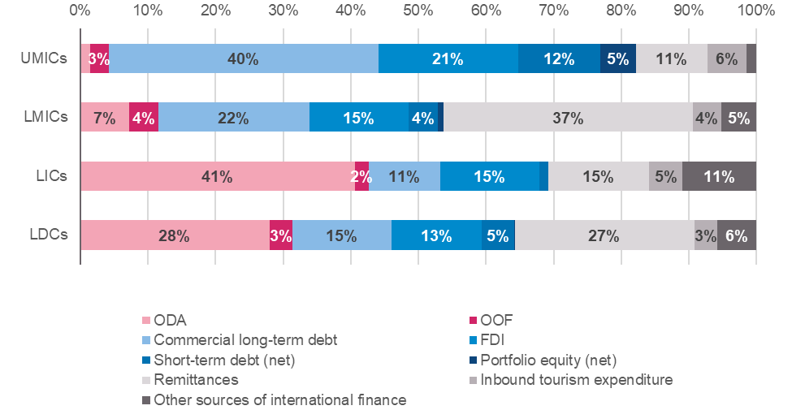

Year: 2021
Financial Flow Category | Financial Flow | LDCs | LICs | LMICs | UMICs | Total (All ODA-Eligible Countries) | LDCs | LICs | LMICs | UMICs | Total (All ODA-Eligible Countries)
Official | ODA | 64,375,460,000 | 47,276,170,000 | 72,515,290,000 | 27,664,320,000 | 148,169,320,000 | 28% | 41% | 7% | 1% | 5%
Official | Other Official Flows | 7,684,050,000 | 2,354,840,000 | 43,604,570,000 | 52,222,550,000 | 99,600,830,000 | 3% | 2% | 4% | 3% | 3%
Commercial | Commercial Long-Term Debt | 33,915,362,703 | 12,362,126,237 | 224,829,337,066 | 760,680,097,938 | 997,871,561,240 | 15% | 11% | 22% | 40% | 33%
Commercial | FDI | 30,584,929,112 | 17,024,711,384 | 146,284,780,901 | 393,750,889,490 | 559,009,128,156 | 13% | 15% | 15% | 21% | 18%
Commercial | Short-Term Debt (net) | 11,154,950,000 | 1,559,485,000 | 44,121,884,000 | 232,914,424,000 | 278,595,793,000 | 5% | 1% | 4% | 12% | 9%
Commercial | Portfolio Equity (net) | 56,524,618 | 55,604,105 | 8,667,024,314 | 100,525,714,434 | 109,248,342,853 | 0% | 0% | 1% | 5% | 4%
Private | Remittances | 61,148,653,833 | 17,252,876,596 | 369,290,912,719 | 201,173,526,866 | 588,330,266,776 | 27% | 15% | 37% | 11% | 19%
Private | Inbound Tourism Expenditure | 7,734,111,205 | 5,752,871,224 | 42,541,621,686 | 110,502,941,279 | 162,978,334,189 | 3% | 5% | 4% | 6% | 5%
 | Other sources of International Finance | 13,407,086,134 | 12,776,734,022 | 52,521,510,332 | 27,932,818,900 | 99,203,978,871 | 6% | 11% | 5% | 1% | 3%
 | Total | 230,061,127,605 | 116,415,418,566 | 1,004,376,931,018 | 1,907,367,282,907 | 3,043,007,555,085 | 100% | 100% | 100% | 100% | 100%
Other sources of International Finance:
Official | Development Cooperation from other Government Providers | 2,522,830,000 | 8,809,940,000 | 7,205,490,000 | 916,060,000 | 16,934,760,000 | 1% | 8% | 1% | 0% | 1%
Official | Official Long-Term Debt | 6,382,758,559 | 2,370,262,677 | 28,256,335,830 | 7,113,568,701 | 37,740,167,208 | 3% | 2% | 3% | 0% | 1%
Official | Export Credits | 3,288,840,000 | 651,160,000 | 15,116,760,000 | 18,174,440,000 | 39,880,740,000 | 1% | 1% | 2% | 1% | 1%
Private | Private Development Assistance | 1,212,657,575 | 945,371,345 | 1,942,924,502 | 1,728,750,199 | 4,648,311,663 | 1% | 1% | 0% | 0% | 0%
 | Total | 230,061,127,605 | 116,415,418,566 | 1,004,376,931,018 | 1,907,367,282,907 | 3,043,007,555,085 | 100% | 100% | 100% | 100% | 100%

Figure 4
Title: | Figure 4: International revenue sources can vary greatly between different income classifications
Descriptive Title: | Major international financial flows and tax revenue to Malawi, Kenya and Columbia, 2021
Source: | Development Initiatives based on Organisation for Economic Co-operation and Development (OECD); UN Conference on Trade and Development (UNCTAD); UN World Tourism Organization (UNWTO); World Bank; World Bank-KNOMAD, June 2023; International Monetary Fund, World Economic Outlook Database, April 2023.
Notes: | ODA = official development assistance; FDI = foreign direct investment. Other sources of International Finance consists of: export credits, development cooperation from other government providers, short-term debt (net), portfolio equity (net) and private development assistance. For a definition on each flow, please see Annex 1.

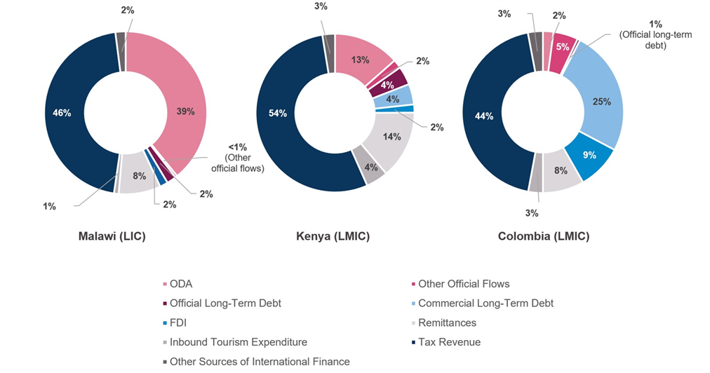

Financial Flow Category | Financial Flow | Malawi | Kenya | Colombia | Malawi | Kenya | Colombia
official | ODA | 1,215,510,000 | 3,650,320,000 | 2,200,320,000 | 39.1% | 13.5% | 2.1%
official | Other Official Flows | 13,440,000 | 481,570,000 | 5,150,080,000 | 0.4% | 1.8% | 4.9%
official | Official Long-Term Debt | 57,901,666 | 1,029,181,105 | 557,150,875 | 1.9% | 3.8% | 0.5%
commercial | Commercial Long-Term Debt | 0 | 1,137,068,363 | 26,243,416,891 | 0.0% | 4.2% | 25.2%
commercial | FDI | 50,253,392 | 448,122,728 | 9,402,473,211 | 1.6% | 1.7% | 9.0%
private | Remittances | 258,855,610 | 3,770,089,639 | 8,608,268,971 | 8.3% | 13.9% | 8.3%
private | Inbound Tourism Expenditure | 29,000,000 | 1,222,000,000 | 3,054,000,000 | 0.9% | 4.5% | 2.9%
 | Tax Revenue | 1,418,488,636 | 14,637,380,429 | 46,004,023,660 | 45.7% | 54.1% | 44.1%
 | Other Sources of International Finance | 63,085,139 | 695,898,277 | 3,111,947,960 | 2.0% | 2.6% | 3.0%
 | Total | 3,106,534,444 | 27,071,630,540 | 104,331,681,567 | 100% | 100% | 100%
Other Sources of International Finance:
official | Development Cooperation from other Government Providers | 12,600,000 | 18,380,000 | 8,270,000 | 0.4% | 0.1% | 0.0%
official | Export Credits | 840,000 | 318,240,000 | 823,070,000 | 0.0% | 1.2% | 0.8%
commercial | Short-Term Debt (net) | 0 | 114,808,000 | 1,874,409,000 | 0.0% | 0.4% | 1.8%
commercial | Portfolio Equity (net) | 0 | 0 | 0 | 0.0% | 0.0% | 0.0%
private | Private Development Assistance | 49,645,139 | 244,470,277 | 406,198,960 | 1.6% | 0.9% | 0.4%
 | Total | 3,106,534,444 | 27,071,630,540 | 104,331,681,567 | 100% | 100% | 100%

Figure 5
Title: | Figure 5: ODA has accounted for a much larger share of Malawi's external revenue since 2000 when compared with Kenya and Colombia
Descriptive Title: | Major international financial flows to Malawi, Kenya and Colombia in the years 2000, 2010 and 2021
Source: | Development Initiatives based on Organisation for Economic Co-operation and Development (OECD); UN Conference on Trade and Development (UNCTAD); UN World Tourism Organization (UNWTO); World Bank; World Bank-KNOMAD, June 2023.
Notes: | Only Malawi has consistently stayed in the low-income countries (LIC) group between 2000-2021. Colombia moved from the lower-middle income (LMIC) group to the upper-middle income (UMIC) group in 2008, and Kenya moved from the LIC group to the LMIC group in 2014. ODA = official development assistance; FDI = foreign direct investment, OOF = other official flows. Other sources of International Finance consists of: export credits, development cooperation from other government providers, portfolio equity (net) and private development assistance.

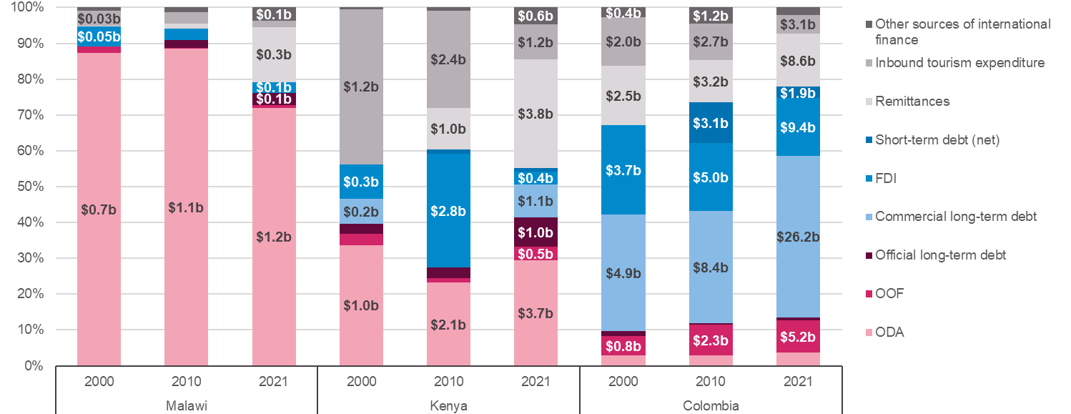

 |  |  | ODA | Other Official Flows | Official Long-Term Debt | Commercial Long-Term Debt | FDI | Short-Term Debt (net) | Remittances | Inbound Tourism Expenditure | Other Sources of International Finance | Total | Development cooperation from other government providers | Export Credits | Portfolio Equity (net) | Private Development Assistance | ODA | OOFs | Official Long-Term Debt | Commercial Long-Term Debt | FDI | Short-Term Debt (net) | Remittances | Inbound Tourism Expenditure | Other Sources of International Finance | Total | Development cooperation from other government providers | Export Credits | Portfolio Equity (net) | Private Development Assistance
MWI | Malawi | 2000 | 734,590,000 | 15,350,000 | 0 | 0 | 47,805,314 | 0 | 900,922 | 34,980,878 | 8,060,000 | 841,687,114 | 7,760,000 | 300,000 | 0 | 0 | 87% | 2% | 0% | 0% | 6% | 0% | 0% | 4% | 1% | 100% | 1% | 0% | 0% | 0%
MWI |  | 2010 | 1,093,990,000 | 2,860,000 | 26,694,168 | 0 | 38,808,527 | 0 | 18,329,057 | 37,891,414 | 16,865,238 | 1,235,438,404 | 290,000 | 0 | 833,616 | 15,741,622 | 89% | 0% | 2% | 0% | 3% | 0% | 1% | 3% | 1% | 100% | 0% | 0% | 0% | 1%
MWI |  | 2021 | 1,215,500,000 | 13,440,000 | 57,901,666 | 0 | 50,253,392 | 0 | 258,855,610 | 29,000,000 | 63,085,139 | 1,688,035,807 | 12,600,000 | 840,000 | 0 | 49,645,139 | 72% | 1% | 3% | 0% | 3% | 0% | 15% | 2% | 4% | 100% | 1% | 0% | 0% | 3%
KEN | Kenya | 2000 | 968,840,000 | 89,420,000 | 79,088,677 | 203,345,873 | 275,517,802 | 0 | 0 | 1,242,138,625 | 13,520,000 | 2,871,870,977 | 13,380,000 | 140,000 | 0 | 0 | 34% | 3% | 3% | 7% | 10% | 0% | 0% | 43% | 0% | 100% | 0% | 0% | 0% | 0%
KEN |  | 2010 | 2,070,440,000 | 114,060,000 | 258,341,255 | 6,771,204 | 2,821,470,370 | 109,436,704 | 1,028,041,313 | 2,428,595,355 | 76,255,239 | 8,913,411,440 | 5,100,000 | 0 | 33,139,680 | 38,015,559 | 23% | 1% | 3% | 0% | 32% | 1% | 12% | 27% | 1% | 100% | 0% | 0% | 0% | 0%
KEN |  | 2021 | 3,650,310,000 | 481,570,000 | 1,029,181,105 | 1,137,068,363 | 448,122,728 | 114,808,000 | 3,770,089,639 | 1,222,000,000 | 581,090,277 | 12,434,240,111 | 18,380,000 | 318,240,000 | 0 | 244,470,277 | 29% | 4% | 8% | 9% | 4% | 1% | 30% | 10% | 5% | 100% | 0% | 3% | 0% | 2%
COL | Colombia | 2000 | 435,080,000 | 783,620,000 | 207,786,394 | 4,850,242,268 | 3,722,643,658 | 0 | 2,460,056,210 | 2,006,119,995 | 409,554,296 | 14,875,102,821 | 930,000 | 382,800,000 | 25,824,296 | 0 | 3% | 5% | 1% | 33% | 25% | 0% | 17% | 13% | 3% | 100% | 0% | 3% | 0% | 0%
COL |  | 2010 | 794,060,000 | 2,255,470,000 | 120,871,302 | 8,396,932,439 | 5,043,326,088 | 3,058,591,383 | 3,161,566,475 | 2,724,023,562 | 1,181,167,571 | 26,736,008,820 | 2,010,000 | 11,000,000 | 1,167,071,286 | 1,086,285 | 3% | 8% | 0% | 31% | 19% | 11% | 12% | 10% | 4% | 100% | 0% | 0% | 4% | 0%
COL |  | 2021 | 2,200,320,000 | 5,150,080,000 | 557,150,875 | 26,243,416,891 | 9,402,473,211 | 1,874,409,000 | 8,608,268,971 | 3,054,000,000 | 1,237,538,960 | 58,327,657,907 | 8,270,000 | 823,070,000 | 0 | 406,198,960 | 4% | 9% | 1% | 45% | 16% | 3% | 15% | 5% | 2% | 100% | 0% | 1% | 0% | 1%

Figure 6
Title: | Figure 6: Least Developed Countries (LDCs) received only a small proportion of commercial and private financial flows in 2021
Descriptive Title: | Share of international financial flows to LDCs, 2021
Source: | Development Initiatives based on Organisation for Economic Co-operation and Development (OECD); UN Conference on Trade and Development (UNCTAD); UN World Tourism Organization (UNWTO); World Bank; World Bank-KNOMAD, June 2023.
Notes: | FDI = foreign direct investment; ODA = official development assistance, OOF = other official flows. The darker portion of each stacked bar indicates the share of international finance to ODA-eligible countries allocated to LDCs.

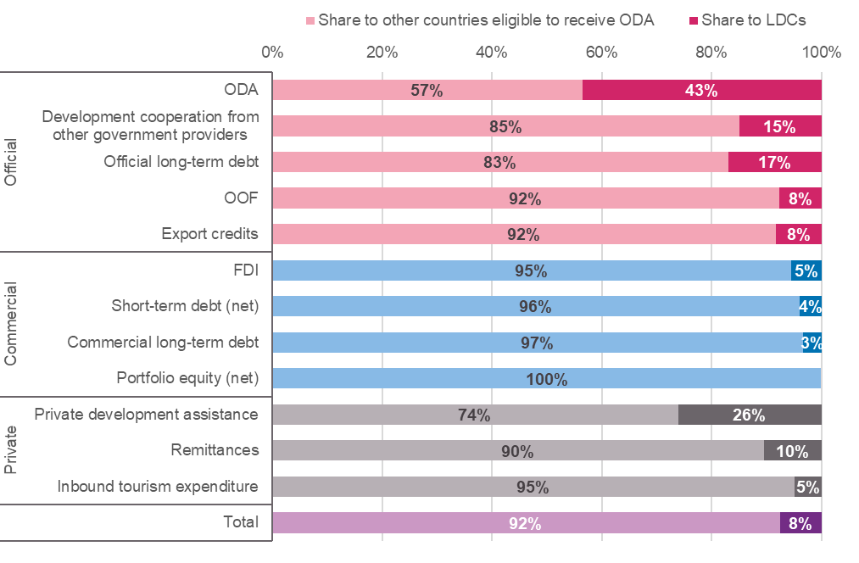

Year: 2021
Financial Flow Category | Financial Flow | Share to LDCs | Share to other countries eligible to receive ODA | Total | % Share to LDCs | % Share to other countries eligible to receive ODA
Private | Inbound Tourism Expenditure | 7,734,111,205 | 155,244,222,984 | 162,978,334,189 | 5% | 95%
 | Remittances | 61,148,653,833 | 527,181,612,943 | 588,330,266,776 | 10% | 90%
 | Private Development Assistance | 1,212,657,575 | 3,435,654,088 | 4,648,311,663 | 26% | 74%
Commercial | Portfolio Equity (net) | 56,524,618 | 109,191,818,235 | 109,248,342,853 | 0% | 100%
 | Commercial Long-Term Debt | 33,915,362,703 | 963,956,198,538 | 997,871,561,240 | 3% | 97%
 | Short-Term Debt (net) | 11,154,950,000 | 267,440,843,000 | 278,595,793,000 | 4% | 96%
 | FDI | 30,584,929,112 | 528,424,199,045 | 559,009,128,156 | 5% | 95%
Official | Export Credits | 3,288,840,000 | 36,591,900,000 | 39,880,740,000 | 8% | 92%
 | Other Official Flows | 7,684,050,000 | 91,916,780,000 | 99,600,830,000 | 8% | 92%
 | Official Long-Term Debt | 6,382,758,559 | 31,357,408,649 | 37,740,167,208 | 17% | 83%
 | Development Cooperation from other Government Providers | 2,522,830,000 | 14,411,930,000 | 16,934,760,000 | 15% | 85%
 | ODA | 64,375,460,000 | 83,793,860,000 | 148,169,320,000 | 43% | 57%
 | Total | 230,061,127,605 | 2,812,946,427,481 | 3,043,007,555,085 | 8% | 92%

Figure 7
Title: | Figure 7: ODA was an important source of finance to extremely fragile countries in 2021
Descriptive Title: | Major international financial flows based on fragility level, 2021
Source: | Country level fragility classification data is from: OECD (2022), States of Fragility 2022, OECD Publishing, Paris, https://doi.org/10.1787/c7fedf5e-en. Development Initiatives based on Organisation for Economic Co-operation and Development (OECD); UN Conference on Trade and Development (UNCTAD); UN World Tourism Organization (UNWTO); World Bank; World Bank-KNOMAD, June 2023.
Notes: | FDI = foreign direct investment; ODA = official development assistance. Other sources of International Finance consists of: export credits, other official flows, portfolio equity (net), private development assistance. This chart includes estimates for inbound tourism expenditure for the year 2021. For a definition on each flow, please see Annex 1.

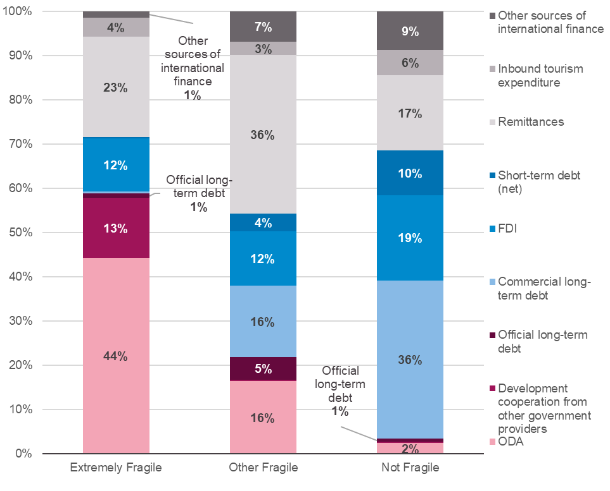

Year: 2021 |  |  |  |  |  |  |  |  |  |  | Other sources of International Finance |  |  |  |  |  |  |  |  |  |  |  |  |  | Other sources of International Finance
 | ODA | Development Cooperation from other Government Providers | Official Long-Term Debt | Commercial Long-Term Debt | FDI | Short-Term Debt (net) | Remittances | Inbound Tourism Expenditure | Other sources of International Finance | Total | Other Official Flows | Export Credits | Portfolio Equity (net) | Private Development Assistance | ODA | Development Cooperation from other Government Providers | Official Long-Term Debt | Commercial Long-Term Debt | FDI | Short-Term Debt (net) | Remittances | Inbound Tourism Expenditure | Other sources of International Finance | Total | Other Official Flows | Export Credits | Portfolio Equity (net) | Private Development Assistance
Extremely Fragile | 28,434,200,000 | 8,662,690,000 | 678,671,217 | 237,793,695 | 7,778,714,587 | 111,086,000 | 14,593,121,602 | 2,773,631,383 | 901,769,480 | 64,171,677,963 | 504,090,000 | 175,280,000 | 2,969,640 | 219,429,840 | 44% | 13% | 1% | 0% | 12% | 0% | 23% | 4% | 1% | 100% | 1% | 0% | 0% | 0%
Other Fragile | 57,108,950,000 | 1,306,430,000 | 17,601,059,967 | 56,567,907,526 | 42,868,315,263 | 13,992,484,000 | 125,148,642,679 | 10,610,518,061 | 23,728,562,198 | 348,932,869,695 | 12,667,960,000 | 9,157,500,000 | 322,870,063 | 1,580,232,135 | 16% | 0% | 5% | 16% | 12% | 4% | 36% | 3% | 7% | 100% | 4% | 3% | 0% | 0%
Not Fragile | 62,626,170,000 | 6,965,640,000 | 19,460,436,025 | 941,065,860,019 | 508,362,098,306 | 264,492,223,000 | 448,588,502,494 | 149,594,184,745 | 228,747,892,838 | 2,629,903,007,427 | 86,428,780,000 | 30,547,960,000 | 108,922,503,150 | 2,848,649,688 | 2% | 0% | 1% | 36% | 19% | 10% | 17% | 6% | 9% | 100% | 3% | 1% | 4% | 0%
Total | 148,169,320,000 | 16,934,760,000 | 37,740,167,208 | 997,871,561,240 | 559,009,128,156 | 278,595,793,000 | 588,330,266,776 | 162,978,334,189 | 253,378,224,516 | 3,043,007,555,085 | 99,600,830,000 | 39,880,740,000 | 109,248,342,853 | 4,648,311,663 | 5% | 1% | 1% | 33% | 18% | 9% | 19% | 5% | 8% | 100% | 3% | 1% | 4% | 0%

Figure 8
Title: | Figure 8: ODA was the largest source of finance for nearly half of the countries classified as extremely fragile in 2021
Descriptive Title: | Major international financial flows to extremely fragile countries, 2021
Source: | Country level fragility classification data is from: OECD (2022), States of Fragility 2022, OECD Publishing, Paris, https://doi.org/10.1787/c7fedf5e-en. Development Initiatives based on Organisation for Economic Co-operation and Development (OECD); UN Conference on Trade and Development (UNCTAD); UN World Tourism Organization (UNWTO); World Bank; World Bank-KNOMAD, June 2023.
Notes: | CAR = Central African Republic; DRC = Democratic Republic of the Congo; FDI = foreign direct investment; ODA = official development assistance, OOF = other official flows. Other sources of International Finance consists of: export credits, portfolio equity (net), short-term debt (net), inbound tourism expenditure. This chart includes estimates for inbound tourism expenditure for the year 2021. Countries are shown in order of fragility, from most (Somalia) to least (Equatorial Guinea) fragile. For a definition on each flow, please see Annex 1.

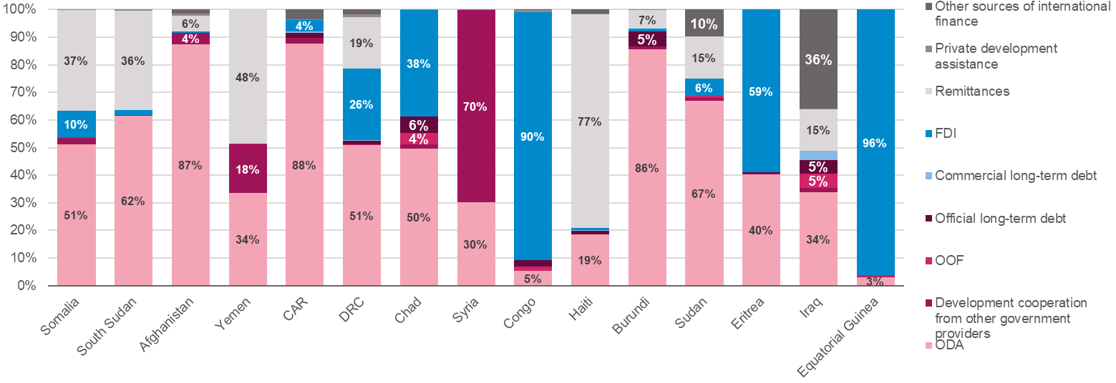

 |  |  |  |  |  |  |  |  |  |  | Other sources of International Finance |  |  |  |  |  |  |  |  |  |  |  |  |  | Other sources of International Finance
Country | ODA | Development Cooperation from other Government Providers | Other Official Flows | Official Long-Term Debt | Commercial Long-Term Debt | FDI | Remittances | Private Development Assistance | Other sources of International Finance | Total | Export Credits | Portfolio Equity (net) | Short-Term Debt (net) | Inbound Tourism Expenditure | ODA | Development Cooperation from other Government Providers | Other Official Flows | Official Long-Term Debt | Commercial Long-Term Debt | FDI | Remittances | Private Development Assistance | Other sources of International Finance | Total | Export Credits | Portfolio Equity (net) | Short-Term Debt (net) | Inbound Tourism Expenditure
Somalia | 2,431,690,000 | 107,480,000 | 4,350,000 | 0 | 0 | 455,500,000 | 1,735,000,000 | 8,063,896 | 0 | 4,742,083,896 | 0 | 0 | 0 | 0 | 51% | 2% | 0% | 0% | 0% | 10% | 37% | 0% | 0% | 100% | 0% | 0% | 0% | 0%
South Sudan | 2,118,860,000 | 6,100,000 | 0 | 0 | 0 | 67,500,000 | 1,236,000,000 | 13,720,965 | 0 | 3,442,180,965 | 0 | 0 | 0 | 0 | 62% | 0% | 0% | 0% | 0% | 2% | 36% | 0% | 0% | 100% | 0% | 0% | 0% | 0%
Afghanistan | 4,517,360,000 | 206,450,000 | 5,180,000 | 0 | 0 | 20,600,976 | 300,000,000 | 39,704,491 | 73,566,521 | 5,162,861,988 | 0 | 0 | 0 | 73,566,521 | 87% | 4% | 0% | 0% | 0% | 0% | 6% | 1% | 1% | 100% | 0% | 0% | 0% | 1%
Yemen | 2,610,280,000 | 1,362,450,000 | 17,490,000 | 13,446,030 | 0 | 0 | 3,771,000,000 | 2,383,294 | 0 | 7,777,049,324 | 0 | 0 | 0 | 0 | 34% | 18% | 0% | 0% | 0% | 0% | 48% | 0% | 0% | 100% | 0% | 0% | 0% | 0%
Central African Republic | 648,080,000 | 15,550,000 | 0 | 12,471,467 | 4,807,000 | 30,174,177 | 0 | 2,028,785 | 25,765,000 | 738,876,429 | 0 | 0 | 25,765,000 | 0 | 88% | 2% | 0% | 2% | 1% | 4% | 0% | 0% | 3% | 100% | 0% | 0% | 3% | 0%
Democratic Republic of the Congo | 3,696,060,000 | 1,050,000 | 11,830,000 | 88,259,000 | 29,845,000 | 1,870,032,503 | 1,347,879,531 | 76,265,884 | 125,561,766 | 7,246,783,684 | 7,160,000 | 0 | 34,617,000 | 83,784,766 | 51% | 0% | 0% | 1% | 0% | 26% | 19% | 1% | 2% | 100% | 0% | 0% | 0% | 1%
Chad | 726,490,000 | 21,880,000 | 59,930,000 | 86,171,837 | 0 | 562,165,726 | 0 | 4,079,630 | 0 | 1,460,717,193 | 0 | 0 | 0 | 0 | 50% | 1% | 4% | 6% | 0% | 38% | 0% | 0% | 0% | 100% | 0% | 0% | 0% | 0%
Syria | 2,933,210,000 | 6,769,220,000 | 0 | 0 | 0 | 0 | 0 | 13,250,929 | 0 | 9,715,680,929 | 0 | 0 | 0 | 0 | 30% | 70% | 0% | 0% | 0% | 0% | 0% | 0% | 0% | 100% | 0% | 0% | 0% | 0%
Congo | 220,780,000 | 1,870,000 | 62,170,000 | 91,215,937 | 5,460,718 | 3,690,808,232 | 0 | 33,611,294 | 6,221,641 | 4,112,137,821 | 0 | 0 | 0 | 6,221,641 | 5% | 0% | 2% | 2% | 0% | 90% | 0% | 1% | 0% | 100% | 0% | 0% | 0% | 0%
Haiti | 1,009,410,000 | 1,950,000 | 1,550,000 | 71,620,000 | 4,030,000 | 50,000,000 | 4,196,393,883 | 13,984,254 | 80,070,000 | 5,429,008,137 | 70,000 | 0 | 0 | 80,000,000 | 19% | 0% | 0% | 1% | 0% | 1% | 77% | 0% | 1% | 100% | 0% | 0% | 0% | 1%
Burundi | 619,550,000 | 6,760,000 | 20,000 | 39,106,306 | 0 | 7,898,030 | 48,328,632 | 1,620,145 | 0 | 723,283,113 | 0 | 0 | 0 | 0 | 86% | 1% | 0% | 5% | 0% | 1% | 7% | 0% | 0% | 100% | 0% | 0% | 0% | 0%
Sudan | 4,932,220,000 | 68,410,000 | 45,960,000 | 0 | 0 | 462,472,016 | 1,119,019,556 | 628,500 | 724,111,415 | 7,352,821,487 | 6,690,000 | 2,969,640 | 0 | 714,451,775 | 67% | 1% | 1% | 0% | 0% | 6% | 15% | 0% | 10% | 100% | 0% | 0% | 0% | 10%
Eritrea | 48,080,000 | 510,000 | 0 | 433,985 | 0 | 70,472,000 | 0 | 0 | 0 | 119,495,985 | 0 | 0 | 0 | 0 | 40% | 0% | 0% | 0% | 0% | 59% | 0% | 0% | 0% | 100% | 0% | 0% | 0% | 0%
Iraq | 1,906,470,000 | 92,290,000 | 292,280,000 | 275,946,655 | 193,650,977 | 0 | 839,500,000 | 10,008,719 | 2,027,670,680 | 5,637,817,031 | 161,360,000 | 0 | 50,704,000 | 1,815,606,680 | 34% | 2% | 5% | 5% | 3% | 0% | 15% | 0% | 36% | 100% | 3% | 0% | 1% | 32%
Equatorial Guinea | 15,660,000 | 720,000 | 3,330,000 | 0 | 0 | 491,090,929 | 0 | 79,054 | 0 | 510,879,983 | 0 | 0 | 0 | 0 | 3% | 0% | 1% | 0% | 0% | 96% | 0% | 0% | 0% | 100% | 0% | 0% | 0% | 0%
Total | 28,434,200,000 | 8,662,690,000 | 504,090,000 | 678,671,217 | 237,793,695 | 7,778,714,587 | 14,593,121,602 | 219,429,840 | 3,062,967,023 | 64,171,677,963 | 175,280,000 | 2,969,640 | 111,086,000 | 2,773,631,383 | 44% | 13% | 1% | 1% | 0% | 12% | 23% | 0% | 5% | 100% | 0% | 0% | 0% | 4%

Figure 9
Title: | ODA was the largest source of finance for 30 ODA-eligible countries in 2021 (where data is known)
Descriptive Title: | Map showing ODA as a % of total external finance received by each ODA-eligible country, 2021
Source: | Development Initiatives based on Organisation for Economic Co-operation and Development (OECD); UN Conference on Trade and Development (UNCTAD); UN World Tourism Organization (UNWTO); World Bank; World Bank-KNOMAD, June 2023.
Notes: | Country borders do not necessarily reflect Development Initiatives' position. *Countries which have a value of 100% only have ODA data available.

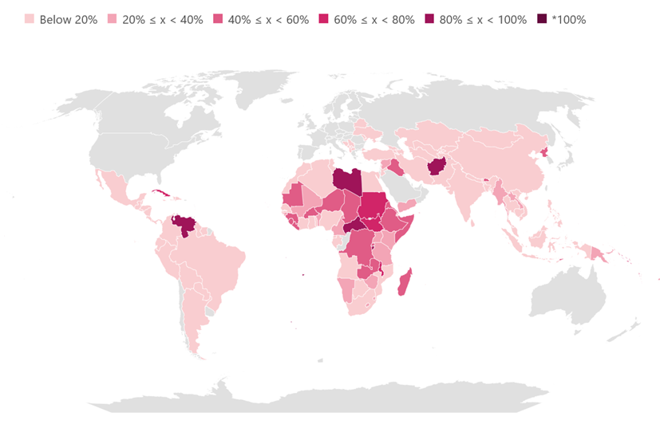

ISO3 | Country | ODA (from DAC & Multilateral donors) | Total International Financial Flows in 2021 | Category Label | % of Total International Financial Flows | Data Coverage
ALB | Albania | 738,000,000 | 8,032,699,151 | Below 20% | 9% | Data is unavailable for Albania in 2021 for 1 of the 12 international financial flows analysed in this factsheet.
BEN | Benin | 877,140,000 | 3,559,609,117 | 20% ≤ x < 40% | 25% | Data is unavailable for Benin in 2021 for 0 of the 12 international financial flows analysed in this factsheet.
BTN | Bhutan | 150,010,000 | 291,273,702 | 40% ≤ x < 60% | 52% | Data is unavailable for Bhutan in 2021 for 2 of the 12 international financial flows analysed in this factsheet.
CUB | Cuba | 137,290,000 | 190,971,100 | 60% ≤ x < 80% | 72% | Data is unavailable for Cuba in 2021 for 6 of the 12 international financial flows analysed in this factsheet.
AFG | Afghanistan | 4,517,360,000 | 5,089,295,467 | 80% ≤ x < 100% | 89% | Data is unavailable for Afghanistan in 2021 for 5 of the 12 international financial flows analysed in this factsheet.
DZA | Algeria | 252,810,000 | 3,506,870,776 | Below 20% | 7% | Data is unavailable for Algeria in 2021 for 4 of the 12 international financial flows analysed in this factsheet.
AGO | Angola | 304,140,000 | 7,290,166,260 | Below 20% | 4% | Data is unavailable for Angola in 2021 for 3 of the 12 international financial flows analysed in this factsheet.
ATG | Antigua and Barbuda | 3,990,000 | 765,092,189 | Below 20% | 1% | Data is unavailable for Antigua and Barbuda in 2021 for 6 of the 12 international financial flows analysed in this factsheet.
ARG | Argentina | 172,940,000 | 24,172,118,675 | Below 20% | 1% | Data is unavailable for Argentina in 2021 for 0 of the 12 international financial flows analysed in this factsheet.
ARM | Armenia | 367,680,000 | 6,191,213,483 | Below 20% | 6% | Data is unavailable for Armenia in 2021 for 1 of the 12 international financial flows analysed in this factsheet.
AZE | Azerbaijan | 154,340,000 | 2,944,177,050 | Below 20% | 5% | Data is unavailable for Azerbaijan in 2021 for 2 of the 12 international financial flows analysed in this factsheet.
BGD | Bangladesh | 6,318,710,000 | 50,422,262,287 | Below 20% | 13% | Data is unavailable for Bangladesh in 2021 for 1 of the 12 international financial flows analysed in this factsheet.
BLR | Belarus | 159,880,000 | 5,215,254,012 | Below 20% | 3% | Data is unavailable for Belarus in 2021 for 2 of the 12 international financial flows analysed in this factsheet.
BLZ | Belize | 80,470,000 | 1,190,543,949 | Below 20% | 7% | Data is unavailable for Belize in 2021 for 3 of the 12 international financial flows analysed in this factsheet.
BOL | Bolivia | 652,640,000 | 4,352,967,671 | Below 20% | 15% | Data is unavailable for Bolivia in 2021 for 0 of the 12 international financial flows analysed in this factsheet.
BIH | Bosnia and Herzegovina | 761,390,000 | 5,782,218,642 | Below 20% | 13% | Data is unavailable for Bosnia and Herzegovina in 2021 for 2 of the 12 international financial flows analysed in this factsheet.
BWA | Botswana | 111,700,000 | 931,068,502 | Below 20% | 12% | Data is unavailable for Botswana in 2021 for 2 of the 12 international financial flows analysed in this factsheet.
BRA | Brazil | 1,479,590,000 | 240,668,008,076 | Below 20% | 1% | Data is unavailable for Brazil in 2021 for 1 of the 12 international financial flows analysed in this factsheet.
BFA | Burkina Faso | 1,698,550,000 | 3,454,623,863 | 40% ≤ x < 60% | 49% | Data is unavailable for Burkina Faso in 2021 for 1 of the 12 international financial flows analysed in this factsheet.
BDI | Burundi | 619,550,000 | 723,283,113 | 80% ≤ x < 100% | 86% | Data is unavailable for Burundi in 2021 for 5 of the 12 international financial flows analysed in this factsheet.
KHM | Cambodia | 1,495,400,000 | 11,313,275,421 | Below 20% | 13% | Data is unavailable for Cambodia in 2021 for 1 of the 12 international financial flows analysed in this factsheet.
CMR | Cameroon | 1,234,020,000 | 4,393,387,815 | 20% ≤ x < 40% | 28% | Data is unavailable for Cameroon in 2021 for 0 of the 12 international financial flows analysed in this factsheet.
CPV | Cabo Verde | 173,560,000 | 807,301,919 | 20% ≤ x < 40% | 21% | Data is unavailable for Cabo Verde in 2021 for 2 of the 12 international financial flows analysed in this factsheet.
CAF | Central African Republic | 648,080,000 | 738,876,429 | 80% ≤ x < 100% | 88% | Data is unavailable for Central African Republic in 2021 for 5 of the 12 international financial flows analysed in this factsheet.
TCD | Chad | 726,490,000 | 1,460,717,193 | 40% ≤ x < 60% | 50% | Data is unavailable for Chad in 2021 for 6 of the 12 international financial flows analysed in this factsheet.
CHN | China (People's Republic of) | 1,137,160,000 | 905,981,224,968 | Below 20% | 0% | Data is unavailable for China (People's Republic of) in 2021 for 1 of the 12 international financial flows analysed in this factsheet.
COL | Colombia | 2,200,320,000 | 58,327,657,907 | Below 20% | 4% | Data is unavailable for Colombia in 2021 for 1 of the 12 international financial flows analysed in this factsheet.
COM | Comoros | 116,900,000 | 533,547,882 | 20% ≤ x < 40% | 22% | Data is unavailable for Comoros in 2021 for 6 of the 12 international financial flows analysed in this factsheet.
COD | Democratic Republic of the Congo | 3,696,060,000 | 7,162,998,918 | 40% ≤ x < 60% | 52% | Data is unavailable for Democratic Republic of the Congo in 2021 for 1 of the 12 international financial flows analysed in this factsheet.
COG | Congo | 220,780,000 | 4,105,916,180 | Below 20% | 5% | Data is unavailable for Congo in 2021 for 4 of the 12 international financial flows analysed in this factsheet.
CRI | Costa Rica | 162,330,000 | 9,837,866,512 | Below 20% | 2% | Data is unavailable for Costa Rica in 2021 for 0 of the 12 international financial flows analysed in this factsheet.
CIV | Côte d'Ivoire | 1,775,750,000 | 9,614,331,512 | Below 20% | 18% | Data is unavailable for Côte d'Ivoire in 2021 for 0 of the 12 international financial flows analysed in this factsheet.
DJI | Djibouti | 161,150,000 | 991,301,417 | Below 20% | 16% | Data is unavailable for Djibouti in 2021 for 3 of the 12 international financial flows analysed in this factsheet.
DMA | Dominica | 80,300,000 | 270,863,532 | 20% ≤ x < 40% | 30% | Data is unavailable for Dominica in 2021 for 5 of the 12 international financial flows analysed in this factsheet.
DOM | Dominican Republic | 524,870,000 | 24,051,410,172 | Below 20% | 2% | Data is unavailable for Dominican Republic in 2021 for 1 of the 12 international financial flows analysed in this factsheet.
ECU | Ecuador | 370,470,000 | 11,531,814,024 | Below 20% | 3% | Data is unavailable for Ecuador in 2021 for 0 of the 12 international financial flows analysed in this factsheet.
EGY | Egypt | 3,662,180,000 | 80,789,966,320 | Below 20% | 5% | Data is unavailable for Egypt in 2021 for 1 of the 12 international financial flows analysed in this factsheet.
SLV | El Salvador | 291,750,000 | 15,940,311,401 | Below 20% | 2% | Data is unavailable for El Salvador in 2021 for 1 of the 12 international financial flows analysed in this factsheet.
GNQ | Equatorial Guinea | 15,660,000 | 510,879,983 | Below 20% | 3% | Data is unavailable for Equatorial Guinea in 2021 for 7 of the 12 international financial flows analysed in this factsheet.
ERI | Eritrea | 48,080,000 | 119,495,985 | 40% ≤ x < 60% | 40% | Data is unavailable for Eritrea in 2021 for 8 of the 12 international financial flows analysed in this factsheet.
ETH | Ethiopia | 4,231,360,000 | 10,197,212,884 | 40% ≤ x < 60% | 41% | Data is unavailable for Ethiopia in 2021 for 1 of the 12 international financial flows analysed in this factsheet.
FJI | Fiji | 610,680,000 | 1,756,956,436 | 20% ≤ x < 40% | 35% | Data is unavailable for Fiji in 2021 for 3 of the 12 international financial flows analysed in this factsheet.
GAB | Gabon | 122,780,000 | 2,716,597,407 | Below 20% | 5% | Data is unavailable for Gabon in 2021 for 3 of the 12 international financial flows analysed in this factsheet.
GMB | Gambia | 237,700,000 | 1,195,879,665 | Below 20% | 20% | Data is unavailable for Gambia in 2021 for 3 of the 12 international financial flows analysed in this factsheet.
GEO | Georgia | 970,100,000 | 10,305,737,016 | Below 20% | 9% | Data is unavailable for Georgia in 2021 for 1 of the 12 international financial flows analysed in this factsheet.
GHA | Ghana | 1,561,810,000 | 15,474,764,208 | Below 20% | 10% | Data is unavailable for Ghana in 2021 for 1 of the 12 international financial flows analysed in this factsheet.
GRD | Grenada | 76,970,000 | 573,136,401 | Below 20% | 13% | Data is unavailable for Grenada in 2021 for 3 of the 12 international financial flows analysed in this factsheet.
GTM | Guatemala | 559,720,000 | 25,408,387,128 | Below 20% | 2% | Data is unavailable for Guatemala in 2021 for 3 of the 12 international financial flows analysed in this factsheet.
GIN | Guinea | 589,240,000 | 1,453,117,101 | 40% ≤ x < 60% | 41% | Data is unavailable for Guinea in 2021 for 1 of the 12 international financial flows analysed in this factsheet.
GNB | Guinea-Bissau | 174,730,000 | 571,648,622 | 20% ≤ x < 40% | 31% | Data is unavailable for Guinea-Bissau in 2021 for 2 of the 12 international financial flows analysed in this factsheet.
GUY | Guyana | 159,950,000 | 2,084,570,565 | Below 20% | 8% | Data is unavailable for Guyana in 2021 for 1 of the 12 international financial flows analysed in this factsheet.
HTI | Haiti | 1,009,410,000 | 5,429,008,137 | Below 20% | 19% | Data is unavailable for Haiti in 2021 for 2 of the 12 international financial flows analysed in this factsheet.
HND | Honduras | 779,200,000 | 10,715,122,618 | Below 20% | 7% | Data is unavailable for Honduras in 2021 for 1 of the 12 international financial flows analysed in this factsheet.
IND | India | 6,454,120,000 | 223,620,619,622 | Below 20% | 3% | Data is unavailable for India in 2021 for 0 of the 12 international financial flows analysed in this factsheet.
IDN | Indonesia | 2,753,820,000 | 96,167,507,252 | Below 20% | 3% | Data is unavailable for Indonesia in 2021 for 0 of the 12 international financial flows analysed in this factsheet.
IRN | Iran | 280,050,000 | 2,313,458,937 | Below 20% | 12% | Data is unavailable for Iran in 2021 for 4 of the 12 international financial flows analysed in this factsheet.
IRQ | Iraq | 1,906,470,000 | 3,822,210,351 | 40% ≤ x < 60% | 50% | Data is unavailable for Iraq in 2021 for 2 of the 12 international financial flows analysed in this factsheet.
JAM | Jamaica | 73,720,000 | 7,330,031,919 | Below 20% | 1% | Data is unavailable for Jamaica in 2021 for 1 of the 12 international financial flows analysed in this factsheet.
JOR | Jordan | 3,374,070,000 | 17,660,837,203 | Below 20% | 19% | Data is unavailable for Jordan in 2021 for 1 of the 12 international financial flows analysed in this factsheet.
KAZ | Kazakhstan | 85,030,000 | 29,360,022,142 | Below 20% | 0% | Data is unavailable for Kazakhstan in 2021 for 0 of the 12 international financial flows analysed in this factsheet.
KEN | Kenya | 3,650,310,000 | 12,434,240,111 | 20% ≤ x < 40% | 29% | Data is unavailable for Kenya in 2021 for 1 of the 12 international financial flows analysed in this factsheet.
KIR | Kiribati | 74,300,000 | 89,171,306 | 80% ≤ x < 100% | 83% | Data is unavailable for Kiribati in 2021 for 7 of the 12 international financial flows analysed in this factsheet.
PRK | Democratic People's Republic of Korea | 22,410,000 | 40,701,028 | 40% ≤ x < 60% | 55% | Data is unavailable for Democratic People's Republic of Korea in 2021 for 8 of the 12 international financial flows analysed in this factsheet.
XKX | Kosovo | 462,650,000 | 2,889,076,651 | Below 20% | 16% | Data is unavailable for Kosovo in 2021 for 3 of the 12 international financial flows analysed in this factsheet.
KGZ | Kyrgyzstan | 531,320,000 | 4,350,318,187 | Below 20% | 12% | Data is unavailable for Kyrgyzstan in 2021 for 2 of the 12 international financial flows analysed in this factsheet.
LAO | Lao People's Democratic Republic | 627,870,000 | 2,334,555,427 | 20% ≤ x < 40% | 27% | Data is unavailable for Lao People's Democratic Republic in 2021 for 2 of the 12 international financial flows analysed in this factsheet.
LBN | Lebanon | 1,454,130,000 | 8,976,921,086 | Below 20% | 16% | Data is unavailable for Lebanon in 2021 for 1 of the 12 international financial flows analysed in this factsheet.
LSO | Lesotho | 213,940,000 | 830,780,249 | 20% ≤ x < 40% | 26% | Data is unavailable for Lesotho in 2021 for 3 of the 12 international financial flows analysed in this factsheet.
LBR | Liberia | 615,720,000 | 1,189,819,755 | 40% ≤ x < 60% | 52% | Data is unavailable for Liberia in 2021 for 4 of the 12 international financial flows analysed in this factsheet.
LBY | Libya | 328,740,000 | 346,220,000 | 80% ≤ x < 100% | 95% | Data is unavailable for Libya in 2021 for 10 of the 12 international financial flows analysed in this factsheet.
MKD | Former Yugoslav Republic of Macedonia | 409,690,000 | 3,712,824,745 | Below 20% | 11% | Data is unavailable for Former Yugoslav Republic of Macedonia in 2021 for 1 of the 12 international financial flows analysed in this factsheet.
MDG | Madagascar | 1,127,950,000 | 1,974,044,877 | 40% ≤ x < 60% | 57% | Data is unavailable for Madagascar in 2021 for 4 of the 12 international financial flows analysed in this factsheet.
MWI | Malawi | 1,215,500,000 | 1,688,035,807 | 60% ≤ x < 80% | 72% | Data is unavailable for Malawi in 2021 for 3 of the 12 international financial flows analysed in this factsheet.
MYS | Malaysia | 96,070,000 | 13,702,075,795 | Below 20% | 1% | Data is unavailable for Malaysia in 2021 for 4 of the 12 international financial flows analysed in this factsheet.
MDV | Maldives | 164,970,000 | 5,165,904,393 | Below 20% | 3% | Data is unavailable for Maldives in 2021 for 1 of the 12 international financial flows analysed in this factsheet.
MLI | Mali | 1,503,350,000 | 3,993,038,287 | 20% ≤ x < 40% | 38% | Data is unavailable for Mali in 2021 for 1 of the 12 international financial flows analysed in this factsheet.
MHL | Marshall Islands | 111,240,000 | 151,236,550 | 60% ≤ x < 80% | 74% | Data is unavailable for Marshall Islands in 2021 for 7 of the 12 international financial flows analysed in this factsheet.
MRT | Mauritania | 367,400,000 | 694,898,257 | 40% ≤ x < 60% | 53% | Data is unavailable for Mauritania in 2021 for 2 of the 12 international financial flows analysed in this factsheet.
MUS | Mauritius | 358,280,000 | 14,253,903,846 | Below 20% | 3% | Data is unavailable for Mauritius in 2021 for 1 of the 12 international financial flows analysed in this factsheet.
MEX | Mexico | 787,650,000 | 164,939,151,605 | Below 20% | 0% | Data is unavailable for Mexico in 2021 for 1 of the 12 international financial flows analysed in this factsheet.
FSM | Micronesia | 133,910,000 | 157,382,450 | 80% ≤ x < 100% | 85% | Data is unavailable for Micronesia in 2021 for 8 of the 12 international financial flows analysed in this factsheet.
MDA | Moldova | 605,790,000 | 4,921,517,262 | Below 20% | 12% | Data is unavailable for Moldova in 2021 for 2 of the 12 international financial flows analysed in this factsheet.
MNG | Mongolia | 401,320,000 | 7,304,049,765 | Below 20% | 5% | Data is unavailable for Mongolia in 2021 for 1 of the 12 international financial flows analysed in this factsheet.
MNE | Montenegro | 211,980,000 | 3,427,279,182 | Below 20% | 6% | Data is unavailable for Montenegro in 2021 for 1 of the 12 international financial flows analysed in this factsheet.
MSR | Montserrat | 39,770,000 | 42,304,133 | 80% ≤ x < 100% | 94% | Data is unavailable for Montserrat in 2021 for 8 of the 12 international financial flows analysed in this factsheet.
MAR | Morocco | 2,046,870,000 | 25,852,140,037 | Below 20% | 8% | Data is unavailable for Morocco in 2021 for 1 of the 12 international financial flows analysed in this factsheet.
MOZ | Mozambique | 2,429,690,000 | 19,180,908,928 | Below 20% | 13% | Data is unavailable for Mozambique in 2021 for 3 of the 12 international financial flows analysed in this factsheet.
MMR | Myanmar | 1,610,470,000 | 6,134,884,801 | 20% ≤ x < 40% | 26% | Data is unavailable for Myanmar in 2021 for 3 of the 12 international financial flows analysed in this factsheet.
NAM | Namibia | 235,280,000 | 1,009,243,757 | 20% ≤ x < 40% | 23% | Data is unavailable for Namibia in 2021 for 4 of the 12 international financial flows analysed in this factsheet.
NRU | Nauru | 33,930,000 | 33,950,000 | 80% ≤ x < 100% | 100% | Data is unavailable for Nauru in 2021 for 10 of the 12 international financial flows analysed in this factsheet.
NPL | Nepal | 1,773,800,000 | 10,557,076,755 | Below 20% | 17% | Data is unavailable for Nepal in 2021 for 2 of the 12 international financial flows analysed in this factsheet.
NIC | Nicaragua | 814,610,000 | 6,266,538,345 | Below 20% | 13% | Data is unavailable for Nicaragua in 2021 for 2 of the 12 international financial flows analysed in this factsheet.
NER | Niger | 1,837,170,000 | 3,150,611,350 | 40% ≤ x < 60% | 58% | Data is unavailable for Niger in 2021 for 2 of the 12 international financial flows analysed in this factsheet.
NGA | Nigeria | 3,866,480,000 | 39,217,102,332 | Below 20% | 10% | Data is unavailable for Nigeria in 2021 for 1 of the 12 international financial flows analysed in this factsheet.
NIU | Niue | 28,050,000 | 28,050,000 | *100% | 100% | Data is unavailable for Niue in 2021 for 11 of the 12 international financial flows analysed in this factsheet.
PAK | Pakistan | 3,952,490,000 | 58,684,322,839 | Below 20% | 7% | Data is unavailable for Pakistan in 2021 for 1 of the 12 international financial flows analysed in this factsheet.
PLW | Palau | 51,200,000 | 89,163,750 | 40% ≤ x < 60% | 57% | Data is unavailable for Palau in 2021 for 5 of the 12 international financial flows analysed in this factsheet.
PAN | Panama | 151,920,000 | 13,483,684,999 | Below 20% | 1% | Data is unavailable for Panama in 2021 for 4 of the 12 international financial flows analysed in this factsheet.
PNG | Papua New Guinea | 1,240,460,000 | 3,843,600,677 | 20% ≤ x < 40% | 32% | Data is unavailable for Papua New Guinea in 2021 for 3 of the 12 international financial flows analysed in this factsheet.
PRY | Paraguay | 249,530,000 | 3,550,114,094 | Below 20% | 7% | Data is unavailable for Paraguay in 2021 for 2 of the 12 international financial flows analysed in this factsheet.
PER | Peru | 460,660,000 | 28,810,533,033 | Below 20% | 2% | Data is unavailable for Peru in 2021 for 2 of the 12 international financial flows analysed in this factsheet.
PHL | Philippines | 2,182,720,000 | 68,634,995,607 | Below 20% | 3% | Data is unavailable for Philippines in 2021 for 1 of the 12 international financial flows analysed in this factsheet.
RWA | Rwanda | 1,360,040,000 | 3,109,932,890 | 40% ≤ x < 60% | 44% | Data is unavailable for Rwanda in 2021 for 1 of the 12 international financial flows analysed in this factsheet.
WSM | Samoa | 97,550,000 | 355,583,346 | 20% ≤ x < 40% | 27% | Data is unavailable for Samoa in 2021 for 6 of the 12 international financial flows analysed in this factsheet.
STP | Sao Tome and Principe | 76,970,000 | 177,713,552 | 40% ≤ x < 60% | 43% | Data is unavailable for Sao Tome and Principe in 2021 for 6 of the 12 international financial flows analysed in this factsheet.
SEN | Senegal | 1,477,080,000 | 12,855,068,314 | Below 20% | 11% | Data is unavailable for Senegal in 2021 for 2 of the 12 international financial flows analysed in this factsheet.
SRB | Serbia | 955,280,000 | 21,490,681,595 | Below 20% | 4% | Data is unavailable for Serbia in 2021 for 1 of the 12 international financial flows analysed in this factsheet.
SLE | Sierra Leone | 716,460,000 | 1,232,052,011 | 40% ≤ x < 60% | 58% | Data is unavailable for Sierra Leone in 2021 for 4 of the 12 international financial flows analysed in this factsheet.
SLB | Solomon Islands | 268,800,000 | 397,705,839 | 60% ≤ x < 80% | 68% | Data is unavailable for Solomon Islands in 2021 for 4 of the 12 international financial flows analysed in this factsheet.
SOM | Somalia | 2,431,690,000 | 4,742,083,896 | 40% ≤ x < 60% | 51% | Data is unavailable for Somalia in 2021 for 6 of the 12 international financial flows analysed in this factsheet.
ZAF | South Africa | 1,614,830,000 | 58,062,062,732 | Below 20% | 3% | Data is unavailable for South Africa in 2021 for 2 of the 12 international financial flows analysed in this factsheet.
SSD | South Sudan | 2,118,860,000 | 3,442,180,965 | 60% ≤ x < 80% | 62% | Data is unavailable for South Sudan in 2021 for 7 of the 12 international financial flows analysed in this factsheet.
LKA | Sri Lanka | 793,990,000 | 9,927,427,758 | Below 20% | 8% | Data is unavailable for Sri Lanka in 2021 for 1 of the 12 international financial flows analysed in this factsheet.
SHN | Saint Helena | 53,950,000 | 53,975,000 | 80% ≤ x < 100% | 100% | Data is unavailable for Saint Helena in 2021 for 10 of the 12 international financial flows analysed in this factsheet.
LCA | Saint Lucia | 103,020,000 | 1,103,416,313 | Below 20% | 9% | Data is unavailable for Saint Lucia in 2021 for 2 of the 12 international financial flows analysed in this factsheet.
VCT | Saint Vincent and the Grenadines | 128,300,000 | 330,393,672 | 20% ≤ x < 40% | 39% | Data is unavailable for Saint Vincent and the Grenadines in 2021 for 4 of the 12 international financial flows analysed in this factsheet.
SDN | Sudan | 4,932,220,000 | 6,638,369,711 | 60% ≤ x < 80% | 74% | Data is unavailable for Sudan in 2021 for 3 of the 12 international financial flows analysed in this factsheet.
SUR | Suriname | 29,960,000 | 236,129,073 | Below 20% | 13% | Data is unavailable for Suriname in 2021 for 6 of the 12 international financial flows analysed in this factsheet.
SWZ | Eswatini | 139,530,000 | 539,463,179 | 20% ≤ x < 40% | 26% | Data is unavailable for Eswatini in 2021 for 2 of the 12 international financial flows analysed in this factsheet.
SYR | Syrian Arab Republic | 2,933,210,000 | 9,715,680,929 | 20% ≤ x < 40% | 30% | Data is unavailable for Syrian Arab Republic in 2021 for 9 of the 12 international financial flows analysed in this factsheet.
TJK | Tajikistan | 569,150,000 | 4,166,998,159 | Below 20% | 14% | Data is unavailable for Tajikistan in 2021 for 2 of the 12 international financial flows analysed in this factsheet.
TZA | Tanzania | 2,835,520,000 | 7,697,581,814 | 20% ≤ x < 40% | 37% | Data is unavailable for Tanzania in 2021 for 1 of the 12 international financial flows analysed in this factsheet.
THA | Thailand | 418,420,000 | 51,264,999,481 | Below 20% | 1% | Data is unavailable for Thailand in 2021 for 3 of the 12 international financial flows analysed in this factsheet.
TLS | Timor-Leste | 259,440,000 | 541,290,395 | 40% ≤ x < 60% | 48% | Data is unavailable for Timor-Leste in 2021 for 4 of the 12 international financial flows analysed in this factsheet.
TGO | Togo | 346,310,000 | 1,993,479,382 | Below 20% | 17% | Data is unavailable for Togo in 2021 for 1 of the 12 international financial flows analysed in this factsheet.
TKL | Tokelau | 15,070,000 | 15,070,000 | *100% | 100% | Data is unavailable for Tokelau in 2021 for 11 of the 12 international financial flows analysed in this factsheet.
TON | Tonga | 116,390,000 | 344,309,914 | 20% ≤ x < 40% | 34% | Data is unavailable for Tonga in 2021 for 6 of the 12 international financial flows analysed in this factsheet.
TUN | Tunisia | 1,697,030,000 | 9,804,605,173 | Below 20% | 17% | Data is unavailable for Tunisia in 2021 for 1 of the 12 international financial flows analysed in this factsheet.
TUR | Turkey | 3,107,220,000 | 114,642,028,541 | Below 20% | 3% | Data is unavailable for Turkey in 2021 for 2 of the 12 international financial flows analysed in this factsheet.
TKM | Turkmenistan | 26,830,000 | 2,195,149,254 | Below 20% | 1% | Data is unavailable for Turkmenistan in 2021 for 5 of the 12 international financial flows analysed in this factsheet.
TUV | Tuvalu | 36,460,000 | 39,180,083 | 80% ≤ x < 100% | 93% | Data is unavailable for Tuvalu in 2021 for 8 of the 12 international financial flows analysed in this factsheet.
UGA | Uganda | 2,727,350,000 | 7,421,906,784 | 20% ≤ x < 40% | 37% | Data is unavailable for Uganda in 2021 for 0 of the 12 international financial flows analysed in this factsheet.
UKR | Ukraine | 2,309,780,000 | 41,677,098,028 | Below 20% | 6% | Data is unavailable for Ukraine in 2021 for 2 of the 12 international financial flows analysed in this factsheet.
UZB | Uzbekistan | 1,231,350,000 | 24,953,129,810 | Below 20% | 5% | Data is unavailable for Uzbekistan in 2021 for 0 of the 12 international financial flows analysed in this factsheet.
VUT | Vanuatu | 172,890,000 | 429,626,178 | 40% ≤ x < 60% | 40% | Data is unavailable for Vanuatu in 2021 for 3 of the 12 international financial flows analysed in this factsheet.
VEN | Venezuela | 276,060,000 | 314,996,274 | 80% ≤ x < 100% | 88% | Data is unavailable for Venezuela in 2021 for 8 of the 12 international financial flows analysed in this factsheet.
VNM | Viet Nam | 2,378,540,000 | 62,583,642,533 | Below 20% | 4% | Data is unavailable for Viet Nam in 2021 for 1 of the 12 international financial flows analysed in this factsheet.
WLF | Wallis and Futuna | 110,800,000 | 110,800,000 | *100% | 100% | Data is unavailable for Wallis and Futuna in 2021 for 11 of the 12 international financial flows analysed in this factsheet.
PSE | West Bank and Gaza Strip | 1,732,880,000 | 6,367,731,678 | 20% ≤ x < 40% | 27% | Data is unavailable for West Bank and Gaza Strip in 2021 for 3 of the 12 international financial flows analysed in this factsheet.
YEM | Yemen | 2,610,280,000 | 7,777,049,324 | 20% ≤ x < 40% | 34% | Data is unavailable for Yemen in 2021 for 6 of the 12 international financial flows analysed in this factsheet.
ZMB | Zambia | 1,160,760,000 | 2,772,302,179 | 40% ≤ x < 60% | 42% | Data is unavailable for Zambia in 2021 for 1 of the 12 international financial flows analysed in this factsheet.
ZWE | Zimbabwe | 1,007,040,000 | 4,586,594,893 | 20% ≤ x < 40% | 22% | Data is unavailable for Zimbabwe in 2021 for 2 of the 12 international financial flows analysed in this factsheet.

