Figure 1
Key trends in aid targeting persons with intellectual disabilities
Figure 1
ODA targeting persons with intellectual disabilities as a share of all disability-relevant ODA, 2014–2018
Aid targeting persons with intellectual disabilities has consistently formed a minor fraction of all disability-relevant aid
Source: | Development Initiatives based on OECD DAC Creditor Reporting System (CRS).
Long description: | The percentage of disability-relevant aid targeting persons with intellectual disabilities decreased consistently from 2.1% in 2014 to 0.9% in 2017, with only a small recovery to 1.4% in 2018.
Geographical information: | Global
Author: | Dean Breed, Dan Walton

 | ODA targeting persons with intellectual disabilities as a share of all disability-relevant ODA
2014 | 0.021151137295
2015 | 0.013476476393
2016 | 0.0096671579971
2017 | 0.0091296956829
2018 | 0.013720989444
 |  | Year | ODA targeting persons with intellectual disabilities as a share of all disability-relevant ODA
 |  | 2014 | 2.1%
 |  | 2015 | 1.3%
 |  | 2016 | 1.0%
 |  | 2017 | 0.9%
 |  | 2018 | 1.4%

Figure 2
Key trends in aid targeting persons with intellectual disabilities
Figure 2
Top five donors of ODA targeting persons with intellectual disabilities (US$ millions), 2014–2018
A few large donors provide the majority of aid targeting persons with intellectual disabilities
Source: | Development Initiatives based on OECD DAC CRS.
Long description: | Between 2014 and 2018, there are a few donors who are consistently in the top five providers of ODA targeting persons with intellectual disabilities: Finland, US and the EU. The UK disbursed considerable volumes in 2014 and 2018, ranking first in both years. Other donors to enter the top five for this period are Korea, Canada, Norway, Germany, Australia, Italy and Sweden.
Geographical information: | Global
Author: | Dean Breed, Dan Walton
 |  | Donors ranked by share of aid targeting persons with intellectual disabilities
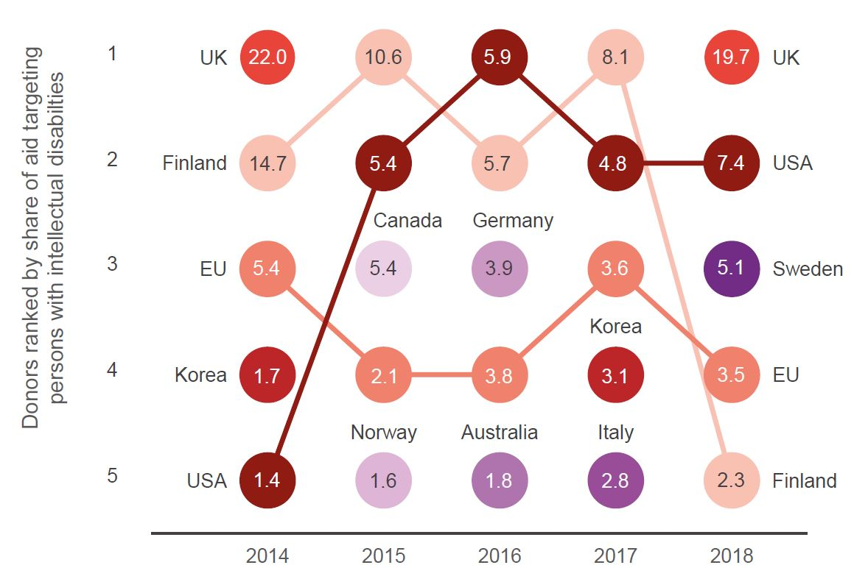
 |  | Ranking | Donor, 2014 | Value (US$ millions), 2014 | Donor, 2015 | Value (US$ millions), 2015 | Donor, 2016 | Value (US$ millions), 2016 | Donor, 2017 | Value (US$ millions), 2017 | Donor, 2018 | Value (US$ millions), 2018
 |  | 1 | UK | 22.0 | Finland | 10.6 | US | 5.9 | Finland | 8.1 | UK | 19.7
 |  | 2 | Finland | 14.7 | US | 5.4 | Finland | 5.7 | United States | 4.8 | US | 7.4
 |  | 3 | EU institutions | 5.4 | Canada | 5.4 | Germany | 3.9 | EU institutions | 3.6 | Sweden | 5.1
 |  | 4 | Korea | 1.7 | EU institutions | 2.1 | EU institutions | 3.8 | Korea | 3.1 | EU institutions | 3.5
 |  | 5 | US | 1.4 | Norway | 1.6 | Australia | 1.8 | Italy | 2.8 | Finland | 2.3

Figure 3
Key trends in aid targeting persons with intellectual disabilities
Figure 3
Proportion of ODA targeting persons with disabilities also focused on gender equality, 2014–2018
Aid projects which focus on persons with intellectual disabilities overlap significantly with those which focus on gender equality
Source: | Development Initiatives based on OECD DAC CRS.
Notes: | Not screened refers to projects where it is not specified if there is a principal, significant or no gender component.
Long description: | The proportion of projects that target persons with intellectual disabilities which also have a principal or significant focus on promoting gender equality has increased since 2015. In 2018, over 80% of projects focused on persons with intellectual disabilities had a principal or significant gender equality component – with over half of that being principal.
Geographical information: | Global
Author: | Dean Breed, Dan Walton

 |  | Year | Principal focus on gender | Significant focus on gender | No focus on gender | Not screened against gender marker
 |  | 2014 | 1% | 78% | 20% | 1%
 |  | 2015 | 3% | 52% | 43% | 1%
 |  | 2016 | 5% | 52% | 42% | 1%
 |  | 2017 | 2% | 63% | 34% | 1%
 |  | 2018 | 50% | 33% | 16% | 1%

