Figure 1
Latest trends in UK aid, May 2022
Figure 1
Descriptive title: | Total ODA from DAC donors reached a high of US$179 billion in 2021. Despite cuts to its ODA budget, the UK was the 5th largest DAC donor.
Title: | Figure 1. Change in total ODA between 2020 and 2021 for DAC donors
Source: | Organisation for Economic Co-operation and Development (OECD) Development Assistance Committee (DAC)
Notes: | The chart shows grant equivalent official development assistance (ODA).
Geographical information: | Global, UK
Author: | Duncan Knox

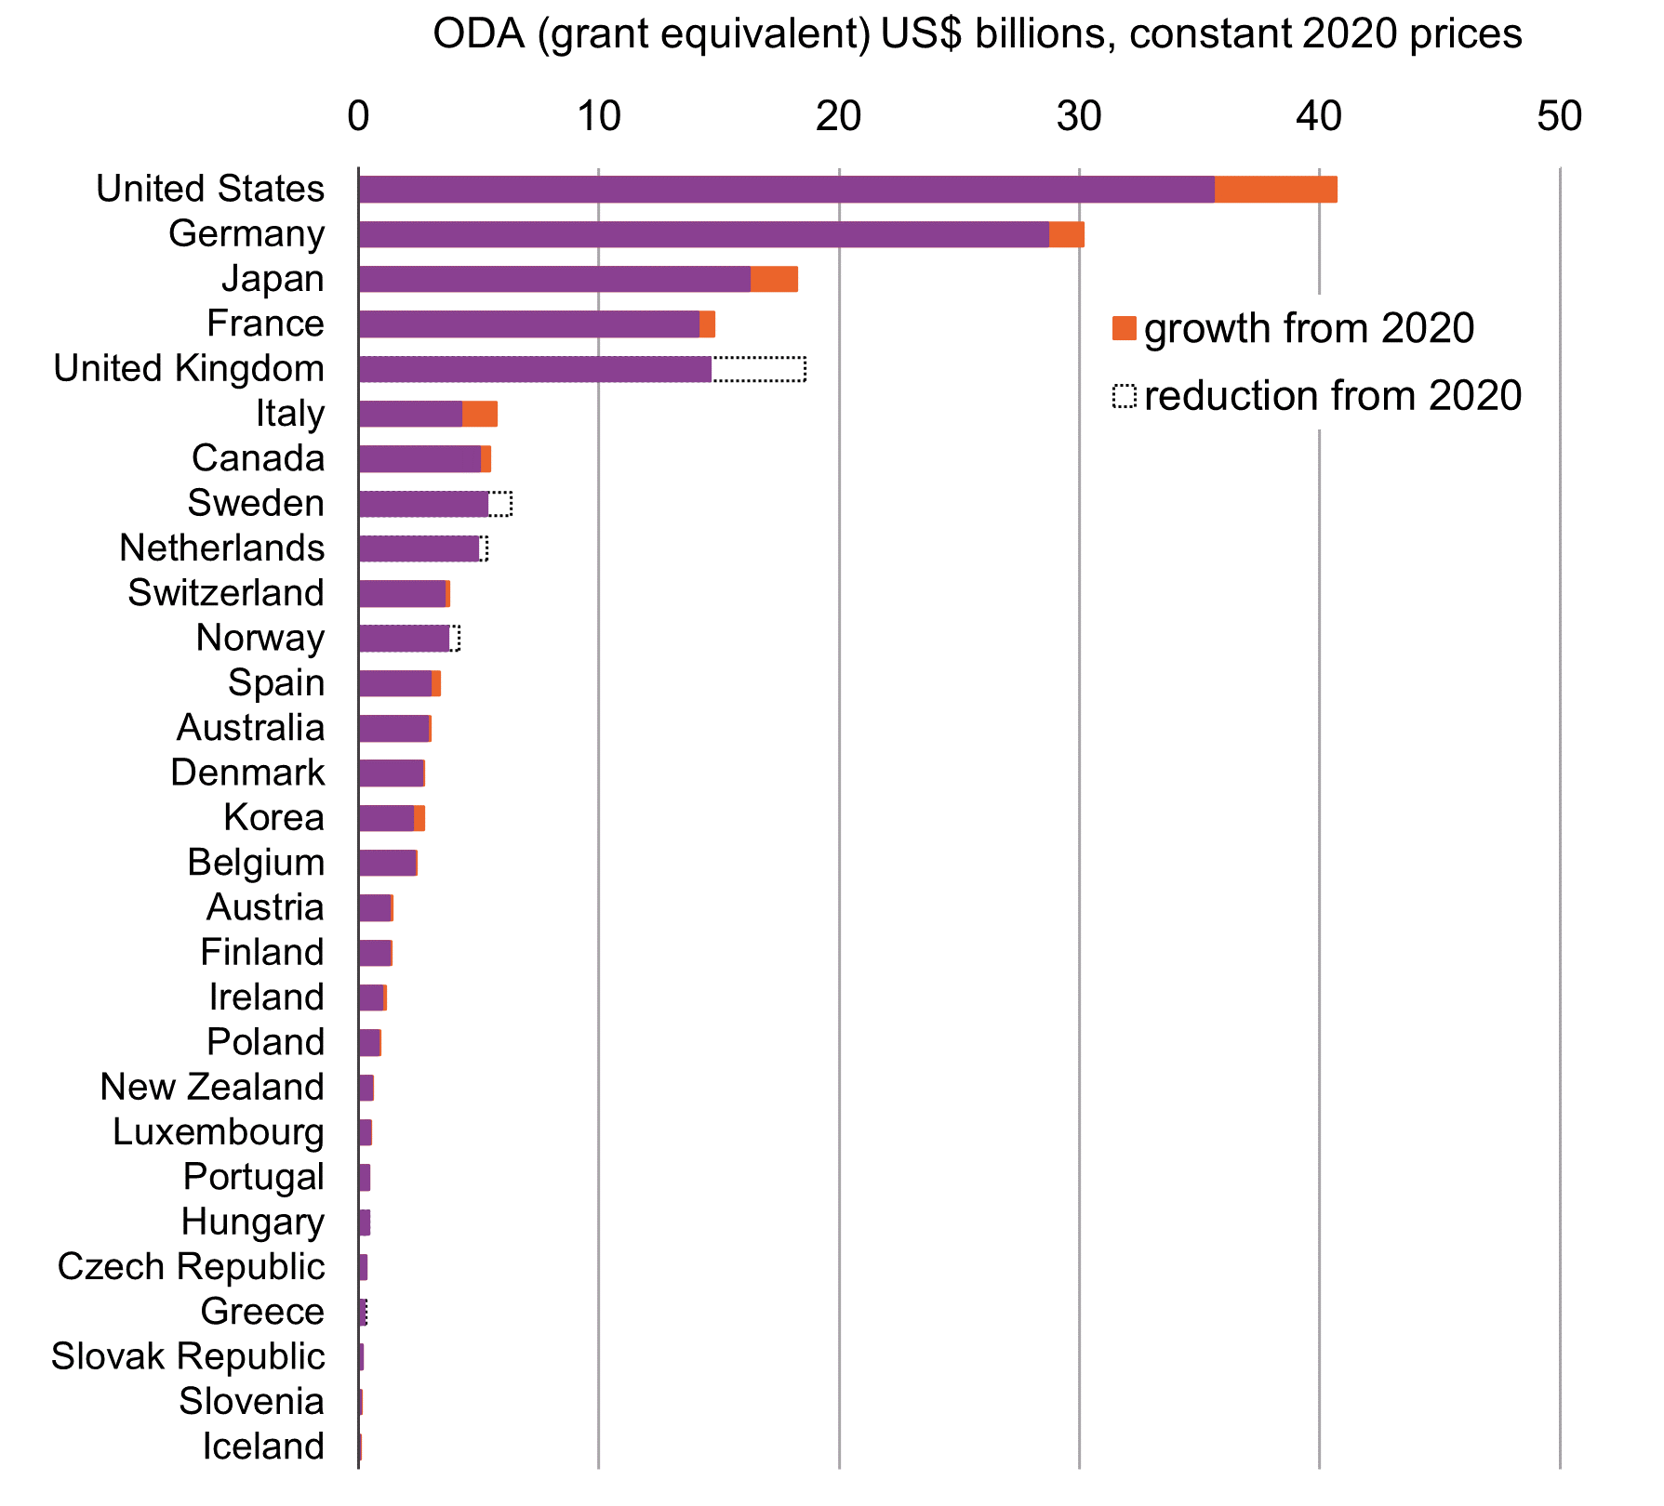
Donor | ODA 2020 | ODA 2021 | Growth from 2020 | Reduction from 2020 | Increase from 2020
US | 35576.3 | 40687.5 | 40687.5 |  | 5111.2
Germany | 28680.1 | 30143.5 | 30143.5 |  | 1463.4
Japan | 16260.3 | 18225.9 | 18225.9 |  | 1965.7
France | 14124.7 | 14774.5 | 14774.5 |  | 649.8
UK | 18568.2 | 14627.3 |  | 18568.2 | -3940.9
Italy | 4248.4 | 5714.1 | 5714.1 |  | 1465.7
Canada | 5051.7 | 5456.0 | 5456.0 |  | 404.4
Sweden | 6348.6 | 5354.9 |  | 6348.6 | -993.7
Netherlands | 5358.9 | 4975.4 |  | 5358.9 | -383.5
Switzerland | 3562.9 | 3776.2 | 3776.2 |  | 213.4
Norway | 4195.7 | 3707.8 |  | 4195.7 | -487.9
Spain | 2987.0 | 3360.6 | 3360.6 |  | 373.6
Australia | 2868.8 | 2996.7 | 2996.7 |  | 128.0
Denmark | 2651.5 | 2724.5 | 2724.5 |  | 72.9
Korea | 2250.0 | 2715.6 | 2715.6 |  | 465.6
Belgium | 2343.6 | 2397.8 | 2397.8 |  | 54.2
Austria | 1273.4 | 1384.6 | 1384.6 |  | 111.3
Finland | 1278.2 | 1347.3 | 1347.3 |  | 69.1
Ireland | 987.8 | 1133.5 | 1133.5 |  | 145.7
Poland | 829.3 | 907.5 | 907.5 |  | 78.2
New Zealand | 529.7 | 602.8 | 602.8 |  | 73.1
Luxembourg | 452.3 | 496.4 | 496.4 |  | 44.0
Portugal | 413.0 | 429.5 | 429.5 |  | 16.6
Hungary | 417.9 | 417.5 |  | 417.9 | -0.4
Czech Republic | 299.1 | 322.5 | 322.5 |  | 23.4
Greece | 325.4 | 247.7 |  | 325.4 | -77.7
Slovak Republic | 141.2 | 142.1 | 142.1 |  | 0.9
Slovenia | 90.7 | 108.0 | 108.0 |  | 17.3
Iceland | 57.9 | 64.7 | 64.7 |  | 6.8

Figure 2
Latest trends in UK aid, May 2022
Figure 2
Descriptive title: | Since 2010, the UK showed the lowest growth in total ODA of all G7 donors countries
Title: | Figure 2: Percent change in total ODA since 2010: G7 donors
Source: | OECD DAC
Notes: | The chart show net ODA and grant equivalent ODA for the years in which they respectively represented headline ODA.
Geographical information: | Global, UK
Author: | Duncan Knox

Volume in £ millions, constant 2021 prices

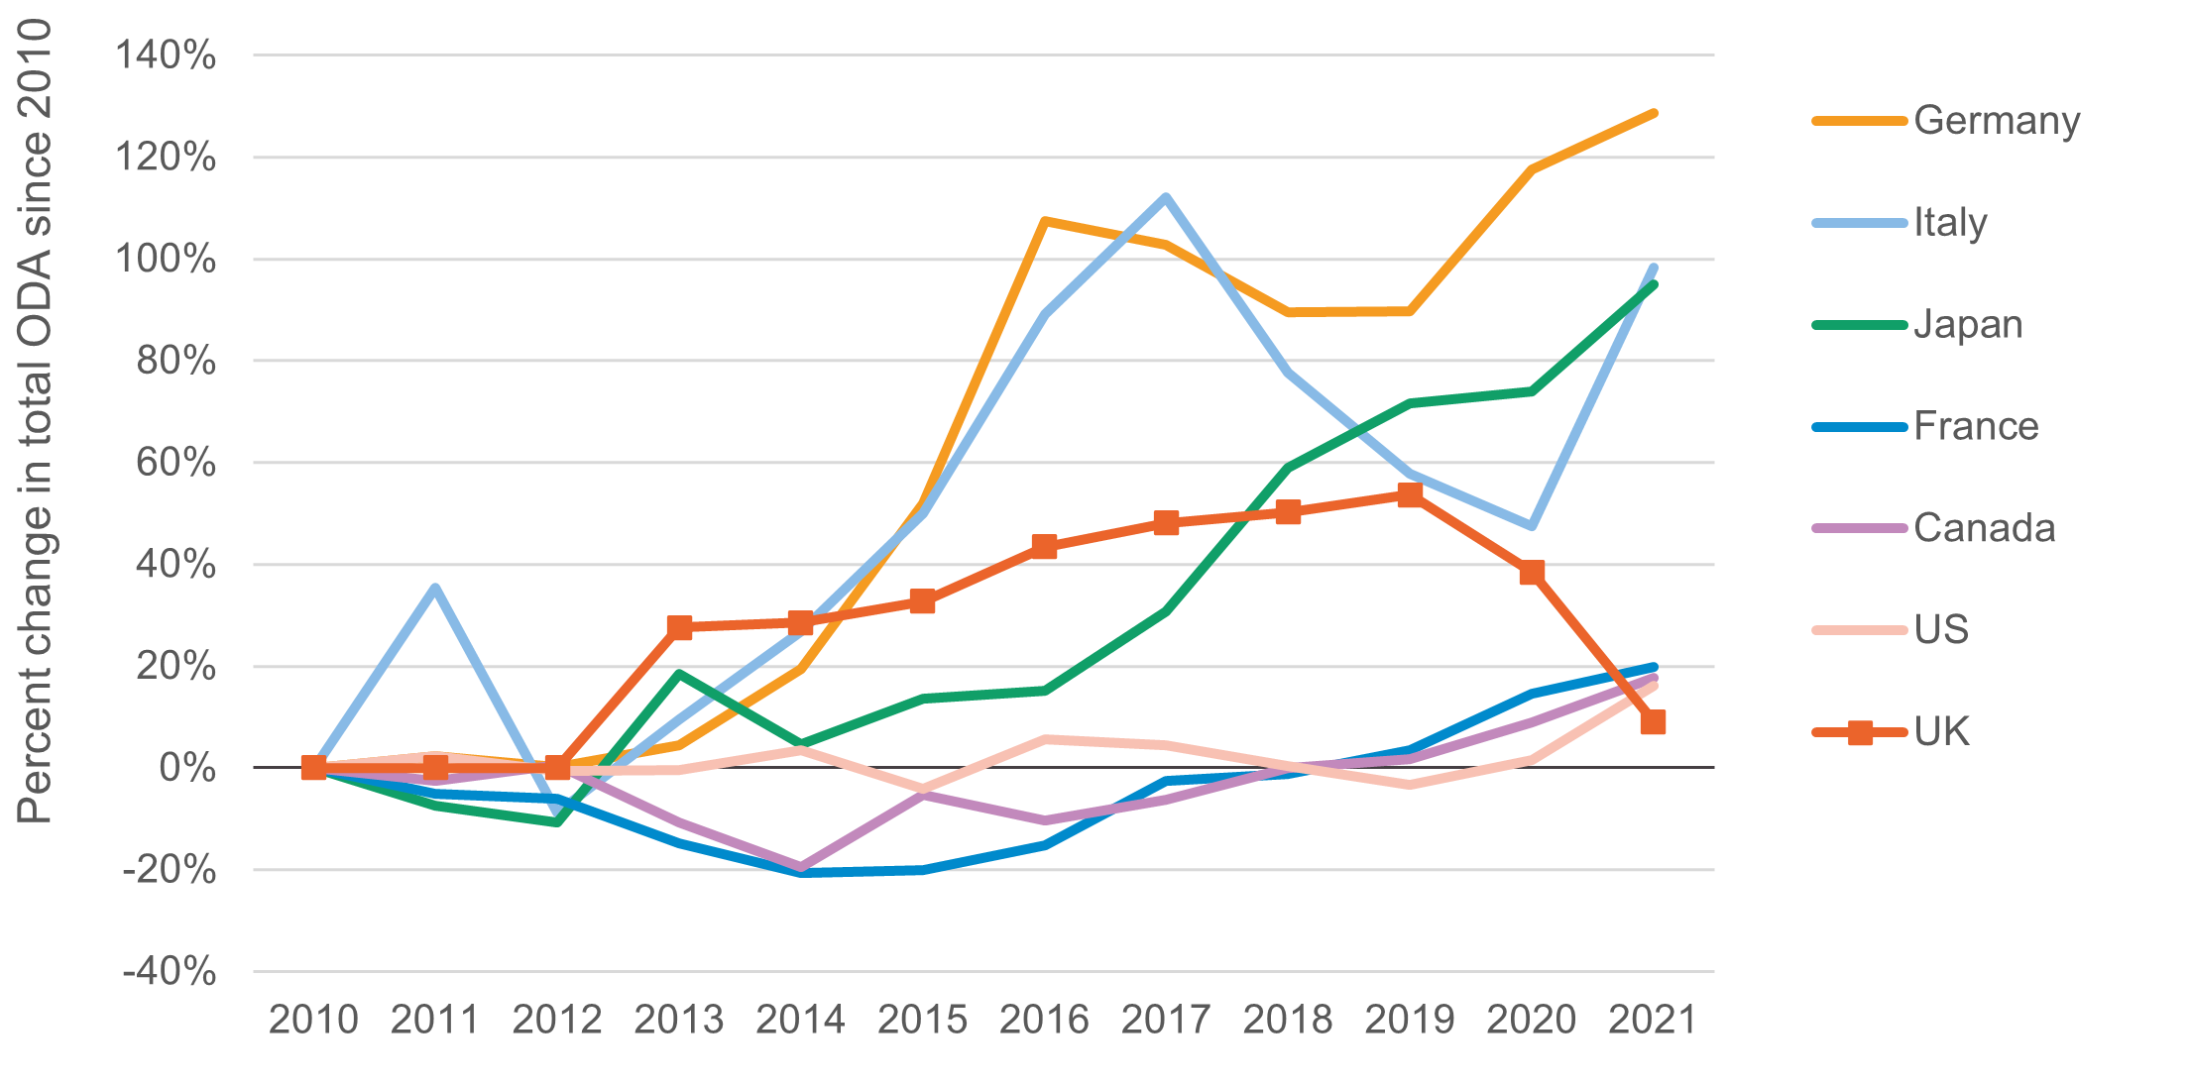
 | Net ODA (cashflow basis) |  |  |  |  |  |  |  | ODA (grant equivalent)
Donor | 2010 | 2011 | 2012 | 2013 | 2014 | 2015 | 2016 | 2017 | 2018 | 2019 | 2020 | 2021
Canada | 4,635 | 4,513 | 4,663 | 4,137 | 3,730 | 4,392 | 4,153 | 4,344 | 4,633 | 4,711 | 5,052 | 5,456
France | 12,326 | 11,706 | 11,585 | 10,491 | 9,777 | 9,841 | 10,453 | 12,013 | 12,168 | 12,746 | 14,125 | 14,775
Germany | 13,187 | 13,487 | 13,199 | 13,780 | 15,760 | 20,042 | 27,356 | 26,725 | 25,004 | 25,024 | 28,680 | 30,143
Italy | 2,881 | 3,899 | 2,628 | 3,152 | 3,653 | 4,323 | 5,449 | 6,111 | 5,116 | 4,543 | 4,248 | 5,714
Japan | 9,352 | 8,656 | 8,354 | 11,087 | 9,778 | 10,623 | 10,767 | 12,225 | 14,870 | 16,056 | 16,260 | 18,226
United Kingdom | 13,414 | 13,417 | 13,416 | 17,109 | 17,239 | 17,799 | 19,243 | 19,863 | 20,156 | 20,615 | 18,568 | 14,627
United States | 35,048 | 35,851 | 34,836 | 34,922 | 36,286 | 33,637 | 36,995 | 36,634 | 35,182 | 33,896 | 35,576 | 40,687

% change since 2010

Donor | 2010 | 2011 | 2012 | 2013 | 2014 | 2015 | 2016 | 2017 | 2018 | 2019 | 2020 | 2021
Canada | 0% | -3% | 1% | -11% | -20% | -5% | -10% | -6% | 0% | 2% | 9% | 18%
France | 0% | -5% | -6% | -15% | -21% | -20% | -15% | -3% | -1% | 3% | 15% | 20%
Germany | 0% | 2% | 0% | 5% | 20% | 52% | 107% | 103% | 90% | 90% | 117% | 129%
Italy | 0% | 35% | -9% | 9% | 27% | 50% | 89% | 112% | 78% | 58% | 47% | 98%
Japan | 0% | -7% | -11% | 19% | 5% | 14% | 15% | 31% | 59% | 72% | 74% | 95%
United Kingdom | 0% | 0% | 0% | 28% | 29% | 33% | 43% | 48% | 50% | 54% | 38% | 9%
United States | 0% | 2% | -1% | 0% | 4% | -4% | 6% | 5% | 0% | -3% | 2% | 16%

Figure 3
Latest trends in UK aid, May 2022
Figure 3
Descriptive title: | UK aid fell by 28% between 2019 and 2021
Title: | Figure 3. UK aid trends, 2010–2021
Source: | OECD DAC
Notes: | The chart shows net ODA and grant equivalent ODA for the years in which they respectively represented headline ODA. Covid -19 activities shown on the chart only include bilateral aid.
Geographical information: | Global, UK
Author: | Duncan Knox

Volume in £ millions (chart is in billions), constant 2021 prices

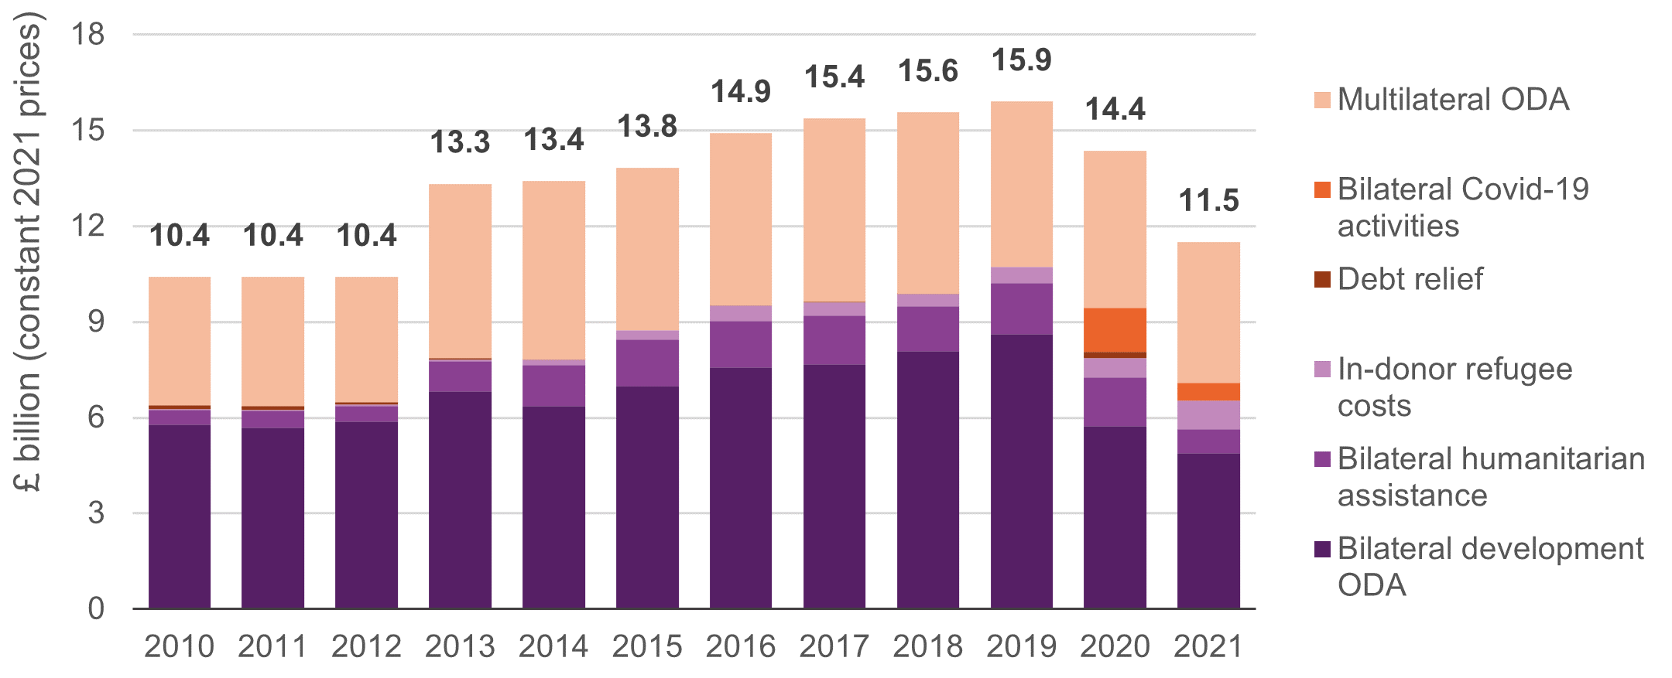
 | Net ODA (cashflow basis) |  |  |  |  |  |  |  | ODA (grant equivalent)
Name | 2010 | 2011 | 2012 | 2013 | 2014 | 2015 | 2016 | 2017 | 2018 | 2019 | 2020 | 2021
Bilateral development ODA | 5791 | 5685 | 5869 | 6814 | 6376 | 6992 | 7586 | 7663 | 8085 | 8614 | 5735 | 4895
Multilateral ODA | 4014 | 4032 | 3913 | 5463 | 5591 | 5092 | 5397 | 5746 | 5680 | 5171 | 4903 | 4411
Bilateral humanitarian assistance | 455 | 530 | 501 | 963 | 1282 | 1447 | 1448 | 1539 | 1394 | 1612 | 1518 | 744
In-donor refugee costs | 14 | 24 | 34 | 38 | 154 | 291 | 474 | 418 | 395 | 500 | 622 | 898
Debt relief | 131 | 137 | 84 | 48 | 4 | 0 | 3 | 3 | 4 | 0 | 193 | 0
Bilateral Covid-19 activities |  |  |  |  |  |  |  |  |  |  | 1383 | 550
Total ODA | 10,404 | 10,407 | 10,402 | 13,325 | 13,407 | 13,823 | 14,907 | 15,369 | 15,558 | 15,897 | 14,354 | 11,496

Figure 4
Latest trends in UK aid, May 2022
Figure 4
Descriptive title: | By region, Africa received the greatest share of bilateral ODA from FCDO in 2021, but its lowest proportion for a decade
Title: | Figure 4. Share of bilateral ODA by region, 2010–2021
Source: | OECD DAC Creditor Reporting System (CRS) and Foreign, Commonwealth & Development Office (FCDO)
Notes: | Chart shows ODA to the Department for International Development and the Foreign and Commonwealth Office combined for the years before 2020
Geographical information: | Global, UK
Author: | Duncan Knox

Volume in £ millions, constant 2021 prices

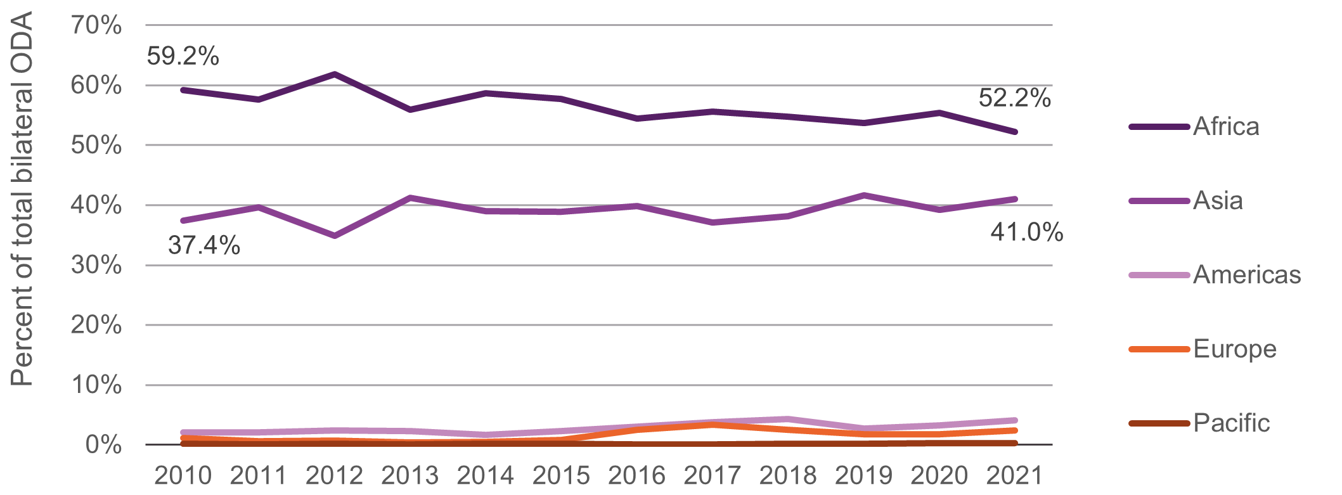
Region | 2010 | 2011 | 2012 | 2013 | 2014 | 2015 | 2016 | 2017 | 2018 | 2019 | 2020 | 2021
Africa | 2304.7 | 2355.7 | 2536.2 | 2854.0 | 2969.1 | 3055.3 | 2986.8 | 3024.2 | 2789.7 | 2804.6 | 2209.9 | 1365.0
Americas | 82.4 | 86.0 | 99.7 | 119.3 | 84.9 | 121.8 | 167.7 | 207.6 | 220.8 | 142.1 | 129.9 | 106.0
Asia | 1455.4 | 1623.1 | 1429.6 | 2104.8 | 1976.9 | 2059.3 | 2185.0 | 2018.3 | 1944.7 | 2176.2 | 1564.5 | 1073.0
Europe | 45.9 | 23.3 | 28.8 | 21.8 | 26.4 | 44.8 | 139.8 | 184.8 | 127.8 | 91.1 | 72.4 | 64.0
Pacific | 5.6 | 2.8 | 5.6 | 5.5 | 7.1 | 8.3 | 5.3 | 4.2 | 8.6 | 10.9 | 9.9 | 7.0
Total | 3894.0 | 4090.9 | 4099.8 | 5105.4 | 5064.5 | 5289.5 | 5484.6 | 5439.1 | 5091.6 | 5224.9 | 3986.6 | 2615.0

% of total

Region | 2010 | 2011 | 2012 | 2013 | 2014 | 2015 | 2016 | 2017 | 2018 | 2019 | 2020 | 2021
Africa | 59.2% | 57.6% | 61.9% | 55.9% | 58.6% | 57.8% | 54.5% | 55.6% | 54.8% | 53.7% | 55.4% | 52.2%
Americas | 2.1% | 2.1% | 2.4% | 2.3% | 1.7% | 2.3% | 3.1% | 3.8% | 4.3% | 2.7% | 3.3% | 4.1%
Asia | 37.4% | 39.7% | 34.9% | 41.2% | 39.0% | 38.9% | 39.8% | 37.1% | 38.2% | 41.7% | 39.2% | 41.0%
Europe | 1.2% | 0.6% | 0.7% | 0.4% | 0.5% | 0.8% | 2.5% | 3.4% | 2.5% | 1.7% | 1.8% | 2.4%
Pacific | 0.1% | 0.1% | 0.1% | 0.1% | 0.1% | 0.2% | 0.1% | 0.1% | 0.2% | 0.2% | 0.2% | 0.3%
Total | 100.0% | 100.0% | 100.0% | 100.0% | 100.0% | 100.0% | 100.0% | 100.0% | 100.0% | 100.0% | 100.0% | 100.0%

Figure 5
Latest trends in UK aid, May 2022
Figure 5
Descriptive title: | Health, business and industry and humanitarian sectors faced the biggest volume cuts between 2019 and 2021
Title: | Figure 5. FCDO bilateral ODA by sector, 2019–2021
Source: | Development Initiatives based on International Aid Transparency Initiative (IATI) data.
Notes: | Sector categories are based on Development Initiatives’ aggregations using the OECD DAC sector code list, ranked by volumes from FCDO in 2021.
Geographical information: | Global, UK
Author: | Dean Breed

Volume in £ millions, current prices

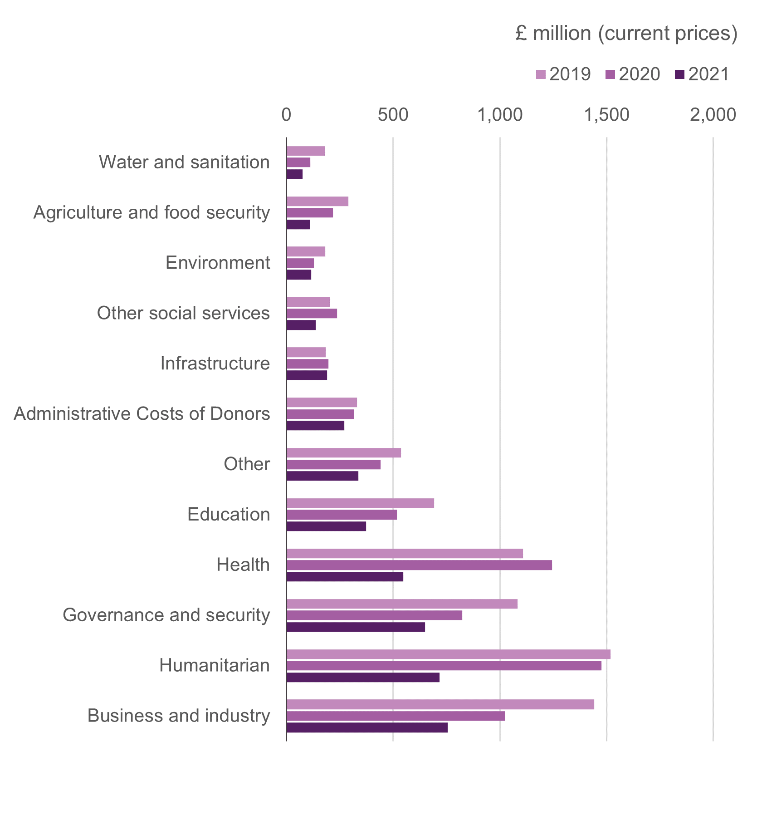
Sector | 2019 | 2020 | 2021
Business and industry | 1442.2 | 1023.5 | 755.6
Humanitarian | 1518.9 | 1476.3 | 717.3
Governance and security | 1082.3 | 824.1 | 649.6
Health | 1108.7 | 1243.7 | 547.7
Education | 692.8 | 517.8 | 372.2
Other | 537.4 | 440.4 | 337.7
Administrative Costs of Donors | 329.6 | 315.6 | 270.0
Infrastructure | 183.8 | 196.9 | 190.3
Other social services | 202.4 | 236.3 | 136.8
Environment | 181.1 | 127.6 | 115.3
Agriculture and food security | 290.1 | 217.3 | 109.1
Water and sanitation | 180.6 | 112.0 | 75.5
Debt relief | 0.1 | 150.3 | 0.2
Total | 7750.0 | 6881.7 | 4277.2

Figure 6
Latest trends in UK aid, May 2022
Figure 6
Descriptive title: | UK bilateral aid not targeting specific people or places has more than doubled since 2010.
Title: | Figure 6. UK bilateral ODA by poverty band trends, 2010–2020
Source: | Development Initiatives based on OECD and World Bank PovcalNet
Notes: | Extreme poverty is defined by the $1.90 a day international poverty line (2019). PovcalNet publishes poverty data consistently up to 2017 with some partial data up to 2019. Development Initiatives forecasts data for 2019 using income distribution data (see Development Initiatives’ Poverty trends for more details). Countries for which no poverty data is available are shown in the ‘no poverty data’ category. The number of countries in each band are as follows: above 40%: 21, above 20% to 40%: 23, above 1% to 20%: 49, 0% to 1%: 33, no poverty data: 16.
Geographical information: | Global, UK
Author: | Duncan Knox

Volume in £ millions, constant 2021 prices

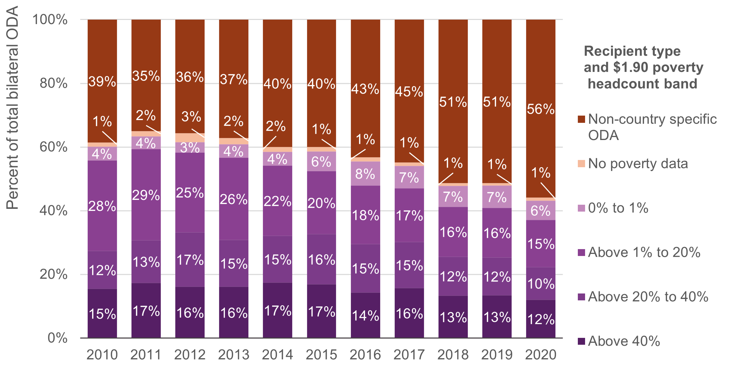
Poverty band | Chart label | Countries in band | 2010 | 2011 | 2012 | 2013 | 2014 | 2015 | 2016 | 2017 | 2018 | 2019 | 2020
Above 40% | Above 40% | 21 | 1032 | 1151 | 1088 | 1314 | 1441 | 1492 | 1384 | 1528 | 1336 | 1469 | 1156
Above 20% to 40% | Above 20% to 40% | 23 | 793 | 889 | 1148 | 1202 | 1203 | 1390 | 1461 | 1413 | 1228 | 1300 | 982
Above 1% to 20% | Above 1% to 20% | 49 | 1896 | 1896 | 1688 | 2101 | 1818 | 1746 | 1771 | 1635 | 1565 | 1693 | 1411
0% to 1% | 0% to 1% | 33 | 287 | 266 | 218 | 346 | 361 | 551 | 733 | 689 | 657 | 773 | 588
No data | No poverty data | 16 | 89 | 108 | 187 | 159 | 124 | 120 | 125 | 99 | 87 | 85 | 92
Non-country specific ODA | Non-country specific ODA | 23 | 2569 | 2322 | 2398 | 3029 | 3290 | 3529 | 4162 | 4366 | 5140 | 5603 | 5343
Total |  |  | 6667 | 6632 | 6726 | 8151 | 8237 | 8828 | 9635 | 9730 | 10013 | 10921 | 9571

% of total bilateral ODA

Poverty band | Chart label | Countries in band | 2010 | 2011 | 2012 | 2013 | 2014 | 2015 | 2016 | 2017 | 2018 | 2019 | 2020
Above 40% | Above 40% | 21 | 15% | 17% | 16% | 16% | 17% | 17% | 14% | 16% | 13% | 13% | 12%
Above 20% to 40% | Above 20% to 40% | 23 | 12% | 13% | 17% | 15% | 15% | 16% | 15% | 15% | 12% | 12% | 10%
Above 1% to 20% | Above 1% to 20% | 49 | 28% | 29% | 25% | 26% | 22% | 20% | 18% | 17% | 16% | 16% | 15%
0% to 1% | 0% to 1% | 33 | 4% | 4% | 3% | 4% | 4% | 6% | 8% | 7% | 7% | 7% | 6%
No data | No poverty data | 16 | 1% | 2% | 3% | 2% | 2% | 1% | 1% | 1% | 1% | 1% | 1%
Non-country specific ODA | Non-country specific ODA | 23 | 39% | 35% | 36% | 37% | 40% | 40% | 43% | 45% | 51% | 51% | 56%
Total |  |  | 100% | 100% | 100% | 100% | 100% | 100% | 100% | 100% | 100% | 100% | 100%

Figure 7
Latest trends in UK aid, May 2022
Figure 7
Descriptive title: | UK ODA per person living in extreme poverty is lower for countries with higher poverty rates
Title: | Figure 7. UK ODA per person living in extreme poverty, 2020
Source: | Development Initiatives based on OECD and World Bank PovcalNet
Notes: | Countries for which no poverty data is available have been excluded. Extreme poverty is defined by the $1.90 a day international poverty line, with poverty data taken for 2019. PovcalNet publishes poverty data consistently up to 2017 with some partial data up to 2019. CAR: Central African Republic; DRC: Democratic Republic of the Congo; LDC: least developed country. The vertical axis has been capped at UK£350 per person.
Geographical information: | Global, UK
Author: | Duncan Knox

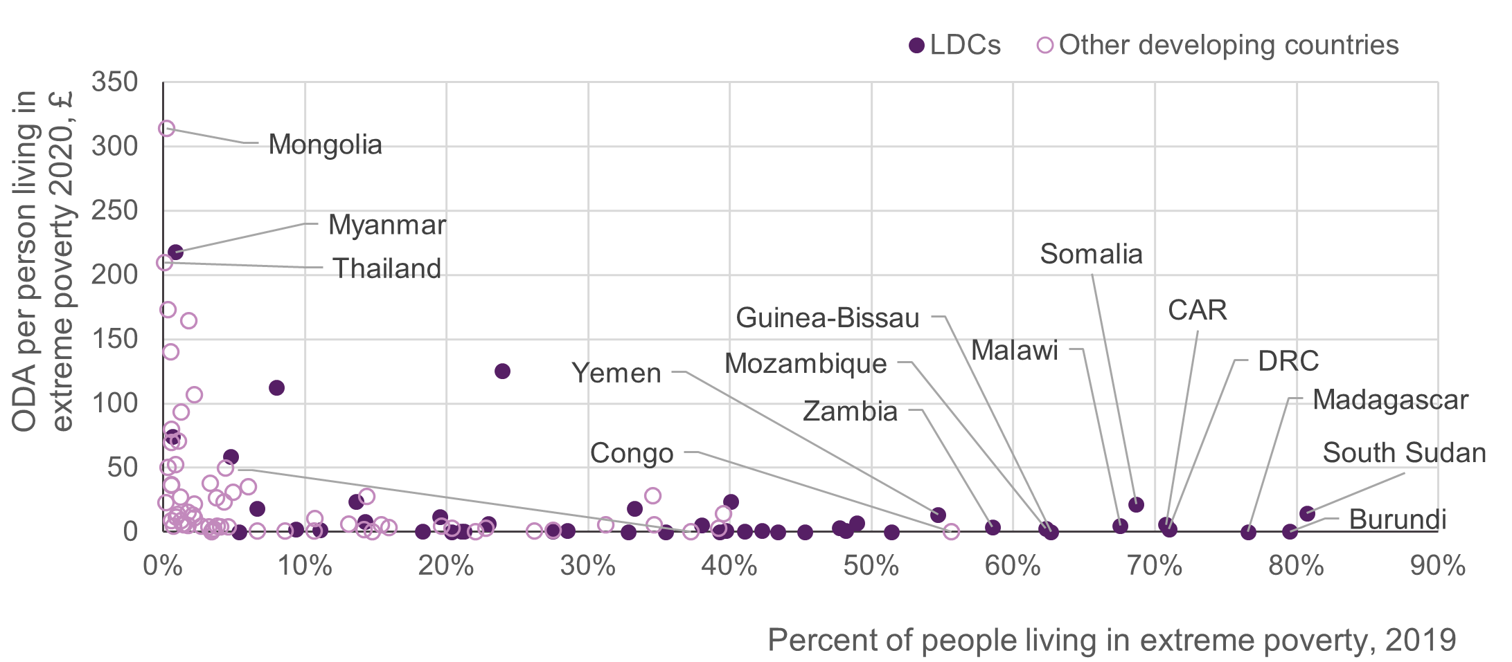
 |  |  |  | ODA per poor person 2020
Recipient | ISO3 | LDC | $1.90 2019 % | £ | $ | Label
Afghanistan | AFG | 1 | 33% | 23.5 | 18.2
Angola | AGO | 1 | 51% | 0.1 | 0.1
Burundi | BDI | 1 | 80% | 0.4 | 0.3 | Burundi
Benin | BEN | 1 | 43% | 0.0 | 0.0
Burkina Faso | BFA | 1 | 33% | 0.1 | 0.1
Bangladesh | BGD | 1 | 7% | 23.5 | 18.1
Bhutan | BTN | 1 | 1% | 95.7 | 74.0
Central African Republic | CAF | 1 | 71% | 7.5 | 5.8 | CAR
Congo, Democratic Republic of | COD | 1 | 71% | 2.8 | 2.2 | DRC
Comoros | COM | 1 | 18% | 0.9 | 0.7
Djibouti | DJI | 1 | 14% | 10.5 | 8.1
Eritrea | ERI | 1 | 40% | 1.2 | 0.9
Ethiopia | ETH | 1 | 20% | 15.1 | 11.7
Guinea | GIN | 1 | 21% | 0.3 | 0.2
Gambia, The | GMB | 1 | 8% | 145.1 | 112.2 | Gambia
Guinea-Bissau | GNB | 1 | 63% | 0.1 | 0.1 | Guinea-Bissau
Haiti | HTI | 1 | 20% | 0.1 | 0.1
Kiribati | KIR | 1 | 11% | 2.3 | 1.7
Lao People's Democratic Republic | LAO | 1 | 9% | 3.0 | 2.3
Liberia | LBR | 1 | 48% | 1.6 | 1.2
Lesotho | LSO | 1 | 28% | 1.0 | 0.8
Madagascar | MDG | 1 | 77% | 0.1 | 0.1 | Madagascar
Mali | MLI | 1 | 42% | 1.4 | 1.1
Myanmar | MMR | 1 | 1% | 281.6 | 217.7 | Myanmar
Mozambique | MOZ | 1 | 62% | 3.7 | 2.8 | Mozambique
Mauritania | MRT | 1 | 5% | 0.0 | 0.0
Malawi | MWI | 1 | 68% | 6.4 | 5.0 | Malawi
Niger | NER | 1 | 39% | 0.1 | 0.1
Nepal | NPL | 1 | 5% | 75.6 | 58.5
Rwanda | RWA | 1 | 49% | 8.8 | 6.8
Sudan | SDN | 1 | 14% | 30.8 | 23.8
Senegal | SEN | 1 | 27% | 0.7 | 0.6
Solomon Islands | SLB | 1 | 23% | 7.9 | 6.1
Sierra Leone | SLE | 1 | 40% | 30.2 | 23.3
Somalia | SOM | 1 | 69% | 27.8 | 21.5 | Somalia
South Sudan | SSD | 1 | 81% | 18.7 | 14.4 | South Sudan
Sao Tome and Principe | STP | 1 | 35% | 0.0 | 0.0
Chad | TCD | 1 | 41% | 0.8 | 0.6
Togo | TGO | 1 | 45% | 0.0 | 0.0
Timor-Leste | TLS | 1 | 21% | 0.8 | 0.6
Tuvalu | TUV | 1 | 0% | 621.8 | 480.7
Tanzania | TZA | 1 | 48% | 4.3 | 3.3
Uganda | UGA | 1 | 38% | 6.6 | 5.1
Yemen, Republic of | YEM | 1 | 55% | 17.5 | 13.6 | Yemen
Zambia | ZMB | 1 | 59% | 5.0 | 3.9 | Zambia
Albania | ALB | 0 | 1% | 67.8 | 52.4
Argentina | ARG | 0 | 1% | 7.1 | 5.5
Armenia | ARM | 0 | 1% | 91.2 | 70.5
Bosnia and Herzegovina | BIH | 0 | 0% | 2619.1 | 2024.7
Belize | BLZ | 0 | 14% | 35.6 | 27.5
Bolivia | BOL | 0 | 3% | 5.2 | 4.0
Brazil | BRA | 0 | 5% | 4.8 | 3.7
Botswana | BWA | 0 | 13% | 8.2 | 6.3
China | CHN | 0 | 0% | 29.4 | 22.7
Cote d'Ivoire | CIV | 0 | 22% | 0.3 | 0.2
Cameroon | CMR | 0 | 23% | 3.4 | 2.6
Congo, Republic of | COG | 0 | 56% | 0.3 | 0.3 | Congo
Colombia | COL | 0 | 5% | 39.7 | 30.7
Cabo Verde | CPV | 0 | 2% | 16.9 | 13.1
Costa Rica | CRI | 0 | 1% | 17.6 | 13.6
Dominican Republic | DOM | 0 | 1% | 11.1 | 8.6
Algeria | DZA | 0 | 0% | 64.7 | 50.0
Ecuador | ECU | 0 | 4% | 2.7 | 2.1
Egypt, Arab Republic of | EGY | 0 | 4% | 5.3 | 4.1
Fiji | FJI | 0 | 0% | 1819.7 | 1406.7
Micronesia, Federated States of | FSM | 0 | 15% | 7.3 | 5.6
Gabon | GAB | 0 | 3% | 0.0 | 0.0
Georgia | GEO | 0 | 4% | 34.5 | 26.6
Ghana | GHA | 0 | 11% | 13.8 | 10.6
Equatorial Guinea | GNQ | 0 | 37% | 0.0 | 0.0
Guatemala | GTM | 0 | 7% | 1.0 | 0.7
Guyana | GUY | 0 | 6% | 45.5 | 35.1
Honduras | HND | 0 | 15% | 0.2 | 0.2
Indonesia | IDN | 0 | 3% | 5.9 | 4.6
India | IND | 0 | 9% | 1.1 | 0.9
Iran, Islamic Republic of | IRN | 0 | 1% | 6.0 | 4.6
Iraq | IRQ | 0 | 1% | 120.6 | 93.2
Jamaica | JAM | 0 | 2% | 212.5 | 164.3 | Jamaica
Jordan | JOR | 0 | 0% | 9955.2 | 7695.7
Kazakhstan | KAZ | 0 | 0% | 1847.6 | 1428.3
Kenya | KEN | 0 | 31% | 7.2 | 5.6
Kyrgyz Republic | KGZ | 0 | 1% | 181.3 | 140.1
Libya | LBY | 0 | 35% | 7.5 | 5.8
St. Lucia | LCA | 0 | 4% | 64.6 | 50.0
Sri Lanka | LKA | 0 | 1% | 103.2 | 79.8
Morocco | MAR | 0 | 1% | 47.6 | 36.8
Moldova | MDA | 0 | 0% | 2245.0 | 1735.4
Mexico | MEX | 0 | 2% | 19.5 | 15.1
North Macedonia | MKD | 0 | 3% | 49.2 | 38.0
Montenegro | MNE | 0 | 2% | 138.4 | 107.0 | Montenegro
Mongolia | MNG | 0 | 0% | 406.3 | 314.1 | Mongolia
Mauritius | MUS | 0 | 0% | 696.7 | 538.6
Malaysia | MYS | 0 | 0% | 7909.0 | 6113.9
Namibia | NAM | 0 | 16% | 4.1 | 3.2
Nigeria | NGA | 0 | 39% | 3.9 | 3.0
Nicaragua | NIC | 0 | 3% | 1.9 | 1.5
Pakistan | PAK | 0 | 4% | 29.8 | 23.0
Panama | PAN | 0 | 1% | 34.8 | 26.9
Peru | PER | 0 | 2% | 14.4 | 11.1
Philippines | PHL | 0 | 4% | 6.0 | 4.6
Papua New Guinea | PNG | 0 | 26% | 0.7 | 0.6
Paraguay | PRY | 0 | 1% | 14.5 | 11.2
West Bank and Gaza | PSE | 0 | 1% | 1436.1 | 1110.2
El Salvador | SLV | 0 | 1% | 11.3 | 8.7
Serbia | SRB | 0 | 0% | 1094.2 | 845.9
Eswatini | SWZ | 0 | 28% | 1.4 | 1.1
Syrian Arab Republic | SYR | 0 | 35% | 36.5 | 28.3
Thailand | THA | 0 | 0% | 271.0 | 209.5 | Thailand
Tajikistan | TJK | 0 | 2% | 27.9 | 21.5
Turkmenistan | TKM | 0 | 2% | 6.7 | 5.2
Tonga | TON | 0 | 1% | 46.7 | 36.1
Tunisia | TUN | 0 | 0% | 717.8 | 554.9
Turkey | TUR | 0 | 0% | 223.8 | 173.0 | Turkey
Uzbekistan | UZB | 0 | 11% | 1.2 | 0.9
Venezuela, Republica Bolivariana de | VEN | 0 | 20% | 3.9 | 3.0
Vietnam | VNM | 0 | 1% | 7.7 | 5.9
Vanuatu | VUT | 0 | 14% | 2.2 | 1.7
Samoa | WSM | 0 | 1% | 89.9 | 69.5
South Africa | ZAF | 0 | 20% | 5.4 | 4.2
Zimbabwe | ZWE | 0 | 40% | 18.3 | 14.2

Figure 8
Latest trends in UK aid, May 2022
Figure 8
Descriptive title: | UK ODA to LDCs has not responded to the increasing concentration of extreme poverty in these places
Title: | Figure 8: ODA to LDCs relative to LDCs’ share of people living in extreme poverty, 2010 and 2020
Source: | Development Initiatives based on OECD DAC and World Bank PovcalNet data
Notes: | ODA to least developed countries (LDCs) includes bilateral and imputed multilateral aid.
Geographical information: | Global, UK
Author: | Duncan Knox

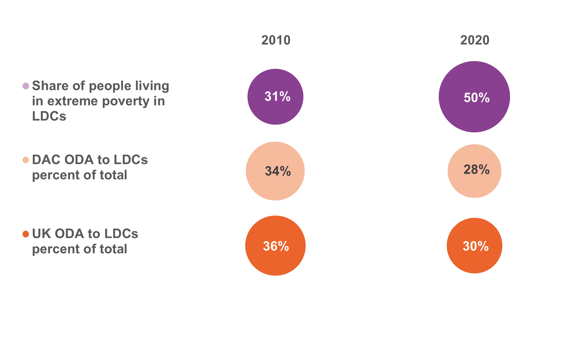
 | Bubble size | Year
UK ODA to LDCs percent of total | 36% | 2010
UK ODA to LDCs percent of total | 30% | 2020

DAC ODA to LDCs percent of total | 34% | 2010
DAC ODA to LDCs percent of total | 28% | 2020

Share of people living in extreme poverty in LDCs | 31% | 2010
Share of people living in extreme poverty in LDCs | 50% | 2020

Figure 9
Latest trends in UK aid, May 2022
Figure 9
Descriptive title: | UK ODA to LDCs is estimated to have fallen significantly between 2019 and 2021, decreasing by 31%, more than the fall in total ODA (28%).
Title: | Figure 9. Total ODA to LDCs from the UK, 2010–2021
Source: | OECD DAC
Notes: | 2021 data is preliminary. The imputed multilateral ODA value for 2021 is an estimate.
Geographical information: | Global, UK
Author: | Duncan Knox

Volume in £ millions (chart is in billions), constant 2021 prices

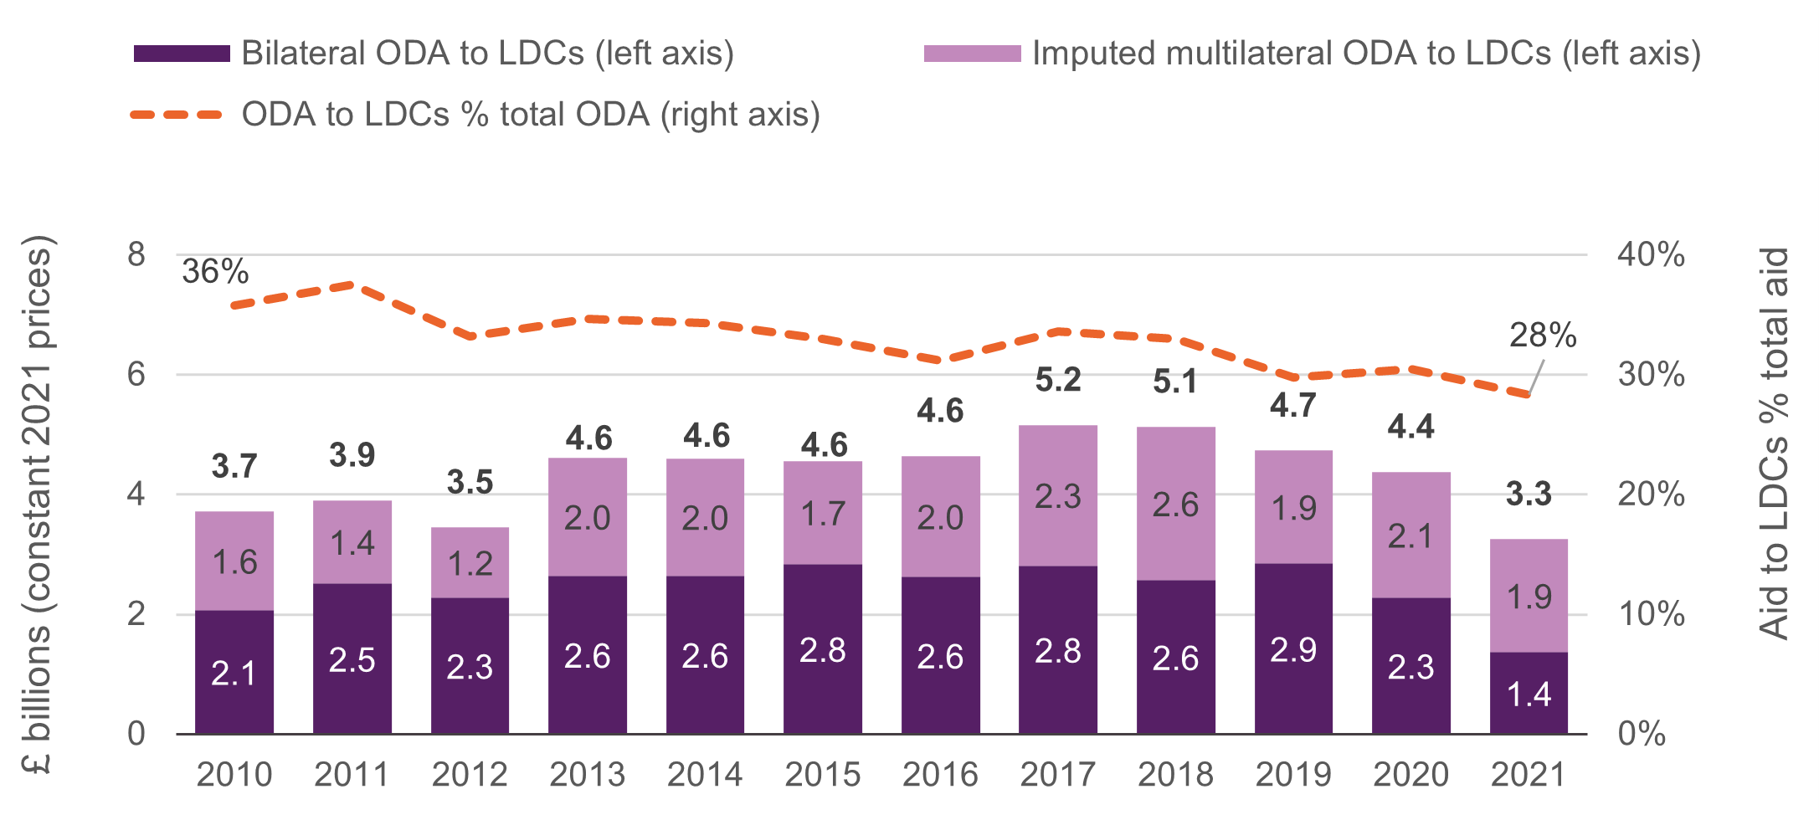
ODA type | 2010 | 2011 | 2012 | 2013 | 2014 | 2015 | 2016 | 2017 | 2018 | 2019 | 2020 | 2021
Bilateral ODA to LDCs (left axis) | 2,069 | 2,516 | 2,277 | 2,645 | 2,648 | 2,843 | 2,622 | 2,817 | 2,568 | 2,852 | 2,275 | 1,366
Imputed multilateral ODA to LDCs (left axis) | 1,650 | 1,388 | 1,176 | 1,970 | 1,954 | 1,715 | 2,022 | 2,345 | 2,568 | 1,881 | 2,102 | 1,891
Total ODA to LDCs | 3,719 | 3,904 | 3,453 | 4,614 | 4,601 | 4,557 | 4,645 | 5,163 | 5,136 | 4,733 | 4,377 | 3,257

Total Bilateral ODA | 6,390 | 6,375 | 6,488 | 7,862 | 7,816 | 8,730 | 9,510 | 9,623 | 9,878 | 10,726 | 9,451 | 7,086
Total Multilateral ODA | 4,014 | 4,032 | 3,913 | 5,463 | 5,591 | 5,092 | 5,397 | 5,746 | 5,680 | 5,171 | 4,903 | 4,411
Total ODA | 10,404 | 10,407 | 10,402 | 13,325 | 13,407 | 13,823 | 14,907 | 15,369 | 15,558 | 15,897 | 14,354 | 11,496

ODA to LDCs % total aid | 36% | 38% | 33% | 35% | 34% | 33% | 31% | 34% | 33% | 30% | 30% | 28%

Figure 10
Latest trends in UK aid, May 2022
Figure 10
Descriptive title: | UK non-country specific ODA has grown 10 times faster than ODA to LDCs
Title: | Figure 10. Percent change in ODA by recipient type, 2010–2020
Source: | OECD DAC
Notes: | ODA data is gross disbursements, constant 2021 prices. Non-country specific ODA refers to ODA which is allocated to several recipient countries within a specified region or across several regions or non-country programmable aid such as administrative costs, in-donor refugee costs and research costs.
Geographical information: | Global, UK
Author: | Duncan Knox

Volume in £ millions, constant 2021 prices

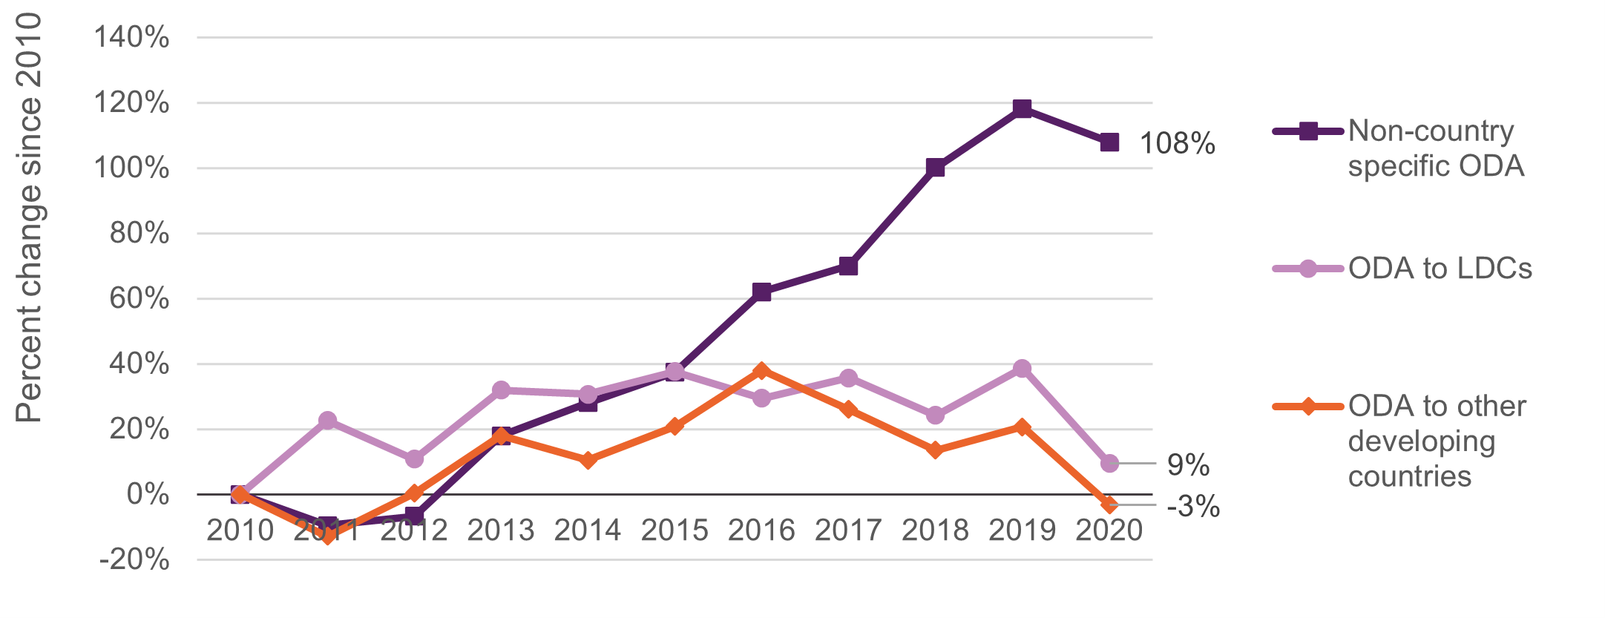
Allocation type | 2010 | 2011 | 2012 | 2013 | 2014 | 2015 | 2016 | 2017 | 2018 | 2019 | 2020
Non-country specific ODA | 2569.3 | 2322.2 | 2397.5 | 3029.3 | 3290.0 | 3529.3 | 4161.9 | 4366.2 | 5140.5 | 5602.7 | 5343.1
ODA to LDCs | 2084.4 | 2555.5 | 2308.7 | 2748.6 | 2724.4 | 2866.9 | 2696.4 | 2827.5 | 2587.2 | 2890.2 | 2280.0
ODA to other developing countries | 2013.2 | 1754.2 | 2020.2 | 2373.2 | 2222.9 | 2432.0 | 2777.1 | 2536.5 | 2285.5 | 2428.7 | 1947.9
Total | 6667.0 | 6631.9 | 6726.4 | 8151.1 | 8237.4 | 8828.2 | 9635.3 | 9730.2 | 10013.1 | 10921.5 | 9571.0

Percentage change since 2010

Allocation type | 2010 | 2011 | 2012 | 2013 | 2014 | 2015 | 2016 | 2017 | 2018 | 2019 | 2020
Non-country specific ODA | 0% | -10% | -7% | 18% | 28% | 37% | 62% | 70% | 100% | 118% | 108%
ODA to LDCs | 0% | 23% | 11% | 32% | 31% | 38% | 29% | 36% | 24% | 39% | 9%
ODA to other developing countries | 0% | -13% | 0% | 18% | 10% | 21% | 38% | 26% | 14% | 21% | -3%

Figure 11
Latest trends in UK aid, May 2022
Figure 11
Descriptive title: | A third of UK ODA goes to sectors that are critical to poverty reduction, but in LDCs some of these sectors have seen falls in UK ODA since 2010
Title: | Figure 11. UK bilateral ODA by sector in LDCs and non-LDCs, 2020
Source: | OECD DAC
Notes: | Non-least developed countries (LDCs) include country, regional and unspecified recipients. Sector categories are based on Development Initiatives’ aggregations using the OECD DAC sector code list.
Geographical information: | Global, UK
Author: | Duncan Knox

Volume in £ millions, constant 2021 prices

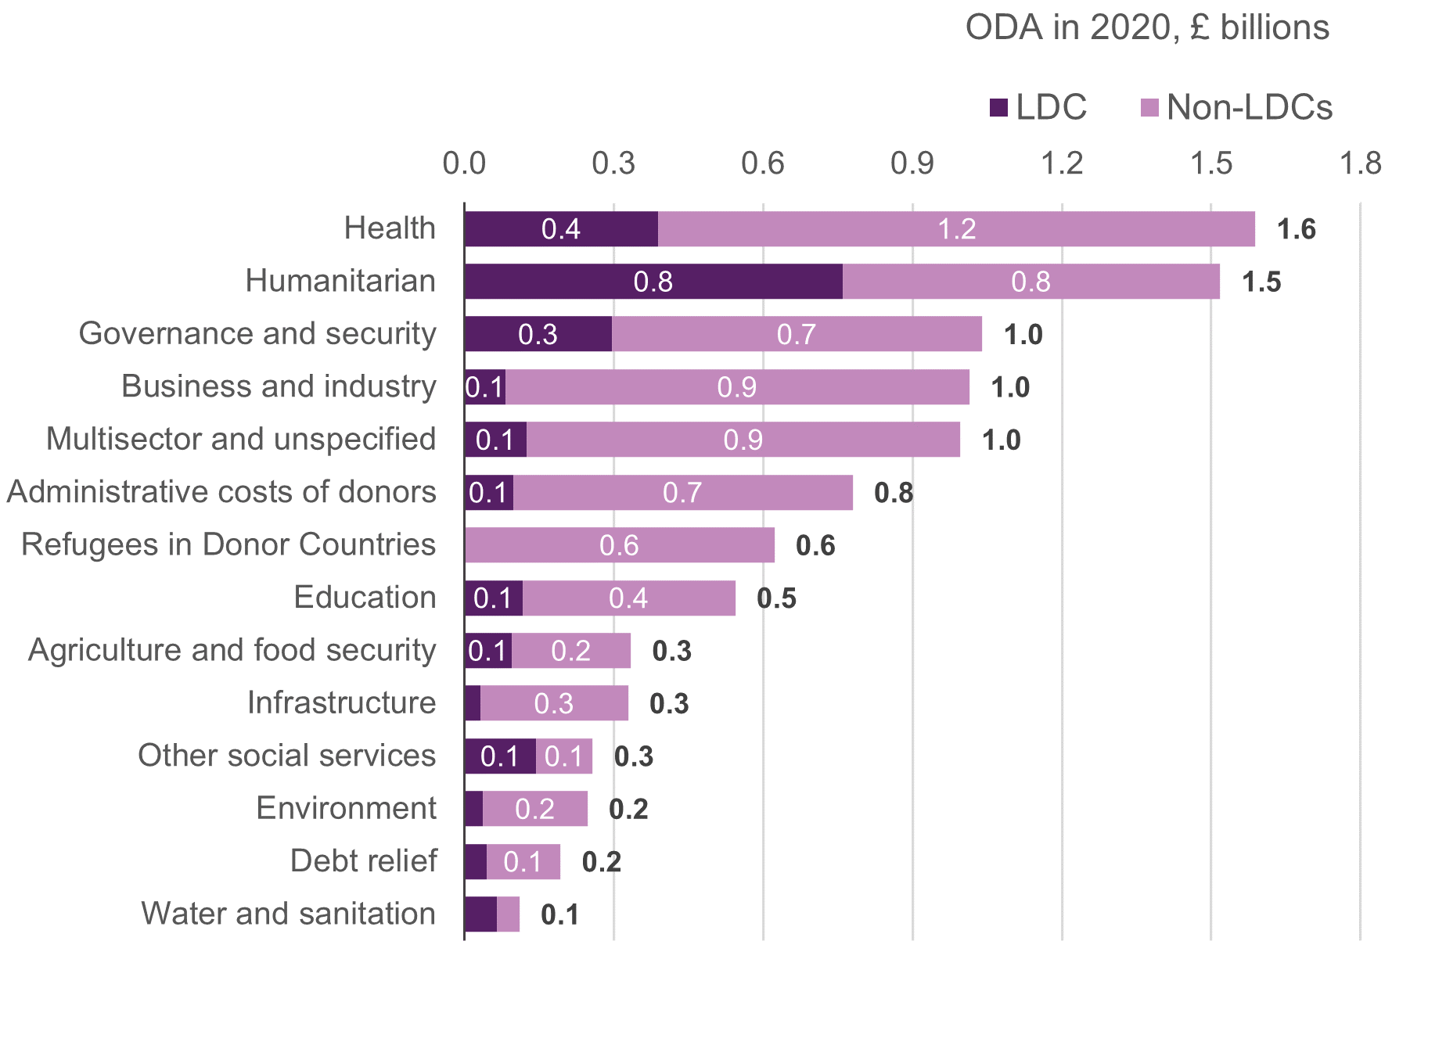
Sector | LDC | Non-LDCs | Total
Health | 389.3 | 1198.9 | 1588.2
Humanitarian | 759.2 | 758.7 | 1518.0
Governance and security | 295.6 | 744.2 | 1039.8
Business and industry | 81.6 | 932.2 | 1013.7
Multisector and unspecified | 124.9 | 870.7 | 995.7
Administrative costs of donors | 97.1 | 682.7 | 779.8
Refugees in Donor Countries |  | 622.4 | 622.4
Education | 116.2 | 427.8 | 544.0
Agriculture and food security | 94.4 | 239.5 | 334.0
Infrastructure | 31.3 | 297.3 | 328.5
Other social services | 144.3 | 113.1 | 257.3
Environment | 36.6 | 210.1 | 246.7
Debt relief | 44.0 | 148.7 | 192.7
Water and sanitation | 65.5 | 44.6 | 110.1
Total | 2280.0 | 7291.0 | 9571.0

