Figure 5
Merging DFID and the FCO: Implications for UK aid

Figure 5
Title: | Proportion of DFID aid targeted to projects with a gender-equality focus
Source: | Development Initiatives based on Organisation for Economic Co-operation and Development (OECD) Development Assistance Committee (DAC).
Long description: | DFID consistently demonstrating that gender is a priority for aid allocations.
Geographical information: | Global
Author: | Rob Tew
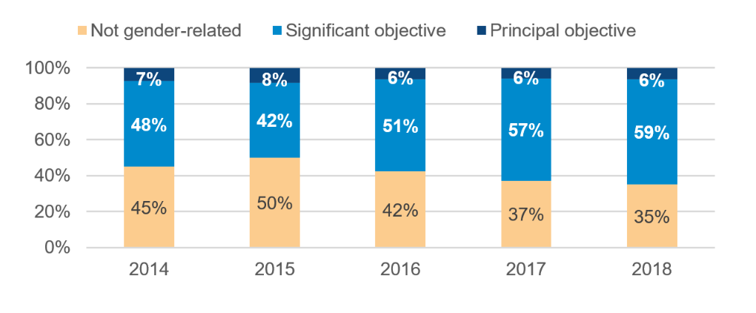
 | 2014 | 2015 | 2016 | 2017 | 2018
Not gender-related | 2680.8863828 | 3163.2726394 | 2739.5791204 | 2357.3896139 | 2249.1480278
Significant objective | 2836.8025959 | 2640.3540196 | 3302.8422934 | 3592.9079147 | 3757.3429995
Principal objective | 440.44069052 | 525.59793725 | 411.07776707 | 379.41952521 | 409.79762038
Not screened | 0 |  |  |  | 0.100874
Not gender-related |  |  | 473.90835321 | 587.5958408
Significant objective |  |  | 2.13320679 |  | 147.4529412
Principal objective | 2.644875284 | 4.86908663 | 5.06371099 | 7.61529283 | 1.77623449
Not screened | 323.78551799 | 363.19580121 |  |  | 454.33336643

Figure 6
Merging DFID and the FCO: Implications for UK aid

Figure 6
Title: | Proportion of the FCO’s aid targeted to projects with a gender-equality focus
Source: | Development Initiatives based on Organisation for Economic Co-operation and Development (OECD) Development Assistance Committee (DAC).
Long description: | FCO either spends only a small proportion of its aid on gender equality or has chosen to not make use of the marker that would enable transparency and accountability about the department’s support for gender equality.
Geographical information: | Global
Author: | Rob Tew

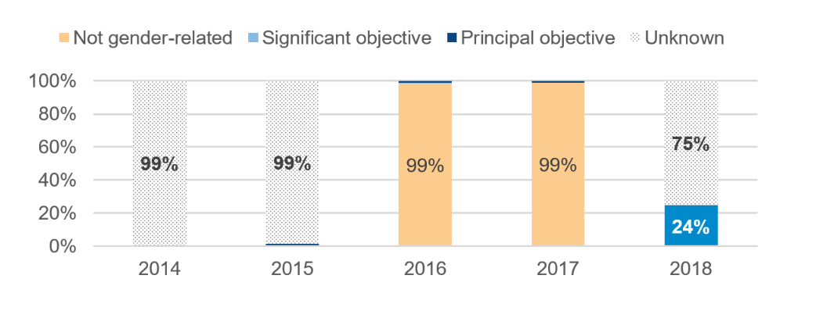
 | 2014 | 2015 | 2016 | 2017 | 2018
Not gender-related | 0.4499543534 | 0.49978833762 | 0.4245106482 | 0.37243206827 | 0.35053171572
Significant objective | 0.47612300393 | 0.4171686404 | 0.51179092161 | 0.56762535894 | 0.58558524024
Principal objective | 0.073922642671 | 0.083043021977 | 0.063698430193 | 0.059942572785 | 0.063867322736
Not screened | 0 | 0 | 0 | 0 | 1.5721302402E-05
Not gender-related | 0 | 0 | 0.98504086691 | 0.98720572852 | 0
Significant objective | 0 | 0 | 0.0044339709386 | 0 | 0.2443043279
Principal objective | 0.008102417356 | 0.013228881077 | 0.010525162153 | 0.012794271477 | 0.0029429170401
Not screened | 0.99189758264 | 0.98677111892 | 0 | 0 | 0.75275275506

Figure 7
Merging DFID and the FCO: Implications for UK aid

Figure 7
Title | FCO and DFID aid targeted to projects with a disability-inclusion focus
Source: | Development Initiatives based on Organisation for Economic Co-operation and Development (OECD) Development Assistance Committee (DAC).
Notes: | The disability marker was first available in 2018, so there is only one year of data. The FCO did not report whether any of their projects had disability inclusion as a principal or significant objective
Long description: | Disability inclusion is a key policy priority for DFID, and the department’s aid spending is marked up so that DFID’s support for disability inclusion can be monitored and measured. The FCO did not mark up their aid spending in 2018 (when the OECD DAC disability policy marker was brought in) so it is not possible to see whether it allocated funding to disability inclusion, or to hold them to account on this important area.
Geographical information: | Global
Author: | Rob Tew

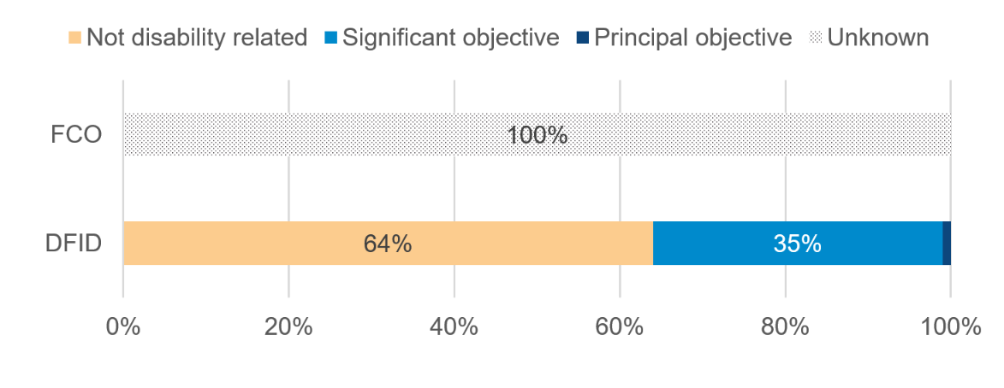
 |  | 2018
Department for International Development | Not disability-related | 4109.1501759
 | Significant objective | 2272.8460308
 | Principal objective | 34.2924409
 | Not screened | 0.100874
Foreign & Commonwealth Office | Not screened | 603.56254212

 |  | 2018
Department for International Development | Not disability-related | 0.64041470083
 | Significant objective | 0.35422507053
 | Principal objective | 0.0053445073408
 | Not screened | 1.5721302402E-05

