Figure 1
 | Poverty in Uganda: National and regional data and trends

Title | Northern and eastern parts of Uganda have higher poverty headcounts compared to rest of the country
Source: | Development Initiatives, Spotlight on Uganda
Notes: | The poverty headcount on the map is based on the 2011 international poverty line (PPP$1.90 per day). It does not consider the depth of poverty. The data year is 2014 as per the source document publication date.
Long description: | N/A
Geographical information: | Uganda
Author: | Moses Obbo Owori

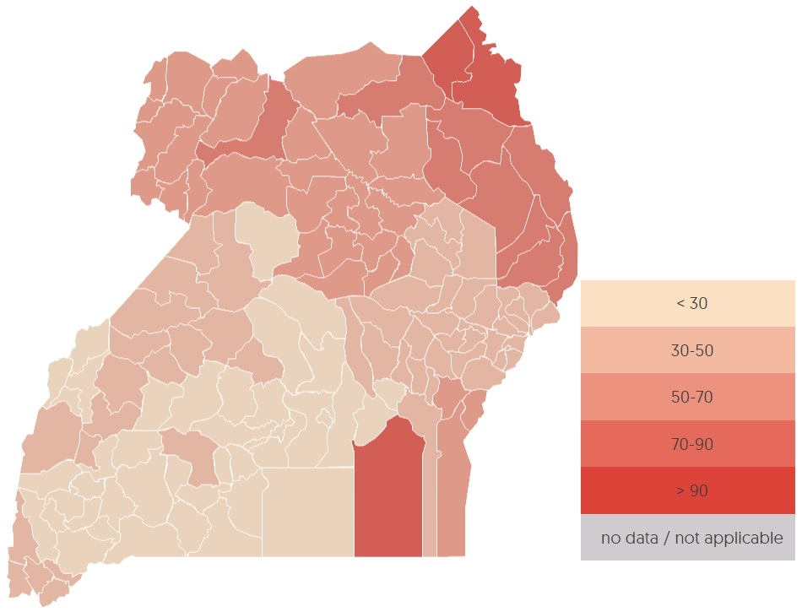
District name | year | value
Kalangala | 2014 | 7.74
Kampala | 2014 | 4
Kiboga | 2014 | 34.67
Luwero | 2014 | 18.64
Masaka | 2014 | 20.06
Mpigi | 2014 | 19.53
Mubende | 2014 | 24.55
Mukono | 2014 | 16.29
Nakasongola | 2014 | 24.35
Rakai | 2014 | 24.25
Sembabule | 2014 | 31.72
Kayunga | 2014 | 35.89
Wakiso | 2014 | 13.06
Lyantonde | 2014 | 26.53
Mityana | 2014 | 16.57
Nakaseke | 2014 | 24.81
Buikwe | 2014 | 18.79
Bukomansimbi | 2014 | 22.3
Butambala | 2014 | 26.27
Buvuma | 2014 | 97.12
Gomba | 2014 | 26.27
Kalungu | 2014 | 19.8
Kyankwanzi | 2014 | 34.67
Lwengo | 2014 | 29.63
Bugiri | 2014 | 50.89
Busia | 2014 | 50.41
Iganga | 2014 | 34.41
Jinja | 2014 | 28.48
Kamuli | 2014 | 36.42
Kapchorwa | 2014 | 35.54
Katakwi | 2014 | 42.37
Kumi | 2014 | 44.6
Mbale | 2014 | 34.89
Pallisa | 2014 | 47.92
Soroti | 2014 | 46.47
Tororo | 2014 | 34.67
Kaberamaido | 2014 | 58.85
Mayuge | 2014 | 44.95
Sironko | 2014 | 32.24
Amuria | 2014 | 46
Budaka | 2014 | 43.61
Bududa | 2014 | 32.82
Bukedea | 2014 | 43.77
Bukwo | 2014 | 36.6
Butaleja | 2014 | 37.6
Kaliro | 2014 | 42.18
Manafwa | 2014 | 33.6
Namutumba | 2014 | 37.56
Bulambuli | 2014 | 34.68
Buyende | 2014 | 40.84
Kibuku | 2014 | 48.51
Kween | 2014 | 37.9
Luuka | 2014 | 36.52
Namayingo | 2014 | 50.89
Ngora | 2014 | 44.3
Serere | 2014 | 49.95
Adjumani | 2014 | 68.16
Apac | 2014 | 50.94
Arua | 2014 | 52.27
Gulu | 2014 | 68.86
Kitgum | 2014 | 74.39
Kotido | 2014 | 90
Lira | 2014 | 54.67
Moroto | 2014 | 86.91
Moyo | 2014 | 62.18
Nebbi | 2014 | 65.05
Nakapiripirit | 2014 | 85.48
Pader | 2014 | 67.89
Yumbe | 2014 | 62.93
Abim | 2014 | 74
Amolatar | 2014 | 56.54
Amuru | 2014 | 76.45
Dokolo | 2014 | 56.46
Kaabong | 2014 | 95
Koboko | 2014 | 61.16
Maracha | 2014 | 54.05
Oyam | 2014 | 53.22
Agago | 2014 | 68.4
Alebtong | 2014 | 61.62
Amudat | 2014 | 85.5
Kole | 2014 | 52.53
Lamwo | 2014 | 67.11
Napak | 2014 | 86.91
Nwoya | 2014 | 65.3
Otuke | 2014 | 62.15
Zombo | 2014 | 52.94
Bundibugyo | 2014 | 21.8
Bushenyi | 2014 | 15.12
Hoima | 2014 | 35.2
Kabale | 2014 | 35.02
Kabarole | 2014 | 28.82
Kasese | 2014 | 48.37
Kibaale | 2014 | 35.83
Kisoro | 2014 | 44.3
Masindi | 2014 | 42.3
Mbarara | 2014 | 13.2
Ntungamo | 2014 | 29.9
Rukungiri | 2014 | 28.06
Kamwenge | 2014 | 37.67
Kanungu | 2014 | 33.21
Kyenjojo | 2014 | 35.5
Buliisa | 2014 | 33.8
Ibanda | 2014 | 17.13
Isingiro | 2014 | 18.98
Kiruhura | 2014 | 17.91
Buhweju | 2014 | 20.59
Kiryandongo | 2014 | 24.9
Kyegegwa | 2014 | 18.81
Mitooma | 2014 | 18.1
Ntoroko | 2014 | 27.74
Rubirizi | 2014 | 20.5
Sheema | 2014 | 13

Figure 2
 | Poverty in Uganda: National and regional data and trends

Title | There has been an overall decline in poverty between 1993 and 2016
Source: | Development Initiatives, based on poverty headcount data from the World Bank
Notes: | N/A
Long description: | N/A
Geographical information: | Uganda
Author: | Moses Obbo Owori

 | Poverty headcount ratio (% of population) | Poverty headcount ratio (% of population)
1989 | 58
1992 | 64 | 56
1996 | 63 | 44
1999 | 67 | 34
2002 | 65 | 39
2005 | 56 | 31
2009 | 45 | 25
2012 | 36 | 20
2016 | 42 | 21
Year | Poverty headcount ratio (% of population)
 | US$1.90 a day (2011 PPP) | National poverty line (US$0.88–US$1.04)
1989 | 58
1992 | 64 | 56
1996 | 63 | 44
1999 | 67 | 34
2002 | 65 | 39
2005 | 56 | 31
2009 | 45 | 25
2012 | 36 | 20
2016 | 42 | 21

Figure 3
 | Poverty in Uganda: National and regional data and trends
 | N/A
Figure 3

Title | There is an increasing number of people who are not poor but vulnerable to falling below the poverty line (1992/93–2016/17)
Source: | Development Initiatives based on data from the World Bank
Notes: | Statistics are based on the national poverty line of US$0.88–US$1.04 per person per day
Long description: | N/A
Geographical information: | Uganda
Author: | Moses Obbo Owori

Category | 1992/3 | 1999/00 | 2002/3 | 2005/6 | 2009/10 | 2012/13 | 2016/17
Poor | 56 | 34 | 39 | 31 | 25 | 20 | 21
Non-poor and insucure | 33 | 44 | 40 | 40 | 43 | 43
 | Poor | Non-poor and insucure
1992/3 | 56 | 33
1999/00 | 34 | 44
2002/3 | 39 | 40
2005/6 | 31 | 40
2009/10 | 25 | 43
2012/13 | 20 | 43
2016/17 | 21

Figure 4
 | Poverty in Uganda: National and regional data and trends

Title | Eastern region is now the poorest region, as poverty increases in all regions apart from northern Uganda (1992/93–2016/17)
Source: | Development Initiatives based on data from UBOS
Notes: | Poverty rates are based on the national poverty line
Long description: | N/A
Geographical information: | Uganda
Author: | Moses Obbo Owori

 |  | Pop. share | Poverty Est.
Central | 1999/2000 | 27% | 11%
 | 2012/13 | 26% | 5%
 | 2016/17 | 0% | 13%
Eastern | 1999/2000 | 30% | 24%
 | 2012/13 | 30% | 25%
 | 2016/17 | 0% | 36%
Northern | 1999/2000 | 20% | 46%
 | 2012/13 | 21% | 44%
 | 2016/17 | 0% | 33%
Western | 1999/2000 | 24% | 22%
 | 2012/13 | 24% | 9%
 | 2016/17 | 0% | 11%

Figure 5
 | Poverty in Uganda: National and regional data and trends

Title | Northern and eastern Uganda have higher pupil-to-classroom ratios
Source: | Spotlight on Uganda based on data from 2014 annual education sector statistical abstract, Ministry of Education
Notes: | ‘Pupil–class ratio’ is the primary pupil-to-classroom ratio for all schools (both private and public).
Long description: | N/A
Geographical information: | Uganda
Author: | Moses Obbo Owori

 | Pupil classroom ratio | National average
Central | 49.1 | 64.8
Eastern | 74.2 | 64.8
Northern | 80.8 | 64.8
Western | 49.4 | 64.8

Figure 6
 | Poverty in Uganda: National and regional data and trends

Title | Northern and eastern Uganda have lower proportions of pupils with adequate sitting and writing space
Source: | Spotlight on Uganda based on data from 2014 annual education sector statistical abstract, Ministry of Education
Notes: | This indicator refers to the percentage of primary school pupils in government and private run educational facilities that have adequate reading and writing space in their classrooms, by district.
Long description: | N/A
Geographical information: | Uganda
Author: | Moses Obbo Owori

Row Labels | Adequate sitting/writing space | National average
Central | 75 | 67
Eastern | 63 | 67
Northern | 58 | 67
Western | 72 | 67

Figure 7
 | Poverty in Uganda: National and regional data and trends

Title | On average, districts in eastern and northern Uganda score lower against health indicators than the national average, and lower than western and central regions
Source: | Spotlight on Uganda based on data from UBOS
Notes: | Health score referred to as ‘district league table overall score’ in the Spotlight on Uganda is a composite index based on performance of all district health indicators. The higher the score the better the rated performance, with 0 the lowest score possible and 100 the highest.
Long description: | N/A
Geographical information: | Uganda
Author: | Moses Obbo Owori

Row Labels | District legue score (%) | National average
Central | 75 | 72
Eastern | 71 | 72
Northern | 70 | 72
Western | 75 | 72

Figure 8
 | Poverty in Uganda: National and regional data and trends

Title | Northern Uganda is behind the rest of the country in household sanitation coverage
Source: | Development Initiatives, Spotlight on Uganda
Notes: | N/A
Long description: | N/A
Geographical information: | Uganda
Author: | Moses Obbo Owori

Row Labels | Sanitation coverage | National average
Central | 74 | 72
Eastern | 76 | 72
Northern | 57 | 72
Western | 80 | 72

Figure 9
 | Poverty in Uganda: National and regional data and trends

Title | Eastern Uganda has higher average life expectancy (years) than the better-off western and central regions
Source: | Development Initiatives, Spotlight on Uganda
Notes: | Life expectancy here is the average number of years that a person can expect to live in 'full health'. t considers years lived in less than full health due to disease and/or injury. Life expectancy is normally determined at birth but can be derived at any other age based on the current death rates.
Long description: | N/A
Geographical information: | Uganda
Author: | Moses Obbo Owori

Row Labels | Life expectancy | National average
Central | 44 | 47
Eastern | 53 | 47
Northern | 43 | 47
Western | 45 | 47

