Figure 1
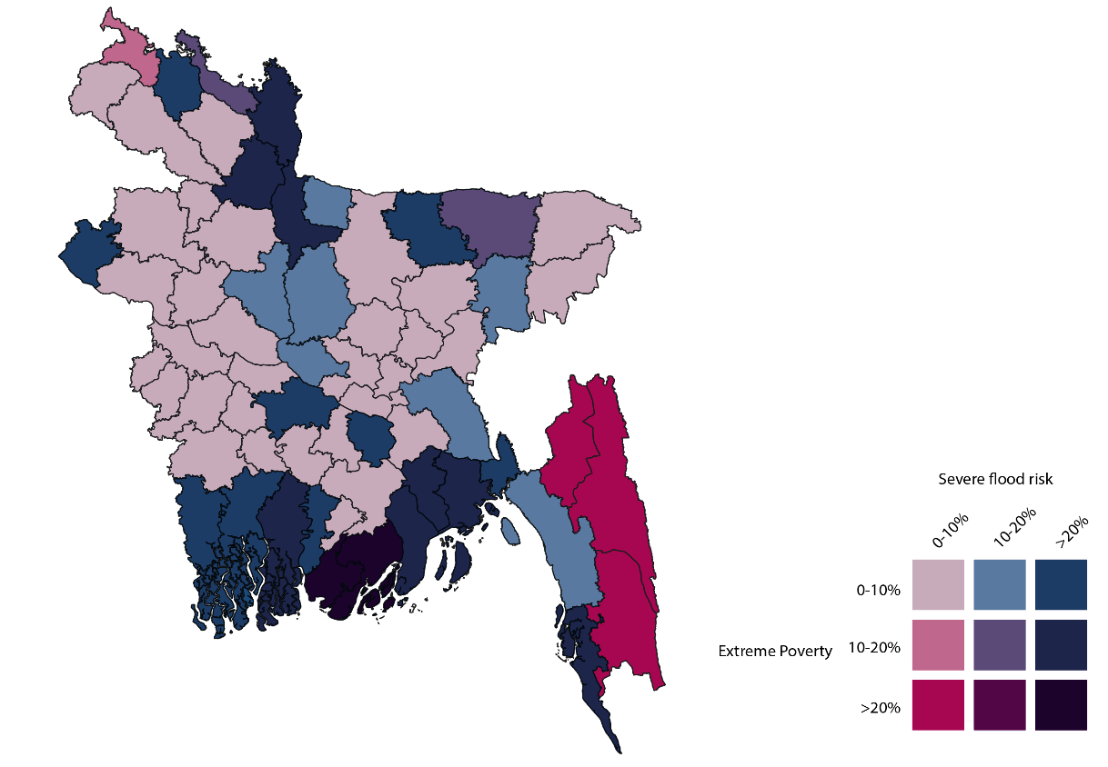
Title: | Figure 1: Extreme poverty, 2019, and severe flooding risk, 2017, in Bangladesh by district
Source: | Development Initiatives based on World Bank PovcalNet, Multiple Indicator Cluster Survey and Bangladesh Space Research and Remote Sensing Organisation data.
Notes: | Poverty data for 2019 is estimates based on our own methodology. 'Extreme poverty' refers to the share of population living on below 2011 Purchasing Power Parity $1.90 per day.

Figure 2
Title: | Figure 2: ODA to Bangladesh by aggregated sectoral group, 2010–2019
Source: | Development Initiatives based on OECD DAC Creditor Reporting System (CRS) data.
Notes: | Data is in constant 2018 prices.

 | 2010 | 2011 | 2012 | 2013 | 2014 | 2015 | 2016 | 2017 | 2018 | 2019
Social infrastructure and services | 1,079 | 1,057 | 1,235 | 1,371 | 1,340 | 1,495 | 1,717 | 1,849 | 1,909 | 2,273
Economic infrastructure and services | 337 | 343 | 670 | 687 | 761 | 755 | 822 | 1,718 | 1,801 | 1,633
Multi-sector | 271 | 354 | 339 | 443 | 362 | 392 | 348 | 361 | 324 | 327
Humanitarian assistance | 105 | 95 | 100 | 100 | 129 | 121 | 133 | 366 | 601 | 801
Commodity aid and general programme assistance | 108 | 103 | 228 | 429 | 181 | 304 | 39 | 81 | 85 | 87
Production sectors | 102 | 86 | 151 | 163 | 198 | 208 | 195 | 185 | 181 | 265
Other | 9 | 10 | 19 | 18 | 28 | 64 | 83 | 85 | 62 | 100
Total | 2,011 | 2,047 | 2,740 | 3,211 | 2,999 | 3,339 | 3,339 | 4,644 | 4,962 | 5,487

Figure 3
Title: | Figure 3: ODA grants and loans as percentage of total ODA, 2010–2019
Sources: | Development Initiatives based on OECD DAC Creditor Reporting System (CRS) data.
Notes: | Data is in constant 2018 prices.

 | 2010 | 2011 | 2012 | 2013 | 2014 | 2015 | 2016 | 2017 | 2018 | 2019
ODA grants | 1262 | 1232 | 1235 | 1451 | 1244 | 1198 | 1193 | 1406 | 1532 | 1853
ODA loans | 755 | 825 | 1506 | 1764 | 1757 | 2180 | 2255 | 3312 | 3579 | 3698
Total | 2017 | 2057 | 2741 | 3215 | 3001 | 3378 | 3448 | 4718 | 5111 | 5551

Figure 4
Title: | Figure 4: ODA to humanitarian, peace and development, 2010–2019
Sources: | Development Initiatives based on OECD DAC Creditor Reporting System (CRS) data.
Notes: | Data is in constant 2018 prices.

 | 2010 | 2011 | 2012 | 2013 | 2014 | 2015 | 2016 | 2017 | 2018 | 2019
Humanitarian ODA | 105 | 95 | 100 | 100 | 129 | 121 | 133 | 366 | 601 | 801
Peace ODA | 9 | 10 | 11 | 7 | 6 | 1 | 3 | 2 | 13 | 10
Other ODA | 1,897 | 1,942 | 2,630 | 3,103 | 2,864 | 3,217 | 3,203 | 4,276 | 4,348 | 4,676
Total ODA | 2,011 | 2,047 | 2,740 | 3,211 | 2,999 | 3,339 | 3,339 | 4,644 | 4,962 | 5,487
Humanitarian as % of total ODA | 5% | 5% | 4% | 3% | 4% | 4% | 4% | 8% | 12% | 15%

Figure 5
Title: | Figure 5: New confirmed Covid-19 cases by month and grant funding to the Covid-19 response in Bangladesh, 2020
Source: | Development Initiatives based on data compiled by the Johns Hopkins University (downloaded 15 January 2021), UN OCHA FTS and International Aid Transparency Initiative (IATI) data.
Notes: | IATI data here consists of transaction data extracted from the Covid-19 tracking prototype [endnote with link to the prototype] and was downloaded on the 8 January 2021. Double-counting between IATI and UN OCHA FTS data was avoided where possible. Only disbursements are included from IATI data and both commitments and disbursements from UN OCHA FTS, given that not all committed flows on UN OCHA FTS are updated when disbursed. Data is in current prices.

 | March | April | May | June | July | August | September | October | November | December
New confirmed Covid-19 cases | 51 | 7616 | 39486 | 98330 | 92178 | 75335 | 50483 | 44205 | 57248 | 48578
Humanitarian grants | 11.6 | 12.8 | 8.3 | 37.2 | 15.8 | 5.4 | 11.1 | 17.1 | 61.9 | 5.0
Development grants | 5.8 | 29.1 | 59.4 | 3.8 | 0.6 | 0.9 | 10.2 | 21.9 | 0.8 | 26.2
Total | 17.4 | 42.0 | 67.7 | 40.9 | 16.5 | 6.3 | 21.4 | 39.0 | 62.7 | 31.2

Figure 6
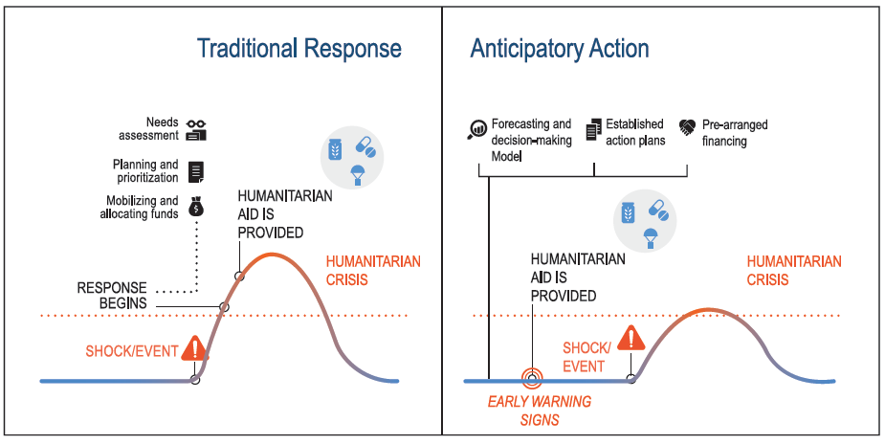
Title: | Figure 6: Traditional versus anticipatory humanitarian response
Source: | United Nations Resident Coordinator Office, 2020. Handbook: Humanitarian Coordination and Collaboration in Bangladesh. Available at: www.humanitarianresponse.info/en/operations/bangladesh/document/handbook-humanitarian-coordination-and-collaboration-bangladesh

Figure 7
Title: | Figure 7: ODA to domestic public sector institutions in Bangladesh, 2010–2019
Source: | Development Initiatives based on OECD DAC Creditor Reporting System (CRS) data.
Notes: | Classifications for the channels of delivery are aggregated from those reported to the OECD DAC CRS. Data includes all ODA from OECD DAC members and from multilateral organisations that report their core expenditure to the OECD DAC CRS. Data is in constant 2018 prices.

 | 2010 | 2011 | 2012 | 2013 | 2014 | 2015 | 2016 | 2017 | 2018 | 2019
Humanitarian ODA | 26 | 23 | 3 | 39 | 47 | 62 | 75 | 72 | 137 | 140
ODA (excl. humanitarian) | 787 | 790 | 802 | 1,504 | 1,661 | 1,934 | 2,156 | 3,341 | 3,348 | 3,645
Total ODA | 812 | 813 | 805 | 1,543 | 1,708 | 1,997 | 2,232 | 3,414 | 3,485 | 3,784
% of total humanitarian ODA | 25% | 25% | 3% | 39% | 37% | 52% | 57% | 20% | 23% | 17%
% of total ODA (excl. humanitarian) | 41% | 40% | 30% | 48% | 58% | 60% | 67% | 78% | 77% | 78%

Figure 8
Title: | Figure 8: ODA to national NGOs in Bangladesh, 2010–2019
Source: | Development Initiatives based on OECD DAC data.
Notes: | Data for national NGOs includes ODA channelled through the OECD DAC CRS organisation type ‘Developing country-based NGOs’ and funding to NGOs that were classified as ‘international NGOs’ but could be identified to be headquartered in Bangladesh (e.g. BRAC). Data includes all ODA from OECD DAC members and from multilateral organisations that report their core expenditure to the OECD DAC CRS. Data is in constant 2018 prices.

 | 2010 | 2011 | 2012 | 2013 | 2014 | 2015 | 2016 | 2017 | 2018 | 2019
Humanitarian ODA | 1 | 0 | 0 | 1 | 0 | 1 | 0 | 2 | 1 | 2
ODA (excl. humanitarian) | 136 | 200 | 196 | 220 | 167 | 106 | 152 | 151 | 121 | 137
Total ODA | 137 | 200 | 196 | 221 | 167 | 107 | 152 | 153 | 122 | 138
% of total humanitarian ODA | 1% | 0% | 0% | 1% | 0% | 1% | 0% | 1% | 0% | 0%
% of total ODA (excl. humanitarian) | 7% | 10% | 7% | 7% | 6% | 3% | 5% | 4% | 3% | 3%

 |  |  |  |  |  |  |  |  |  |  | Is this CRS data? Not specified, but seems to be from the notes.

Figure 9
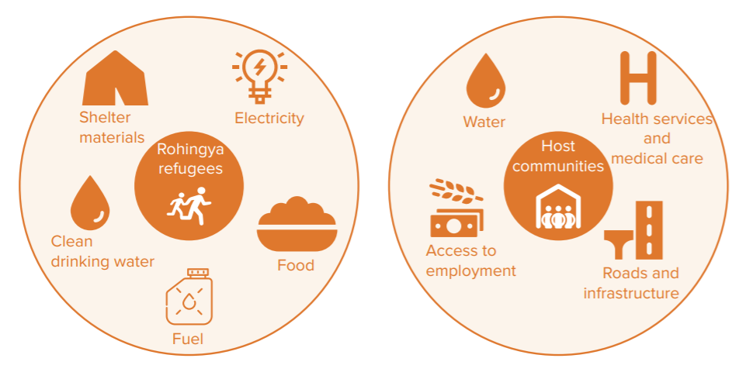
Title: | Figure 9: Priority needs of Rohingya refugees and host communities as identified via survey, September 2019
Source: | Inter Sector Coordination Group, 2020. 2020 Joint response plan: Rohingya humanitarian crisis. Page 16. Available at: www.humanitarianresponse.info/en/operations/bangladesh/document/2020-joint-response-plan-rohingya-humanitarian-crisis-january-0

