Figure 2
Supporting longer term development in crises at the nexus: Lessons from Cameroon
Figure 2
Title: | Proportion of the poorest 20% of people globally, by region of Cameroon, 2000–2014
Source: | Development Initiatives based on UNICEF Multiple Indicator Cluster Surveys (MICS)
Notes:
Long description: | Economic growth and development have largely benefited the central and southern regions, with the poorest people heavily concentrated in the conflict-affected North and Far North regions.
Geographical information: | Cameroon
Author: | Lewis Sternberg

 | Year | Adamawa | Centre | East | Far North | Littoral | North | Northwest | South | Southwest | West | Total
 | 2000 | 0.6% | 0.3% | 0.9% | 7.6% | 0.2% | 4.1% | 2.1% | 0.2% | 0.4% | 1.3% | 17.6%
 | 2001 | 0.6% | 0.3% | 0.9% | 7.5% | 0.2% | 4.1% | 2.0% | 0.2% | 0.4% | 1.3% | 17.4%
 | 2002 | 0.6% | 0.3% | 0.9% | 7.5% | 0.2% | 4.0% | 2.0% | 0.2% | 0.4% | 1.2% | 17.2%
 | 2003 | 0.8% | 0.4% | 1.0% | 8.6% | 0.2% | 4.5% | 2.4% | 0.2% | 0.5% | 1.4% | 19.9%
 | 2004 | 0.9% | 0.6% | 1.2% | 9.9% | 0.2% | 4.8% | 2.7% | 0.3% | 0.5% | 1.6% | 22.6%
 | 2005 | 1.0% | 0.7% | 1.4% | 11.0% | 0.3% | 5.3% | 2.8% | 0.3% | 0.6% | 1.8% | 25.3%
 | 2006 | 1.1% | 0.8% | 1.5% | 11.7% | 0.3% | 5.7% | 2.9% | 0.4% | 0.7% | 1.9% | 27.1%
 | 2007 | 1.2% | 1.0% | 1.6% | 12.3% | 0.3% | 6.0% | 2.9% | 0.4% | 0.7% | 2.2% | 28.7%
 | 2008 | 1.3% | 1.3% | 1.7% | 12.9% | 0.4% | 6.3% | 3.1% | 0.5% | 0.8% | 2.5% | 30.6%
 | 2009 | 1.4% | 1.5% | 1.8% | 13.6% | 0.4% | 6.7% | 3.2% | 0.5% | 0.9% | 2.7% | 32.8%
 | 2010 | 1.5% | 1.8% | 1.8% | 14.1% | 0.5% | 7.1% | 3.3% | 0.6% | 1.0% | 3.0% | 34.9%
 | 2011 | 1.7% | 2.0% | 1.9% | 14.5% | 0.5% | 7.5% | 3.3% | 0.7% | 1.2% | 3.2% | 36.5%
 | 2012 | 1.7% | 2.0% | 1.9% | 14.5% | 0.5% | 7.5% | 3.3% | 0.7% | 1.2% | 3.2% | 36.4%
 | 2013 | 1.7% | 2.0% | 1.9% | 14.5% | 0.5% | 7.5% | 3.3% | 0.7% | 1.2% | 3.2% | 36.5%
 | 2014 | 1.6% | 1.9% | 1.8% | 14.5% | 0.5% | 7.4% | 3.2% | 0.7% | 1.1% | 3.1% | 35.9%

Figure 3
Supporting longer term development in crises at the nexus: Lessons from Cameroon
Figure 3
Title: | Government expenditure by ministry, 2017–2020
Source: | Development Initiatives based on Loi de finance 2018, 2019 and 2020, Gouvernement du Cameroun.
Notes: | 2020 data is the planned budget for this year, while the data for previous years are the executed budget. Ministry budget allocation figures are proportional to total government expenditure minus debt repayment (excluding interest payments) to conform with international reporting standards (e.g. IMF GFS manual).
Long description: | The share of government expenditure allocated to government ministries decreased overall in 2018, with the ministries of Housing and Urban Development, Public Works, and Water and Energy most affected.
Geographical information: | Cameroon
Author: | Richard Watts

 | Ministry / % of total spending | 2017 | 2018 | 2019 | 2020
 | Public works | 12.0% | 8.5% | 9.9% | 11.0%
 | Secondary education | 8.3% | 9.5% | 9.4% | 9.7%
 | Water and energy | 5.3% | 3.8% | 5.5% | 5.9%
 | Basic education | 5.8% | 5.5% | 5.4% | 5.7%
 | Defence | 6.2% | 6.2% | 5.7% | 5.6%
 | Public health | 5.4% | 4.6% | 5.0% | 5.1%
 | Housing and urban development | 3.6% | 2.4% | 3.6% | 3.5%
 | General delegation for national security | 2.3% | 2.2% | 2.6% | 2.5%
 | Agriculture and rural development | 2.9% | 2.3% | 2.0% | 2.2%
 | Sport and physical education | 4.0% | 3.8% | 2.5% | 1.7%
 | Higher education | 1.8% | 1.6% | 0.0% | 1.6%
 | Livestock, fisheries and animal industries | 0.8% | 0.9% | 0.9% | 0.8%
 | Decentralisation and local development | 0.9% | 0.8% | 0.7% | 0.7%
 | Social affairs | 0.2% | 0.2% | 0.2% | 0.3%
 | Promotion of women and the family | 0.1% | 0.2% | 0.2% | 0.2%
 | Labor and social security | 0.1% | 0.1% | 0.1% | 0.1%

Figure 4
Supporting longer term development in crises at the nexus: Lessons from Cameroon
Figure 4
Title: | Proportion of ODA as grants and loans, 2009–2018
Source: | Development Initiatives based on OECD DAC Creditor Reporting System (CRS).
Notes:
Long description: | A growing proportion of ODA to Cameroon has taken the form of loans – from 17% in 2011 to 51% in 2018.
Geographical information: | Cameroon
Author: | Duncan Knox

 |  | 2009 | 2010 | 2011 | 2012 | 2013 | 2014 | 2015 | 2016 | 2017 | 2018
 | ODA grants | 66% | 77% | 83% | 70% | 64% | 53% | 60% | 54% | 42% | 49%
 | ODA loans and equity | 34% | 23% | 17% | 30% | 36% | 47% | 40% | 46% | 58% | 51%

Figure 5
Supporting longer term development in crises at the nexus: Lessons from Cameroon
Figure 5
Title: | Development ODA to regions of Cameroon, 2019
Source: | Development Initiatives based on International Aid Transparency Initiative (IATI) Registry data.
Notes: | Total disbursements reported to IATI Registry data by region in 2019 as a proportion of total disbursements reported to IATI Registry data to Cameroon in 2019.
Long description: | The central region, which is not crisis-affected and where the capital city Yaoundé is located, received 79.1% of developmental ODA in 2019.
Geographical information: | Cameroon
Author: | Rob Tew
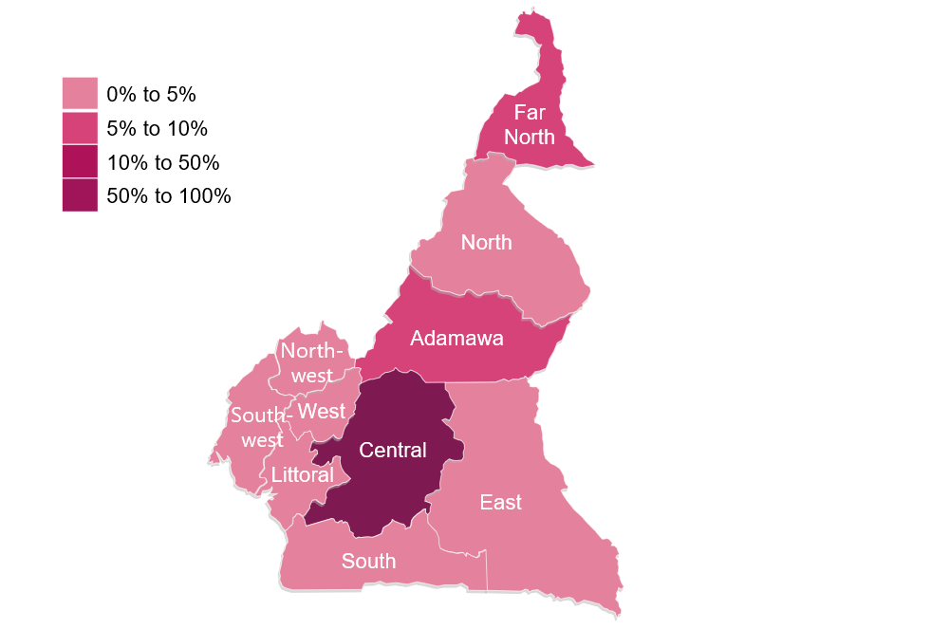
 | Region | % of Development ODA (2019)
 | Adamawa | 5.5%
 | Centre | 79.1%
 | East | 2.4%
 | Far North | 5.1%
 | Litoral | 2.0%
 | North | 1.1%
 | Northwest | 1.2%
 | West | 0.8%
 | South | 1.1%
 | Southwest | 1.8%

Figure 6
Supporting longer term development in crises at the nexus: Lessons from Cameroon
Figure 6
Title: | External disbursements to infrastructure by region, 2017 and 2018
Source: | Cameroon aid management platform.
Notes: | Data in current prices. Data on disbursements to West is not available.
Long description: | Crisis-affected regions continue to receive the smallest shares of external financing for infrastructure, despite each experiencing an increase in the volume of financing between 2017 and 2018. External infrastructure financing almost doubled to the region of Littoral from 2017 to 2018, whilst the other non-crisis regions of Central and Southwest Cameroon experienced decreases in the volumes received.
Geographical information: | Cameroon
Author: | Georgia Colston

 | External finance disbursements | Increase from 2017 | Decrease from 2017
Nationwide | 148.3 | - | 48.4
Adamawa | 22.4 | 1.5 | -
Centre | 221.3 | - | 136.0
East | 18.5 | 16.6 | -
Far North | 51.9 | 4.6 | -
Littoral | 166.8 | 162.1 | -
North | 9.6 | 29.0 | -
Northwest | 16.7 | 12.9 | -
South | 150.1 | - | 22.9
Southwest | 22.1 | 3.1 | -
 |  | External finance disbursements US$ millions | Increase from 2017 US$ millions | Decrease from 2017 US$ millions
 | Infrastructure | 1,035.0 | 22.6
 | Nationwide | 148.3 |  | 48.4
 | Adamawa | 22.4 | 1.5
 | Centre | 221.3 |  | 136.0
 | East | 18.5 | 16.6
 | Far North | 51.9 | 4.6
 | Littoral | 166.8 | 162.1
 | North | 9.6 | 29.0
 | Northwest | 16.7 | 12.9
 | South | 150.1 |  | 22.9
 | Southwest | 22.1 | 3.1

Figure 7
Supporting longer term development in crises at the nexus: Lessons from Cameroon
Figure 7
Title: | External disbursements to social development by region, 2017 and 2018
Source: | Cameroon aid management platform.
Notes: | Data on disbursements to Southwest and South is not available. Data in current prices.
Long description: | External finance to social development was highly concentrated in the Central region in 2017, although this fell by 59% in 2018. Meanwhile, all other regions experienced an increase in external social development financing; the largest growth was seen by the East, North and Northwest regions − all of which are crisis-affected.
Geographical information: | Cameroon
Author: | Georgia Colston

 | External finance disbursements | Increase from 2017 | Decrease from 2017
Nationwide | 26.0 | - | 0.8
Adamawa | 2.1 | - | 0.2
Centre | 17.7 | - | 43.2
East | 2.3 | 3.8 | -
Far North | 2.1 | - | 0.2
Littoral | 2.3 | 0.8 | -
North | 2.3 | 3.8 | -
Northwest | 2.3 | 3.8 | -
 |  | External finance disbursements US$ millions | Increase from 2017 US$ millions | Decrease from 2017 US$ millions
 | Social development | 69.1 |  | 32.2
 | Nationwide | 26.0 |  | 0.8
 | Adamawa | 2.1 |  | 0.2
 | Centre | 17.7 |  | 43.2
 | East | 2.3 | 3.8
 | Far North | 2.1 |  | 0.2
 | Littoral | 2.3 | 0.8
 | North | 2.3 | 3.8
 | Northwest | 2.3 | 3.8

Figure 8
Supporting longer term development in crises at the nexus: Lessons from Cameroon
Figure 8
Title: | Top five donors to Cameroon, 2009−2018
Source: | Development Initiatives based on OECD DAC Creditor Reporting System (CRS).
Notes: | Data in 2017 constant prices. IDA = International Development Association; IMF = International Monetary Fund (Concessional Trust Funds).
Long description: | Cameroon’s largest donors in 2018 were France (29%), IMF (12%), World Bank (11%), Germany (9%) and EU (6%). The UN provided only 2% of Cameroon’s total ODA in 2018.
Geographical information: | Cameroon
Author: | Georgia Colston

 | Country | 2008 | 2009 | 2010 | 2011 | 2012 | 2013 | 2014 | 2015 | 2016 | 2017 | 2018
 | France | 212.3 | 195.1 | 180.0 | 172.6 | 137.4 | 158.4 | 192.6 | 168.3 | 273.5 | 312.4 | 347.1
 | Germany | 520.6 | 83.0 | 86.1 | 87.2 | 85.0 | 76.4 | 79.0 | 76.5 | 91.6 | 104.7 | 106.4
 | IDA | 28.1 | 47.4 | 80.8 | 68.3 | 84.2 | 148.4 | 118.6 | 96.2 | 133.7 | 135.4 | 131.5
 | EU institutions | 60.0 | 52.1 | 68.2 | 65.9 | 105.4 | 81.9 | 115.3 | 64.5 | 80.7 | 86.1 | 70.3
 | IMF | 7.8 | 142.2 | 0.0 | 0.0 | 0.0 | 0.0 | 0.0 | 0.0 | 0.0 | 287.0 | 149.9
 | Other | 182.4 | 198.8 | 189.0 | 215.9 | 224.6 | 244.2 | 325.3 | 341.0 | 287.2 | 399.0 | 402.5
 | Top five donors' contributions as a proportion of total contributions to Cameroon | 82% | 72% | 69% | 65% | 65% | 66% | 61% | 54% | 67% | 70% | 67%

Figure 9
Supporting longer term development in crises at the nexus: Lessons from Cameroon
Figure 9
Title: | Total ODA disbursements to Covid-19 as humanitarian assistance and developmental ODA, January–July 2020
Source: | Development Initiatives based on International Aid Transparency Initiative (IATI) data.
Notes: | Data in current prices.
Long description: | Financing for Covid-19 increased month on month (except in May) between March and July 2020.
Geographical information: | Cameroon
Author: | Dan Walton

 |  | Jan | Feb | Mar | Apr | May | Jun | Jul
 | Development Covid-19 spending (unadjusted) | - | - | 3,601,649 | 4,510,854 | 1,891,979 | 8,510,831 | 14,727,378
 | Humanitarian Covid-19 spending (unadjusted) | - | - | 338,558 | 858,919 | 920,485 | 256,156 | 915,829

Figure 10
Supporting longer term development in crises at the nexus: Lessons from Cameroon
Figure 10
Title: | Total ODA disbursements to Covid-19 as grants and loans, January–July 2020
Source: | Development Initiatives based on International Aid Transparency Initiative (IATI) data.
Notes: | Data in current prices.
Long description: | Financing for Covid-19 increased month-on-month (except in May) between March and July 2020.
Geographical information: | Cameroon
Author: | Dan Walton

 |  | Jan | Feb | Mar | Apr | May | Jun | Jul
 | Grants | - | - | 3,940,207 | 5,369,773 | 2,812,464 | 2,653,300 | 15,643,208
 | Loans | - | - | - | - | - | 6,113,686 | -

Figure 11
Supporting longer term development in crises at the nexus: Lessons from Cameroon
Figure 11
Title: | ODA to Cameroon by channel of delivery, 2009−2018
Source: | Development Initiatives based on OECD DAC Creditor Reporting System (CRS).
Notes: | ODA chanelled directly to the government includes both ‘public sector institutions’ and ‘unspecified’ (which covers budget support).
Long description: | Over the ten year period 2009−2018, public sector institutions received 60% or more of the ODA that went to Cameroon, while the share of ODA that went to non governmental organisations and civil society incresed from 4.7% in 2009 to 8.5% in 2018.
Geographical information: | Cameroon
Author: | Duncan Knox

 | Channels of delivery | 2009 | 2010 | 2011 | 2012 | 2013 | 2014 | 2015 | 2016 | 2017 | 2018
 | Public sector institutions | 591.6 | 462.6 | 451.8 | 450.7 | 503.5 | 504.9 | 472.9 | 590.3 | 1043.9 | 854.9
 | NGOs and civil society | 33.5 | 31.2 | 39.9 | 46.8 | 48.2 | 50.3 | 54.7 | 67.3 | 95.4 | 102.5
 | Other | 7.5 | 63.8 | 64.3 | 69.1 | 69.7 | 144.7 | 69.1 | 91.2 | 58.4 | 92.7
 | Multilateral organisations | 47.7 | 34.4 | 37.4 | 38.2 | 52.1 | 96.9 | 111.1 | 67.3 | 71.6 | 89.7
 | Unspecified | 38.3 | 12.0 | 16.4 | 31.9 | 35.8 | 34.1 | 36.3 | 34.6 | 32.0 | 44.9
 | Private sector institution | 0.0 | 0.0 | 0.0 | 0.0 | 0.0 | 0.0 | 0.0 | 15.0 | 18.1 | 23.1

Figure 12
Supporting longer term development in crises at the nexus: Lessons from Cameroon
Figure 12
Title: | ODA to Cameroon channelled through the public sector, 2015−2018
Source: | Development Initiatives based on OECD DAC Creditor Reporting System (CRS).
Notes: | Data in 2017 constant prices.
Long description: | Most ODA channelled to public institutions in Cameroon is directed through central government, or does not have a specified government institution, while only 0.1% is reported to go through local government.
Geographical information: | Cameroon
Author: | Duncan Knox

 | Channels of delivery | 2015 | 2016 | 2017 | 2018
 | Recipient government (unspecified) | 263.0 | 403.1 | 652.9 | 475.8
 | Central government | 121.9 | 29.6 | 286.9 | 236.0
 | Local government | 1.4 |  | 0.6 | 0.8

 | Recipient government (unspecified) | Central government | Local government | #REF!
2015 | 263.0 | 121.9 | 1.4 | 1
2016 | 403.1 | 29.6
2017 | 652.9 | 286.9 | 0.6
2018 | 475.8 | 236.0 | 0.8

