Fig 1 Daily consumption
The P20 in Benin: From consultation to consensus
Figure 1
Title: | The growing gap in consumption between the P20 and the rest of the population
Source: | Development Initiatives based on World Bank’s PovcalNet 2019

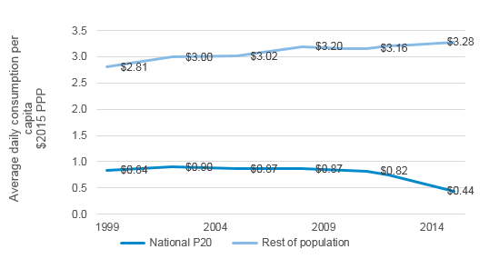
 | National P20 of Benin | Rest of the population
1999 | $0.84 | $2.81
2002 | $0.90 | $3.00
2005 | $0.87 | $3.02
2008 | $0.87 | $3.20
2010 | $0.83 | $3.16
2011 | $0.82 | $3.16
2012 | $0.75 | $3.20
2013 | $0.64 | $3.23
2015 | $0.44 | $3.28

 | Daily consumption per capita in 2015 PPP

Fig 2 Stunting
The P20 in Benin: From consultation to consensus
Figure 2
Title: | Stunting rates between the P20 and the rest of the population
Source: | Development Initiatives based on Demographic and Health Surveys, Multiple Indicator Cluster Surveys and World Bank’s PovcalNet

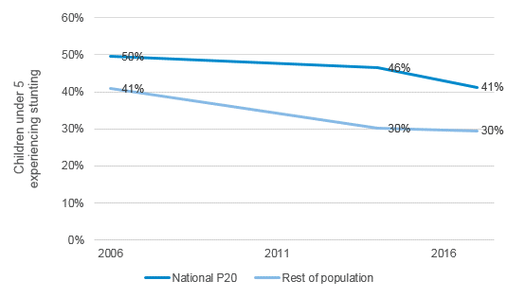
 | National P20 of Benin | Rest of the population
2017 | 41% | 30%
2014 | 46% | 30%
2006 | 50% | 41%

Fig 3 Birth registration
The P20 in Benin: From consultation to consensus
Figure 3
Title: | Children under 5 with births registered between the P20 and the rest of the population
Source: | Development Initiative’s calculations based on Multiple Indicator Cluster Survey and Demographic and Health Surveys

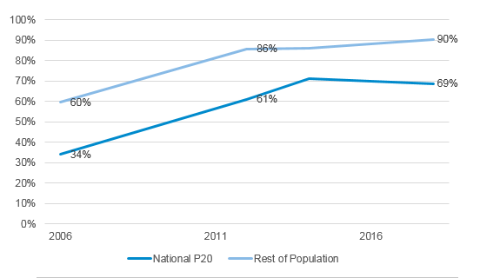
 | P20 | Rest of the population
2018 | 69% | 90%
2014 | 71% | 86%
2012 | 61% | 86%
2006 | 34% | 60%

Fig 4 P20 Departments of Benin
The P20 in Benin: From consultation to consensus
Figure 4
Title: | Share of the population in the national P20
Source: | Development Initiatives based on Demographic and Health Survey 2017/18 and PovcalNet

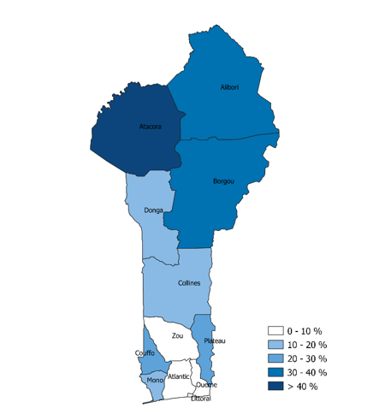
Department | Percentage in the P20
Alibori | 33%
Atacora | 44%
Atlantique | 9%
Borgou | 30%
Collines | 11%
Couffo | 21%
Donga | 14%
Littoral | 0%
Mono | 20%
Ouémé | 7%
Plateau | 21%
Zou | 10%

