Figure 1
The challenges of data on the financing response to Covid-19

Figure 1
Title: | Reported Covid-19-related commitments and expenditures by the UK and the World Bank
Source: | Development Initiatives based on data downloaded from FTS, d-portal, Devex and the UK’s Department for International Development websites on 19 May 2020, and from the World Bank website on 11 May 2020.
Notes: | FTS: Financial Tracking Service; IATI: International Aid Transparency Initiative.
Long description: | Figure 1 shows the value of Covid-19-related commitments and expenditures for two institutions – the UK government and the World Bank – as reflected on their own websites and in three information systems. There are discrepancies
Geographical information: | Global
Author: | Bill Anderson

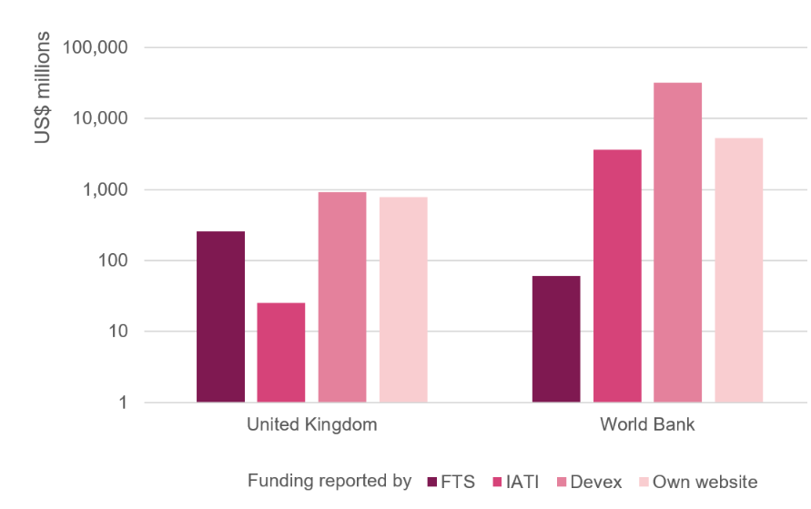
Source | United Kingdom | World Bank
FTS | 257 | 61
IATI | 25 | 3,640
Devex | 911 | 32,118
Own website | 777 | 5,294

Figure 2
The challenges of data on the financing response to Covid-19

Figure 2
Title: | Covid-19 financing reported to FTS by instrument
Source: | Development Initiatives based on data downloaded from FTS on 19 May 2020.
Long description: | Figure 2 shows that funding to the Global Humanitarian Response Plan (GHRP) to Covid-19 is at US$1.0 billion (about 15%) of the requirements.
Geographical information: | Global
Author: | Bill Anderson

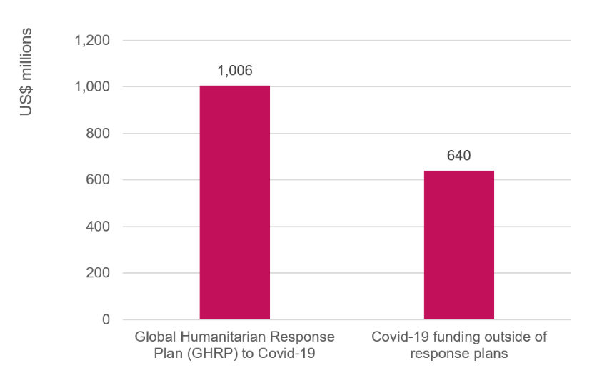
Covid-19 financing reported to FTS
Component | Commitments and
 | paid contributions
 | (as of 18/05/2020) $m
Global Humanitarian Response Plan (GHRP) to Covid-19 | 1,006
Covid-19 funding outside of response plans | 640

Figure 3
The challenges of data on the financing response to Covid-19

Figure 3
Title: | Covid-19 financing reported to FTS by source by organisation type
Source: | Development Initiatives based on data downloaded from FTS on 19 May 2020.
Notes: | ‘Other funds’ includes contributions from country response funds and other pooled funds.
Long description: | Shows the total humanitarian funding on FTS to respond to Covid-19, US$1.6 billion, by organisation type.
Geographical information: | Global
Author: | Bill Anderson

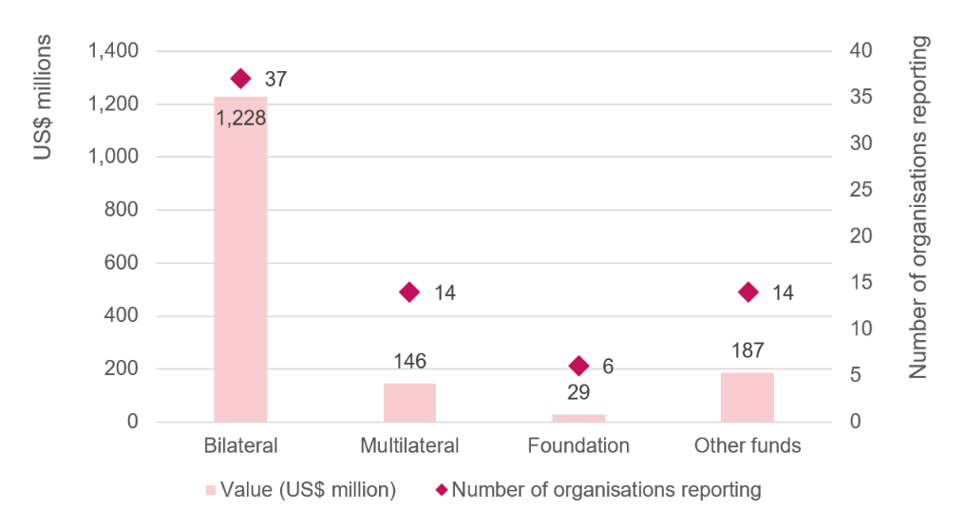
Type of organisation | Number of organisations reporting | Commitments and paid contributions (as of 19/05/2020) $m

 | Number of organisations reporting | Value (US$ million)
Bilateral | 37 | 1,228
Multilateral | 14 | 146
Foundation | 6 | 29
Other Funds | 14 | 187

Figure 4
The challenges of data on the financing response to Covid-19

Figure 4
Title: | Covid-19 financing reporting to IATI
Source: | Development Initiatives based on data downloaded from d-portal.org on 19 May 2020
Long description: | As of 19 May 2020, 28 of the International Aid Transparency Initiative's 700 active publishers had adopted its guidelines for flagging activities as being Covid-19 related, and there were 642 activities with a commitment value of over US$4.6 billion.
Geographical information: | Global
Author: | Bill Anderson

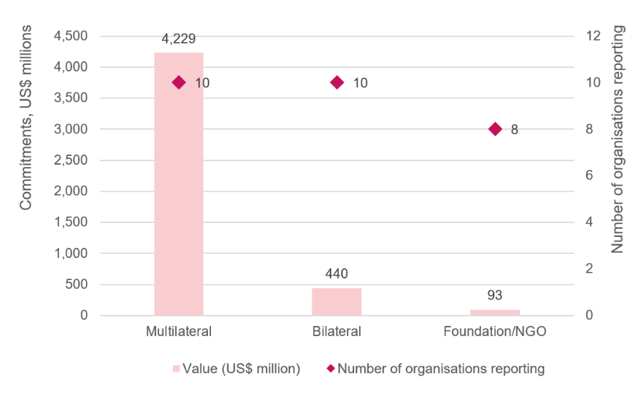
 | Number of organisations reporting | No. of activities | Commitments (US$ millions)
Multilateral | 10 | 381 | 4,229
Bilateral | 10 | 134 | 440
Foundation/NGO | 8 | 37 | 93

Figure 5
The challenges of data on the financing response to Covid-19

Figure 5
Title: | IMF funding totals for Covid-19 response
Source: | Centre for Disaster Protection based on data downloaded from IMF website on 11 May 2020
Long description: | Figure 5 shows that IMF support is being delivered through a variety of instruments. The Catastrophe Containment and Relief Trust (CCRT) provides information on country, value and date of debt relief agreements. This CCRT is a one-time agreement to suspend debt payments for several months. New loans are being issued through the Rapid Credit Facility (RCF), Rapid Financing Instrument (RFI), Augmentation of Extended Credit Facility (ECF) and Augmentation of Extended Fund Facility (EFF)
Geographical information: | Global
Author: | Centre for Disaster Protection
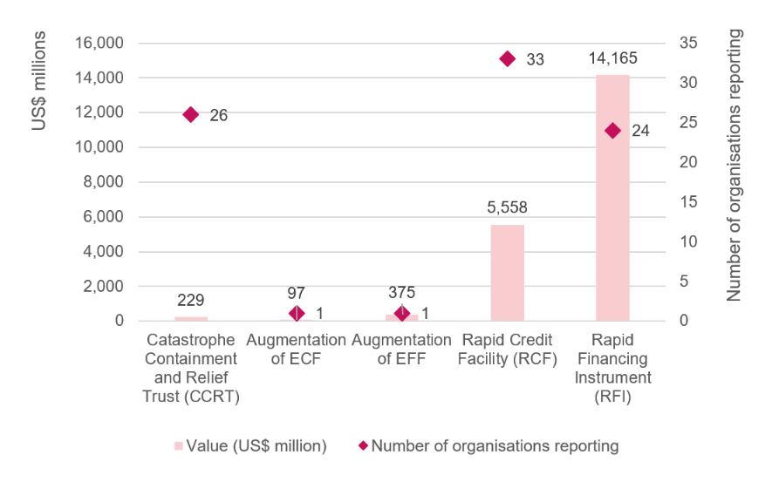
Source | Financial Flow | No. of Agreements | Amount (USD m)
IMF | Catastrophe Containment and Relief Trust (CCRT) | 26 | 228.64
IMF | Augmentation of ECF | 1 | 97.11
IMF | Augmentation of EFF | 1 | 374.64
IMF | Rapid Credit Facility (RCF) | 33 | 5,557.95
IMF | Rapid Financing Instrument (RFI) | 24 | 14,164.98

Figure 6
The challenges of data on the financing response to Covid-19

Figure 6
Title: | World Bank loan totals for Covid-19 response
Source: | Centre for Disaster Protection, based on data downloaded from World Bank website on 11 May 2020
Long description: | The World Bank has committed over US$3 billion in new loans to support the Covid-19 response
Geographical information: | Global
Author: | Centre for Disaster Protection

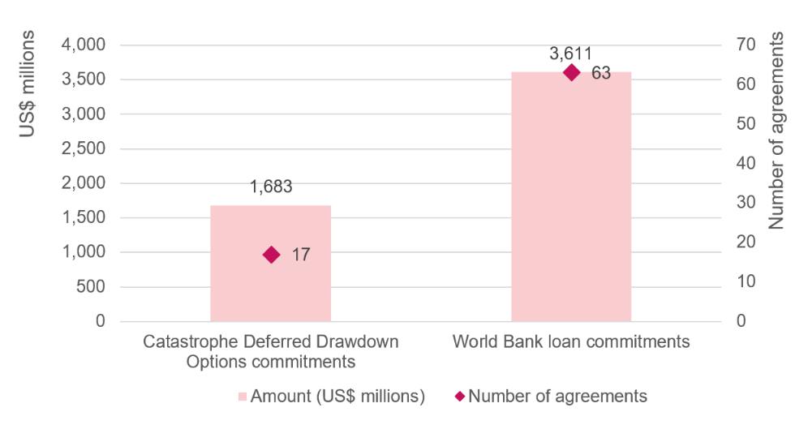
Source | Financial Flow | No. of Agreements | Amount (USD m)
World Bank | Cat DDO commitments | 17 | 1,683
World Bank | World Bank loan commitments | 63 | 3,611

