Figure 1
Donors at the triple nexus: lessons from the United Kingdom
Chapter 2. UK policy and strategic planning
Figure 1
Title: | The proportion of UK ODA in the form of humanitarian assistance (HA) and conflict, peace and security (CPS) activities, 2008–2017
Source: | Development Initiatives based on Organisation for Economic Co-operation and Development (OECD) Creditor Reporting System (CRS).
Notes: | Gross disbursements to country recipients, regions and unspecified developing countries.
Long description: | UK humanitarian assistance (HA) as proportion of Official Development Assistance (ODA) doubled between 2008 and 2017, while the proportion of UK ODA allocated to conflict, peace and security (CPS) also increased between 2013-2017.
Geographical information: | Global
Author: | Matthew Price

 | Sector | 2008 | 2009 | 2010 | 2011 | 2012 | 2013 | 2014 | 2015 | 2016 | 2017
 | HA | 547.4 | 710.4 | 533.3 | 600.2 | 594.7 | 1,131.0 | 1,506.9 | 1,705.0 | 1,707.1 | 1,812.8
 | CPS | 283.6 | 363.2 | 271.8 | 256.2 | 271.1 | 242.8 | 254.0 | 399.1 | 565.5 | 585.5
 | ODA (non-HA/CPS) | 5,632.3 | 6,165.9 | 7,017.2 | 6,899.0 | 6,923.2 | 8,203.9 | 7,920.2 | 8,294.7 | 9,087.0 | 9,063.0
 | Total | 6,463.3 | 7,239.6 | 7,822.3 | 7,755.3 | 7,789.1 | 9,577.8 | 9,681.1 | 10,398.8 | 11,359.6 | 11,461.2
 | HA as % of total ODA | 8.5% | 9.8% | 6.8% | 7.7% | 7.6% | 11.8% | 15.6% | 16.4% | 15.0% | 15.8%
 | CPS as % of total ODA | 4.4% | 5.0% | 3.5% | 3.3% | 3.5% | 2.5% | 2.6% | 3.8% | 5.0% | 5.1%

Figure 2
Donors at the triple nexus: lessons from the United Kingdom
Chapter 2. UK policy and strategic planning
Figure 2
Title: | The proportion of UK ODA in the form of humanitarian assistance (HA) and conflict, peace and security (CPS) activities to fragile and conflict-affected states (FCASs), 2008–2017
Source: | Development Initiatives based on Organisation for Economic Co-operation and Development (OECD) Creditor Reporting System (CRS), 2018 State of Fragility Report (OECD) and DFID's ODA 2015 budget spent in fragile states and regions.
Notes: | The fragile states were classified according to DFID's ODA 2015 budget spent in fragile states and regions.
Long description: | The proportion of UK ODA as humanitarian assistance (HA) to fragile and conflict-affected states (FCASs) doubled between 2008 and 2017.
Geographical information: | Global
Author: | Matthew Price

 | Sector | 2008 | 2009 | 2010 | 2011 | 2012 | 2013 | 2014 | 2015 | 2016 | 2017
 | HA | 419.2 | 530.9 | 429.6 | 540.0 | 480.1 | 691.0 | 1,104.4 | 1,438.3 | 1,377.3 | 1,556.8
 | CPS | 165.7 | 246.0 | 170.9 | 160.2 | 213.1 | 184.0 | 190.0 | 307.3 | 432.8 | 414.8
 | ODA (Non-HA/CPS) | 2,034.6 | 1,933.4 | 2,241.2 | 2,625.5 | 2,577.6 | 3,194.1 | 2,869.6 | 2,920.0 | 2,995.4 | 2,913.9
 | Total | 2,619.5 | 2,710.3 | 2,841.6 | 3,325.7 | 3,270.8 | 4,069.1 | 4,163.9 | 4,665.6 | 4,805.4 | 4,885.5
 | HA as % of total ODA | 16.0% | 19.6% | 15.1% | 16.2% | 14.7% | 17.0% | 26.5% | 30.8% | 28.7% | 31.9%
 | CPS as % of total ODA | 6.3% | 9.1% | 6.0% | 4.8% | 6.5% | 4.5% | 4.6% | 6.6% | 9.0% | 8.5%

Figure 3
Donors at the triple nexus: lessons from the United Kingdom
Chapter 2. UK policy and strategic planning
Figure 3
Title: | The proportion of UK ODA given as humanitarian assistance (HA) and to conflict, peace and security (CPS) activities to countries that are not fragile and conflict-affected states (non-FCASs), 2008–2017
Source: | Development Initiatives based on Organisation for Economic Co-operation and Development (OECD) Creditor Reporting System (CRS), 2018 State of Fragility Report (OECD) and DFID's ODA 2015 budget spent in fragile states and regions.
Notes: | Non-FCAS recipients are all other recipients excluding the fragile states classified according to DFID's ODA 2015 budget spent in fragile states and regions.
Long description: | The proportion of UK ODA as humanitarian assistance (HA) and for conflict, peace and security (CPS) to other recipient countries is much lower than to fragile and conflict-affected states (FCASs).
Geographical information: | Global
Author: | Matthew Price

 | Sector | 2008 | 2009 | 2010 | 2011 | 2012 | 2013 | 2014 | 2015 | 2016 | 2017
 | HA | 0.1 | 0.2 | 0.1 | 0.1 | 0.1 | 0.4 | 0.4 | 0.3 | 0.3 | 0.3
 | CPS | 0.1 | 0.1 | 0.1 | 0.1 | 0.1 | 0.1 | 0.1 | 0.1 | 0.1 | 0.2
 | ODA (Non-HA/CPS) | 3.6 | 4.2 | 4.8 | 4.3 | 4.3 | 5.0 | 5.1 | 5.4 | 6.1 | 6.1
 | Total | 3.8 | 4.5 | 5.0 | 4.4 | 4.5 | 5.5 | 5.5 | 5.7 | 6.6 | 6.6
 | HA as % of total ODA | 3.3% | 4.0% | 2.1% | 1.4% | 2.5% | 8.0% | 7.3% | 4.7% | 5.0% | 3.9%
 | CPS as % of total ODA | 3.1% | 2.6% | 2.0% | 2.2% | 1.3% | 1.1% | 1.2% | 1.6% | 2.0% | 2.6%

Figure 4
Donors at the triple nexus: lessons from the United Kingdom
Chapter 3. The programme cycle and the nexus
Figure 4
Title: | UK funding to social protection (SP) as a proportion of ODA to FCASs, 2008–2017
Source: | Development Initiatives based on Organisation for Economic Co-operation and Development (OECD) Creditor Reporting System (CRS) and DFID's ODA 2015 budget spent in fragile states and regions.
Notes: | The fragile states were classified according to DFID's ODA 2015 budget spent in fragile states and regions. Data is in constant 2017 prices.
Long description: | UK funding to social protection as a proportion of ODA to FCASs more than tripled between 2008 and 2016.
Geographical information: | Global
Author: | Matthew Price

 | Sector | 2008 | 2009 | 2010 | 2011 | 2012 | 2013 | 2014 | 2015 | 2016 | 2017
 | SP | 38.9 | 39.7 | 98.2 | 150.8 | 174.7 | 256.8 | 159.5 | 231.5 | 319.1 | 161.8
 | ODA (non-SP) | 2,581 | 2,671 | 2,743 | 3,175 | 3,096 | 3,812 | 4,004 | 4,434 | 4,486 | 4,724
 | Total | 2,619.5 | 2,710.3 | 2,841.6 | 3,325.7 | 3,270.8 | 4,069.1 | 4,163.9 | 4,665.6 | 4,805.4 | 4,885.5
 | SP as % of total ODA | 1.5% | 1.5% | 3.5% | 4.5% | 5.3% | 6.3% | 3.8% | 5.0% | 6.6% | 3.3%

Figure 5
Donors at the triple nexus: lessons from the United Kingdom
Chapter 3. The programme cycle and the nexus
Figure 5
Title: | UK funding channels of humanitarian assistance (HA), conflict, peace and security (CPS) and non-HA/CPS development assistance, 2017
Source: | Development Initiatives based on Organisation for Economic Co-operation and Development (OECD) Creditor Reporting System (CRS).
Notes: | Gross disbursements to country recipients, regions and unspecified developing countries. Data in US$ millions, current prices.
Long description: | Multilateral aid channels are favoured to fragile states, whereas public (government) channels are preferred in other developing countries.
Geographical information: | Global
Author: | Sophie Hanna

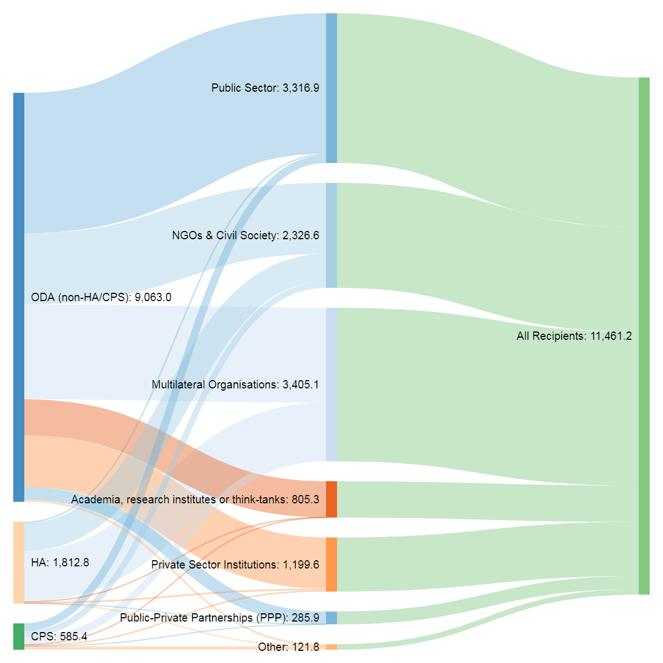
585.5
 | From | Value | To
 | ODA (non-HA/CPS) | 3,112.9 | Public Sector
 |  | 1,574.7 | NGOs & Civil Society
 |  | 2,105.6 | Multilateral Organisations
 |  | 802.6 | Teaching institutions, research institutes or think-tanks
 |  | 1,136.4 | Private Sector Institutions
 |  | 45.3 | Other
 |  | 285.5 | Public-Private Partnerships (PPP)
 | Total ODA | 9,063.0
 | HA | 31.2 | Public Sector
 |  | 616.2 | NGOs & Civil Society
 |  | 1,131.3 | Multilateral Organisations
 |  | 0.2 | Teaching institutions, research institutes or think-tanks
 |  | 33.5 | Private Sector Institutions
 |  | 0.2 | Other
 |  | 0.2 | Public-Private Partnerships (PPP)
 | Total HA | 1,812.8
 | CPS | 172.8 | Public Sector
 |  | 135.7 | NGOs & Civil Society
 |  | 168.2 | Multilateral Organisations
 |  | 2.5 | Teaching institutions, research institutes or think-tanks
 |  | 29.7 | Private Sector Institutions
 |  | 76.3 | Other
 |  | 0.2 | Public-Private Partnerships (PPP)
 | Total CPS | 585.5

Figure 6
Donors at the triple nexus: lessons from the United Kingdom
Chapter 3. The programme cycle and the nexus
Figure 6
Title: | The proportion of UK humanitarian assistance broken down by unearmarked core contributions, bilateral contributions and EU contributions, 2008–2017
Source: | Development Initiatives based on Organisation for Economic Co-operation and Development (OECD) Development Assistance Committee (DAC), UN Office for the Coordination of Humanitarian Affairs (OCHA) Financial Tracking Service (FTS) and UN Central Emergency Response Fund (CERF) data.
Notes: | The unearmarked ODA contributions of DAC members to nine key multilateral agencies engaged in humanitarian response: FAO, IOM, UNDP, UNHCR, UN OCHA, UNICEF, UNRWA, WFP and WHO, as reported to the OECD DAC under Table 2a and the CRS. We do not include all ODA to FAO, IOM, UNICEF and WFP but apply a percentage to take into account that these agencies also have a ‘development’ mandate. These shares are calculated using data on humanitarian expenditure as a proportion of the total received directly from each multilateral agency.
Long description: | The proportion of UK humanitarian assistance as unearmarked core contributions fell by 15% between 2011 and 2016.
Geographical information: | Global
Author: | Daniele Milani

 |  | 2008 | 2009 | 2010 | 2011 | 2012 | 2013 | 2014 | 2015 | 2016 | 2017
 | Bilateral contributions | 547 | 710 | 533 | 600 | 595 | 1,131 | 1,507 | 1,705 | 1,707 | 1,813
 | Unearmarked contributions | 48 | 76 | 145 | 312 | 248 | 265 | 328 | 295 | 295 | 354
 | EU contributions | 247 | 200 | 225 | 223 | 236 | 253 | 260 | 258 | 334 | 266
 | Total | 842 | 987 | 903 | 1,136 | 1,078 | 1,649 | 2,095 | 2,258 | 2,336 | 2,433
 | % Unearmarked contributions | 6% | 8% | 16% | 27% | 23% | 16% | 16% | 13% | 13% | 15%

 | Bilateral contributions | Unearmarked contributions | EU contributions | Total |  | % Unearmarked contributions | #REF!
2008 | 547 | 48 | 247 | 842 |  | 6% | 1
2009 | 710 | 76 | 200 | 987 |  | 8%
2010 | 533 | 145 | 225 | 903 |  | 16%
2011 | 600 | 312 | 223 | 1,136 |  | 27%
2012 | 595 | 248 | 236 | 1,078 |  | 23%
2013 | 1,131 | 265 | 253 | 1,649 |  | 16%
2014 | 1,507 | 328 | 260 | 2,095 |  | 16%
2015 | 1,705 | 295 | 258 | 2,258 |  | 13%
2016 | 1,707 | 295 | 334 | 2,336 |  | 13%
2017 | 1,813 | 354 | 266 | 2,433 |  | 15%

Figure 7
Donors at the triple nexus: lessons from the United Kingdom
Annex 4: UK aid for countries in protracted crisis
Figure 7
Title: | UK ODA to Iraq, showing the proportion of humanitarian assistance (HA), 2013–2017
Source: | Development Initiatives based on Organisation for Economic Co-operation and Development (OECD) Creditor Reporting System (CRS).
Notes: | Data is in constant 2017 prices.
Long description: | UK humanitarian assistance to Iraq as a proportion of ODA rises steadily between 2013-2015, gradually declining from 2015-2017 as the proportion of developmental ODA rises.
Geographical information: | Iraq
Author: | Carina Chicet

 | Sector | 2013 | 2014 | 2015 | 2016 | 2017
 | HA | 0 | 38 | 61 | 115 | 62
 | Non-humanitarian ODA | 10 | 13 | 14 | 42 | 45
 | ODA | 10 | 52 | 74 | 156 | 107
 | % HA of total ODA | 0% | 74% | 81% | 73% | 58%

Figure 8
Donors at the triple nexus: lessons from the United Kingdom
Annex 4: UK aid for countries in protracted crisis
Figure 8
Title: | UK ODA to Nigeria, showing the proportion of humanitarian assistance (HA), 2013–2017
Source: | Development Initiatives based on Organisation for Economic Co-operation and Development (OECD) Creditor Reporting System (CRS).
Notes: | Data is in constant 2017 prices.
Long description: | UK humanitarian assistance to Nigeria, while continuing to comprise a smaller proportion of ODA in comparison to developmental ODA, rises gradually from 0% in 2013 to 16% in 2017.
Geographical information: | Nigeria
Author: | Carina Chicet

 | Sector | 2013 | 2014 | 2015 | 2016 | 2017
 | HA | 0 | 1 | 8 | 53 | 69
 | Non-humanitarian ODA | 348 | 331 | 345 | 367 | 353
 | ODA | 348 | 333 | 353 | 421 | 422
 | % HA of total ODA | 0% | 0% | 2% | 13% | 16%

Figure 9
Donors at the triple nexus: lessons from the United Kingdom
Annex 4: UK aid for countries in protracted crisis
Figure 9
Title: | UK ODA to Syria, showing the proportion of humanitarian assistance (HA), 2013–2017
Source: | Development Initiatives based on Organisation for Economic Co-operation and Development (OECD) Creditor Reporting System (CRS).
Notes: | Data is in constant 2017 prices.
Long description: | UK humanitarian assistance to Syria as a proportion of ODA fell from 91% in 2013 to 44% in 2017, as the proportion of developmental ODA has risen.
Geographical information: | Syria
Author: | Carina Chicet

 | Sector | 2013 | 2014 | 2015 | 2016 | 2017
 | HA | 173 | 134 | 273 | 290 | 181
 | Non-humanitarian ODA | 17 | 41 | 74 | 172 | 230
 | ODA | 190 | 175 | 347 | 462 | 411
 | % HA of total ODA | 91% | 77% | 79% | 63% | 44%

Figure 10
Donors at the triple nexus: lessons from the United Kingdom
Annex 4: UK aid for countries in protracted crisis
Figure 10
Title: | UK ODA to Somalia, showing the proportion of humanitarian assistance (HA), 2013–2017
Source: | Development Initiatives based on Organisation for Economic Co-operation and Development (OECD) Creditor Reporting System (CRS).
Notes: | Data is in constant 2017 prices.
Long description: | UK humanitarian assistance to Somalia as a proportion of ODA rose from 32% in 2015 to 71% in 2017, as the proportion of developmental ODA has fallen
Geographical information: | Somalia
Author: | Carina Chicet

 | Sector | 2013 | 2014 | 2015 | 2016 | 2017
 | HA | 60 | 53 | 53 | 70 | 257
 | Non-humanitarian ODA | 88 | 115 | 111 | 129 | 106
 | ODA | 148 | 168 | 163 | 200 | 363
 | % HA of total ODA | 40% | 32% | 32% | 35% | 71%

Figure 11
Donors at the triple nexus: lessons from the United Kingdom
Annex 4: UK aid for countries in protracted crisis
Figure 11
Title: | UK ODA to Yemen, showing the proportion of humanitarian assistance (HA), 2013–2017
Source: | Development Initiatives based on Organisation for Economic Co-operation and Development (OECD) Creditor Reporting System (CRS).
Notes: | Data is in constant 2017 prices.
Long description: | UK ODA to Yemen is largely comprised of humanitarian assistance, reaching 92% in 2017.
Geographical information: | Yemen
Author: | Carina Chicet

 | Sector | 2013 | 2014 | 2015 | 2016 | 2017
 | HA | 50 | 54 | 100 | 149 | 244
 | Non-humanitarian ODA | 81 | 57 | 10 | 17 | 20
 | ODA | 130 | 111 | 110 | 167 | 264
 | % HA of total ODA | 38% | 49% | 91% | 90% | 92%

