region_oda
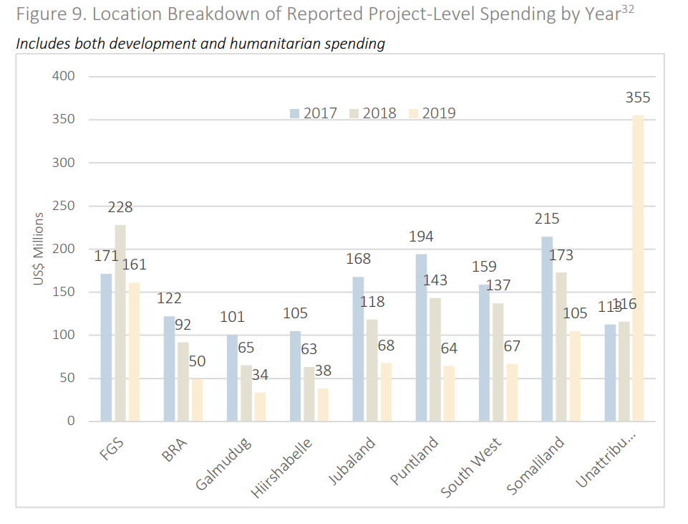
region | 2017 | 2018 | 2019
FGS | 142 | 209 | 214
BRA | 114 | 90 | 171
Galmudug | 89 | 60 | 76
Hiirshabelle | 75 | 62 | 95
Jubaland | 120 | 110 | 171
Puntland | 171 | 132 | 192
South West | 99 | 117 | 151
Somaliland | 170 | 157 | 231
UNATTRIBUTED | 81 | 151 | 226

