Comparison with reference paper
 | Data from Refernce Article |  |  | Data from our analysis
Gene | H2087(V157F) |  | H2087 | H2087(R158L)
 | Fold-change | p-value | |log2Fold-change| | Fold-change | p-value
TP53 | -26.64 | 2.00E-78 | -4.7355221773 | -4.7117138145 | 9.1743711814E-84
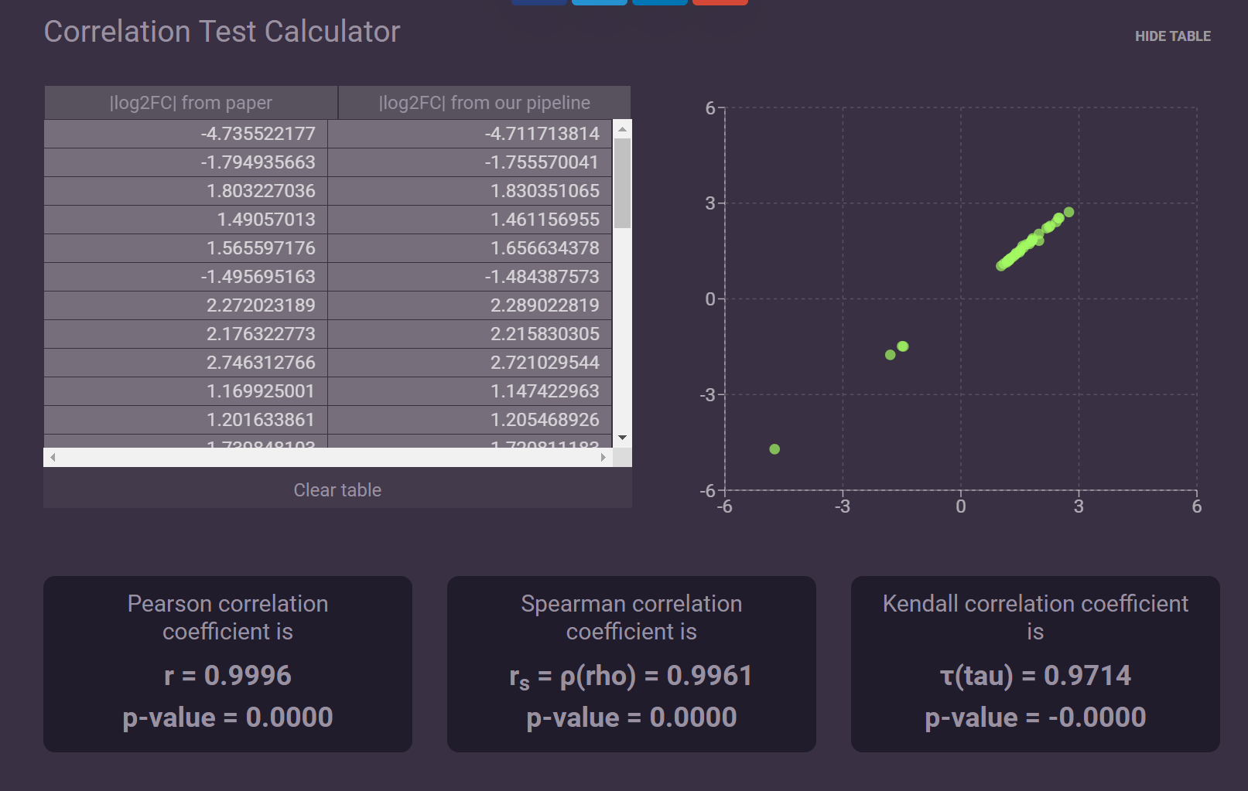
CMTM6 | -3.47 | 1.10E-13 | -1.7949356628 | -1.7555700409 | 7.3072724845E-14
ANXA2 | 3.49 | 6.20E-18 | 1.8032270364 | 1.8303510654 | 5.6727047794E-18
TULP3 | 2.81 | 8.90E-15 | 1.4905701304 | 1.461156955 | 4.3546503108E-11
NIPA1 | 2.96 | 2.50E-13 | 1.5655971759 | 1.6566343785 | 1.4170972087E-14
EFCAB14 | -2.82 | 7.20E-16 | -1.4956951626 | -1.484387573 | 8.2322725766E-12
IL15RA | 4.83 | 2.40E-11 | 2.2720231891 | 2.2890228189 | 2.7768701973E-17
LCLAT1 | 4.52 | 4.00E-21 | 2.1763227726 | 2.2158303053 | 3.6187577174E-19
EFHD2 | 6.71 | 5.40E-40 | 2.7463127664 | 2.7210295442 | 4.1704919528E-41
MYL12B | 2.25 | 6.90E-13 | 1.1699250014 | 1.1474229632 | 3.8644823267E-09
HECA | 2.3 | 9.20E-06 | 1.2016338612 | 1.2054689264 | 1.554659779E-05
PDHX | 3.34 | 2.50E-12 | 1.7398481027 | 1.7208111833 | 2.252174439E-14
ARSJ | 3.43 | 3.10E-23 | 1.7782085764 | 1.7896503027 | 5.7031736529E-19
TNS4 | 5.67 | 4.40E-27 | 2.5033487352 | 2.5334870311 | 1.1745258015E-25
ARPC1A | 2.58 | 8.10E-20 | 1.3673710656 | 1.3637342685 | 2.6267289891E-12
ST3GAL5 | -2.75 | 2.50E-07 | -1.4594316186 | -1.4909912059 | 2.5581449973E-10
TBC1D5 | 3.16 | 2.50E-15 | 1.6599245584 | 1.7072530688 | 3.0678005336E-13
OTUD4 | 2.85 | 2.80E-16 | 1.5109619193 | 1.5199383021 | 2.4882781684E-13
ABCB10 | 3.95 | 2.30E-11 | 1.9818526533 | 2.037512133 | 6.93356303E-12
AREL1 | 2.26 | 9.50E-12 | 1.1763227726 | 1.1831614093 | 4.183735069E-09
CLDN12 | 5.57 | 8.20E-39 | 2.4776773276 | 2.5347431644 | 2.7463615673E-35
KLHL2 | 2.65 | 9.50E-08 | 1.4059923597 | 1.4139872041 | 4.9263705923E-07
CAMSAP2 | 2.37 | 1.80E-12 | 1.2448870591 | 1.2497039601 | 5.2744074976E-10
LPP | 3.01 | 1.30E-09 | 1.589763487 | 1.6046798515 | 4.6151128924E-12
PSG1 | 3.96 | 4.90E-05 | 1.9855004303 | 1.8232796476 | 2.5317544309E-07
CFL2 | 2.13 | 2.80E-07 | 1.0908534305 | 1.1016803091 | 1.5207041762E-06
ELL2 | 5.37 | 1.30E-31 | 2.4249220882 | 2.4113911597 | 4.4402136198E-29
CLOCK | 2.34 | 5.50E-10 | 1.2265085298 | 1.2048968512 | 9.852226928E-08
EFR3A | 2.38 | 6.10E-09 | 1.2509615735 | 1.261282349 | 1.5153955931E-10
YAP1 | 2.03 | 2.00E-11 | 1.0214797274 | 1.0302659746 | 9.7835750683E-08
AKIRIN1 | 2.48 | 1.10E-10 | 1.3103401206 | 1.3087084646 | 4.2660888096E-10
NDRG1 | 2.64 | 1.50E-08 | 1.4005379296 | 1.4324057439 | 1.0250565277E-10
GALNT1 | 3.54 | 3.30E-07 | 1.8237493603 | 1.8941236274 | 8.2527986838E-07
CBL | 2.83 | 3.40E-12 | 1.5008020531 | 1.5157258402 | 1.1550084264E-11
PRKAG2 | 4.73 | 3.50E-22 | 2.2418401836 | 2.2475414206 | 2.9931746916E-20
CAV2 | 3.51 | 2.70E-18 | 1.8114710305 | 1.8343268628 | 5.8738285272E-18

