Report
Performance Report - First Half of 2025
This report summarizes the sales performance and number of employees in each department from January to June 2025.
The development team showed significant growth, while the marketing team experienced a slight decline compared to the previous year.

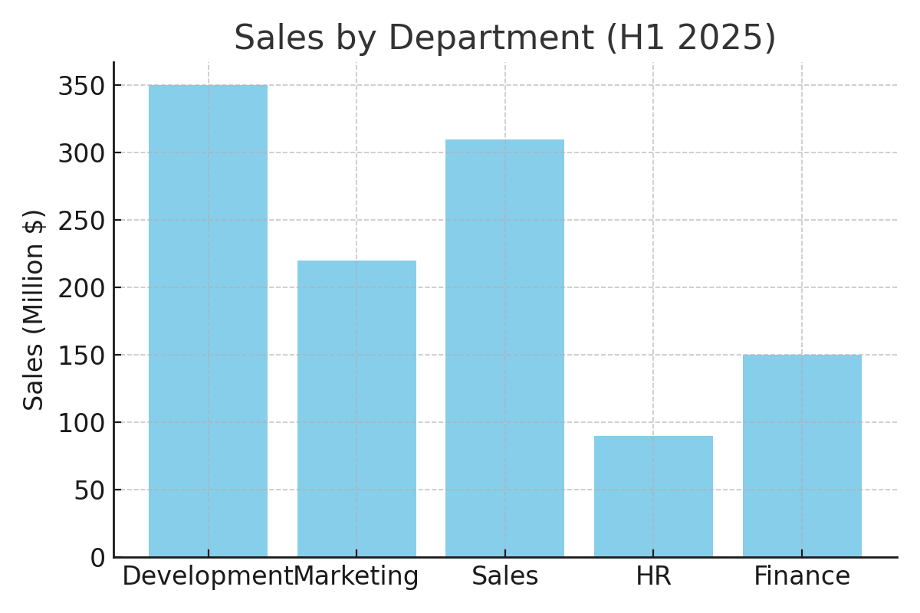
Department | Employees | Sales (Million $) | YoY Change
Development | 12 | 350 | 25%
Marketing | 9 | 220 | -5%
Sales | 11 | 310 | 10%
HR | 5 | 90 | 0%
Finance | 4 | 150 | 5%

