CompanyStats
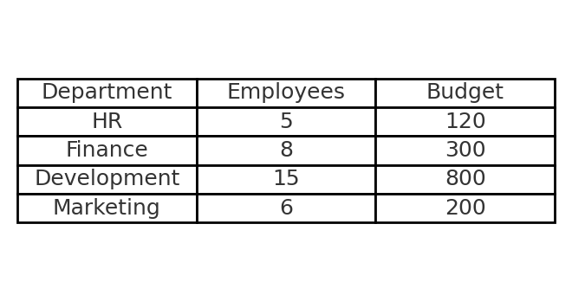
Employees per Department
Department | Employees | Budget
HR | 5 | 120
Finance | 8 | 300
Development | 15 | 800
Marketing | 6 | 200

