Ark1
R2 = R3 = 1k
R2=R3=1k |  | R2=R3=10k |  | R2=R3=3,3k
0 | 0 | 0 | 0 | 0 | 0
5 | 0.888 | 5 | 0.294 | 5 | 0.497
10 | 1.18 | 10 | 0.531 | 10 | 0.796
15 | 1.32 | 15 | 0.73 | 15 | 0.998
20 | 1.41 | 20 | 0.9 | 20 | 1.15
25 | 1.48 | 25 | 1.05 | 25 | 1.26
30 | 1.52 | 30 | 1.19 | 30 | 1.36
35 | 1.56 | 35 | 1.31 | 35 | 1.44
40 | 1.59 | 40 | 1.43 | 40 | 1.52
45 | 1.62 | 45 | 1.54 | 45 | 1.58
50 | 1.65 | 50 | 1.65 | 50 | 1.65

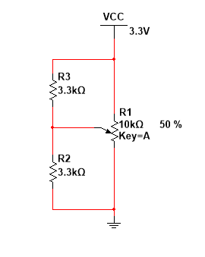
R2 = R3 = 3.3k
R2 = R3 = 10k

