Ark1
 |  |  | CN7 |  |  |  |  |  | CN10 |  |  |  |  |  |  | Six-step commutation
 |  | PC10 | 1 | 2 | PC11 |  | I2C3_SDA | PC9 | 1 | 2 | PC8 |  | For BLDC motor |  | State | PB13 | PB12 | PB11 | PB10 | PB9 | PB8
 |  | PC12 | 3 | 4 | PD2 |  |  | PB8 | 3 | 4 | PC6 |  | Hall | Inverter |  | Q6L | Q5H | Q4L | Q3H | Q2L | Q1H
 |  | VDD | 5 | 6 | E5V |  |  | PB9 | 5 | 6 | PC5 | UART-RS232 |  | PB15 |  | 1 | 0 | 0 | 0 | 1 | 1
 |  | BOOT0 | 7 | 8 | GND | UART-RS232 |  | AVDD | 7 | 8 | U5V | LCD-focus |  | PB14 |  | 0 | 0 | 1 | 0 | 1 | 1
 |  | NC | 9 | 10 | NC |  | LCD-focus | GND | 9 | 10 | NC |  |  | PB13 |  | 0 | 0 | 1 | 1 | 1 | 0
 |  | NC | 11 | 12 | IOREF |  | LD2 | PB13 | 11 | 12 | PA12 | USB DP+ |  | PB12 |  | 1 | 0 | 1 | 1 | 0 | 0
 | SYS_JTMS | PA13 | 13 | 14 | RESET |  |  | PB14 | 13 | 14 | PA11 | USB DM- |  | PB11 |  | 1 | 1 | 1 | 0 | 0 | 0
 | SYS_JTCK | PA14 | 15 | 16 | +3V3 | UART-RS232 |  | PB15 | 15 | 16 | PB12 |  | PC2 | PB10 |  | 1 | 1 | 0 | 0 | 1 | 0
 |  | PA15 | 17 | 18 | +5V | LCD-5V | LCD-BUS | PB6 | 17 | 18 | PB11 |  | PC1 | PB9
 |  | GND | 19 | 20 | GND | LCD-GND |  | PC7 | 19 | 20 | GND | LCD-CTRL-RW | PC0 | PB8 |  | QXH | High side MOSFET transistor
 | LCD-BUS | PB7 | 21 | 22 | GND |  |  | PA9 | 21 | 22 | PB2 |  | IN | OUT |  | QXL | Low side MOSFET transistor
 |  | PC13 | 23 | 24 | VIN |  | I2C3_SCL | PA8 | 23 | 24 | PB1 | LCD-CTRL-E
 |  | PC14 | 25 | 26 | NC |  |  | PB10 | 25 | 26 | PA7 | ADC1_IN15 |  |  |  |  | Only two transistors switched on for each commutation state
 |  | PC15 | 27 | 28 | PA0 |  | LCD-BUS | PB4 | 27 | 28 | PA6 |  |  |  |  | Note! Low side logic is inverted in the Driver chip, thus the '0' for activating low side transistor.
HSE | 16MHz xtal | PF0 | 29 | 30 | PA1 |  | LCD-BUS | PB5 | 29 | 30 | PA5
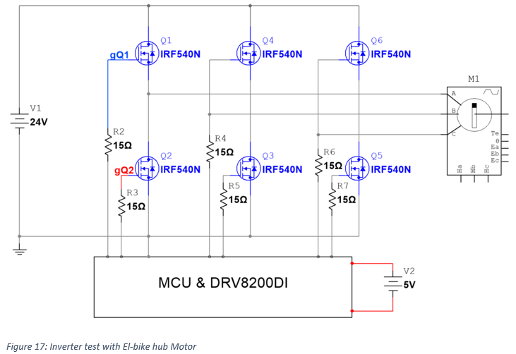
HSE | 16MHz xtal | PF1 | 31 | 32 | PA4 | DAC-OUTPUT |  | PB3 | 31 | 32 | AGND | DAC-ADC-GND
 |  | VBAT | 33 | 34 | PB0 | LCD-CTRL-SR |  | PA10 | 33 | 34 | PC4 | UART-RS232
 |  | PC2 | 35 | 36 | PC1 |  |  | PA2 | 35 | 36 | NC
 |  | PC3 | 37 | 38 | PC0 |  |  | PA3 | 37 | 38 | NC
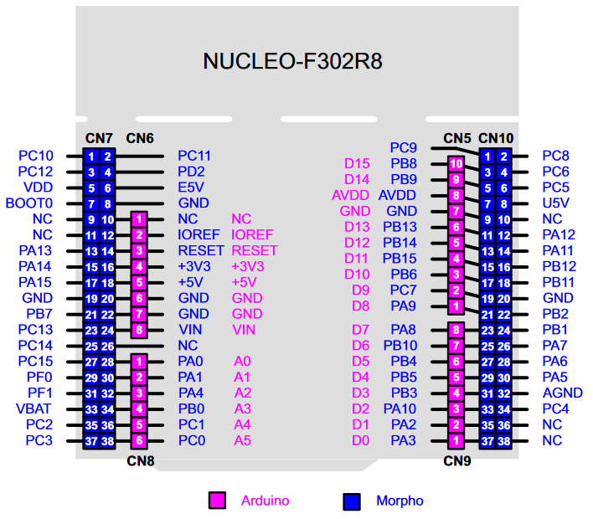
 |  |  |  |  |  | NUCLEO-F302R8

