Sheet1
 | CRS Water Benefit Calculator Data Collection Form |  |  |  |  |  |  | Page 1 of ____
 | General Information |  | Hillside Data |  |  | Plot Data
 | Date: ____________________ |  | Latitude:_________________________________ |  |  | Name:______________________________
 | Name: ___________________ |  | Longitude:_______________________________ |  |  | Slope (%):___________________________
 | Kebele:___________________ |  | Soil Texture1:________________________________ |  |  | Width (m):___________________________
 |  |  | Bulk Density (g/m3):_______________________________ |  |  | Length (m):___________________________
 | Optional Inputs |  | Soil Depth (cm)2:________________________________ |  |  | Residue3:___________________________
 | Infitration Rate (mm/hr):________
 | Soil Organic Matter (%):________ |  |  | Notes:

 | Plot Configuration4 (circle one): Existing / Future Scenario

 | Transect 1 | Transect 2 | Transect 3 | Transect 4 | Transect 5 |  | Transect 6
 | T1 Width(m):_______ | T2 Width(m):_______ | T3 Width(m):_______ | T4 Width(m):_______ | T5 Width(m):_______ |  | T6 Width(m):_______
Cell Length (m) | C1 (m)____ | C1 (m)____ | C1 (m)____ | C1 (m)____ | C1 (m)____ |  | C1 (m)____
 | C2 (m):___ | C2 (m):___ | C2 (m):___ | C2 (m):___ | C2 (m):___ |  | C2 (m):___
 | C3 (m):___ | C3 (m):___ | C3 (m):___ | C3 (m):___ | C3 (m):___ |  | C3 (m):___
 | C4 (m):___ | C4 (m):___ | C4 (m):___ | C4 (m):___ | C4 (m):___ |  | C4 (m):___
 | C5 (m):___ | C5 (m):___ | C5 (m):___ | C5 (m):___ | C5 (m):___ |  | C5 (m):___
 | C6 (m):___ | C6 (m):___ | C6 (m):___ | C6 (m):___ | C6 (m):___ |  | C6 (m):___
 | C7 (m):___ | C7 (m):___ | C7 (m):___ | C7 (m):___ | C7 (m):___ |  | C7 (m):___
 | C8 (m):___ | C8 (m):___ | C8 (m):___ | C8 (m):___ | C8 (m):___ |  | C8 (m):___
 | C9 (m):___ | C9 (m):___ | C9 (m):___ | C9 (m):___ | C9 (m):___ |  | C9 (m):___
 | C10 (m):___ | C10 (m):___ | C10 (m):___ | C10 (m):___ | C10 (m):___ |  | C10 (m):___
 | C11 (m):___ | C11 (m):___ | C11 (m):___ | C11 (m):___ | C11 (m):___ |  | C11 (m):___
 | C12 (m):___ | C12 (m):___ | C12 (m):___ | C12 (m):___ | C12 (m):___ |  | C12 (m):___
 | C13 (m):___ | C13 (m):___ | C13 (m):___ | C13 (m):___ | C13 (m):___ |  | C13 (m):___
 | C14 (m):___ | C14 (m):___ | C14 (m):___ | C14 (m):___ | C14 (m):___ |  | C14 (m):___
 | C15 (m):___ | C15 (m):___ | C15 (m):___ | C15 (m):___ | C15 (m):___ |  | C15 (m):___
 | C16 (m):___ | C16 (m):___ | C16 (m):___ | C16 (m):___ | C16 (m):___ |  | C16 (m):___

 | 1. USDA Textures: sand, loamy sand, sandy loam, loam, silt loam, silt, sandy clay loam, clay loam, silty clay loam, sandy clay, silty clay, and clay 2. Soil Depth represents the depth of the soil profile (from the surface to the parent material, bedrock, or the layer of obstacles for roots) that is readily available for storing infiltrated water. 3. Residue is refers to the crop material that is left in a particular area following harvesting of the crop and is classified at low, medium, or high 4. See Land Cover Key on backside of form for filling in Transect Cells

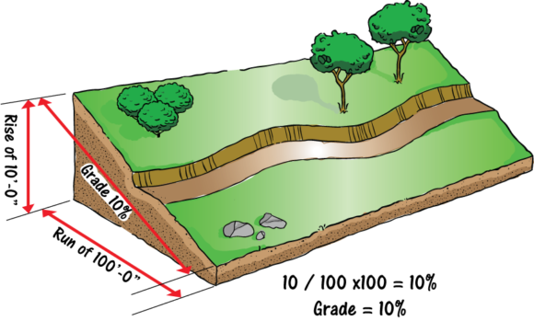
CRS WBC Landuse Codes |  |  | Calculate Slope/Grade
These codes are shorthand for filling in transect cells on the WBC Data Collection Form
Bare Soil |  | BS
Ground Cover (<10%) |  | GC10
Ground Cover (10-20%) |  | GC20
Ground Cover (20-30%) |  | GC30
Ground Cover (30-40%) |  | GC40
Ground Cover (40-50%) |  | GC50
Ground Cover (50-60%) |  | GC60 | A. Bottom of plot elevation: ___________
Ground Cover (60-70%) |  | GC70 | B. Top of plot elevation:______________
Ground Cover (70-80%) |  | GC80 | C. Distance between elevation points:________
Ground Cover (80-90%) |  | GC90
Ground Cover (90-100%) |  | GC100 | Slope = (B-A)/C x 100%
Maize/Sorghum |  | MS | Slope:__________
Small Grain |  | SG
Chat |  | CH
Bench+Maize/Sorghum |  | BMS
Bench+ Small Grain |  | BSG
Bench+Chat |  | BCH
Trees (young) |  | TY
Trees (mature) |  | TM
Microbasin (young) |  | MY
Microbasin (mature) |  | MB
Grass Strip |  | GS
Panting Pit |  | PP
Level Fanya Juu |  | FJ
Bund (Rock) |  | BR
Bund (Grass) |  | BG
Private (Bare Soil) |  | PBS
Private (Residue) |  | PR
Private (Residue+y. crops) |  | PRYC
Private (Residue+m. crops) |  | PRMC

