Details
Info | Minutes of Meeting Template helps you to track the points discussed and agreed in project or team meetings. You can change the default data and formula to meet your needs.

Usage | We generally use MOM template in every meeting related to a project or team discussions. It helps Customers/ Stakeholders and project team to understand points discussed in the meetings and use it as reference documents for the next meeting. This will also act as reference document for the development team while delivering the outputs as per the point agreed in the meetings.

Project Cost Estimation Template is a Free and lite version of ANALYSISTABS' Project Management Templates. Please feel free to use, modify and share with your coleagues. |  | Please check our Premium Templates Bundle, all you need for effective project planning, management and presentations. Our premium templates are powerfull, easy to customize and unique in style. Please visit analysistabs.com and grab our powerfull templates for nominal cost.

Templates By ANALYSISTABS.For more templates and tools, please visit us: |  |  | https://www.analysistabs.com/
Premium Templates
Visit Our BLOG
ANALYSISTABS.COM

Project Management Templates
Ultimate Project Plan Advanced Excel Template
The Most Powerful Project Planning Template on the Market
View Details 4

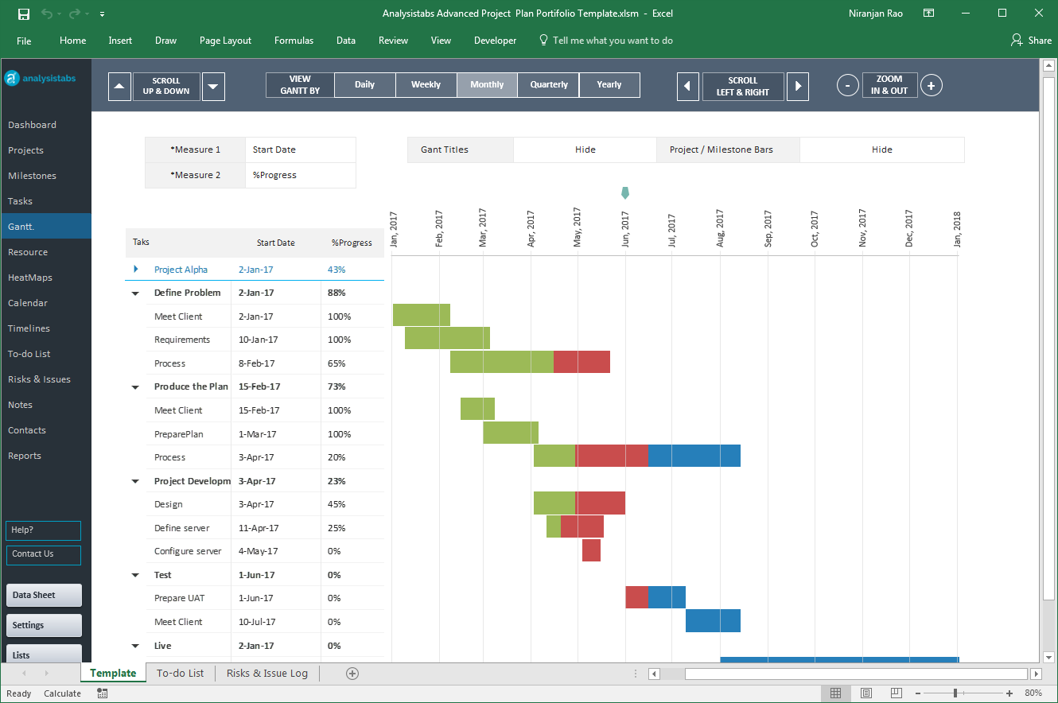

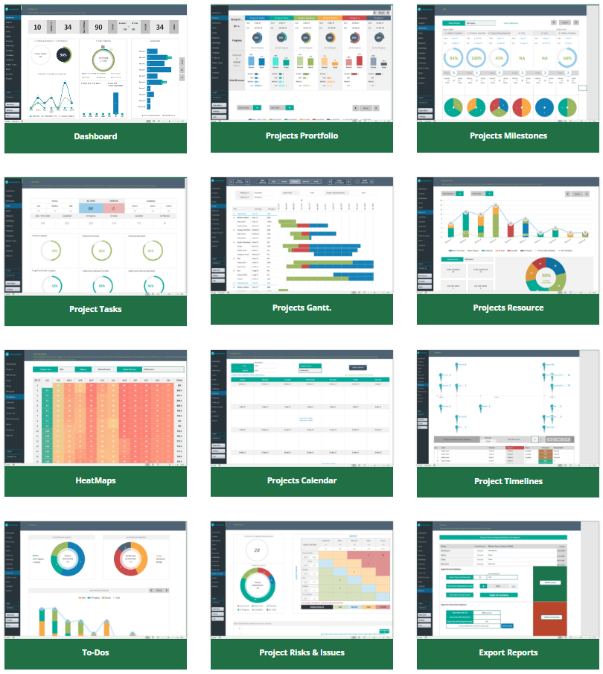

Our Most Popular Project Management Templates
Excel Templates | PowerPoint Templates | MS Word Templates
Browse All Templates4

