ADF
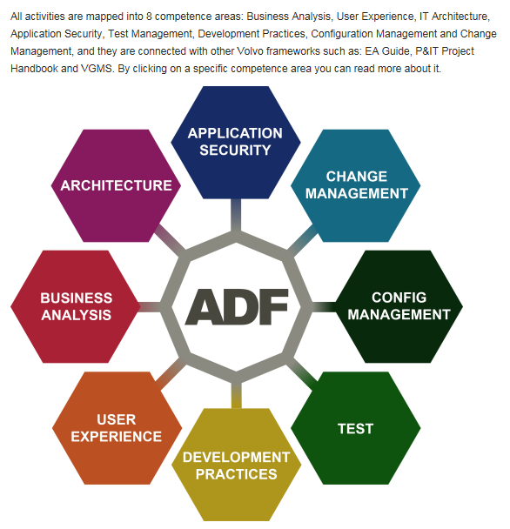
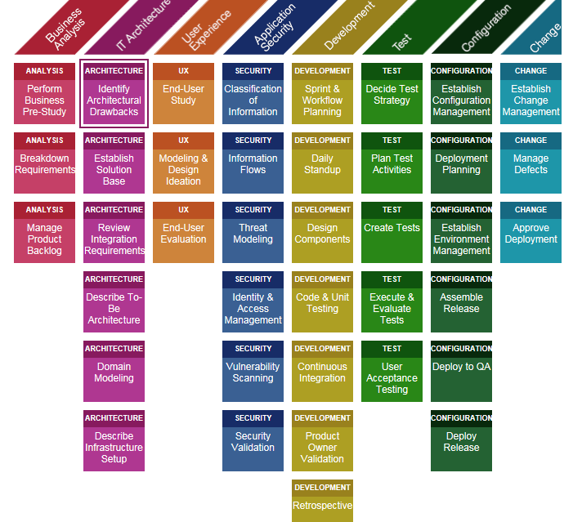
ADF - APPLICATION DEVELOPMENT FRAMEWORK
Links: | http://adf.it.volvo.net/compentence_areas.html | http://adf.it.volvo.net/activity_table.html

