Descriptions and Details
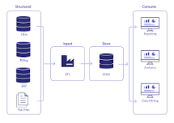
https://www.google.com/search?q=databricks&rlz=1C5GCEM_enUS1035US1035&oq=databricks&gs_lcrp=EgZjaHJvbWUyBggAEEUYOdIBCTMxMjlqMGoxNagCCLACAQ&sourceid=chrome&ie=UTF-8#:~:text=What%20is%20Databricks,data%20warehouse.
What is Databricks vs snowflake?

Although Databricks and Snowflake have a similar design, architecture, and support analytics, they aren't quite the same. Snowflake replaces legacy data warehouses and supports ELT, while Databricks offers a data processing engine powered by Spark that is used with the data warehouse.

