CCNA - NAT (Static NAT)
Network Address Translation:
NAT (Network Address Translation) is a technique used in networking to modify network address information in the IP header of packets while they are in transit across a traffic routing device. NAT allows multiple devices on a local network to be mapped to a single public IP address (or a smallpool of public IP addresses) and helps improve security and decrease the number of IP addresses an organization needs.

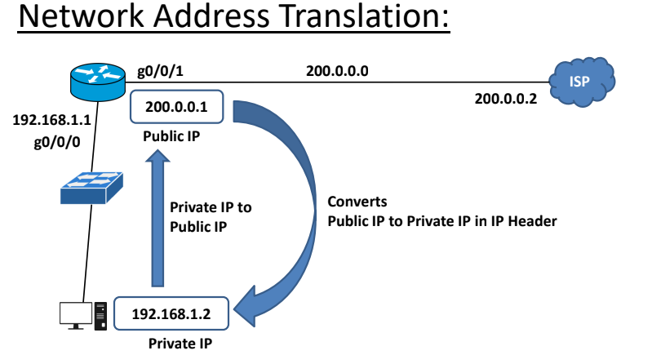

Key Purposes of NAT:
IP Address Conservation: NAT allows multiple devices on a
private network to share a single public IP address for
accessing the Internet. This is essential in conserving the
limited supply of IPv4 addresses.
Security: By hiding internal IP addresses, NAT provides a
layer of security by making the internal network structure
less visible to external entities.
Routing Flexibility: NAT allows private IP addresses to be
used internally, enabling network administrators to change
internal IP addresses without affecting external
communication.

Types of NAT: | Types of NAT: | Types of NAT:

1.Static NAT (SNAT): | 2.Dynamic NAT (DNAT): | 2.Port Address Translation (PAT) or Overloading:

One-to-One Mapping: | Many-to-Many Mapping: | Many-to-One Mapping:
Static NAT provides a one-to-one mapping between a private IP address and a public IP address. | Dynamic NAT maps private IP addresses to a pool of public IP addresses on a first-come, first-served basis. | Also known as "NAT overload," PAT maps multiple private IP addresses to a single public IP address using different ports.

Use Case: Useful for devices that need to be accessible from outside the network, such as web servers or email servers. | Use Case: Useful when there are more internal devices than available public IPs, but not all devices need simultaneous access to the internet. | Use Case: The most common form of NAT, used to enable multiple devices on a local network to access the internet using a single public IP address.

Static NAT (SNAT) LAB (Packet Tracer) | Dynamic NAT (DNAT) LAB (Packet Tracer) | Dynamic NAT Overload (PNAT) LAB (Packet Tracer)
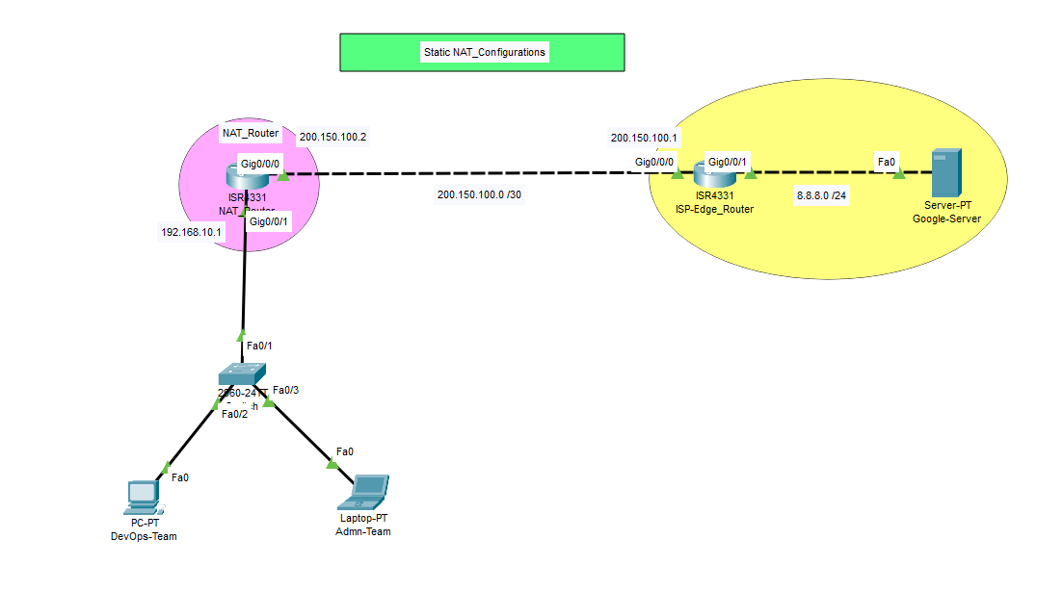 | 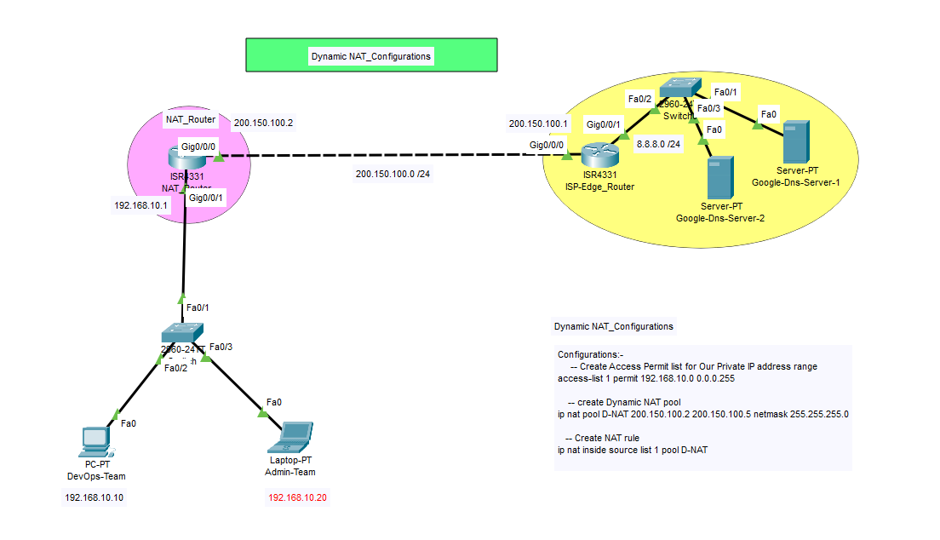 | 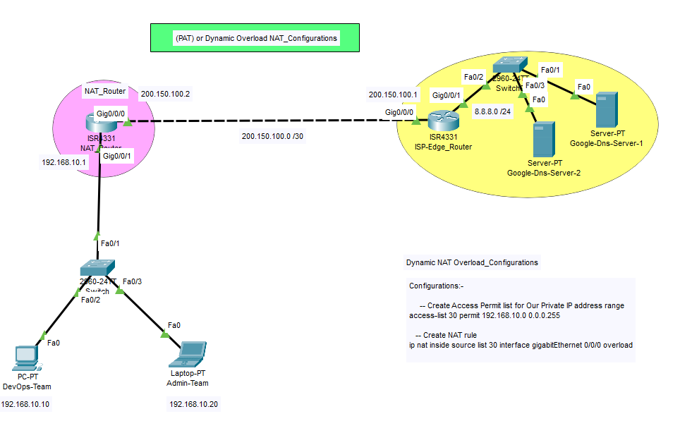

Steps:- | Steps:- | Steps:-
1.Create and Setup as per topology Diagram to virtually connect your Packet tracer Lab. | 1.Create and Setup as per topology Diagram to virtually connect your Packet tracer Lab. | 1.Create and Setup as per topology Diagram to virtually connect your Packet tracer Lab.

2.Configure NAT_router Interfaces Gi0/0/0 and Gi0/0/1 and assign Ip address on both interfaces. | 2.Configure NAT_router Interfaces Gi0/0/0 and Gi0/0/1 and assign Ip address on both interfaces. | 2.Configure NAT_router Interfaces Gi0/0/0 and Gi0/0/1 and assign Ip address on both interfaces.

3.Configure IP Configurations of Both DevOps Team -PC and Admin-PC ( example Devops IP:-192.168.10.10 Admin IP :- 192.168.10.20 , Default Gateway :-192.168.10.1 ) | 3.Configure IP Configurations of Both DevOps Team -PC and Admin-PC ( example Devops IP:-192.168.10.10 Admin IP :- 192.168.10.20 ,Default Gateway :-192.168.10.1 ) | 3.Configure IP Configurations of Both DevOps Team -PC and Admin-PC ( example Devops IP:-192.168.10.10 Admin IP :- 192.168.10.20 Default Gateway :-192.168.10.1 )
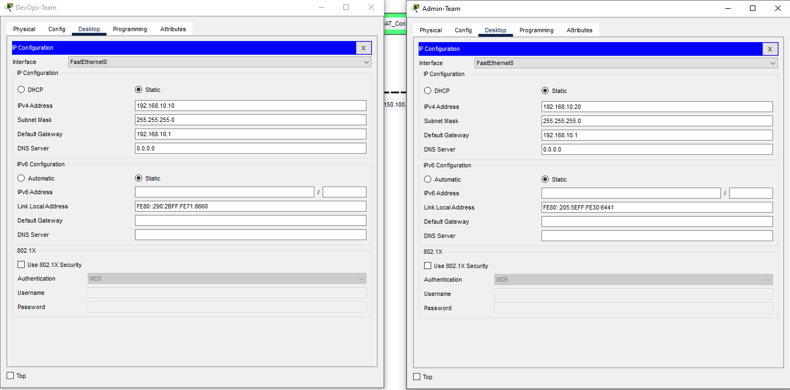

4.Configure ISP_router Interfaces Gi0/0/0 and Gi0/0/1 and assign Ip address on both interfaces. | 4.Configure ISP_router Interfaces Gi0/0/0 and Gi0/0/1 and assign Ip address on both interfaces. | 4.Configure ISP_router Interfaces Gi0/0/0 and Gi0/0/1 and assign Ip address on both interfaces.

 | 5.ADD Server and Configure IP Configuration Name Google Dns-server-1 IP:-8.8.8.8 Default Gateway :-8.8.8.1 Google Dns-server-2 IP:-8.8.8.4 Default Gateway :-8.8.8.1 | 5.ADD Server and Configure IP Configuration Name Google Dns-server-1 IP:-8.8.8.8 Default Gateway :-8.8.8.1 Google Dns-server-2 IP:-8.8.8.4 Default Gateway :-8.8.8.1
5.ADD Server and Configure IP Configuration Name Google server IP:-8.8.8.8 Default Gateway :-8.8.8.1 | 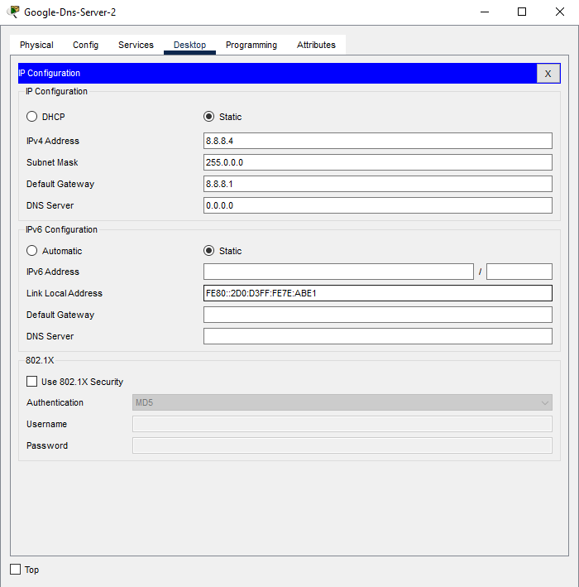
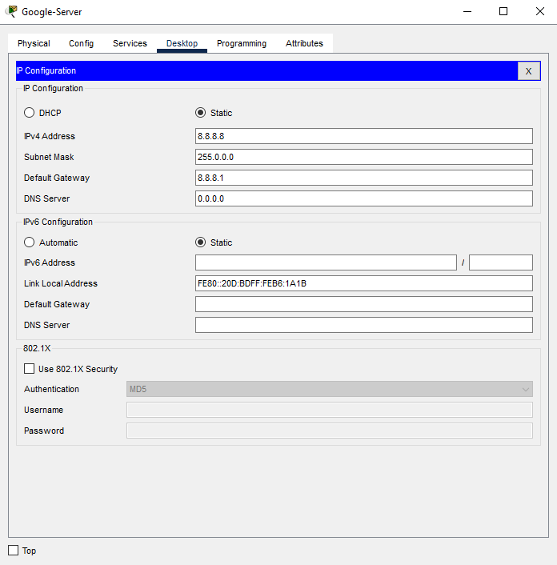

 | 6.ADD Default Route on NAT_Router | 6.ADD Default Route on NAT_Router
6.ADD Default Route on NAT_Router

 | 7.Real Time ISP_Router Using Dynamic Route in this we Configure Manually. ( I'm Using OSPF) | 7.Real Time ISP_Router Using Dynamic Route in this we Configure Manually. ( I'm Using OSPF)
7.Real Time ISP_Router Using Dynamic Route in this we Configure Manually. ( I'm Using OSPF)

8.Add NAT Configuration in NAT_Router | 8.Add NAT Configuration in NAT_Router | 8.Add NAT Configuration in NAT_Router
NAT Inside & Outside Define Command:- | NAT Inside & Outside Define Command:- | NAT Inside & Outside Define Command:-
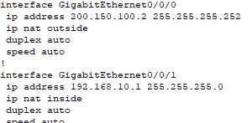 interface GigabitEthernet0/0/0 ip address 200.150.100.2 255.255.255.252 ip nat outside end interface GigabitEthernet0/0/1 ip address 192.168.10.1 255.255.255.0 ip nat inside end | interface GigabitEthernet0/0/0 ip address 200.150.100.2 255.255.255.252 ip nat outside end interface GigabitEthernet0/0/1 ip address 192.168.10.1 255.255.255.0 ip nat inside end | interface GigabitEthernet0/0/0 ip address 200.150.100.2 255.255.255.252 ip nat outside end interface GigabitEthernet0/0/1 ip address 192.168.10.1 255.255.255.0 ip nat inside end
NAT Enable Command:- | -- Create Access Permit list for Our Private IP address range | -- Create Access Permit list for Our Private IP address range
ip nat inside source static 192.168.10.10 200.150.100.2 | access-list 1 permit 192.168.10.0 0.0.0.255 | access-list 30 permit 192.168.10.0 0.0.0.255

 | -- create Dynamic NAT pool | NAT Enable Command:-
 | ip nat pool D-NAT 200.150.100.2 200.150.100.5 netmask 255.255.255.0 | ip nat inside source list 30 interface gigabitEthernet 0/0/0 overload
9.Verify Out ICMP Packet Send & Receive with Using Instead of Public IP address
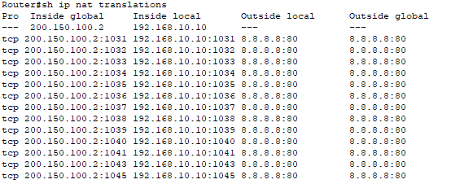 | NAT Enable Command:-
 | ip nat inside source list 1 pool D-NAT

 | 9.Verify Out ICMP Packet Send & Receive with Using Instead of Public IP address | 9.Verify Out ICMP Packet Send & Receive with Using Instead of Public IP address
 | 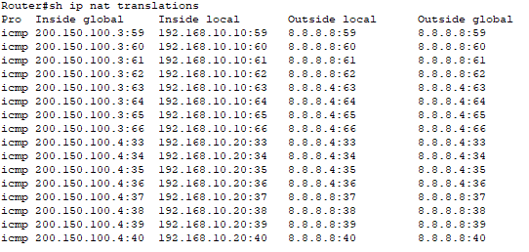 | 