Sheet1
x | y |  | xi-mean | yi-mean | D*E | (xi-mean)2
1 | 2 |  | -1.5 | -5.75 | 8.625 | 2.25
2 | 4 |  | -0.5 | -3.75 | 1.875 | 0.25
3 | 9 |  | 0.5 | 1.25 | 0.625 | 0.25
4 | 16 |  | 1.5 | 8.25 | 12.375 | 2.25
 |  |  | 0 | 0 | 23.5 | 5 | 4.7
10 | 31 | total
2.5 | 7.75 | mean
 |  |  | -2.5

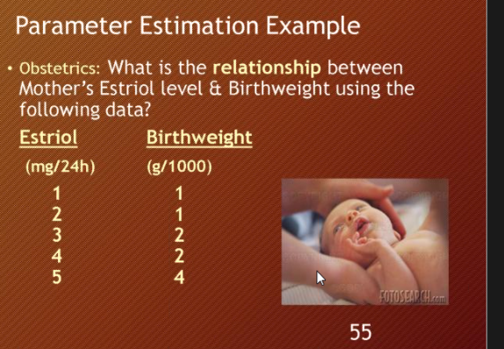

 |  |  |  |  |  |  |  | sqr(J) | y-yi | y | Estriol(x) | Birthweight (y) | xy | Xsqr
 |  |  |  |  |  |  |  | 0.16 | 0.4 | 0.6 | 1 | 1 | 1 | 1
 |  |  |  |  |  |  |  | 0.49 | 0.7 | 1.3 | 2 | 1 | 2 | 4
 |  |  |  |  |  |  |  | 1 | 1 | 2 | 3 | 2 | 6 | 9
 |  |  |  |  |  |  |  | 1.69 | 1.3 | 2.7 | 4 | 2 | 8 | 16
 |  |  |  |  |  |  |  | 2.56 | 1.6 | 3.4 | 5 | 4 | 20 | 25
 |  |  |  |  |  |  |  | 5.9 | 5 |  | 15 | 10 | 37 | 55

 |  |  |  |  |  |  |  |  |  |  | 37 | 150
 |  |  |  |  |  |  |  |  |  |  |  | 5

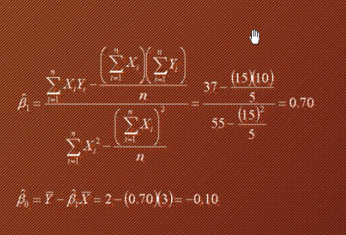
 |  |  |  |  |  |  |  | RMSE |  | MAE
 |  |  |  |  |  |  |  | 1.18 |  | 1
 |  |  |  |  |  |  |  | 1.0862780491

 |  |  |  |  |  |  |  |  | 0.16

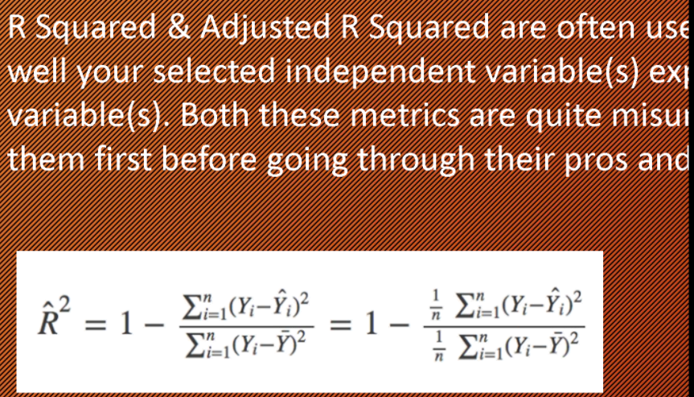

R(sqr) | 1-R(sqr) | n-1 | n-k-1
1- | 1- | 4 | 3

