FT_0016
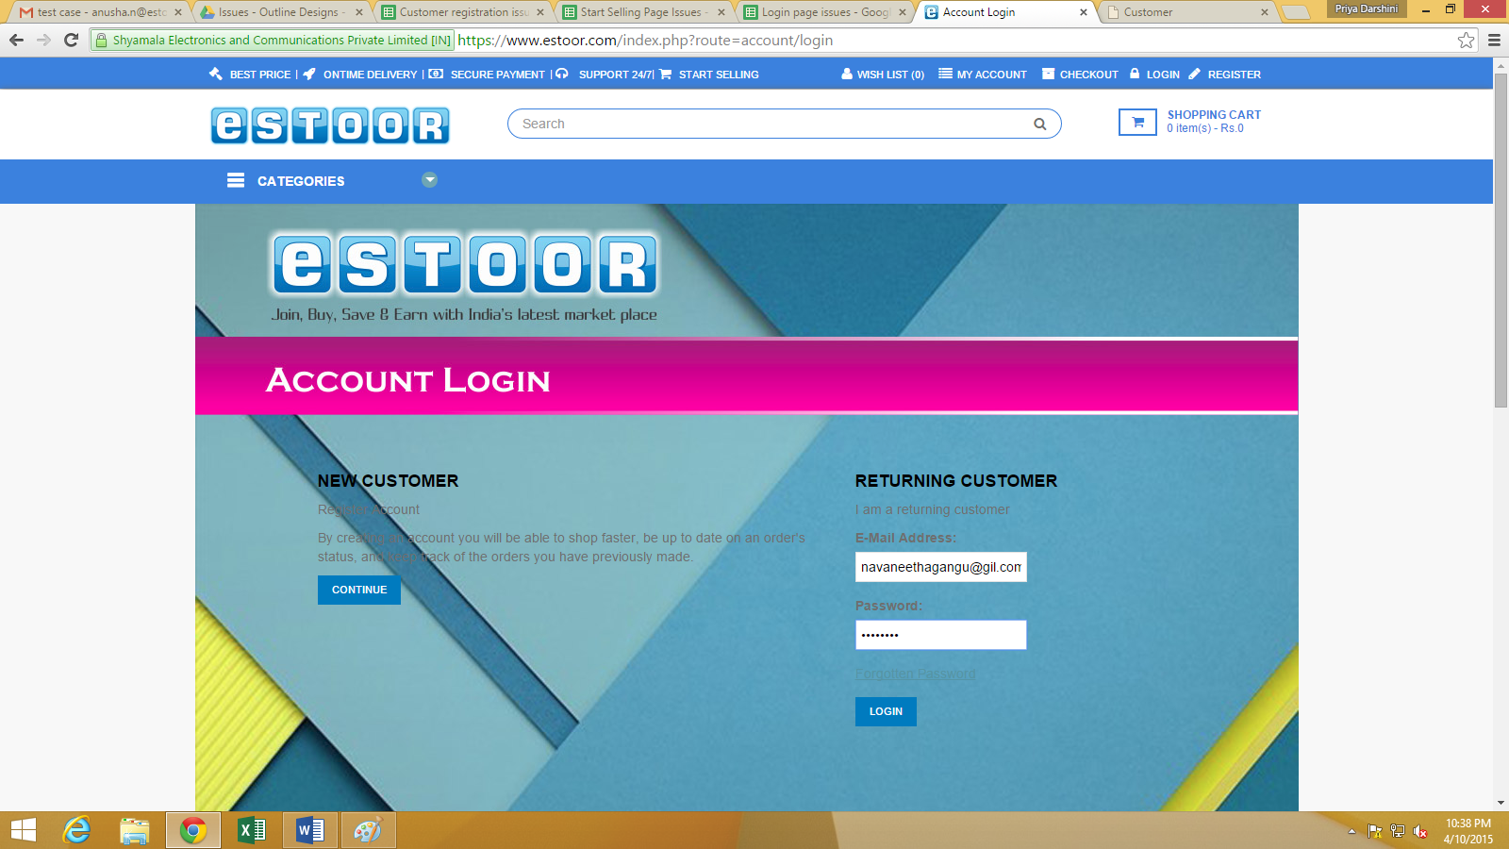
 | Project Name: | eSTOOR | Test Designed by: | Anusha
 |  |  | Test Designed date: | 2015-10-04
 |  |  | Test Executed by:
 |  |  | Test Execution date:

Requirement Id | Scenario | Test case name | Test Steps | Expected Result | Actual Result | Test Pass/Fail
FT_0016 | 1.When invalid details are given in Login form,it should not be proceed | Validate the details of Login form | 1.open www.estoor.com | When invalid details are given in Login form,it should not proceed | it doesn’t recognise any error when invalid data is given and it | Fail
 |  |  | 2.Select LOGIN from top bar on the homepage |  | starts processing to the next step without displaying the warning
 |  |  | 3.Enter invalid details in the Login form
 |  |  | 4.Click on LOGIN button

Bug_Id | Description | Steps to reproduce | Severity | Priority
BI_0016 | Bug detected @ LOGIN Form for customer | 1.open www.estoor.com | Medium | Medium
 |  | 2.Select LOGIN from top bar on the homepage
 |  | 3.Enter invalid details in the Login form
 |  | 4.Click on LOGIN button

FT_0018
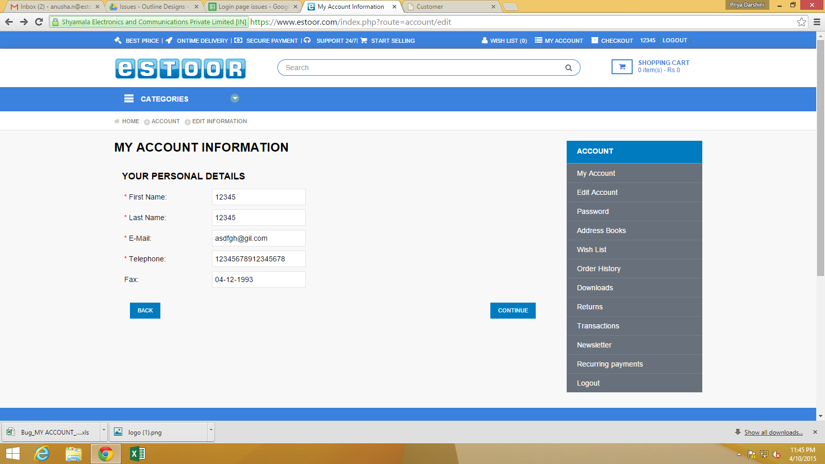
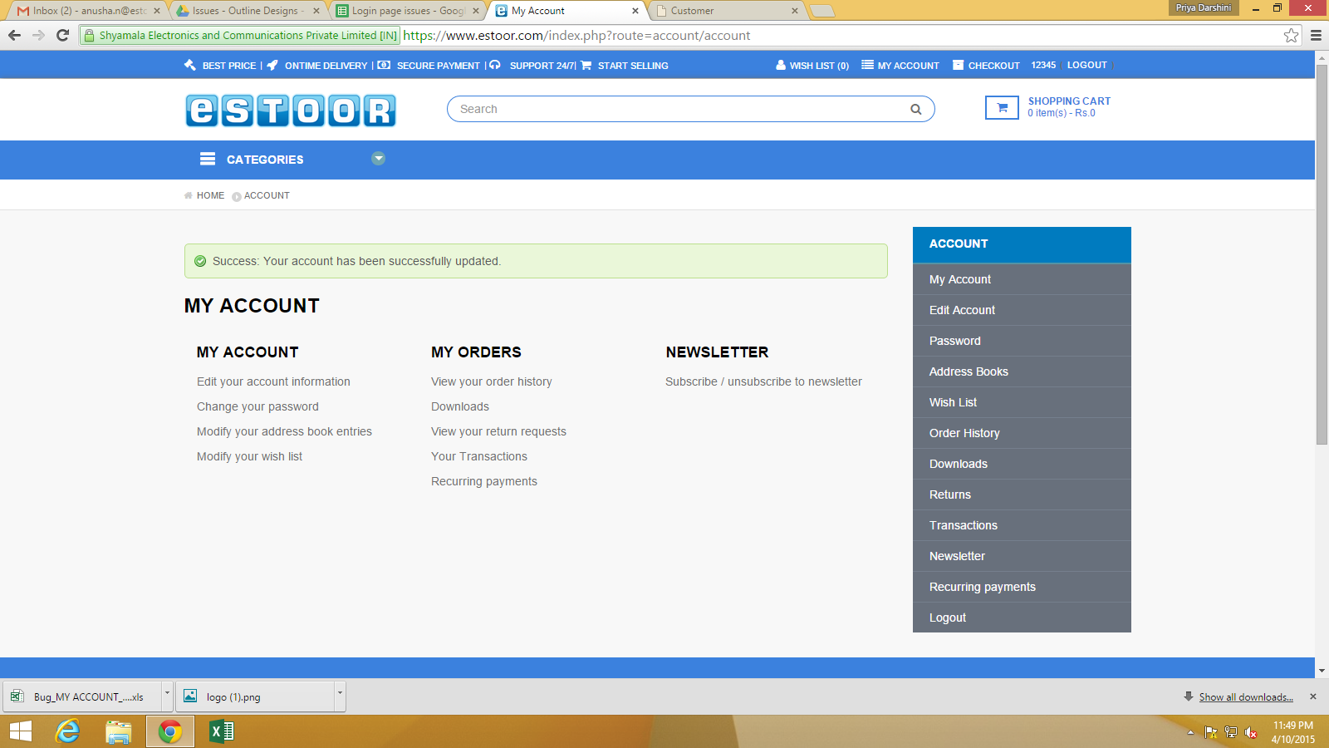
 | Project Name: | eSTOOR | Test Designed by: | Anusha
 |  |  | Test Designed date: | 2015-10-04
 |  |  | Test Executed by:
 |  |  | Test Execution date:

Requirement Id | Scenario | Test case name | Test Steps | Expected Result | Actual Result | Test Pass/Fail
FT_0018 | When invalid details are given in "MY ACCOUNT INFORMATION" form | Validate the details of 'MY ACCOUNT INFORMATION' form | 1.open www.estoor.com | When invalid details are given in "MY ACCOUNT INFORMATION" form | Enter invalid details in "MY ACCOUNT INFORMATION" form,it starts | Fail
 | it should not proceed |  | 2.Select 'MY ACCOUNT' from top bar on the homepage | it should not proceed | processing to next step without displaying the warning
 |  |  | 3.Go to 'MY ACCOUNT' and click on "Edit your account information"
 |  |  | 4.Enter invalid details in 'MY ACCOUNT INFORMATION' form
 |  |  | 5.Click on 'CONTINUE' button

Bug_Id | Description | Steps to reproduce | Severity | Priority
BI_0018 | Bug detected @ Edit your account information in 'MY ACCOUNT' for customer | 1.open www.estoor.com | Medium | Medium
 |  | 2.Select 'MY ACCOUNT' from top bar on the homepage
 |  | 3.Go to 'MY ACCOUNT' and click on "Edit your account information"
 |  | 4.Enter invalid details in 'MY ACCOUNT INFORMATION' form
 |  | 5.Click on 'CONTINUE' button

FT_0020
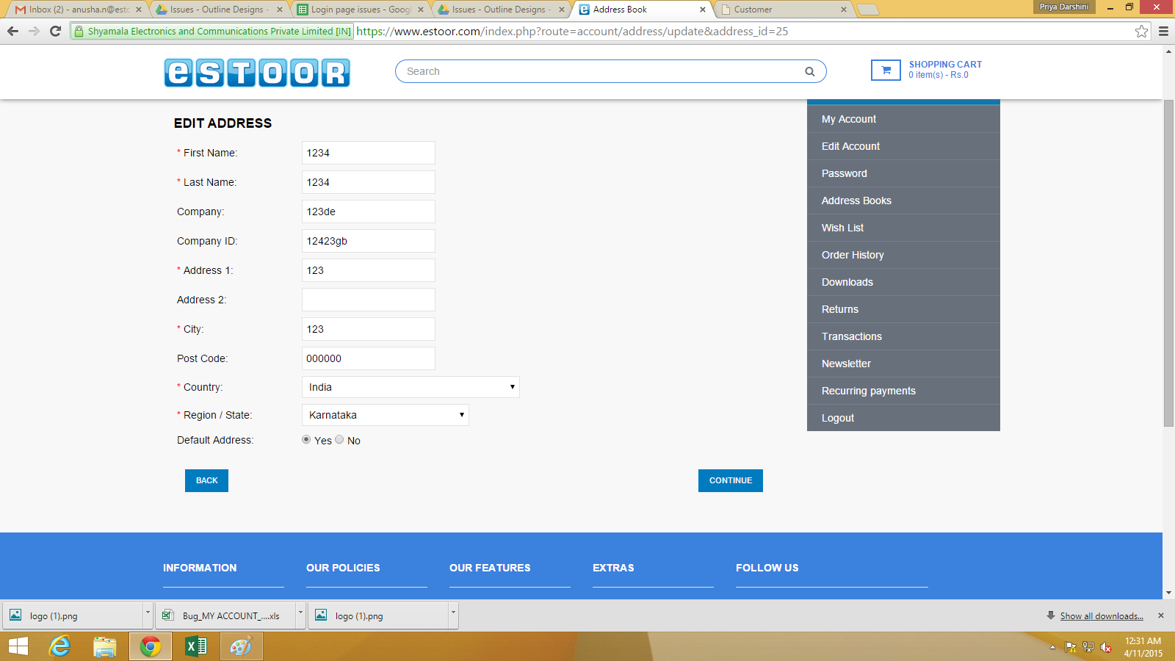
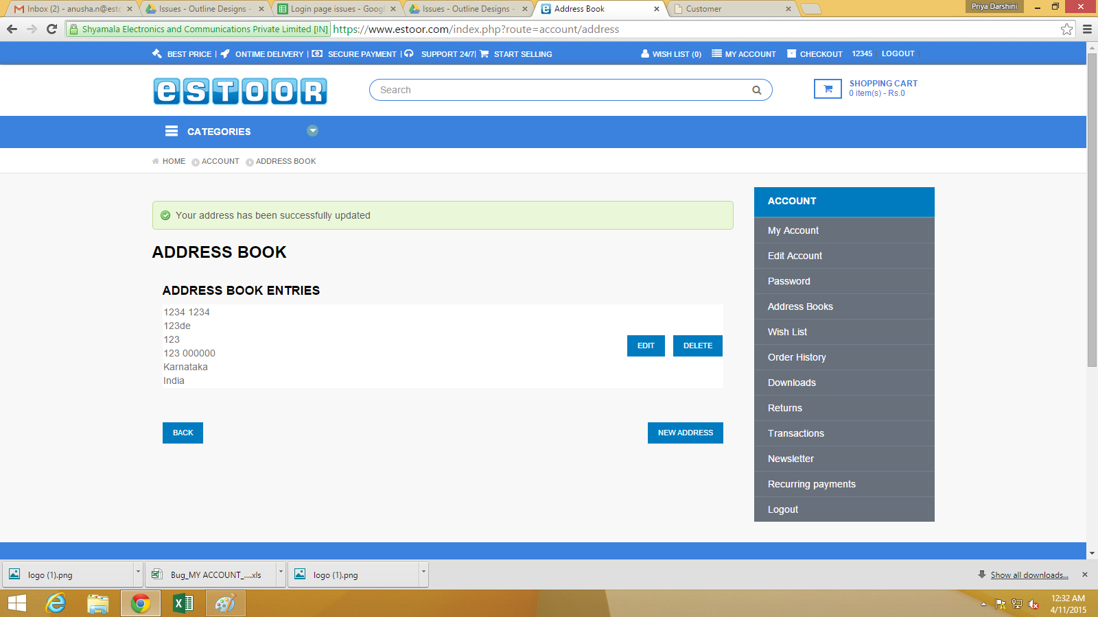
 | Project Name: | eSTOOR | Test Designed by: | Anusha
 |  |  | Test Designed date: | 2015-10-04
 |  |  | Test Executed by:
 |  |  | Test Execution date:

Requirement Id | Scenario | Test case name | Test Steps | Expected Result | Actual Result | Test Pass/Fail
FT_0020 | When invalid details are given in "EDIT ADDRESS" form of Address Book, | Validate the details of 'EDIT ADDRESS' form of Address Book | 1.open www.estoor.com | When invalid details are given in"EDIT ADDRESS" form of Address Book, | Enter invalid details in "EDIT ADDRESS" form of Address Book,it does go to the | Fail
 | it should not proceed. |  | 2.Select 'MY ACCOUNT' from top bar on the homepage | it should not proceed. | respective page without displaying the warning.
 |  |  | 3.Go to 'MY ACCOUNT' and click on "Modify your address book entries"and click on 'EDIT/NEW ADDRESS'
 |  |  | 4.Enter invalid details in "EDIT ADDRESS" form of Address Book
 |  |  | 5.Click on 'CONTINUE' button

Bug_Id | Description | Steps to reproduce | Severity | Priority
BI_0020 | Bug detected @ Modify your address book entries in 'MY ACCOUNT' for customer | 1.open www.estoor.com | Medium | Medium
 |  | 2.Select 'MY ACCOUNT' from top bar on the homepage
 |  | 3.Go to 'MY ACCOUNT' and click on "Modify your address book entries"and click on 'EDIT/NEW ADDRESS'
 |  | 4.Enter invalid details in "EDIT ADDRESS" form of Address Book
 |  | 5.Click on 'CONTINUE' button

FT_0021
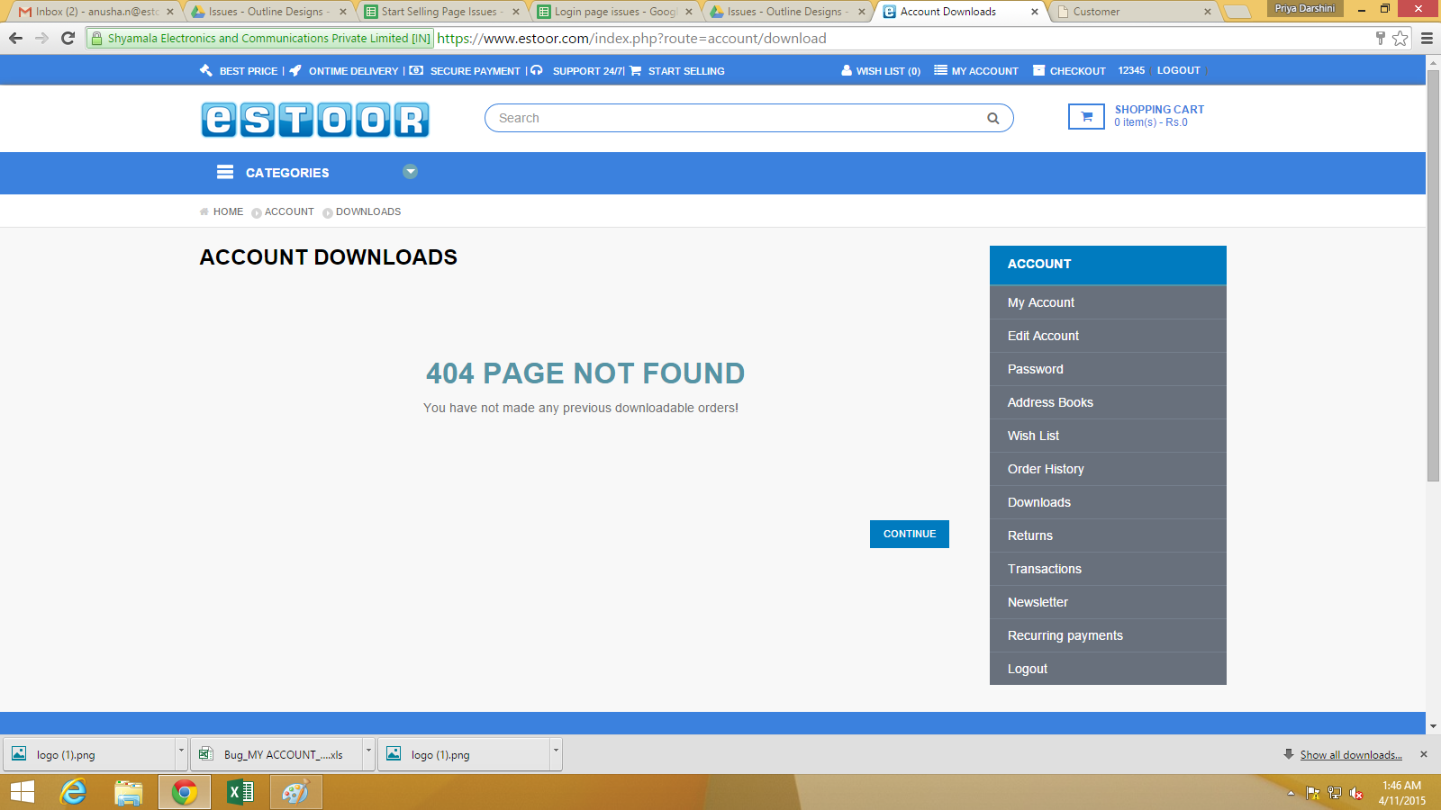
 | Project Name: | eSTOOR | Test Designed by: | Anusha
 |  |  | Test Designed date: | 2015-10-04
 |  |  | Test Executed by:
 |  |  | Test Execution date:

Requirement Id | Scenario | Test case name | Test Steps | Expected Result | Actual Result | Test Pass/Fail
FT_0021 | When click on 'Downloads' in 'MY ORDERS' of 'MY ACCOUNT' ,then it | Trying to redirected to the respective page when click on 'Downloads'. | 1.open www.estoor.com | When click on 'Downloads' it should go to the respective page | When click on 'Downloads',it doesn't go to the respective page | Fail
 | should go to the respective page. |  | 2.Select 'MY ACCOUNT' from top bar on the homepage
 |  |  | 3.Go to 'MY ORDERS' and click on 'Downloads'

Bug_Id | Description | Steps to reproduce | Severity | Priority
BI_0021 | Bug detected @ Downloads in 'MY ORDERS' | 1.open www.estoor.com | Medium | Medium
 |  | 2.Select 'MY ACCOUNT' from top bar on the homepage
 |  | 3.Go to 'MY ORDERS' and click on 'Downloads'

