Information
Dates refer to the academic year.
There is no scorecard for Dorset (838) and Bournemouth, Christchurch and Poole (839) as they are new local authorities, following changes to LA boundaries in this region in April 2019. As these two new local authorities are not directly comparable with their pre LGR 2019 local authorities, we were unable to produce complete figures for the majority of individual indictors included in the School Places Scorecard, however the relevant data for these pre and post LGR 2019 local authorities are included in the England data and Summary data tabs.

How to use the School Places Scorecard
1. Select whether you wish to view England data or data for an individual Local Authority: Selecting the arrow in this box opens a list of local authorities and the national (England) option. Scroll using the bar to the right of the list to the local authority of choice. Alternatively click in the box and type the name of the local authority whose data you wish to view.
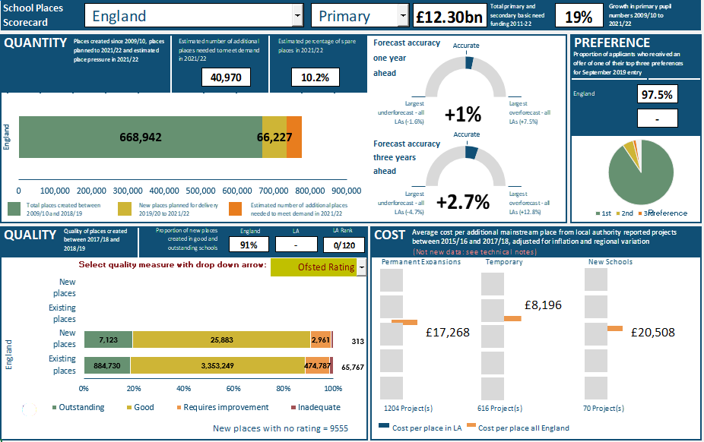
BANNER Shows the total basic need funding allocation and the growth in pupil numbers since 2009/10 for the selected phase.

QUANTITY
This measure shows 1) how many places have been created since 2009/10 and how many further places are firmly planned to 2021/22; 2) the estimated number of additional places needed to meet demand in 2021/22 and the estimated percentage of spare places; 3) the accuracy of 2018/19 pupil number forecasts, made one year previously and three years previously.
PREFERENCE
This measure shows the proportion of applicants who received an offer of a place in one of their top three preferences for Sept 2019 entry. The chart shows the proportions of applicants offered a place in their first, second and third choices.

2. Select the phase of education for which you wish to view the data: Select the arrow in this box to bring up a selection of 'Primary' or 'Secondary'.

QUALITY
This measure shows the quality of the places created between 2017/18 and 2018/19 in the selected local authority (e.g. Ofsted rating). This is compared to the quality of existing places in the selected local authority and the overall picture in England.
COST
This measure shows the average cost per place of creating new mainstream places in permanent expansions, temporary expansions and new schools. Adjustments have been applied for inflation and region. Each square box represents a quintile, and the bars represent the position of a local authority within the respective quintile and the mean cost per place for England.
Average costs are based on projects that provided places for academic years 2015/16 – 2017/18 (see technical notes).

3. Select the quality measure you would like to view: Select the arrow here to bring up a selection of 'Ofsted Rating', KS2 'Maths Progress', KS2 'Reading Progress' or KS4 'Progress 8 Score'. Please note that KS2 progress measures are not applicable for secondary and KS4 Progress 8 score is not applicable for primary.

Scorecard
School Places Scorecard

Accurate
 | 0.032547173482
 | 0.21745282652
 | 0.75
 | 0.75
 | 0.25
 | 0
QUANTITY |  | Forecast accuracy |  |  |  |  | PREFERENCE
 |  | one year
 |  | ahead
England | 668942 | 66227 | 40970

Accurate
1st | 90.6
2nd | 5.4
3rd | 1.5
 | 2.5
 | 0.75
 | 0.25
 | 0
 | 0.052131434157
 | 0.19786856584
 | 0.75
 |  | Forecast accuracy
 |  | three years
 |  | ahead
=

 |  |  |  |  |  |  | Preference

QUALITY |  | COST

 | Region
2 | 3.427840723 | 1 | 1 | 1 | -1 | 2 | -1
 |  | 1 | 2
 |  | 1 | 3
 |  | 1 | 4
 |  | 1 | 5
 | Region
2 | 3.7002944438 | 1 | 1 | 1 | -1 | 2 | -1
 |  | 1 | 2
 |  | 1 | 3
 |  | 1 | 4
 |  | 1 | 5
 | Region
2 | 3.2113326312 | 1 | 1 | 1 | -1 | 2 | -1
 |  | 1 | 2
 |  | 1 | 3
 |  | 1 | 4
 |  | 1 | 5
Select quality measure with drop down arrow:
 |  | Outstanding | Good | Requires improvement | Inadequate
Existing places | 0 | 884730 | 3353249 | 474787 | 65767
New places | 0 | 7123 | 25883 | 2961 | 313
Existing places | 0 | 0 | 0 | 0 | 0
New places | 0 | 0 | 0 | 0 | 0

 |  |  |  |  |  | £8,196

England |  |  |  | £17,268 |  |  |  | £20,508

 | New places with no rating = 9555 |  | Cost per place in LA |  | Cost per place all England

