Front Layout
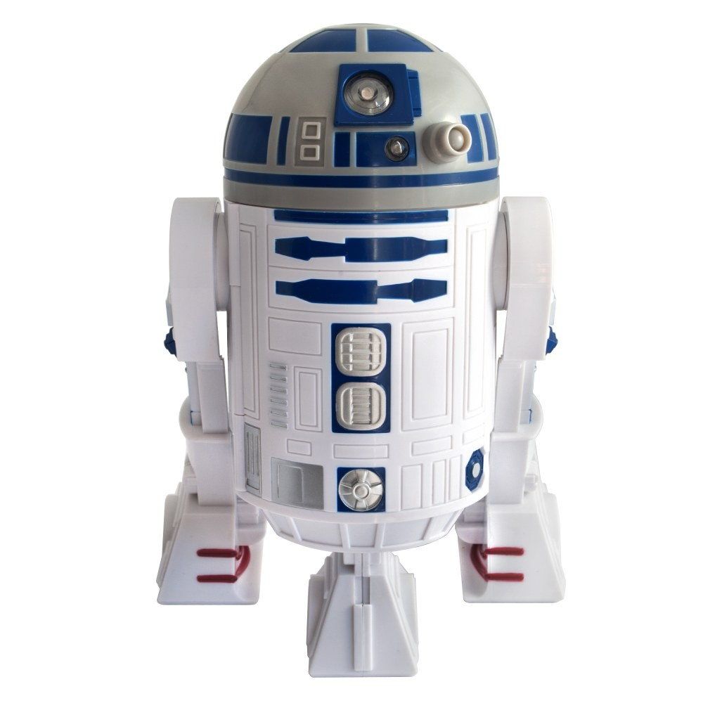

 |  |  |  | Risk:
 |  |  |  | Arduino | Risk Reduction (Mess Around)
 |  |  |  | Order List
 |  | Camera
 |  |  |  | Put into Risk for Risk Management

Right |  |  | Left

 | Floor |  | Center

Back Layout


Back

