DCS subsystem errors
FIT DCS errors table
type | groupe | name | description | comment | DCS datapoint | value range | FPGA/HW action | control server action | WinCC action | Operator action | affected FSM nodes | same for FIT subsystems | affection to ALICE data taking | expected probability
warning | temperature | PM/TCM board temperature over treshold | temperature of PM/TCM board (board sensor is over 50C or FPGA is over 60) |  |  |  | no | no | inform operator | • Check temperature history for FIT electronics • Inform shift leader • Be ready immedeatly switch off crate | • Board Infrastructure | yes | FIT subsystem could be swithed off in near future
error | temperature | PM/TCM board temperature is critical | temperature of PM/TCM board (board sensor) is over than 60C |  |  |  | force power off | no | turn off all crates in case overheating more than two boards | • Check temperature history for FIT electronics • Crate power sycle needed for board recovering | • Board Infrastructure | yes | PM board: • failed board will be excluded from lumi/trg TCM board: • lumi/trg not possible • Stop the run until TCM recovering
error | temperature | crate temperature is critical | temperature of crate is overtrashold |  |  |  |  |  | standart procedure |  | • Crate Infrastructure | yes | • PMs crate: • contunue run with out 10 PMs? • crate with TCM: • lumi/trg is not possible • data taking is not possible • Stop the run until crate recovering | happened to T0 once for 10 years
error | temperature | board FPGA temperature is hight | board FPGA temperature is more than 65C | unexpected without board overheating |  |  | no | no | force turn off crate | • Check temperature history for FIT electronics • unexpected without board overheating, call electronics expert | • Crate Infrastructure | yes | • PMs crate: • contunue run with out 10 PMs? • crate with TCM: • lumi/trg is not possible • data taking is not possible • Stop the run until crate recovering
stable | temperature | PM/TCM board temperature is normal | PM/TCM board temperature is less than 40C FPGA temperature is 50C |  |  |  |  |  |  |  |  | yes
warning | readout | GBT phase error | CRU - PM/TCM board clock phase shift more than +- 3,125ns |  |  |  | no | no | inform operator | • Check system readout • Contact readout expert | • GBT link | yes
error | readout | GBT BCID sync lost | CRU - PM/TCM board BCID sync lost |  |  |  | readout paused | reset BCID sync??? | inform operator | • Check readout and clock systems | • GBT link | yes | faled link stops data sending until recovering
warning | readout | GBT Rx error | GBT RX error flag |  |  |  |  | reset flag, send error | inform operator | • Check all GBT links connection • Ignore if happens once • Contact readout expert if happens repeatedly | • GBT link | yes
error | readout | GBT link lost | GBT link failed |  |  |  | readout paused | no | reset gbt link | • Check system readout • Contact readout expert | • GBT link | yes | faled link stops data sending until recovering
warning | readout | buffer overflow | GBT data flow is too hight | Is not expected in normal operation |  |  | dropping events | no | inform operator | • Check channel and triggers rates • Check MCP currents • exclude noisy channel from lumi/trg | • GBT link | yes | Some amount events will be dropped in readout
error | power | board power is failed | power of PM/TCM board is failed |  |  |  | force power off | no | no | • Check temperature history for FIT electronics • Crate power sycle needed for board recovering | • Board Infrastructure | yes | PM board: • failed board will be excluded from lumi/trg TCM board: • lumi/trg not possible
error | power | crate power is failed |  |  |  |  |  |  | standart procedure |  |  | yes
error | MCP HV | Unexpected HV board failure. | Change in bias current or voltage not satisfying other condition for MCP HV. |  |  |  | no | no | • HV off • exclude MCP from data taking | Check HV logs of all PMTs corresponding to the problematic module. Physical intervention to the HV crate may be needed. | HV module | no | • four channels should be excluded from lumi/trg and readout
error | MCP | Sparking of the HV system outside the MCP-PMTs. | Instantaneous spike in the bias current by more than 0.5% and proportional change in the bias voltage lasting more than 3 s. |  |  |  | no | no | • HV off • exclude MCP from data taking | • Check all HV logs of the problematic PMT • Check HV system • Try to turn on HV after several hour rest. Otherwise physical intervention may be needed to replace the PMT. | • MCP | no | • four channels should be excluded from lumi/trg and readout
warning | MCP | Single spark in HV system outside the MCP-PMTs. | Instantaneous spike in the bias current by more than 0.5% and proportional change in the bias voltage. Duration is within few measuring cycles (1-3 s). |  |  |  | no | no | inform operator | • Check MCP rate and current • Recoveres by itself within 1-3 s. | • MCP | no | • four channels could be excluded from lumi/trg and readout ? (only those data recorded during the short spike is corrupted)
warning | MCP | MCP-PMT operation in a saturated mode | Bias current is stable, but exceeds the default value by more than 0.5%, but less than 10%. Channel rate is as expected. |  |  |  | no | no | • inform operator • log for data analysis | • Check the ALICE running mode • Check the rate and bias current of the problematic and adjacent PMTs | • MCP | no | Offline data correction will be needed to compensate for the MCP-PMT gain variation.
warning | MCP | Single MCP discharge | Instantaneous spike in the bias current by more than 0.5% (duration is within one measuring cycle). Stable bias current and voltage of the default value right after the spike. |  |  |  | no | no | inform operator in case of several spikes | • Check MCP rate and current | • MCP | no
warning | MCP | Unstable MCP temperature | Bias current differ from the default value by more than 0.5%. Stable bias voltage of the default value. Small (dew %) change in gain of the four corresponding channels. |  |  |  | no | no | inform operator | • Check MCP rate and current | • MCP | no | • offline MCP gain correction may be need
error | MCP | MCP breakdown | Bias current exceeds the default value by 10% or more during several measuring cycles (>1 s). Significant decrease in gain of the 4 corresponding channels. Default bias voltage. | In some cases the PMT may be recovered manually after rebooting (hours); otherwise, the PMT should be replaced. |  |  | no | no | • HV off • exclude MCP from data taking | • Check all HV logs of the problematic PMT • Check HV system • Try to turn on HV after several hour rest. Otherwise physical intervention may be needed to replace the PMT. | • MCP | no | • four channels are excluded from lumi/trg and readout until recovering or replacing MCP
stable | MCP | Smooth operation (no problem) | Bias current equals to the default value within ±0.5%. Channels rate is as expected. |  |  |  |  |  |  |  |  | no
error | HDMI sync | HDMI sync lost | HDMI syncronisation failed | could be only for pretrigger data, while clock and slow control are OK |  |  | stop sending lumi/trg until excluded failded link | no | exclude failed HDMI link from lumi/trg | • recover link by clock reset for subsystem | • HDMI link | yes | • pause ~1 sec for lumi/trg • failed PM excluded from lumi/trg • up to 1min ALICE run pause for PM recovering (if possible)
error | CS | Ipbus response timeout | Ipbus link failed |  |  |  | no | block all parameter | do not react to all parameters from Ipbus recover procedure??? | • call expert for recovering if auto failed | • Ipbus | yes | • ALICE run pause while FIT subsystem recovering (auto 10sec or manual more than 1 min)
error | CS | DIM link lost | DIM server connectio failed |  |  |  | no | no | • DIM connection recovering auto procedure ??? • Turn off VME crates in ~20 sec? | • call expert for recovering if auto failed | • DIM | yes | FIT subsystem is not controlled and monitored. Pause the run until recovering if errors presist longer than ~ 20 sec ?
error | CS | HDMI SPI failed | physical connection in PM spi link |  |  |  | exclude PM from lumi/trg ?? |  |  |  |  | yes
error | CS | PM register access failed | failed to write and read PM register |  |  |  | no | block all parameter for PM | do not react to all parameters from PM recover procedure??? |  | • PM SPI | yes
error | clock | ALICE clock jump | source subsystem clock failure | most probably affects on most ALICE subsystems |  |  | clock recovering state | once | clock reset procedure (one time) | • contact CTP expert for source clock recovering or notification • call electronics expert for manual recovering in case auto recovering failed | • TCM | yes | • ALICE run pause while FIT subsystem recovering (auto 10sec or manual more than 1 min)
error | channel rate | noisy channel | channel rate is higher than expected |  |  |  | no | no | inform operator | • Check channel and triggers rates • Check MCP currents • exclude noisy channel from lumi/trg • Call expert to recover | • PM | yes | • one or four channels could be excluded from lumi/trg (readout)
error | HV module

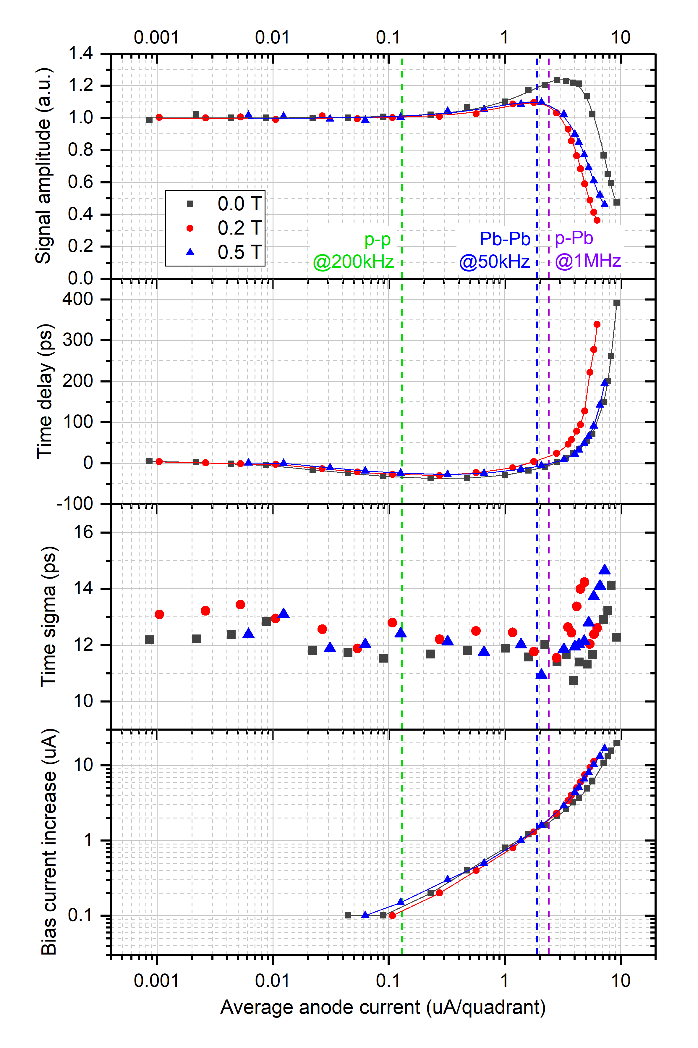
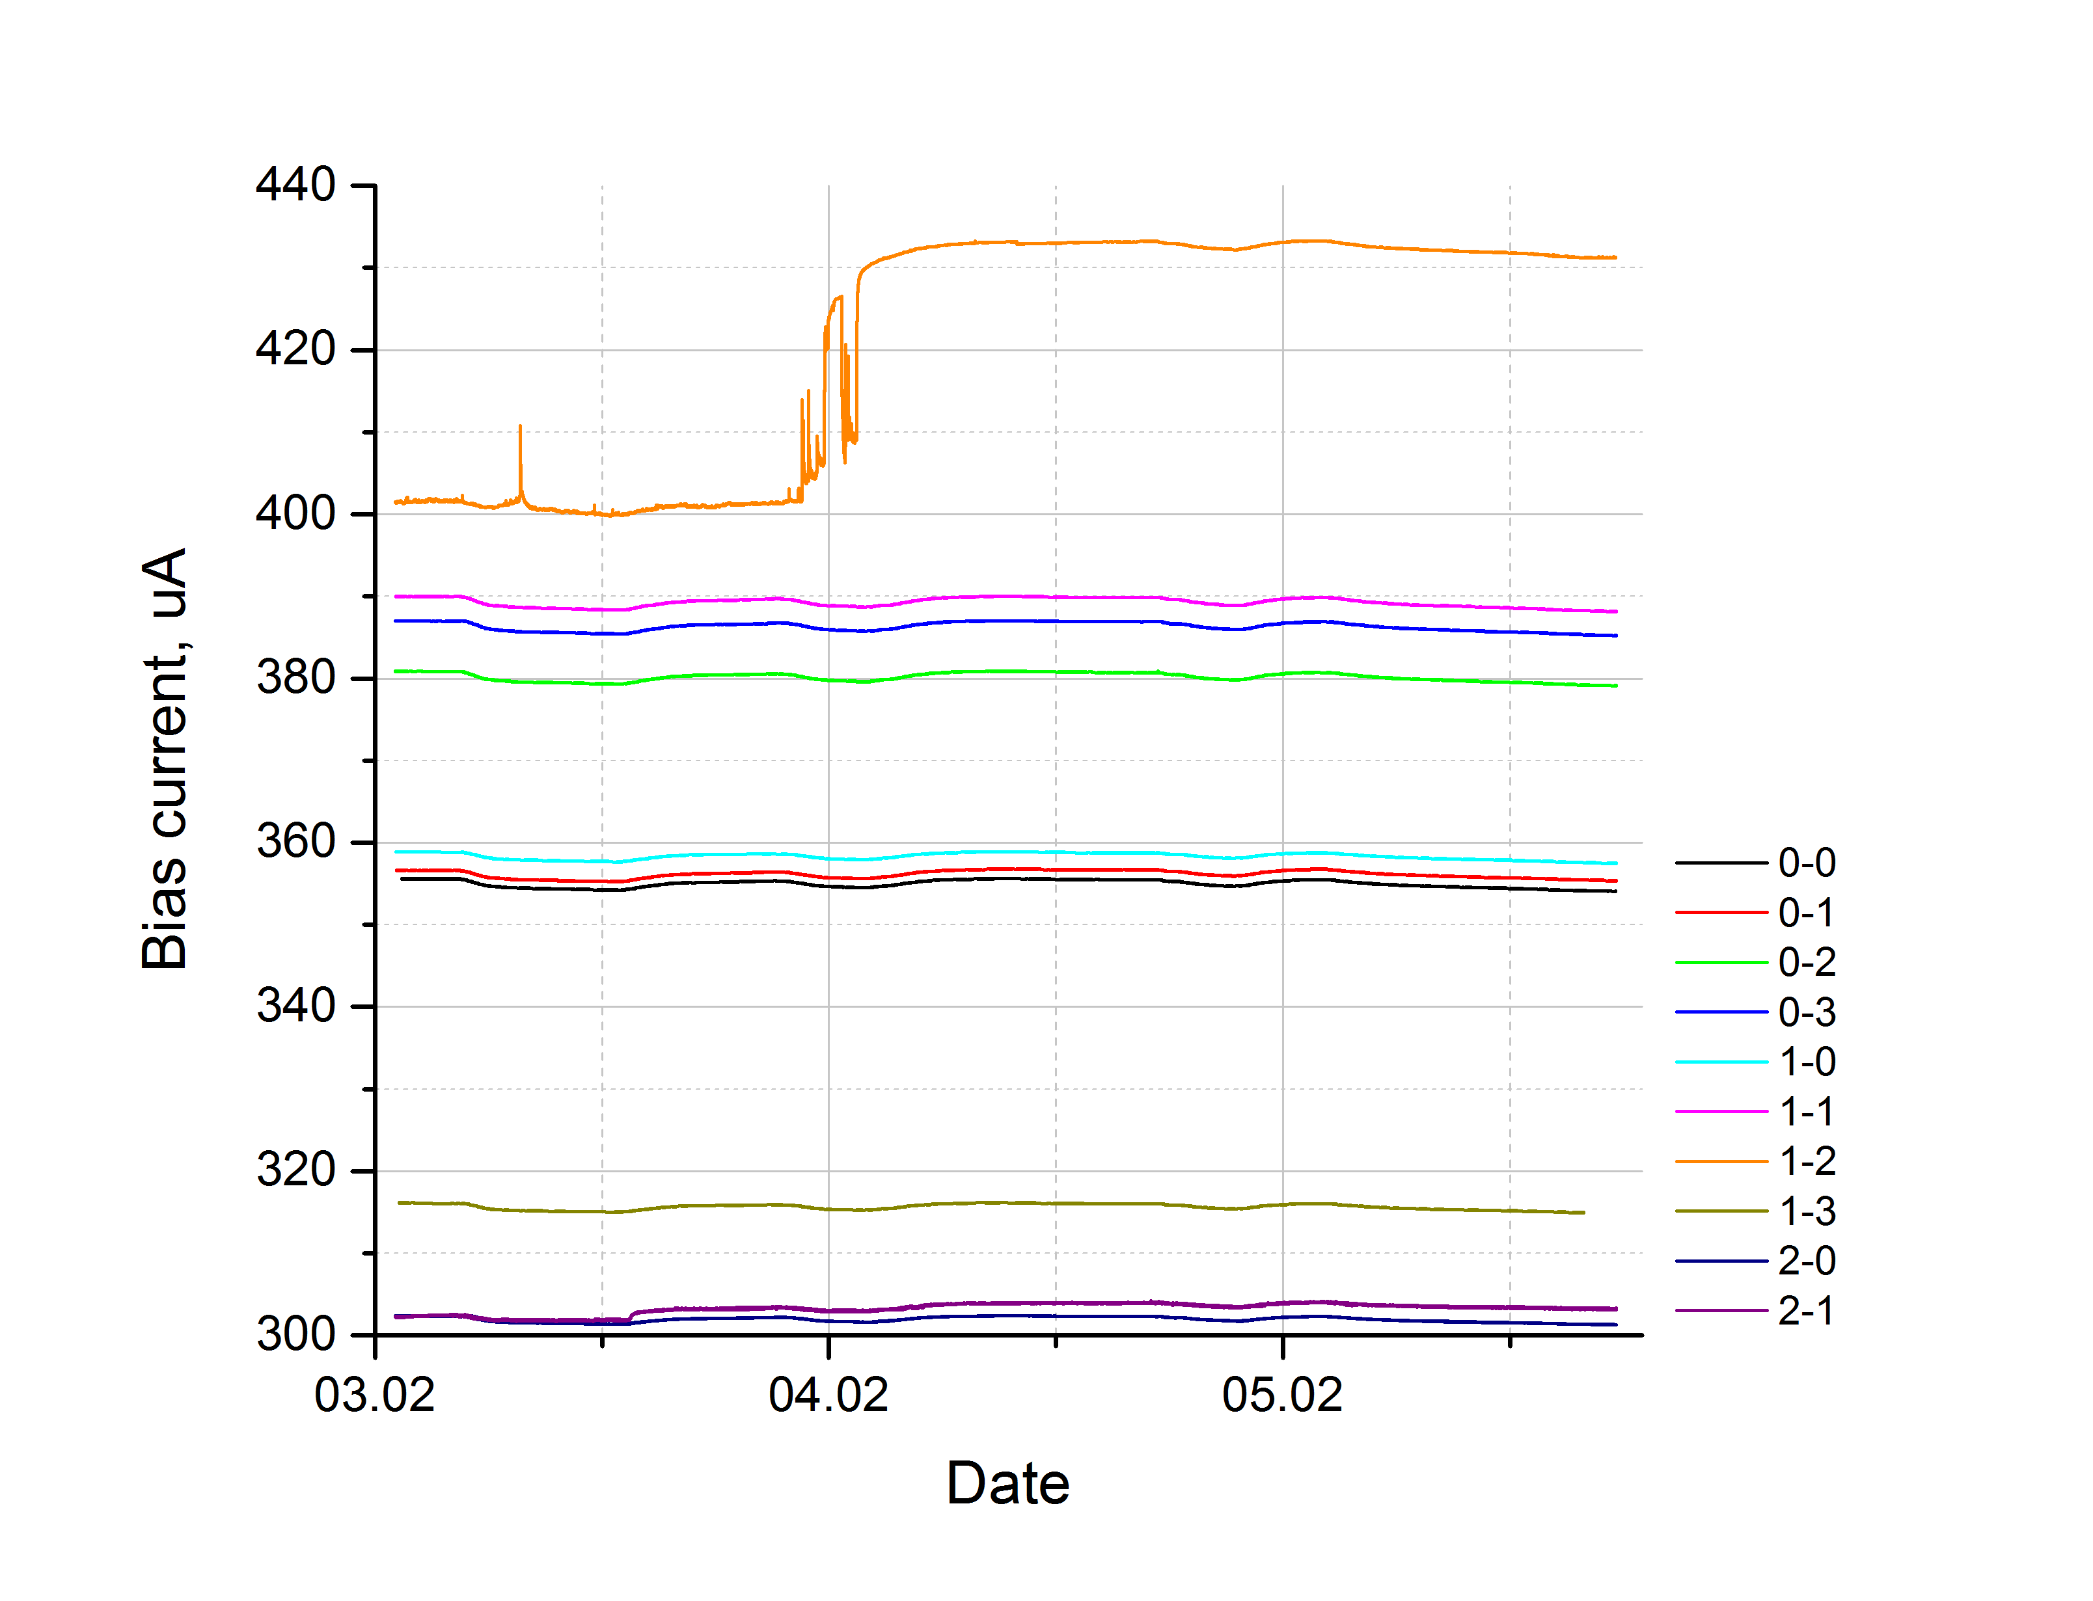
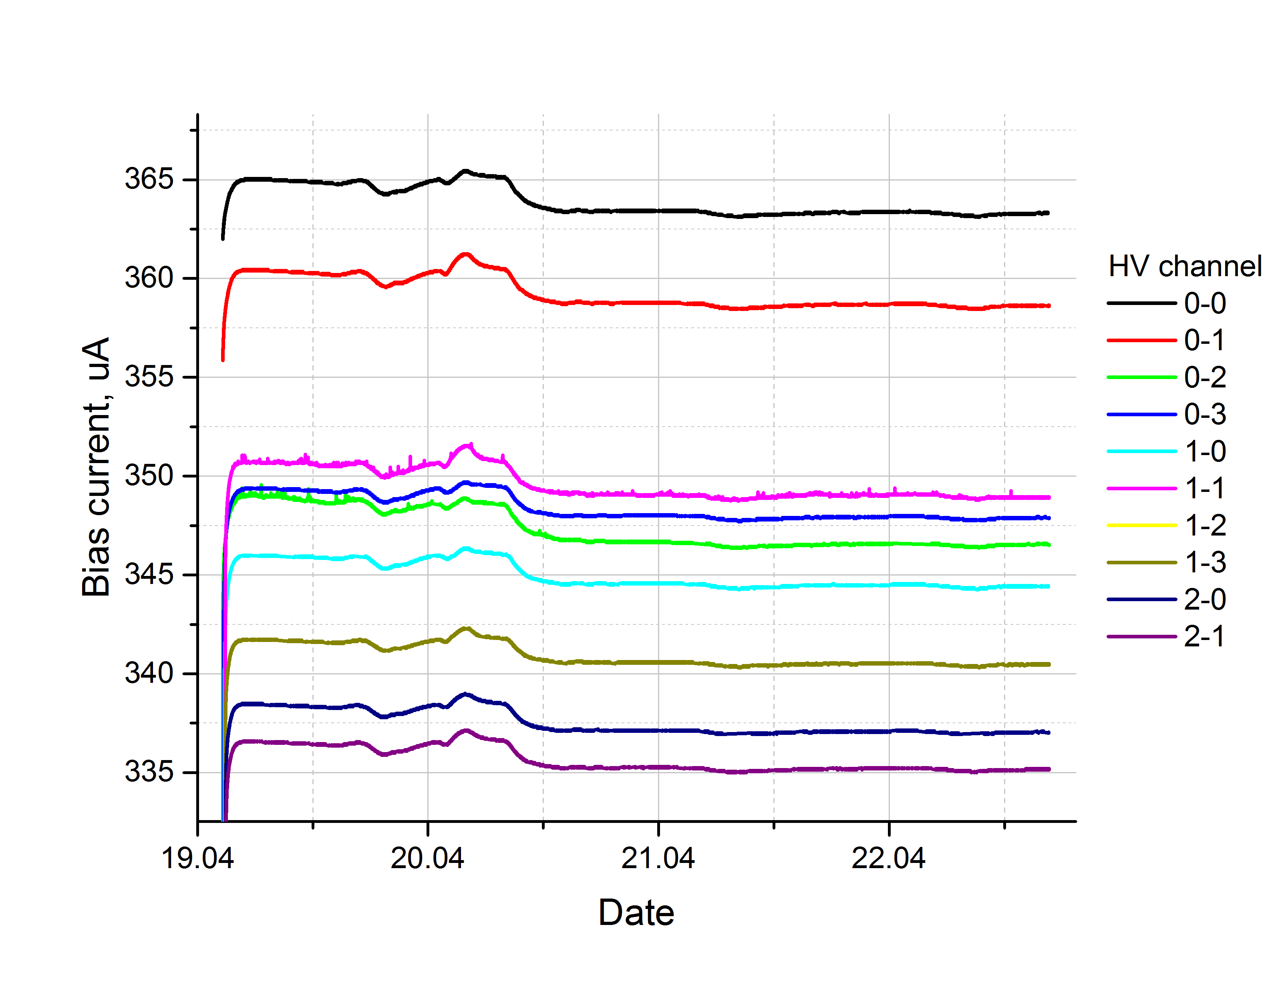
MCP saturated mode
Current spike
MCP breakdown
Bias current while temperature deviation

FT0 DCS FSM topology
Hardware FIT DCS topology
MCP
CH
MCP
CH
24+28
4
Functionality FIT modules topology
PM
GBT link
ch
ch
12
HDMI link
TCM
GBT link
HDMI link
HDMI link
10 + 8
HV CAEN
CH
CH
DSC FSM branches:
Readout
TCM & clocks
Channels
Infrastructure
Laser
Crates
FLP/CRU
FIT DCS
PM
PM
TCM
Laser
Crates
HV CAEN
VME
VME
FLP/CRU
MCPs are not controlled
10 + 8
2
HV module
MCP
CH
MCP
CH
24+28
4
CTP
HV module
Trigger control
HV module
HV module
VME
VME

Control server

PM SPI
PM SPI
DIM
IPbus

FT0 DCS
DSC FSM branches:
Readout
TCM & clocks
Channels
Infrastructure
Control server
Laser

A
C

Control
Server
Laser
TCM & Clock
Readout
Infrastructure

PM common
Trigger control
PM common
CTP
TCM
PM SPI
CAEN HV
Viener
VME
FLP/CRU
PM SPI

TCM GBT link
PM GBT link
HV modules
PM
TCM
board
PM GBT link
DIM
HV modules
PM
board
MCP
MCP
PM control
OR gate, CFD saturation
Zero level calib (cmd)
Reset Counters
PM status
Link status
Readout status
Board status
IPbus

Laser
On/off
Freq div
Phase delay
Laser pattern, trigger
Attenuator val
Pulser parameters
PM CH
PM CH
HV
TCM control
Trigger setup
A, C phase delay
A, C PM mask
TCM status
Board status
PMs link status
Counters rates
Readout status
Rate, RX phase, FIFO state, BCID sync
Readout control
TRG mask
Delay BC
Ipbus connection
Server status

STATUS
Temperature
Power supply
Waterflow
CONTROL
On/Off

STATUS
CFD counter
TRG counter
CONTROL
ADC (zero, delay, offset, range)
CFD (trsh, zero)
Trsh calib
Channel on/off
STATUS
Current
CONTROL
Voltage

