DCS subsystem errors
FIT DCS errors table
type | groupe | name | description | comment | DCS datapoint | value range | FPGA/HW action | control server action | WinCC action | Operator action | affected FSM nodes | same for FIT subsystems | affection to ALICE data taking | expected probability
error | channel rate | noisy channel | channel rate is higher than expected |  |  |  | no | no | inform operator | • Check channel and triggers rates • Check MCP currents • exclude noisy channel from lumi/trg • Call expert to recover | • PM | yes | • one or four channels could be excluded from lumi/trg (readout)
error | clock | ALICE clock jump | source subsystem clock failure | most probably affects on most ALICE subsystems |  |  | clock recovering state | once | clock reset procedure (one time) | • contact CTP expert for source clock recovering or notification • call electronics expert for manual recovering in case auto recovering failed | • TCM | yes | • ALICE run pause while FIT subsystem recovering (auto 10sec or manual more than 1 min)
error | CS | Ipbus response timeout | Ipbus link failed |  |  |  | no | block all parameter | do not react to all parameters from Ipbus recover procedure??? | • call expert for recovering if auto failed | • Ipbus | yes | • ALICE run pause while FIT subsystem recovering (auto 10sec or manual more than 1 min)
error | CS | DIM link lost | DIM server connectio failed |  |  |  | no | no | • DIM connection recovering auto procedure ??? • Turn off VME crates in ~20 sec? | • call expert for recovering if auto failed | • DIM | yes | FIT subsystem is not controlled and monitored. Pause the run until recovering if errors presist longer than ~ 20 sec ?
error | CS | HDMI SPI failed | physical connection in PM spi link |  |  |  | exclude PM from lumi/trg ?? |  |  |  |  | yes
error | CS | PM register access failed | failed to write and read PM register |  |  |  | no | block all parameter for PM | do not react to all parameters from PM recover procedure??? |  | • PM SPI | yes
error | HDMI sync | HDMI sync lost | HDMI syncronisation failed | could be only for pretrigger data, while clock and slow control are OK |  |  | stop sending lumi/trg until excluded failded link | no | exclude failed HDMI link from lumi/trg | • recover link by clock reset for subsystem | • HDMI link | yes | • pause ~1 sec for lumi/trg • failed PM excluded from lumi/trg • up to 1min ALICE run pause for PM recovering (if possible)
error | HV module
error | MCP | Sparking of the HV system outside the MCP-PMTs. | Instantaneous spike in the bias current by more than 0.5% and proportional change in the bias voltage lasting more than 3 s. |  |  |  | no | no | • HV off • exclude MCP from data taking | • Check all HV logs of the problematic PMT • Check HV system • Try to turn on HV after several hour rest. Otherwise physical intervention may be needed to replace the PMT. | • MCP | no | • four channels should be excluded from lumi/trg and readout
warning | MCP | Single spark in HV system outside the MCP-PMTs. | Instantaneous spike in the bias current by more than 0.5% and proportional change in the bias voltage. Duration is within few measuring cycles (1-3 s). |  |  |  | no | no | inform operator | • Check MCP rate and current • Recoveres by itself within 1-3 s. | • MCP | no | • four channels could be excluded from lumi/trg and readout ? (only those data recorded during the short spike is corrupted)
warning | MCP | MCP-PMT operation in a saturated mode | Bias current is stable, but exceeds the default value by more than 0.5%, but less than 10%. Channel rate is as expected. |  |  |  | no | no | • inform operator • log for data analysis | • Check the ALICE running mode • Check the rate and bias current of the problematic and adjacent PMTs | • MCP | no | Offline data correction will be needed to compensate for the MCP-PMT gain variation.
warning | MCP | Single MCP discharge | Instantaneous spike in the bias current by more than 0.5% (duration is within one measuring cycle). Stable bias current and voltage of the default value right after the spike. |  |  |  | no | no | inform operator in case of several spikes | • Check MCP rate and current | • MCP | no
warning | MCP | Unstable MCP temperature | Bias current differ from the default value by more than 0.5%. Stable bias voltage of the default value. Small (few %) change in gain of the four corresponding channels. |  |  |  | no | no | inform operator | • Check MCP rate and current | • MCP | no | • offline MCP gain correction may be need
error | MCP | MCP breakdown | Bias current exceeds the default value by 10% or more during several measuring cycles (>1 s). Significant decrease in gain of the 4 corresponding channels. Default bias voltage. | In some cases the PMT may be recovered manually after rebooting (hours); otherwise, the PMT should be replaced. |  |  | no | no | • HV off • exclude MCP from data taking | • Check all HV logs of the problematic PMT • Check HV system • Try to turn on HV after several hour rest. Otherwise physical intervention may be needed to replace the PMT. | • MCP | no | • four channels are excluded from lumi/trg and readout until recovering or replacing MCP
stable | MCP | Smooth operation (no problem) | Bias current equals to the default value within ±0.5%. Channels rate is as expected. |  |  |  |  |  |  |  |  | no
error | MCP HV | Unexpected HV board failure. | Change in bias current or voltage not satisfying other condition for MCP HV. |  |  |  | no | no | • HV off • exclude MCP from data taking | Check HV logs of all PMTs corresponding to the problematic module. Physical intervention to the HV crate may be needed. | HV module | no | • four channels should be excluded from lumi/trg and readout
error | power | board power is failed | power of PM/TCM board is failed |  |  |  | force power off | no | no | • Check temperature history for FIT electronics • Crate power sycle needed for board recovering | • Board Infrastructure | yes | PM board: • failed board will be excluded from lumi/trg TCM board: • lumi/trg not possible
error | power | crate power is failed |  |  |  |  |  |  | standart procedure |  |  | yes
warning | readout | GBT phase error | CRU - PM/TCM board clock phase shift more than +- 3,125ns |  |  |  | no | no | inform operator | • Check system readout • Contact readout expert | • GBT link | yes
error | readout | GBT BCID sync lost | CRU - PM/TCM board BCID sync lost |  |  |  | readout paused | reset BCID sync??? | inform operator | • Check readout and clock systems | • GBT link | yes | faled link stops data sending until recovering
warning | readout | GBT Rx error | GBT RX error flag |  |  |  |  | reset flag, send error | inform operator | • Check all GBT links connection • Ignore if happens once • Contact readout expert if happens repeatedly | • GBT link | yes
error | readout | GBT link lost | GBT link failed |  |  |  | readout paused | no | reset gbt link | • Check system readout • Contact readout expert | • GBT link | yes | faled link stops data sending until recovering
warning | readout | buffer overflow | GBT data flow is too hight | Is not expected in normal operation |  |  | dropping events | no | inform operator | • Check channel and triggers rates • Check MCP currents • exclude noisy channel from lumi/trg | • GBT link | yes | Some amount events will be dropped in readout
warning | temperature | PM/TCM board temperature over treshold | temperature of PM/TCM board (board sensor is over 50C or FPGA is over 60) |  |  |  | no | no | inform operator | • Check temperature history for FIT electronics • Inform shift leader • Be ready immedeatly switch off crate | • Board Infrastructure | yes | FIT subsystem could be swithed off in near future
error | temperature | PM/TCM board temperature is critical | temperature of PM/TCM board (board sensor) is over than 60C |  |  |  | force power off | no | turn off all crates in case overheating more than two boards | • Check temperature history for FIT electronics • Crate power sycle needed for board recovering | • Board Infrastructure | yes | PM board: • failed board will be excluded from lumi/trg TCM board: • lumi/trg not possible • Stop the run until TCM recovering
error | temperature | crate temperature is critical | temperature of crate is overtrashold |  |  |  |  |  | standart procedure |  | • Crate Infrastructure | yes | • PMs crate: • contunue run with out 10 PMs? • crate with TCM: • lumi/trg is not possible • data taking is not possible • Stop the run until crate recovering | happened to T0 once for 10 years
error | temperature | board FPGA temperature is hight | board FPGA temperature is more than 65C | unexpected without board overheating |  |  | no | no | force turn off crate | • Check temperature history for FIT electronics • unexpected without board overheating, call electronics expert | • Crate Infrastructure | yes | • PMs crate: • contunue run with out 10 PMs? • crate with TCM: • lumi/trg is not possible • data taking is not possible • Stop the run until crate recovering
stable | temperature | PM/TCM board temperature is normal | PM/TCM board temperature is less than 40C FPGA temperature is 50C |  |  |  |  |  |  |  |  | yes

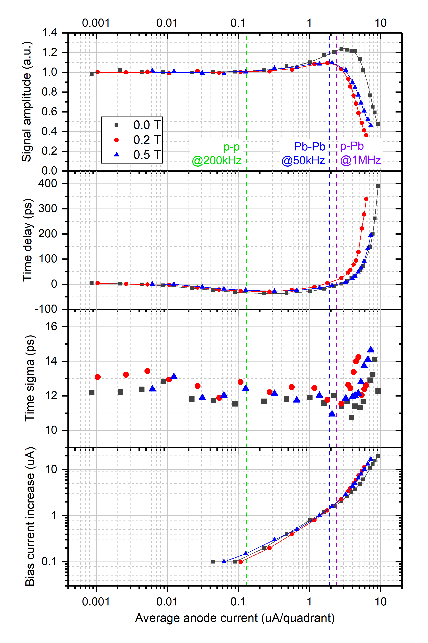
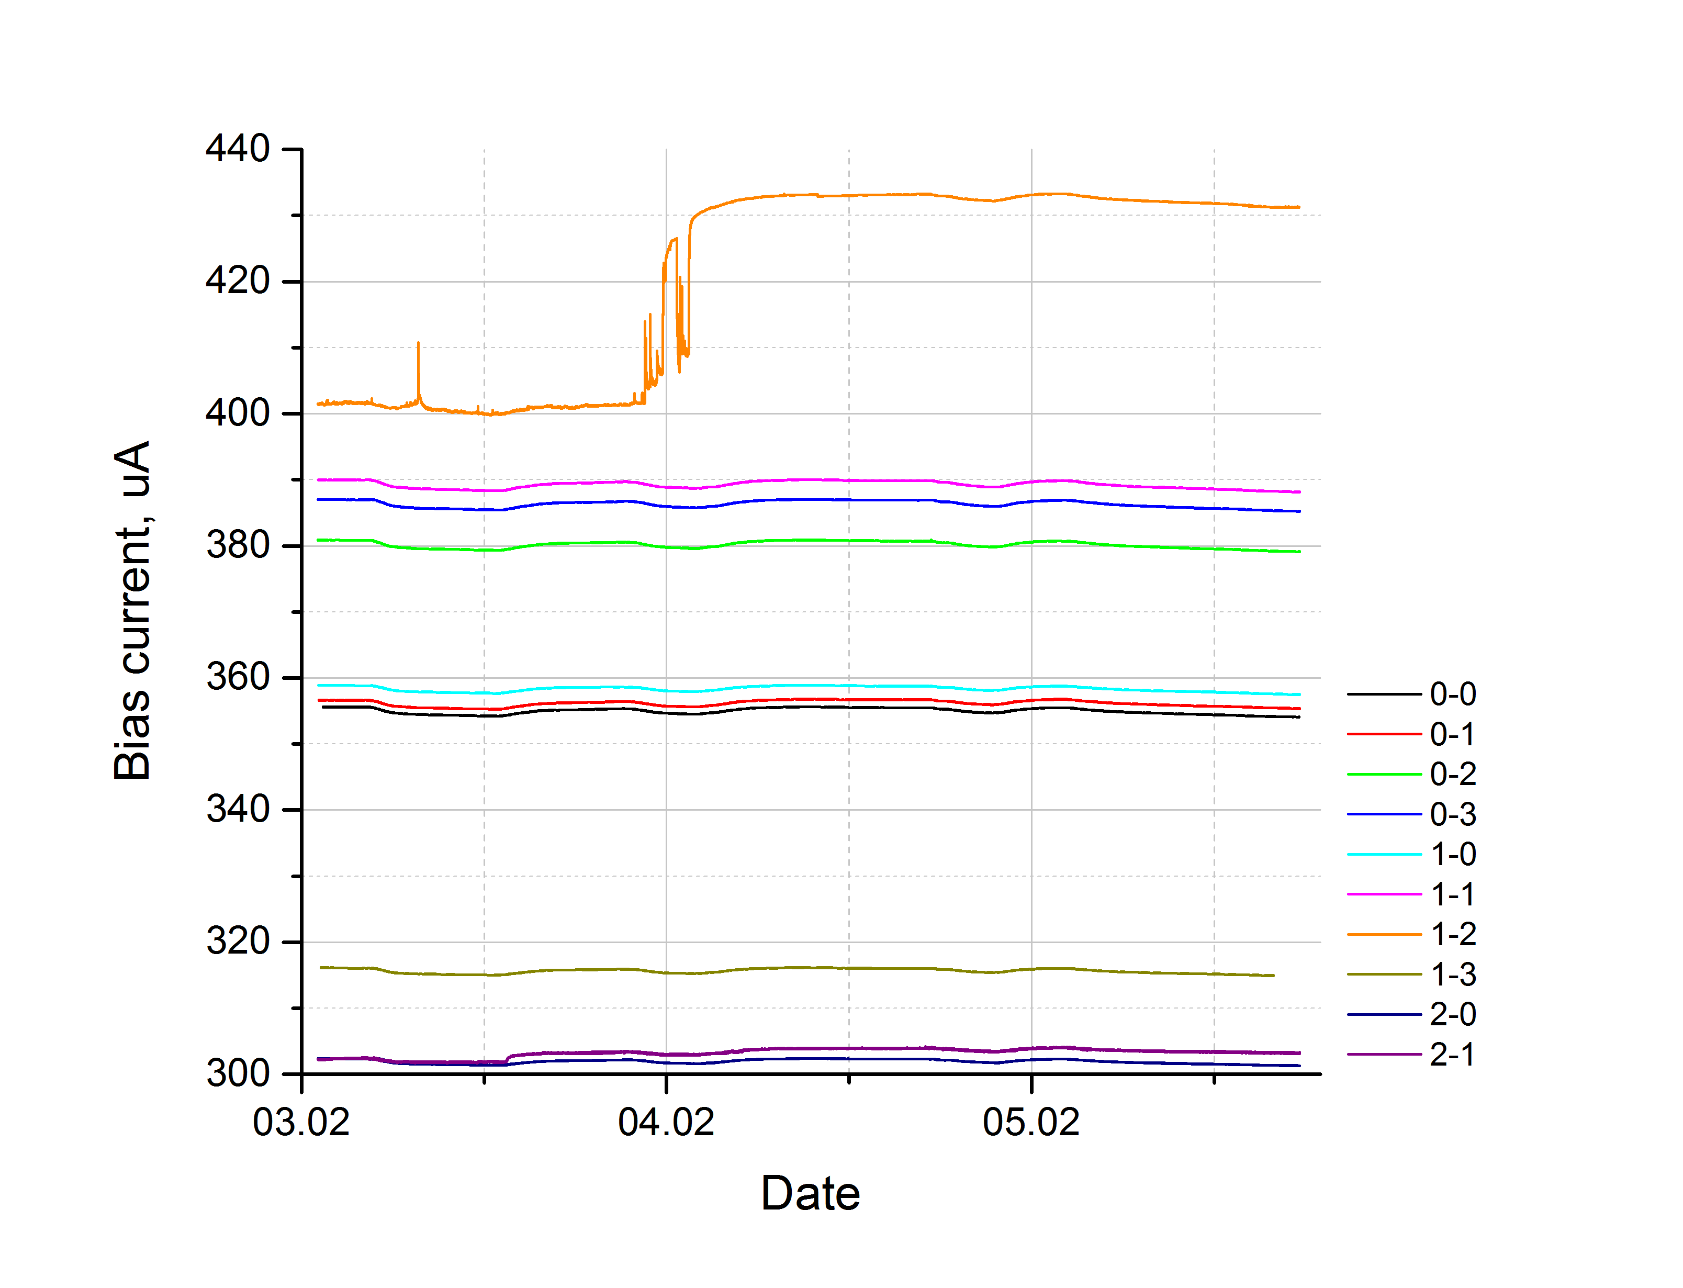
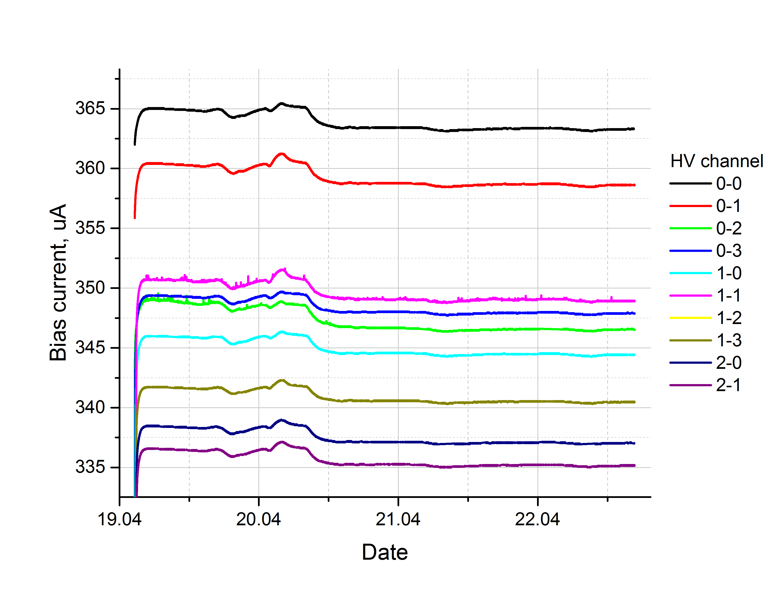
MCP saturated mode
Current spike
MCP breakdown
Bias current while temperature deviation

 | MCP failure modes
 | current | voltage | PM ch rate | duration | status
 | > 0,5% | changed propotional | expected | > 3s | Sparking of the HV system outside the MCP-PMTs. |  |  | auto off
 | > 0,5% | changed propotional | expected | < 3s | Single spark in HV system outside the MCP-PMTs.
 | > 0,5% | stable, is not changed | Small (few %) change in gain of the four corresponding channels. | > 3s | saturation mode
 | > 0,5% | stable, is not changed | expected | < 3s | Single MCP discharge
 | > 0,5% | stable, is not changed | Small (few %) change in gain of the four corresponding channels. | > 3s | Unstable MCP temperature |  | may affected to groupe MCPs
 | > 0,5% | stable, is not changed | drop more than 10% (if rate is 0, warning) | > 3s | MCP break down |  |  | manual off
 | > 10% | stable, is not changed |  | > 1s | HV system break down |  |  | auto off

