metadata
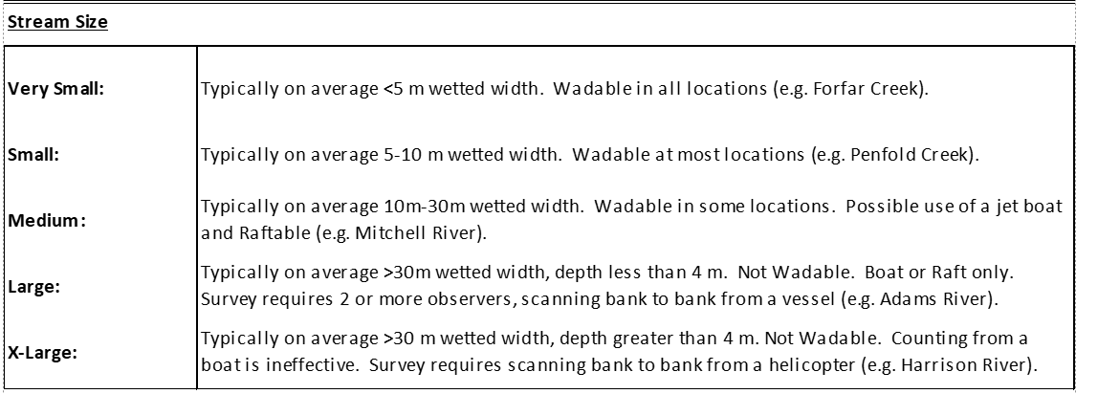
Last edits made by: B. Smith, 2025-06-03rd

Calibration_Input METADATA
Column | Units or levels | Description
watershed_group | - | Watershed group name based on geographic groupings within the Fraser River watershed
run_timing_group | - | Run timing grouping used by fisheries management
CU | - | Conservation Unit relating to the Wild Salmon Policy
gazetted_stream_name | - | Gazetted stream name, not necessarily common-use stream name.
stream_alias | - | Alias to above gazetted stream name. For reference only.
year | - | Escapement year
system_stability | Volatile; Stable | Whether system is considered volatile or stable in its flashiness. E.g., systems lake-fed are stable, while rainwater-fed are volatile (flashy)
size | Very small; Small; Medium; Large; X-Large | Qualitative size based on the description below.
water_clarity | Clear; Partly turbid/tannic; Turbid | Qualitative water clarity based on field surveys
substrate_shade | Light; Medium; Dark | Qualitative darkness of riverbed substrate. See Description Below.
lpe_date | dd-mmm | Date the low-precision visual survey occurred. If no survey date could be found, the peak of spawn date range is given instead (it is assumed the visual survey occurred in this time range)
water_discharge | m3/s | Water flow rate in cubic-metres per second. Data collected from historical Environment Canada wateroffice data. Values are daily means (if ec_data_type=="historical") corresponding to the date of the LPE survey, or as close as possible.
bankfull | 0-25; 25-50; 50-75; 75-100 | categorical % bankfull
brightness | Full; Bright; Medium; Dark | light brightness of surroundings while counting
cloud_cover | 0; 25; 50; 75; 100 | categorical % cloud cover
fish_vis | High; Medium; Low | how visible fish are in the water
water_vis | metres (m) | categorical depth (m) counters can see in the water. Note this is estimated and not measured.
OE | % | Observer Efficiency, an estimate of the % of fish counters estimated they could see based on how difficult (or good) counting conditions were.
live_method | Ground; Aerial | method used to perform the visual (i.e., low-precision) live count survey. Ground carcasses might be added for aerial survey in which no dead were counted. If a survey is partially surveyed by ground and partially by aerial, only list the survey method that accounts for most of the count.
peak_live_above | # live fish | The peak live count above any fence/weir structure, or in case of mark-recapture, it is the whole system and peak_live_below=NA. Often an average of two counters, where appropriate (i.e., if both counters were reliable, it is averaged. if not, it is the better count).
peak_live_below | # live fish | The peak live count below any fence/weir structure. In case of mark-recapture, is NA. Often an average of two counters, where appropriate (i.e., if both counters were reliable, it is averaged. if not, it is the better count).
live_comments | - | Comments about the live count data specifically, detailing adjustments, calculations, rationale, etc.
ground_cuml_carc_above | # carcasses | Cumulative ground-based carcasses were counted up to (& sometimes including) the day of the peak live count. For aerial count cases where aerial unsexed dead were counted, this is NA. For cases where aerial unsexed dead are not counted, this is given.
ground_carcs_above_total | # carcasses | Cumulative carcasses counted up to & including the final day of counting. For aerial count cases where aerial unsexed dead were counted, this is NA. For cases where aerial unsexed dead are not counted, this is given.
ground_cuml_carc_below | # carcasses | Cumulative ground-based carcasses were obtained up to (& sometimes including) the day of the count below another enumeration structure or area (e.g. below a fence or SONAR). For aerial count cases where aerial unsexed dead were counted, this is NA. For cases where aerial unsexed dead are not counted, this is given.
aerial_unsexed_above | # carcasses | Aerial unsexed carcasses made same day as live count. For cases where aerial unsexed dead are not counted, is NA and ground carcasses are given. Often an average of two counters, where appropriate (i.e., if both counters were reliable, it is averaged. if not, it is the better count).
aerial_unsexed_below | # carcasses | Aerial unsexed carcasses below any fence/weir structure made same day as live count. For cases where aerial unsexed dead are not counted, is NA and ground carcasses are given. Can also be NA if no count occurred. Often an average of two counters, where appropriate (i.e., if both counters were reliable, it is averaged. if not, it is the better count).
carc_comments | - | Comments about the carcass counts specifically, detailing adjustments, calculations, rationale, etc.
lpe | peak_live + cuml_dead | Visual count used in the classic expansion.
final_estimates | expanded or high accuracy final estimate | Expanded visual estimate, typically, lpe * 1.8; OR if there is a high accuracy method used, input that estimate.

