1. INPUT Operational Energy
Total Energy Demand
 | Innovative | Best practice | Typical | Benchmark scaling | 0 | 0 | Project scaling
 | #N/A | #N/A | #N/A | #N/A | 0 | 0 | #N/A
Non-Electric Energy Demand
 | Innovative | Best practice | Typical | Benchmark scaling | 0 | 0 | Project scaling
 | #N/A | #N/A | #N/A | #N/A | 0 | 0 | #N/A
Electrical Energy Demand
 | Innovative | Best practice | Typical | Benchmark scaling | 0 | 0 | Project scaling
 | #N/A | #N/A | #N/A | #N/A | 0 | 0 | #N/A
Building Details
Supplied on 0. INPUT Project Details

Building Name | 0
Sector | 0
Sub-sector | 0
GIA | 0 |  | m2
Subsector Benchmarks

 | kWh/m2/yr
 | Typical | Best Practice | Innovative | Pioneering
Electrical energy | #N/A | #N/A | #N/A | 0
Non-electric energy | #N/A | #N/A | #N/A | 0
Total energy | #N/A | #N/A | #N/A | 0

User inputs required

Calculation methodology:

Regulated energy use - electrical

Space heating |  | kWh/m2/yr
Hot water |  | kWh/m2/yr
Cooling |  | kWh/m2/yr
Fans and pumps |  | kWh/m2/yr
RIBA 2030 Challenge
 | 2030 | 2025 | 2020 | Pre - 2020 | Targets axes match | 0 | 0 | Building axes match
 | #N/A | #N/A | #N/A | #N/A | #N/A | 0 | 0 | #N/A
Lighting |  | kWh/m2/yr
Other |  | kWh/m2/yr
Total | 0.0 | kWh/m2/yr
Regulated energy use - non-electric

Heating |  | kWh/m2/yr
Hot water |  | kWh/m2/yr
Other |  | kWh/m2/yr
Total | 0.0 | kWh/m2/yr
Anticipated unregulated energy use - electrical

Computers |  | kWh/m2/yr
Server rooms |  | kWh/m2/yr
Appliances |  | kWh/m2/yr
Other |  | kWh/m2/yr
Offset demand
Gross demand
Total | 0.0 | kWh/m2/yr
Anticipated unregulated energy use - non-electric

Cooking |  | kWh/m2/yr
Other |  | kWh/m2/yr
Total | 0.0 | kWh/m2/yr
Power generation

Electrical |  | kWh/m2/yr
Non-electric (solar thermal etc) |  | kWh/m2/yr
Total | 0.0 | kWh/m2/yr

2. INPUT Embodied Carbon
Distribution of Embodied Carbon of New Building by Building Aspect
Substructure | #N/A
Superstructure | #N/A
Upper floors | #N/A
Roof | #N/A
External walls | #N/A
Windows | #N/A
Internal walls | #N/A
Internal finishes | #N/A
Services | #N/A
RIBA 2030 Challenge
 | 2030 | 2025 | 2020 | Pre - 2020 | Axes match benchmarks | #N/A | #N/A | Axes match project
 | #N/A | #N/A | #N/A | #N/A | #N/A | 0 | #N/A | #N/A
Building Details
Supplied on 0. INPUT Project Details

Building Name | 0
Sector | 0
Sub-sector | 0
GIA | 0 | m2
Associated with selected sub-sector

Embodied carbon over the lifecycle [A1-C4]
Including potential offsets from sequestered carbon
Grid size | #N/A | m
Partitions factor | #N/A
RIBA 2030 Challenge Category | #N/A
Imposed floor load | #N/A | kN/m2
User inputs required

Building perimeter |  | m
Building footprint |  | m2
Building width |  | m
Floor-to-floor height |  | m
No. storeys ground & above
No. storeys below ground
Glazing ratio |  | %

Building Aspect | Building Element | Material | Existing fabric? | Age if existing? | Adjustment Factor (%) | Component Life (years) | Designed for disassembly? | Estimated Quantity | Units | Life cycle embodied carbon estimate A - C (kgCO2e/m2) | A1 - A3 Biogenic carbon (sequestered kgCO2e/m2) | Potential benefits beyond the system boundary D (kgCO2e/m2) | Assumptions | Notes
Substructure | Piles |  |  |  |  |  |  | 0.0 |  | #N/A | #DIV/0! | #DIV/0!
Substructure | Pile caps |  |  |  |  |  |  | 0.0 |  | #N/A | #DIV/0! | #DIV/0!
Substructure | Capping beams |  |  |  |  |  |  | 0.0 |  | #N/A | #DIV/0! | #DIV/0!
Substructure | Raft |  |  |  |  |  |  | 0.0 |  | #N/A | #DIV/0! | #DIV/0!
Substructure | Basement walls |  |  |  |  |  |  | 0.0 |  | #N/A | #DIV/0! | #DIV/0!
Substructure | Lowest floor slab |  |  |  |  |  |  | 0.0 |  | #N/A | #DIV/0! | #DIV/0!
Substructure | Ground insulation |  |  |  |  |  |  | 0.0 |  | #N/A | #DIV/0! | #DIV/0!
Superstructure | Core structure |  |  |  |  |  |  | 0.0 |  | #N/A | #DIV/0! | #DIV/0!
Superstructure | Columns |  |  |  |  |  |  | 0.0 |  | #N/A | #DIV/0! | #DIV/0!
Superstructure | Beams |  |  |  |  |  |  | 0.0 |  | #N/A | #DIV/0! | #DIV/0!
Superstructure | Secondary beams |  |  |  |  |  |  | 0.0 |  | #N/A | #DIV/0! | #DIV/0!
Upper floors | Floor slab |  |  |  |  |  |  | 0.0 |  | #N/A | #DIV/0! | #DIV/0!
Upper floors | Joisted floors |  |  |  |  |  |  | 0.0 |  | #N/A | #DIV/0! | #DIV/0!
Roof | Roof |  |  |  |  |  |  | 0.0 |  | #N/A | #DIV/0! | #DIV/0!
Roof | Roof insulation |  |  |  |  |  |  | 0.0 |  | #N/A | #DIV/0! | #DIV/0!
Roof | Roof finishes |  |  |  |  |  |  | 0.0 |  | #N/A | #DIV/0! | #DIV/0!
External walls | Facade |  |  |  |  |  |  | 0.0 |  | #N/A | #DIV/0! | #DIV/0!
External walls | Wall insulation |  |  |  |  |  |  | 0.0 |  | #N/A | #DIV/0! | #DIV/0!
Windows | Glazing |  |  |  |  |  |  | 0.0 |  | #N/A | #DIV/0! | #DIV/0!
Windows | Window frames |  |  |  |  |  |  | 0.0 |  | #N/A | #DIV/0! | #DIV/0!
Internal walls | Partitions |  |  |  |  |  |  | 0.0 |  | #N/A | #DIV/0! | #DIV/0!
Internal finishes | Ceilings |  |  |  |  |  |  | 0.0 |  | #N/A | #DIV/0! | #DIV/0!
Internal finishes | Floors |  |  |  |  |  |  | 0.0 |  | #N/A | #DIV/0! | #DIV/0!
Services | Services |  |  |  |  |  |  | 0.0 |  | #N/A | #DIV/0! | #DIV/0!
 |  |  |  |  |  |  |  | 0.0 |  | #N/A | #DIV/0! | #DIV/0!
 |  |  |  |  |  |  |  | 0.0 |  | #N/A | #DIV/0! | #DIV/0!
 |  |  |  |  |  |  |  | 0.0 |  | #N/A | #DIV/0! | #DIV/0!
 |  |  |  |  |  |  |  | 0.0 |  | #N/A | #DIV/0! | #DIV/0!
 |  |  |  |  |  |  |  | 0.0 |  | #N/A | #DIV/0! | #DIV/0!
 |  |  |  |  |  |  |  | 0.0 |  | #N/A | #DIV/0! | #DIV/0!
 |  |  |  |  |  |  |  | 0.0 |  | #N/A | #DIV/0! | #DIV/0!
 |  |  |  |  |  |  |  | 0.0 |  | #N/A | #DIV/0! | #DIV/0!
 |  |  |  |  |  |  |  | 0.0 |  | #N/A | #DIV/0! | #DIV/0!
 |  |  |  |  |  |  |  | 0.0 |  | #N/A | #DIV/0! | #DIV/0!
 |  |  |  |  |  |  |  | 0.0 |  | #N/A | #DIV/0! | #DIV/0!
 |  |  |  |  |  |  |  | 0.0 |  | #N/A | #DIV/0! | #DIV/0!
 |  |  |  |  |  |  |  | 0.0 |  | #N/A | #DIV/0! | #DIV/0!
 |  |  |  |  |  |  |  | 0.0 |  | #N/A | #DIV/0! | #DIV/0!
 |  |  |  |  |  |  |  | 0.0 |  | #N/A | #DIV/0! | #DIV/0!
 |  |  |  |  |  |  |  | 0.0 |  | #N/A | #DIV/0! | #DIV/0!
 |  |  |  |  |  |  |  | 0.0 |  | #N/A | #DIV/0! | #DIV/0!
 |  |  |  |  |  |  |  | 0.0 |  | #N/A | #DIV/0! | #DIV/0!
 |  |  |  |  |  |  |  | 0.0 |  | #N/A | #DIV/0! | #DIV/0!
 |  |  |  |  |  |  |  | 0.0 |  | #N/A | #DIV/0! | #DIV/0!
 |  |  |  |  |  |  |  | 0.0 |  | #N/A | #DIV/0! | #DIV/0!
 |  |  |  |  |  |  |  | 0.0 |  | #N/A | #DIV/0! | #DIV/0!
 |  |  |  |  |  |  |  | 0.0 |  | #N/A | #DIV/0! | #DIV/0!
 |  |  |  |  |  |  |  | 0.0 |  | #N/A | #DIV/0! | #DIV/0!
 |  |  |  |  |  |  |  | 0.0 |  | #N/A | #DIV/0! | #DIV/0!
 |  |  |  |  |  |  |  | 0.0 |  | #N/A | #DIV/0! | #DIV/0!

3. OUTPUT Graphics
OPERATIONAL ENERGY
LIFECYCLE EMBODIED CARBON
 | #N/A | #N/A | #N/A | #N/A | With renewables | 0
 | #N/A | #N/A | #N/A | #N/A | #N/A | #N/A
 | #N/A | #N/A | #N/A | #N/A | With sequestration | 0
 | #N/A | #N/A | #N/A | #N/A | #N/A | #N/A
 |  |  |  |  |  |  |  | #N/A |  | RIBA 2030 Challenge |  |  |  |  |  |  |  |  | #N/A |  | RIBA 2030 Challenge

2030 |  |  | #N/A |  | #N/A |  |  |  |  | Pre - 2020 | 2030 |  |  |  |  | #N/A | #N/A | #N/A |  |  | Pre - 2020
Total Energy Demand
 | Innovative | Best practice | Typical | Benchmark scaling | 0 | 0 | Project scaling
 | #N/A | #N/A | #N/A | #N/A | 0 | 0 | #N/A
Non-Electric Energy Demand
 | Innovative | Best practice | Typical | Benchmark scaling | 0 | 0 | Project scaling
 | #N/A | #N/A | #N/A | #N/A | 0 | 0 | #N/A
Electrical Energy Demand
 | Innovative | Best practice | Typical | Benchmark scaling | 0 | 0 | Project scaling
 | #N/A | #N/A | #N/A | #N/A | 0 | 0 | #N/A

 | Potential benefits of sequestered carbon | Embodied carbon over the lifecycle
Substructure | 0 | #N/A
Superstructure | 0 | #N/A
Upper floors | 0 | #N/A
Roof | 0 | #N/A
External walls | 0 | #N/A
Windows | 0 | #N/A
Internal walls | 0 | #N/A
Internal finishes | 0 | #N/A
Services | 0 | #N/A
 |  |  |  |  |  |  |  |  |  |  |  |  |  | Sequestered carbon |  |  |  |  |  | Embodied carbon over the lifecycle

 | Annual Energy Usage |  |  |  | Annual Carbon Emissions
 |  | Energy Use: | 0 | kWhr/m2/yr |  | Current Carbon Factors: | #N/A |  | kgCO2e/m2/yr
 |  | Renewable Energy: | 0 | kWhr/m2/yr |  | Actual Carbon Factors: | #N/A |  | kgCO2e/m2/yr |  |  |  |  | #N/A
 |  | Net Operational Energy: | 0 | kWhr/m2/yr | * based on net energy demand. Current factors as defined in Part L 2013. Actual factors as defined in SAP 10.1. |  |  |  |  |  |  |  |  | #N/A

WHOLE LIFE CARBON
OFFSET CARBON

60 Year Carbon Impact |  |  |  |  |  |  |  |  |  |  | 60 Year Whole Life Carbon Offset

#N/A | kgCO2e/m2 (assumes net energy demand supplied at SAP 10.1 carbon factors) |  |  |  |  |  |  |  |  |  |  | #N/A | #N/A
 | Embodied | Operational | Sequestered
30 | #N/A | #N/A | 0
60 | #N/A | #N/A | 0
90 | #N/A | #N/A | 0
120 | #N/A | #N/A | 0
 | Hectares required
Total carbon offset | #N/A
Operational carbon offset | #N/A
Embodied carbon offset | #N/A

 |  |  |  |  |  |  |  |  |  |  |  |  | Estimated offset cost
 |  |  |  |  |  |  |  |  |  |  |  |  |  |  | Forest: | #N/A | at £25 per tCO2e (Woodland Trust)
 |  |  |  |  |  |  |  |  |  |  |  |  |  |  | Estate improvement: | #N/A | at £95 per tCO2e (Camden Warm & Well fund)

 |  |  |  |  |  |  |  |  |  |  |  |  | * based on projected 60 year sequestration rates from WCC Carbon Calculation Spreadsheet V2.2

4. OUTPUT Graphics
CARBON IMPACT OVER THE LIFE CYCLE AND POTENTIAL BENEFITS
NOTES

 | Carbon emissions relating to the new building | Value of carbon in existing elements | SAP 10.1 Operational emissions
A1-A3 Biogenic | #N/A | #N/A | #N/A
A1-A5 | #N/A | #N/A | #N/A
B1-B3 & B5 | #N/A | #N/A | #N/A
B4 | #N/A | #N/A | #N/A
B6-B7 | #N/A | #N/A | #N/A
C1-C4 | #N/A | #N/A | #N/A
D | 0 | 0 | #N/A
Term | Definition | Value (kgCO2e/m2)
Embodied carbon to practical completion | Comprises stages A1-A5 | #N/A

Embodied carbon over the life cycle | Comprises stages A1-A5, B1-B5, C1-C4 | #N/A

Whole life carbon | Comprises stages A, B & C, with module D reported separately | A, B & C | D
 |  | #N/A | #DIV/0!

N.B. These totals consider emissions incurred over the life of the current building. The value of carbon in existing elements is therefore not included in the total, but is displayed for information. Biogenic carbon has been excluded from these totals to provide clarity on the unavoidable emissions arising from material use. Operational emissions consider gross demand, as opposed to net demand on 3. OUTPUT. Module D represents potential benefits from the reuse of elements designed for deconstruction, including continued lock-in of biogenic carbon, alongside projected operational savings from on-site generation.

WHOLE LIFE CARBON IMPACT
NOTES

 | Current grid factors, gross energy demand, no sequestration | Decarbonising grid, net energy demand, with sequestration
0 | #N/A | #N/A
1 | #N/A | #N/A
2 | #N/A | #N/A
3 | #N/A | #N/A
4 | #N/A | #N/A
5 | #N/A | #N/A
6 | #N/A | #N/A
7 | #N/A | #N/A
8 | #N/A | #N/A
9 | #N/A | #N/A
10 | #N/A | #N/A
11 | #N/A | #N/A
12 | #N/A | #N/A
13 | #N/A | #N/A
14 | #N/A | #N/A
15 | #N/A | #N/A
16 | #N/A | #N/A
17 | #N/A | #N/A
18 | #N/A | #N/A
19 | #N/A | #N/A
20 | #N/A | #N/A
21 | #N/A | #N/A
22 | #N/A | #N/A
23 | #N/A | #N/A
24 | #N/A | #N/A
25 | #N/A | #N/A
26 | #N/A | #N/A
27 | #N/A | #N/A
28 | #N/A | #N/A
29 | #N/A | #N/A
30 | #N/A | #N/A
31 | #N/A | #N/A
32 | #N/A | #N/A
33 | #N/A | #N/A
34 | #N/A | #N/A
35 | #N/A | #N/A
36 | #N/A | #N/A
37 | #N/A | #N/A
38 | #N/A | #N/A
39 | #N/A | #N/A
40 | #N/A | #N/A
41 | #N/A | #N/A
42 | #N/A | #N/A
43 | #N/A | #N/A
44 | #N/A | #N/A
45 | #N/A | #N/A
46 | #N/A | #N/A
47 | #N/A | #N/A
48 | #N/A | #N/A
49 | #N/A | #N/A
...
End of life emissions [C1-C4] have been applied at year zero such that reading the graph at any time point will include them. The red line represents the estimate reported elsewhere on this sheet.

Build-ups Detail
Build-up Reference | Description | Functional Unit | Materials included | Volume/FU (m3/FU) | ICE V3 Reference | ICE V3 kgCO2e/kg value | ICE V3 biogenic kgCO2e/kg value | Density used | Source | Buildup kgCO2e/FU | Buildup biogenic kgCO2e/FU | TOTAL kgCO2e/FU | TOTAL BIOGENIC kgCO2e/FU | Mass kg/FU
Façade: Load Bearing Brick | Brick and mortar wall held back to structure with stainless steel brickties | m2 | Brick | 0.09485 | Clay, Brick | 0.213 |  | 2000 | Average of CIBSE material data for "Brick A" and "Brick B" quoted in ICE V3 | 40.4061 | 0
 |  |  | Mortar | 0.01765 | Mortar (1:1:6 Cement:Lime:Sand Mix) | 0.142 |  | 1900 | CIBSE material data for "cement mortar" quoted in ICE V3 | 4.76197 | 0
 |  |  | Stainless Steel | 0.00003389 | Steel, Stainless | 4.407 |  | 7850 | CIBSE material data for "stainless steel, 5% Ni" quoted in ICE V3 | 1.1724228555 | 0
 |  |  |  |  |  |  |  |  |  |  |  | 46.340492856 | 0 | 223.5010365
Façade: Brick with SFS | Brick and mortar wall held back to steel framing system with steel brickties | m2 | Brick | 0.09485 | Clay, Brick | 0.213 |  | 2000 | Average of CIBSE material data for "Brick A" and "Brick B" quoted in ICE V3 | 40.4061 | 0
 |  |  | Mortar | 0.01765 | Mortar (1:1:6 Cement:Lime:Sand Mix) | 0.142 |  | 1900 | CIBSE material data for "cement mortar" quoted in ICE V3 | 4.76197 | 0
 |  |  | Stainless Steel | 0.00142389 | Steel, Stainless | 4.407 |  | 7850 | CIBSE material data for "stainless steel, 5% Ni" quoted in ICE V3 | 49.259403355 | 0
 |  |  |  |  |  |  |  |  |  |  |  | 94.427473355 | 0 | 234.4125365
Façade: SFS with Ceramic Tiles | 300mm high tiles supported on stainless steel hangers | m2 | Ceramic (Stoneware) | 0.02 | Ceramics, Tiles and Cladding Panels | 0.78 |  | 2400 | Dondi, M. (1999), The chemical composition of porcelain stoneware tiles and its influence on microstructure and mechanical properties, Intercam, 48(2):75-83 | 37.44 | 0
 |  |  | Stainless Steel | 0.00139 | Steel, Stainless | 4.407 |  | 7850 | CIBSE material data for "stainless steel, 5% Ni" quoted in ICE V3 | 48.0869805 | 0
 |  |  |  |  |  |  |  |  |  |  |  | 85.5269805 | 0 | 58.9115
Façade: SFS Zinc Cladding | 1.5mm zinc sheet supported on stainless steel hangers | m2 | Zinc | 0.0015 | Zinc, General | 3.09 |  | 7140 | https://en.wikipedia.org/wiki/Zinc, accessed 10/06/2020 | 33.0939 | 0
 |  |  | Stainless Steel | 0.000836 | Steel, Stainless | 4.407 |  | 7850 | CIBSE material data for "stainless steel, 5% Ni" quoted in ICE V3 | 28.9213782 | 0
 |  |  |  |  |  |  |  |  |  |  |  | 62.0152782 | 0 | 17.2726
Façade: Blockwork with Timber Cladding | 30mm timber rainscreen supported on 200 x 40 mm battens at 0.5m centres with blockwork inner leaf | m2 | Softwood | 0.046 | Timber, Softwood | 0.263 | -1.55 | 510 | CIBSE material data for "softwood" quoted in ICE V3 | 6.16998 | -36.363 |  |  |  | 23.46
 |  |  | Concrete block | 0.1 | Medium Density Blockwork | 0.0925 | 0 | 1459 | ICE v3 | 13.5 | 0 |  |  |  | 145.9
 |  |  |  |  |  |  |  |  |  |  |  | 19.66998 | -36.363 | 169.36
Façade: Curtain Walling | Double glazing with aluminium framing at 1.2m horizontal and vertical centres | m2 | Glass | 0.0115 | Glass, Glazing, Double | 1.63 |  | 2500 | CIBSE material data for "Glasss, solid (soda-lime)" | 46.8625 | 0
 |  |  | Aluminium | 0.00146 | Aluminium General, European Mix, Inc Imports | 6.67 |  | 2700 | CIBSE material data for "aluminium" quoted in ICE V3 | 26.29314 | 0
 |  |  |  |  |  |  |  |  |  |  |  | 73.15564 | 0 | 32.692
Façade: Precast Concrete | 150mm precast concrete panel | m2 | Precast Concrete | 0.14809 | Concrete - Ordinary Portland Cement (OPC) concrete - CEM I based - with total cementious content of 360 kg per m3 of concrete | 0.172 |  | 2380 | ICE V3 | 60.6221224 | 0
 |  |  |  |  |  |  |  |  |  |  |  | 60.6221224 | 0 | 352.4542
Façade: Precast & Brick Slips | 50mm brick slip (no mortar) on 150mm precast concrete panel | m2 | Brick | 0.0423 | Clay, Brick | 0.213 |  | 2000 | Average of CIBSE material data for "Brick A" and "Brick B" quoted in ICE V3 | 18.0198 | 0
 |  |  | Precast Concrete | 0.14809 | Concrete - Ordinary Portland Cement (OPC) concrete - CEM I based - with total cementious content of 360 kg per m3 of concrete | 0.172 |  | 2380 | ICE V3 | 60.6221224
 |  |  | Reinforcement Steel | 0.00191 | Steel, Rebar Module A1-3 with 97% recycled content | 1 |  | 7800 | CIBSE material data for "steel" quoted in ICE V3 | 14.898 | 0
 |  |  |  |  |  |  |  |  |  |  |  | 93.5399224 | 0 | 451.9522
Façade: Limestone | 500mm high tiles supported on stainless steel hangers | m2 | Limestone | 0.03 | Stone, Limestone | 0.09 |  | 2700 | Manger, G. E. (1963), Porosity and Bulk Density of Sedimentary Rocks, Geological Survey Bulletin 1144-E | 7.29 | 0
 |  |  | Stainless Steel | 0.001168 | Steel, Stainless | 4.407 |  | 7850 | CIBSE material data for "stainless steel, 5% Ni" quoted in ICE V3 | 40.4069016 | 0
 |  |  |  |  |  |  |  |  |  |  |  | 47.6969016 | 0 | 90.1688
Façade: Granite | 500mm high tiles supported on stainless steel hangers | m2 | Granite | 0.03 | Stone, Granite | 0.7 |  | 2700 | https://en.wikipedia.org/wiki/Granite, accessed 11/06/2020 | 56.7 | 0
 |  |  | Stainless Steel | 0.001168 | Steel, Stainless | 4.407 |  | 7850 | CIBSE material data for "stainless steel, 5% Ni" quoted in ICE V3 | 40.4069016 | 0
 |  |  |  |  |  |  |  |  |  |  |  | 97.1069016 | 0 | 90.1688
Façade: Aluminium Cladding | 1.5mm aluminium sheet supported on stainless steel hangers | m2 | Aluminium | 0.0015 | Aluminium General, European Mix, Inc Imports | 6.67 |  | 2700 | CIBSE material data for "aluminium" quoted in ICE V3 | 27.0135 | 0
 |  |  | Stainless Steel | 0.000836 | Steel, Stainless | 4.407 |  | 7850 | CIBSE material data for "stainless steel, 5% Ni" quoted in ICE V3 | 28.9213782 | 0
 |  |  |  |  |  |  |  |  |  |  |  | 55.9348782 | 0 | 10.6126
Façade: Brick & Block | 100mm medium density blockwork with brick façade as described above | m2 | Precast concrete block | 1 | Concrete block walls, with medium density solid blocks, 100mm thickness wall | 0.099342105263 |  | 152 | ICE data, based on per m2 average | 15.1 | 0
 |  |  | Brick façade |  |  |  |  |  |  | 46.340492856 | 0
 |  |  |  |  |  |  |  |  |  |  |  | 61.440492856 | 0 | 375.5010365
Façade: Timber SIPs Panel & Brick | Two layers of 11mm OSB, with timber spacers at 600mm centres and brick façade as described above | m2 | OSB | 0.022 | Timber, OSB | 0.455 | -1.5 | 620 | An average of OSB sheet products supplied by: B&Q, Travis Perkins, Wickes | 6.2062 | -20.46
 |  |  | Softwood | 0.00208 | Timber, Softwood | 0.263 | -1.55 | 510 | CIBSE material data for "softwood" quoted in ICE V3 | 0.2789904 | -1.64424
 |  |  | Brick façade |  |  |  |  |  |  | 46.340492856 | 0
 |  |  |  |  |  |  |  |  |  |  |  | 52.825683256 | -22.10424 | 238.2018365
Façade: Timber Cassette Panel with Larch Cladding | T Stud Walls (39 x 89mm) fin columns at 600 mm centres, and timber cladding as described above | m2 | LVL | 0.01157 | Timber, LVL | 0.391 | -1.64 | 550 | CIBSE material data for "softwood" quoted in ICE V3 | 2.48755 | -10.43614
 |  |  | Softwood | 0.025 | Timber, Softwood | 0.263 | -1.55 | 510 | CIBSE material data for "softwood" quoted in ICE V3 | 3.35325 | -19.7625
 |  |  |  |  |  |  |  |  |  |  |  | 5.8408 | -30.19864 | 19.1135
Façade: Timber Cassette Panel with Brick | T Stud Walls (39 x 89mm) fin columns at 600 mm centres, and brick wall with stainless steel wall ties | m2 | LVL | 0.01157 | Timber, LVL | 0.391 | -1.64 | 550 | CIBSE material data for "softwood" quoted in ICE V3 | 2.48755 | -10.43614
 |  |  | Brick | 0.11253389 |  |  |  |  |  | 62.0152782 | 0
 |  |  |  |  |  |  |  |  |  |  |  | 64.5028282 | -10.43614 | 229.86
Façade: Timber Cassette Panel with Cementious Render | T Stud walls (39 x 89mm) fin columns at 600mm centres, with cementious rendered finish (insulation measured separately). | m2 | LVL | 0.01157 | Timber, LVL | 0.391 | -1.64 | 550 | CIBSE material data for "softwood" quoted in ICE V3 | 2.48755 | -10.43614
 |  |  | Render | 0.025 | Mortar (1:1:6 Lime: Cement:Sand | 0.14210526316 | 0 | 1900 | ICE V3 | 6.75 | 0
 |  |  |  |  |  |  |  |  |  |  |  | 9.23755 | -10.43614 | 53.86
Façade: Timber Cassette Panel with Lime Render | T Stud walls (39 x 89mm) fin columns at 600mm centres, with lime rendered finish (insulation measured separately). | m2 | LVL | 0.01157 | Timber, LVL | 0.391 | -1.64 | 550 | CIBSE material data for "softwood" quoted in ICE V3 | 2.48755 | -10.43614
 |  |  | Lime Render | 0.02 | Mortar (1:1:6 Lime: Cement:Sand | 0.2 | 0 | 1610 | ICE V3 | 6.44 | 0
 |  |  |  |  |  |  |  |  |  |  |  | 8.92755 | -10.43614 | 38.56
Façade: Block with Rendered Insulation | 100mm medium density blockwork with cementious render | m2 | Concrete block | 0.1 | Medium Density Blockwork | 0.092529129541 | 0 | 1459 | ICE v3 | 13.5 | 0
 |  |  | Render | 0.025 | Mortar (1:1:6 Lime: Cement:Sand | 0.14210526316 | 0 | 1900 | ICE V3 | 6.75 | 0
 |  |  |  |  |  |  |  |  |  |  |  | 20.25 | 0 | 193.40
Façade: Party Wall Blockwork | 100mm medium density blockwork | m2 | Concrete block | 0.1 | Medium Density Blockwork | 0.092529129541 | 0 | 1459 | ICE v3 | 13.5 | 0
 |  |  |  |  |  |  |  |  |  |  |  | 13.5 | 0 | 145.90

Façade: Party Wall Brick | Brick and mortar wall | m2 | Brick | 0.09485 | Clay, Brick | 0.213 |  | 2000 | Average of CIBSE material data for "Brick A" and "Brick B" quoted in ICE V3 | 40.4061 | 0
 |  |  | Mortar | 0.01765 | Mortar (1:1:6 Cement:Lime:Sand Mix) | 0.142 |  | 1900 | CIBSE material data for "cement mortar" quoted in ICE V3 | 4.76197 | 0
 |  |  |  |  |  |  |  |  |  |  |  | 45.16807 | 0 | 223.24
Façade: Party Wall Timber Cassette | T Stud walls at 600mm centres. | m2 | LVL | 0.01157 | Timber, LVL | 0.391 | -1.64 | 550 | CIBSE material data for "softwood" quoted in ICE V3 | 2.48755 | -10.43614
 |  |  |  |  |  |  |  |  |  |  |  | 2.48755 | -10.43614 | 6.36

Partitions: Plasterboard + Steel Studs | 2 x 12.5mm plasterboards on both sides, MDF skirting both sides, steel studs at 0.6m spacings, top and bottom steel channels, softwood head plate, gypsum fire strip, mastic sealant, glass mineral wool insulation | m2 | Plasterboard | 0.05 | Plaster, Plasterboard | 0.39 |  | 640 | British Gypsum (2015) Gyproc WallBoard Product Data Sheet | 12.48 | 0
 |  |  | Galvanised Steel | 0.000252 | Steel, hot-dip galvanised | 2.61 |  | 7800 | CIBSE material data for "steel" quoted in ICE V3 | 5.130216 | 0
 |  |  | MDF | 0.00252 | Timber, MDF | 0.856 | -1.5 | 750 | https://en.wikipedia.org/wiki/Medium-density_fibreboard accessed 11/06/2020 | 1.61784 | -2.835
 |  |  | Softwood | 0.0035 | Timber, Softwood | 0.263 | -1.55 | 510 | CIBSE material data for "softwood" quoted in ICE V3 | 0.469455 | -2.76675
 |  |  | Gypsum | 0.000225 | NA | 0.26 |  | 862 | British Gypsum (2014) Thistle Universal OneCoat EPD-S-P-00610 | 0.050427 | 0
 |  |  | Mastic | 0.00005 | NA | 3.15 |  | 1560 | EMFI (2013) Emfimastic High power 290 ml Cartridge EPD-S-P-00591 | 0.2457 | 0
 |  |  | Glass mineral wool | 0.05 | Insulation, Mineral wool | 1.28 |  | 80 | CIBSE material data for "Glass fibre/wool" quoted in ICE V3 | 5.12 | 0
 |  |  |  |  |  |  |  |  |  |  |  | 25.113638 | -5.60175 | 41.91255
Partitions: Plasterboard + Timber Studs | 2 x 12.5mm plasterboards on both sides, MDF skirting both sides, timber studs at 0.6m spacings, top and bottom steel channels, softwood head plate, gypsum fire strip, mastic sealant, glass mineral wool insulation | m2 | Plasterboard | 0.05 | Plaster, Plasterboard | 0.39 |  | 640 | British Gypsum (2015) Gyproc WallBoard Product Data Sheet | 12.48 | 0
 |  |  | Galvanised Steel | 0.00013 | Steel, hot-dip galvanised | 2.61 |  | 7800 | CIBSE material data for "steel" quoted in ICE V3 | 2.64654 | 0
 |  |  | MDF | 0.00252 | Timber, MDF | 0.856 | -1.5 | 750 | https://en.wikipedia.org/wiki/Medium-density_fibreboard accessed 11/06/2020 | 1.61784 | -2.835
 |  |  | Softwood | 0.012875 | Timber, Softwood | 0.263 | -1.55 | 510 | CIBSE material data for "softwood" quoted in ICE V3 | 1.72692375 | -10.1776875
 |  |  | Gypsum | 0.000225 | NA | 0.26 |  | 862 | British Gypsum (2014) Thistle Universal OneCoat EPD-S-P-00610 | 0.050427 | 0
 |  |  | Mastic | 0.00005 | NA | 3.15 |  | 1560 | EMFI (2013) Emfimastic High power 290 ml Cartridge EPD-S-P-00591 | 0.2457 | 0
 |  |  |  |  |  |  |  |  | CIBSE material data for "Glass fibre/wool" quoted in ICE V3 | 5.12 | 0
 |  |  |  |  |  |  |  |  |  |  |  | 23.88743075 | -13.0126875 | 45.7422
 |  |  |  |  |  |  |  |  | CIBSE material data for "plywood" quoted in ICE V3 | 18.387 | -43.47
 |  |  |  |  |  |  |  |  | CIBSE material data for "steel" quoted in ICE V3 | 2.64654 | 0
 |  |  |  |  |  |  |  |  | https://en.wikipedia.org/wiki/Medium-density_fibreboard accessed 11/06/2020 | 1.61784 | -2.835
 |  |  |  |  |  |  |  |  | CIBSE material data for "softwood" quoted in ICE V3 | 0.469455 | -2.76675
 |  |  |  |  |  |  |  |  | British Gypsum (2014) Thistle Universal OneCoat EPD-S-P-00610 | 0.050427 | 0
 |  |  |  |  |  |  |  |  | EMFI (2013) Emfimastic High power 290 ml Cartridge EPD-S-P-00591 | 0.2457 | 0
 |  |  |  |  |  |  |  |  | CIBSE material data for "Glass fibre/wool" quoted in ICE V3 | 5.12 | 0
 |  |  |  |  |  |  |  |  |  |  |  | 28.536962 | -49.07175 | 35.96095
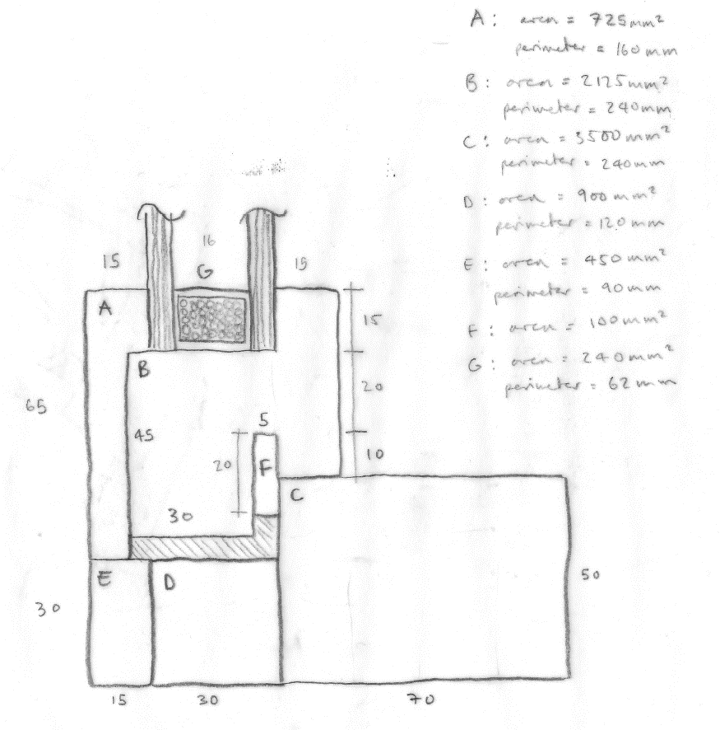
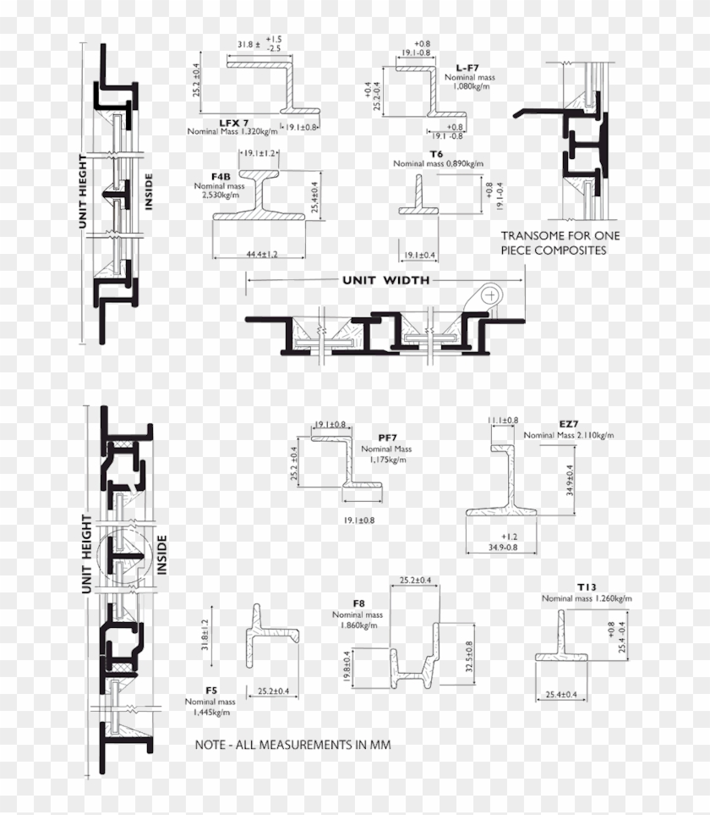
 |  |  |  |  |  |  |  |  | Sutton, A., Black, D., Walker, P. (2011) Cross-laminated timber: An introduction to low-impact building materials, Bracknell: IHS BRE Press | 43.7 | -164
 |  |  |  |  |  |  |  |  |  |  |  | 43.7 | -164 | 100
 |  |  |  |  |  |  |  |  | ICE data, based on per m2 average | 15.1 | 0
 |  |  |  |  |  |  |  |  | British Gypsum (2014) Thistle Universal OneCoat EPD-S-P-00610 | 2.2412 | 0
 |  |  |  |  |  |  |  |  |  |  |  | 17.3412 | 0 | 160.62

 |  |  |  |  |  |  |  |  | CIBSE material data for "aluminium" quoted in ICE V3 | 0.558279 | 0
 |  |  |  |  |  |  |  |  | https://en.wikipedia.org/wiki/Polyvinyl_chloride accessed 11/06/2020 | 16.2564 | 0
 |  |  |  |  |  |  |  |  | https://www.aqua-calc.com/page/density-table/substance/rubber-coma-and-blank-butyl accessed 11/06/2020 | 0.2622 | 0
 |  |  |  |  |  |  |  |  |  |  |  | 17.076879 | 0 | 5.4197
 |  |  |  |  |  |  |  |  | CIBSE material data for "aluminium" quoted in ICE V3 | 27.0135 | 0
 |  |  |  |  |  |  |  |  | https://en.wikipedia.org/wiki/Polyvinyl_chloride accessed 11/06/2020 | 2.05344 | 0
 |  |  |  |  |  |  |  |  | https://www.aqua-calc.com/page/density-table/substance/rubber-coma-and-blank-butyl accessed 11/06/2020 | 0.2622 | 0
 |  |  |  |  |  |  |  |  |  |  |  | 29.32914 | 0 | 4.8044
 |  |  |  |  |  |  |  |  | CIBSE material data for "softwood" quoted in ICE V3 | 1.032801 | -6.08685
 |  |  |  |  |  |  |  |  | CIBSE material data for "aluminium" quoted in ICE V3 | 0.558279 | 0
 |  |  |  |  |  |  |  |  | https://www.aqua-calc.com/page/density-table/substance/rubber-coma-and-blank-butyl accessed 11/06/2020 | 0.2622 | 0
 |  |  |  |  |  |  |  |  |  |  |  | 1.85328 | -6.08685 | 4.1027
 |  |  |  |  |  |  |  |  | CIBSE material data for "softwood" quoted in ICE V3 | 0.751128 | -4.4268
 |  |  |  |  |  |  |  |  | CIBSE material data for "aluminium" quoted in ICE V3 | 9.54477 | 0
 |  |  |  |  |  |  |  |  | https://en.wikipedia.org/wiki/Polyvinyl_chloride accessed 11/06/2020 | 2.05344 | 0
 |  |  |  |  |  |  |  |  | https://www.aqua-calc.com/page/density-table/substance/rubber-coma-and-blank-butyl accessed 11/06/2020 | 0.2622 | 0
 |  |  |  |  |  |  |  |  |  |  |  | 12.611538 | -4.4268 | 5.0414
 |  |  |  |  |  |  |  |  | CIBSE material data for "steel" quoted in ICE V3 | 14.69286 | 0
 |  |  |  |  |  |  |  |  |  |  |  | 14.69286 | 0 | 5.382

 |  |  |  |  |  |  |  |  | CIBSE material data for "steel" quoted in ICE V3 | 37.47744 | 0
 |  |  |  |  |  |  |  |  | CIBSE material data for "steel" quoted in ICE V3 | 6.552 | 0
 |  |  |  |  |  |  |  |  | ICE V3 | 37.728 | 0
 |  |  |  |  |  |  |  |  |  |  |  | 81.75744 | 0 | 334.68

 |  |  |  |  |  |  |  |  | CIBSE material data for "softwood" quoted in ICE V3 | 3.35325 | -19.7625
 |  |  |  |  |  |  |  |  | An average of OSB sheet products supplied by: B&Q, Travis Perkins, Wickes | 3.1031 | -10.23
 |  |  |  |  |  |  |  |  |  |  |  | 6.45635 | -29.9925 | 19.57
 |  |  |  |  |  |  |  |  | CIBSE material data for "softwood" quoted in ICE V3 | 6.7065 | -39.525
 |  |  |  |  |  |  |  |  | An average of OSB sheet products supplied by: B&Q, Travis Perkins, Wickes | 3.1031 | -10.23
 |  |  |  |  |  |  |  |  |  |  |  | 9.8096 | -49.755 | 32.32
 |  |  |  |  |  |  |  |  | An average of OSB sheet products supplied by: B&Q, Travis Perkins, Wickes | 3.1031 | -10.23
 |  |  |  |  |  |  |  |  | James Jones & Sons Limited (2017) Environmental Product Declaration JJI-Joists EPD-S-P-01072 | 7.225 | -26.5 |  |  |  | Per m2 buildup
 |  |  |  |  |  |  |  |  |  |  |  | 10.3281 | -36.73 | 21.995
...

Continuous Calculations
...
Impact | tCO2e | tCO2e/hectare mixed British woodland | Hectares required | Cost tree planting | Cost retrofit
Total carbon offset | #N/A | 437.5 | #N/A | #N/A | #N/A
Operational carbon offset | #N/A | 437.5 | #N/A | #N/A | #N/A
Embodied carbon offset | #N/A | 437.5 | #N/A | #N/A | #N/A

60 year carbon of module groups (kgCO2e/m2)

 | A1-A3 Biogenic | A1-A5 | B1-B3 & B5 | B4 | B6-B7 | C1-C4 | D
Carbon emissions relating to the new building | #N/A | #N/A | #N/A | #N/A | #N/A | #N/A | #DIV/0!
Value of carbon in existing elements | #N/A | #N/A | #N/A | #N/A | #N/A | #N/A | #DIV/0!
SAP 10.1 Operational emissions | #N/A | #N/A | #N/A | #N/A | #N/A | #N/A | #N/A
 | #N/A kgCO2e/m2 | #N/A kgCO2e/m2 | #N/A kgCO2e/m2 | #N/A kgCO2e/m2
1 | 1 | 1 | 1 | 1

 | Substructure | Superstructure | Upper floors | Roof | External walls | Windows | Internal walls | Internal finishes | Services
 | #N/A | #N/A | #N/A | #N/A | #N/A | #N/A | #N/A | #N/A | #N/A

