Intro
#a468ee

#031690

#05beea

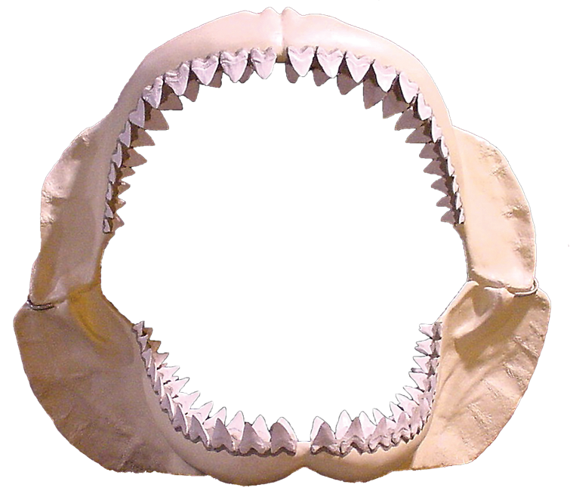

PLAY

App
#a468ee

#031690

#05beea
GUESSES
GUESSES

PHRASE
PHRASE

phrase-word
phrase-letter
phrase-overlay
phrase-word
phrase-letter
phrase-overlay

Finish Message

Keyboard
Keyboard

key-wrapper
key-letter
key-overlay
key-wrapper
key-letter
key-overlay



RESET
RESET

